Chart
0% | 305
1-10% | 97
11-20% | 442
21-30% | 497
31-40% | 779
41-50% | 770
51-60% | 393
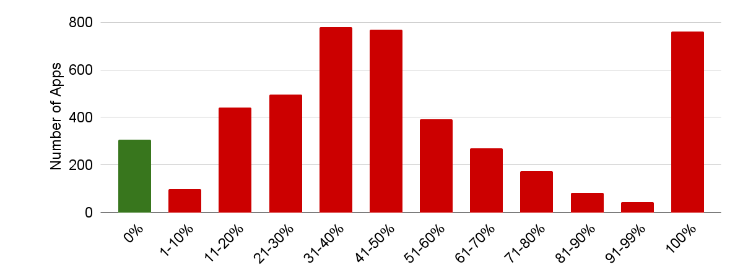
61-70% | 269
71-80% | 173
81-90% | 83
91-99% | 43
100% | 762

