Screening-Total Unique Document
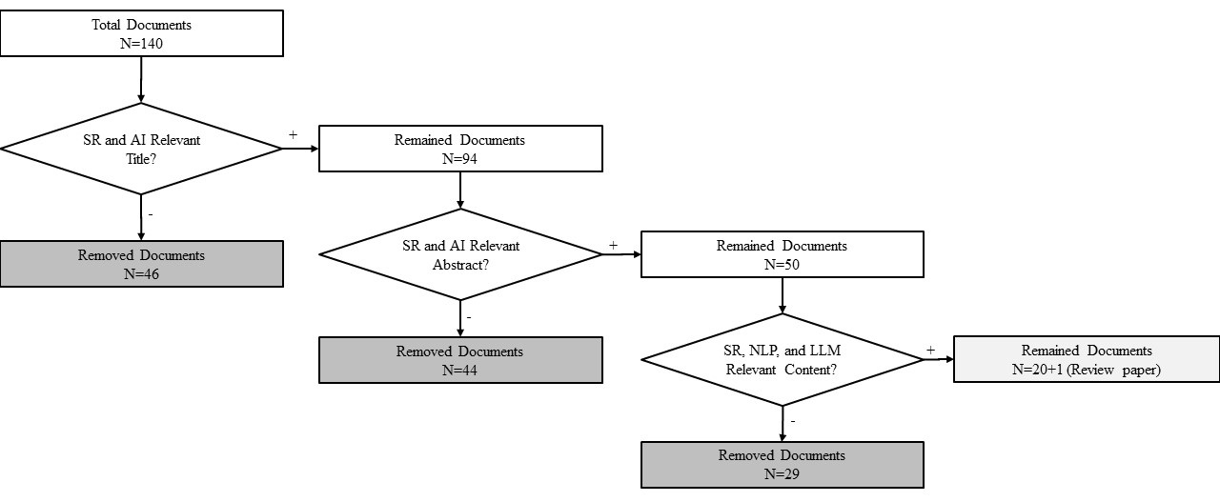
 |  | Screening
Authors | Source | Title Relevant | Abstract Relevant | Content Relevant | Final Decision | Literature survey flowchart of selecting appropriate articles
Szekely N.; Vom Brocke J. | Scopus | Yes | Yes | No | Excluded
Ceccarini C.; Bogucka E.P.; Sen I.; Constantinides M.; Prandi C.; Quercia D. | Scopus | Yes | Yes | No | Excluded
Nakagawa K.; Sashida S.; Kitajima R.; Sakai H. | Scopus | Yes | Yes | No | Excluded
Gupta A.; Chadha A.; Tewari V. | Scopus | Yes | Yes | Yes | Included
Yang Z.; Zhang L.; Wang X.; Mai Y. | Scopus | Yes | Yes | No | Excluded
Niveditha R.; Ns N.K.; Parimi M.R.; Aaditya Raam S.; Babu S. | Scopus | Yes | Yes | No | Excluded
Jakob C.; Schmitt V.; Mohtaj S.; Möller S. | Scopus | Yes | Yes | Yes | Included
Huang A.H.; Wang H.; Yang Y. | Scopus | Yes | No |  | Excluded
Ghosh S.; Naskar S.K. | Scopus | Yes | Yes | Yes | Included
H., Diwan, Hema; B., Amarayil Sreeraman, Binilkumar | Scopus | Yes | No |  | Excluded
Angin M.; Taşdemir B.; Yılmaz C.A.; Demiralp G.; Atay M.; Angin P.; Dikmener G. | Scopus | Yes | Yes | Yes | Included
G., Morio, Gaku; S.Y., In, Soh Young; J., Yoon, Jungah; H., Rowlands, Harri; C.D., Manning, Christopher D. | Scopus | Yes | Yes | Yes | Included
Amin M.H.; Ali H.; Mohamed E.K.A. | Scopus | Yes | Yes | No | Excluded
Kowieski D.; Hellwig M.; Feilhauer T. | Scopus | Yes | No |  | Excluded
C.D., Villiers, Charl De; R., Dimes, Ruth; M., Molinari, Matteo | Scopus | No |  |  | Excluded
W., Moodaley, Wayne; A., Telukdarie, Arnesh | Scopus | Yes | Yes | Yes | Included
Zhao Y. | Scopus | Yes | No |  | Excluded
Schmidt S.; Kinne J.; Lautenbach S.; Blaschke T.; Lenz D.; Resch B. | Scopus | Yes | Yes | No | Excluded
Smith T.B.; Vacca R.; Mantegazza L.; Capua I. | Scopus | Yes | Yes | No | Excluded
 | Scopus | No |  |  | Excluded
Goridkov N.; Wang Y.; Goucher-Lambert K. | Scopus | Yes | No |  | Excluded
Ramautar V. | Scopus | Yes | Yes | No | Excluded
Rivera S.J.; Minsker B.S.; Work D.B.; Roth D. | Scopus | Yes | Yes | No | Excluded
Dimitriadis D.; Bocchieri E.; Caseiro D. | Scopus | No |  |  | Excluded
Jaiswal R.; Gupta S.; Tiwari A.K. | Scopus | Yes | Yes | No | Excluded
Mashkin I.; Chersoni E. | Scopus | Yes | Yes | No | Excluded
Civiero P.; Pascual J.; Arcas Abella J.; Salom J. | Scopus | No |  |  | Excluded
 | Scopus | No |  |  | Excluded
...

