Problem3
DO THIS PROBLEM USING ONLY *ONE* FORMULA THAT YOU'VE COPIED AND DRAGGED TO THE ENTIRE SHEET
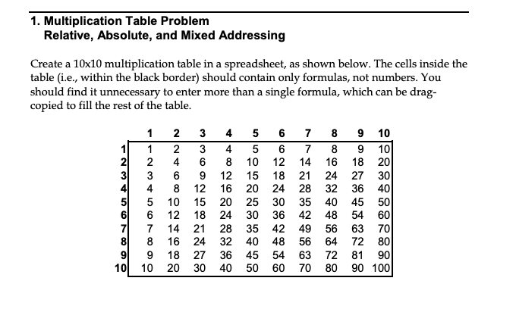

 | 1*1

 | #VALUE! | 0 | 0 | 0 | 0 | 0 | 0 | 0 | 0 | 0
 | 0 | 0 | 0 | 0 | 0 | 0 | 0 | 0 | 0 | 0
 | 0 | 0 | 0 | 0 | 0 | 0 | 0 | 0 | 0 | 0
 | 0 | 0 | 0 | 0 | 0 | 0 | 0 | 0 | 0 | 0
 | #VALUE! | 0 | 0 | 0 | 0 | 0 | 0 | 0 | 0 | 0
 | 0 | 0 | 0 | 0 | 0 | 0 | 0 | 0 | 0 | 0
 | 0 | 0 | 0 | 0 | 0 | 0 | 0 | 0 | 0 | 0
 | 0 | 0 | 0 | 0 | 0 | 0 | 0 | 0 | 0 | 0
 | #VALUE! | 0 | 0 | 0 | 0 | 0 | 0 | 0 | 0 | 0
 | 0 | 0 | 0 | 0 | 0 | 0 | 0 | 0 | 0 | 0
 | 0 | 0 | 0 | 0 | 0 | 0 | 0 | 0 | 0 | 0

