Sheet1
 | Marca | Jogo | Plataforma | QTD | Capa
0 | Bangood | Crash bandicoot | PS2 | 2 | 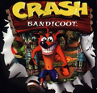
1 | Rockstar | Need For speed | PS4 | 10 | 
2 | Mojang | Minecraft | PC | 14 | 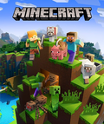
3 | Rockstar | GTA V | PS4 | 19 | 
4 | Rockstar | Red dead Redemption II | PS4 | 19 | 
5 | Rockstar | Red dead Redemption | PS3 | 19 | 

