Sheet1
 | Marca | Jogo | Plataforma | QTD | Capa
0 | dasda | afsaad | dasdas | 5 | ?
1 | Rockstar | Need For Speed | PC | 10 | 
2 | Rockstar | GTA V | PS4 | 15 | 
3 | Rockstar | Red Dead Redemption II | PS4 | 20 | 
4 | Rockstar | Red Dead Redemption | PS3 | 5 | 
5 | Mojang | Minecraft | Xbox 360 | 3 | 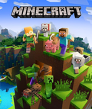
6 | Riot | League of Legends | PC | 10 | 

