cad.water.content.LOI
line.id | site.uid | tr.uid.rel.dist.aaaa | LAB.UID.1 | peat.samples_LOI_crucible.mass.g.1 | peat.samples_LOI_initial.mass.g.1 | peat.samples_LOI_dried.mass.1.g.1 | peat.samples_LOI_dried.mass.2.g.1 | peat.samples_LOI_dried.mass.3.g.1 | peat.samples_LOI_ash.mass.g.1 | LAB.UID.2 | peat.samples_LOI_crucible.mass.g.2 | peat.samples_LOI_initial.mass.g.2 | peat.samples_LOI_dried.mass.1.g.2 | peat.samples_LOI_dried.mass.2.g.2 | peat.samples_LOI_dried.mass.3.g.2 | peat.samples_LOI_ash.mass.g.2 | peat.samples_LOI_date.aaaa.mm.dd | peat.samples_LOI_observer | peat.samples_LOI_comment
3 | INK | INK.Ch3.Sprdd.Berms.1.2025 | 1 | 19.9338 | 25.2254 |  |  | 25.0791 |  | 2 | 22.1626 | 29.7054 |  |  | 29.5489 |  | 2025-11-07 | AG, KL | séchage fait en été / reséchage dans creuset 3x 30 min à 70dc / faire tests pour voir diminution d'humidité… ne semble pas 100% sec… faire tests pour savoir variance possible…
42 | INK | INK.pasMare.C2.p4m.2025 | 3 | 22.0895 | 26.5020 | 26.3692 | 26.3048 | 26.2947 |  | 4 | 23.6395 | 27.9004 |  |  | 27.6596 |  | 2025-11-07 | AG, KL | séchage fait en été / reséchage dans creuset 3x 30 min à 70dc / faire tests pour voir diminution d'humidité… ne semble pas 100% sec… faire tests pour savoir variance possible…
1 | INK | INK.Ch3.Rmvd.2025 | 5 | 21.4826 | 24.8671 |  |  | 24.7267 |  | 6 | 19.2654 | 22.7485 |  |  | 22.5944 |  | 2025-11-07 | AG, KL | séchage fait en été / reséchage dans creuset 3x 30 min à 70dc / faire tests pour voir diminution d'humidité… ne semble pas 100% sec… faire tests pour savoir variance possible…
10 | INK | INK.pasMare.A2.m4m.pre | 7 | 18.5053 | 23.8947 | 23.741 | 23.6535 | 23.6521 |  | 8 | 18.392 | 24.177 | 24.0169 | 23.9378 | 23.9245 |  | 2025-11-07 | AG, KL | séchage fait en été / reséchage dans creuset 3x 30 min à 70dc / faire tests pour voir diminution d'humidité… ne semble pas 100% sec… faire tests pour savoir variance possible…
33 | INK | INK.pasMare.A2.p10m.2025 | 9 | 24.5688 | 29.4890 |  |  | 29.2727 |  | 10 | 20.7581 | 24.1244 |  |  | 23.9541 |  | 2025-11-07 | AG, KL | séchage fait en été / reséchage dans creuset 3x 30 min à 70dc / faire tests pour voir diminution d'humidité… ne semble pas 100% sec… faire tests pour savoir variance possible…
12 | INK | INK.Mare.D1.mid.2025 | 11 | 27.4515 | 33.3127 |  |  | 33.047 |  | 12 | 21.6548 | 27.5242 |  |  | 27.2954 |  | 2025-11-07 | AG, KL | séchage fait en été / reséchage dans creuset 3x 30 min à 70dc / faire tests pour voir diminution d'humidité… ne semble pas 100% sec… faire tests pour savoir variance possible…
15 | INK | INK.Mare.A1.mid.pre | 13 | 20.4162 | 26.1610 |  |  | 25.9136 |  | 14 | 26.1083 | 30.9751 |  |  | 30.7542 |  | 2025-11-07 | AG, KL | séchage fait en été / reséchage dans creuset 3x 30 min à 70dc / faire tests pour voir diminution d'humidité… ne semble pas 100% sec… faire tests pour savoir variance possible…
30 | INK | INK.Mare.D2.p10m.pre | 15 | 27.4548 | 35.1235 |  |  | 34.9179 |  | 16 | 19.7054 | 28.3833 |  |  | 28.1646 |  | 2025-11-07 | AG, KL | séchage fait en été / reséchage dans creuset 3x 30 min à 70dc / faire tests pour voir diminution d'humidité… ne semble pas 100% sec… faire tests pour savoir variance possible…
48 | INK | INK.pasMare.D2.p4m.pre | 17 | 21.1098 | 26.3480 |  |  | 26.055 |  | 18 | 24.7926 | 31.3211 |  |  | 31.0205 |  | 2025-11-07 | AG, KL | séchage fait en été / reséchage dans creuset 3x 30 min à 70dc / faire tests pour voir diminution d'humidité… ne semble pas 100% sec… faire tests pour savoir variance possible…
39 | INK | INK.pasMare.C2.m4m.2025 | 19 | 27.8615 | 32.0813 |  |  | 31.8382 |  | 20 | 18.8901 | 24.2073 |  |  | 23.9172 |  | 2025-11-07 | AG, KL | séchage fait en été / reséchage dans creuset 3x 30 min à 70dc / faire tests pour voir diminution d'humidité… ne semble pas 100% sec… faire tests pour savoir variance possible…
5 | INK | INK.Ch3.Sprdd.Berms.3.2025 | 21 | 22.4771 | 23.9343 |  |  | 23.8182 |  | 22 | 25.8371 | 27.755 |  |  | 27.601 |  | 2025-11-07 | AG, KL | séchage fait en été / reséchage dans creuset 3x 30 min à 70dc / faire tests pour voir diminution d'humidité… ne semble pas 100% sec… faire tests pour savoir variance possible…
25 | INK | INK.Mare.C1.p4m.2025 | 23 | 21.9716 | 26.3126 |  |  | 26.0583 |  | 24 | 21.1564 | 26.3219 |  |  | 26.0425 |  | 2025-11-07 | AG, KL | séchage fait en été / reséchage dans creuset 3x 30 min à 70dc / faire tests pour voir diminution d'humidité… ne semble pas 100% sec… faire tests pour savoir variance possible…
31 | INK | INK.Mare.D2.p4m.pre | 25 | 26.0854 | 34.0477 |  |  | 33.732 |  | 28 | 20.066 | 27.5596 |  |  | 27.2403 |  | 2025-11-07 | AG, KL | séchage fait en été / reséchage dans creuset 3x 30 min à 70dc / faire tests pour voir diminution d'humidité… ne semble pas 100% sec… faire tests pour savoir variance possible…
4 | INK | INK.Ch3.Sprdd.Berms.2.2025 | 26 | 18.6726 | 22.6788 |  |  | 22.4392 |  | 27 | 23.3117 | 27.1559 |  |  | 26.9283 |  | 2025-11-07 | AG, KL | séchage fait en été / reséchage dans creuset 3x 30 min à 70dc / faire tests pour voir diminution d'humidité… ne semble pas 100% sec… faire tests pour savoir variance possible…
11 | INK | INK.pasMare.A1.mid.pre | 29 | 24.3656 | 30.0915 |  |  | 29.7817 |  | 30 | 20.8447 | 27.5842 |  |  | 27.2247 |  | 2025-11-07 | AG, KL | séchage fait en été / reséchage dans creuset 3x 30 min à 70dc / faire tests pour voir diminution d'humidité… ne semble pas 100% sec… faire tests pour savoir variance possible…
6 | INK | INK.Ch3.Sprdd.Rmvd.1.2025 | 31 | 30.4227 | 45.7066 |  |  | 45.4133 |  | 32 | 22.3851 | 34.3645 |  |  | 34.0883 |  | 2025-11-07 | AG, KL | séchage fait en été / reséchage dans creuset 3x 30 min à 70dc / faire tests pour voir diminution d'humidité… ne semble pas 100% sec… faire tests pour savoir variance possible…
22 | INK | INK.Mare.C1.m4m.2025 | 33 | 26.0953 | 28.7537 |  |  | 28.5646 |  | 34 | 26.1418 | 29.409 |  |  | 29.1847 |  | 2025-11-07 | AG, KL | séchage fait en été / reséchage dans creuset 3x 30 min à 70dc / faire tests pour voir diminution d'humidité… ne semble pas 100% sec… faire tests pour savoir variance possible…
7 | INK | INK.Ch3.Sprdd.Rmvd.2.2025 | 35 | 21.0404 | 23.6245 |  |  | 23.4392 |  | 36 | 21.8023 | 23.5252 |  |  | 23.3867 |  | 2025-11-07 | AG, KL | séchage fait en été / reséchage dans creuset 3x 30 min à 70dc / faire tests pour voir diminution d'humidité… ne semble pas 100% sec… faire tests pour savoir variance possible…
35 | INK | INK.pasMare.A2.p4m.2025 | 37 | 22.2306 | 25.9044 |  |  | 25.6654 |  | 38 | 21.7051 | 24.2033 |  |  | 24.0157 |  | 2025-11-07 | AG, KL | séchage fait en été / reséchage dans creuset 3x 30 min à 70dc / faire tests pour voir diminution d'humidité… ne semble pas 100% sec… faire tests pour savoir variance possible…
45 | INK | INK.pasMare.D2.p10m.pre | 39 | 25.0949 | 31.7245 |  |  | 31.4178 |  | 40 | 18.2103 | 24.6042 |  |  | 24.2948 |  | 2025-11-07 | AG, KL | séchage fait en été / reséchage dans creuset 3x 30 min à 70dc / faire tests pour voir diminution d'humidité… ne semble pas 100% sec… faire tests pour savoir variance possible…

tr.uid.rel.dist.aaaa | LAB.UID.1 | peat.samples_LOI_crucible.mass.g.1 | peat.samples_LOI_initial.mass.g.1 | peat.samples_LOI_dried.mass.1.g.1 | peat.samples_LOI_dried.mass.2.g.1 | peat.samples_LOI_dried.mass.3.g.1 | incertitude.plus.minus | water.content.fresh.1 | water.content.1.2 | water.content.2.3
INK.pasMare.A2.m4m.pre | 7 | 18.5053 | 23.8947 | 23.741 | 23.6535 | 23.6521 | 0.0001 | 0.1537 | 0.0875 | 0.0014
INK.pasMare.C2.p4m.2025 | 3 | 22.0895 | 26.5020 | 26.3692 | 26.3048 | 26.2947 | 0.0001 | 0.1328 | 0.0644 | 0.0101
INK.pasMare.A2.m4m.pre | 8 | 18.392 | 24.177 | 24.0169 | 23.9378 | 23.9245 | 0.0001 | 0.1601 | 0.0791 | 0.0133
 |  |  |  |  |  |  | MOYENNE | 0.1489 | 0.0770 | 0.0083
Réduction de l'humidité

 |  |  |  |  |  |  |  |  | Pas de certitude que 100 % sec

cad.puits
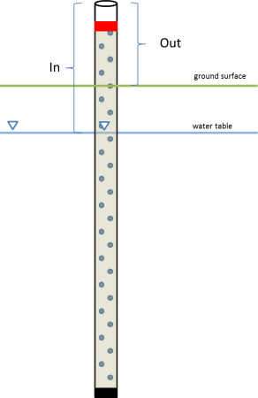
Zone | Sous-zone | Action | Date | Heure | Longueur_fil_cm | IN_cm | OUT_cm | Note
ecotone_est | A | Changement de puit | 2024-07-25 | 13h53 | NA
ecotone_est | B | Changement de puit | 2024-07-25 | 14h00 | NA
ecotone_est | A | Remise du level logger | 2024-07-29 | 10h00 | 141 cm + vis dans le couvert 2.5 cm | 133.4 cm | 29.8 cm | Finalement, j’ai atteint le minéral pour les deux puits et il restait très long de puit qui sortait du sol. Comme mon bulleur était trop court pour atteindre l’eau, j’ai dû couper une partie du puit qui sortait du sol (voir photo)-Benoît, mail, 29 juillet 2024
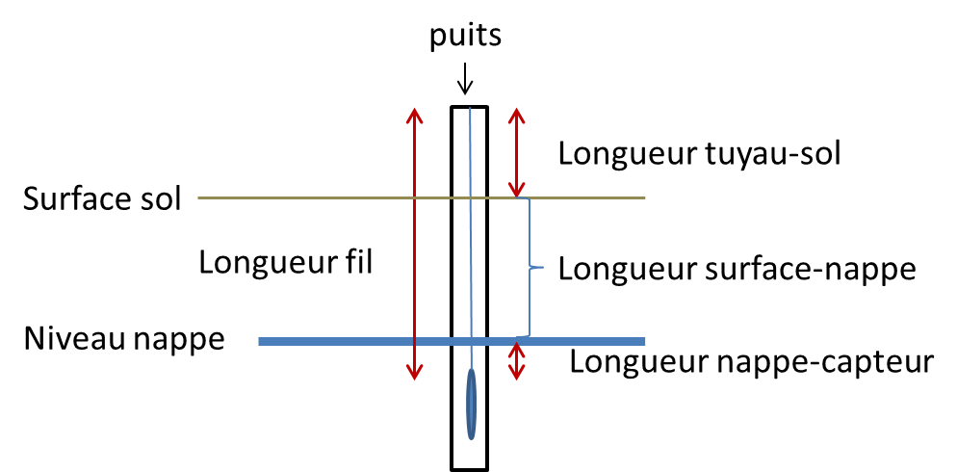
ecotone_est | B | Remise du level logger | 2024-07-29 | 10h02 | 139.7 cm + vis dans le couvert 1.9 cm | 103.5 cm | 15.9 cm
 |  |  |  |  |  |  |  | * faire le total longueur fil+vis (?)

#serie.LL | Lat | Long | Longueur_fil_cm | IN_cm | OUT_cm | Date_mesure.OUT.IN | Heure.HH:SS.mesure.OUT.IN_fuseau | Notes
20573974 | 47.62546 | 64.81953 | 174 | 64.3 | 176 | 8-Jul-24 | 09:28_UTC-3.NB | Date, heure -> mesure du OUT et IN *
20853328 | 47.62529 | 64.81950 | 186.5 | 94 | 127 | 6-Jul-24 | 11:00_UTC-3.NB
10279777 | 47.62516 | 64.81950 | 170.5 | 62.46 | + bas que 180,5 | 8-Jul-24 | 09:37_UTC-3.NB
10279769 | 47.62500 | 64.81944 | 186.5 | 68.25 | 113 | 6-Jul-24 | 11:18_UTC-4.QC
 |  | COMPLÉTER pour les puits de Benoît **

