Sheet2
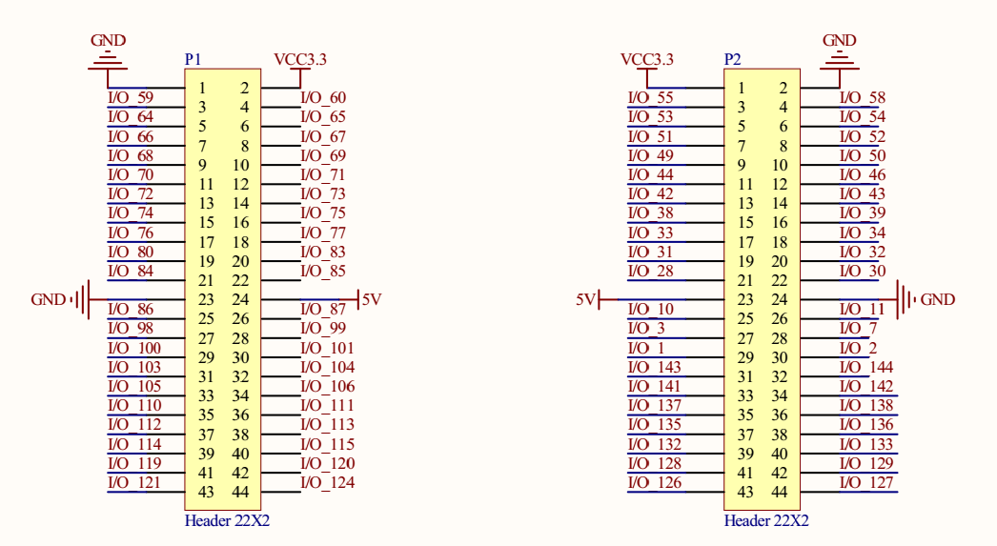
 | GND | 3.3V |  |  | 3.3V | GND |  | SRAM_UB | SRAM_LB
SRAM_ADDR[0] | 59 | 60 | SRAM_WE | PR | 55 | 58 | SW0
SRAM_ADDR[1] | 64 | 65 | SRAM_DQ[0] | SR | 53 | 54 | SW1
SRAM_ADDR[2] | 66 | 67 | SRAM_DQ[1] | PG | 51 | 52 | SW2
SRAM_ADDR[3] | 68 | 69 | SRAM_DQ[2] | SG | 49 | 50 | SW3
SRAM_ADDR[4] | 70 | 71 | SRAM_DQ[3] | PB | 44 | 46
SRAM_ADDR[5] | 72 | 73 | SRAM_DQ[4] | SB | 42 | 43
SRAM_ADDR[6] | 74 | 75 | SRAM_DQ[5] | H | 38 | 39
SRAM_ADDR[7] | 76 | 77 | SRAM_DQ[6] | V | 33 | 34
SRAM_ADDR[8] | 80 | 83 | SRAM_DQ[7] |  | 31 | 32
SRAM_ADDR[9] | 84 | 85 | SRAM_DQ[8] |  | 28 | 30
 | GND | 5V |  |  | 5V | GND
SRAM_ADDR[10] | 86 | 87 | SRAM_DQ[9] | LED3 | 10 | 11 | LED4
SRAM_ADDR[11] | 98 | 99 | SRAM_DQ[10] | LED1 | 3 | 7 | LED2
SRAM_ADDR[12] | 100 | 101 | SRAM_DQ[11] | R0 | 1 | 2 | R2
SRAM_ADDR[13] | 103 | 104 | SRAM_DQ[12] | R1 | 143 | 144 | G2
SRAM_ADDR[14] | 105 | 106 | SRAM_DQ[13] | G0 | 141 | 142 | B2
SRAM_ADDR[15] | 110 | 111 | SRAM_DQ[14] | G1 | 137 | 138
SRAM_ADDR[16] | 112 | 113 | SRAM_DQ[15] | B0 | 135 | 136
SRAM_ADDR[17] | 114 | 115 |  | B1 | 132 | 133
SRAM_CE | 119 | 120 |  | HSYNC | 128 | 129
SRAM_OE | 121 | 124 |  | VSYNC | 126 | 127

