可视化图表
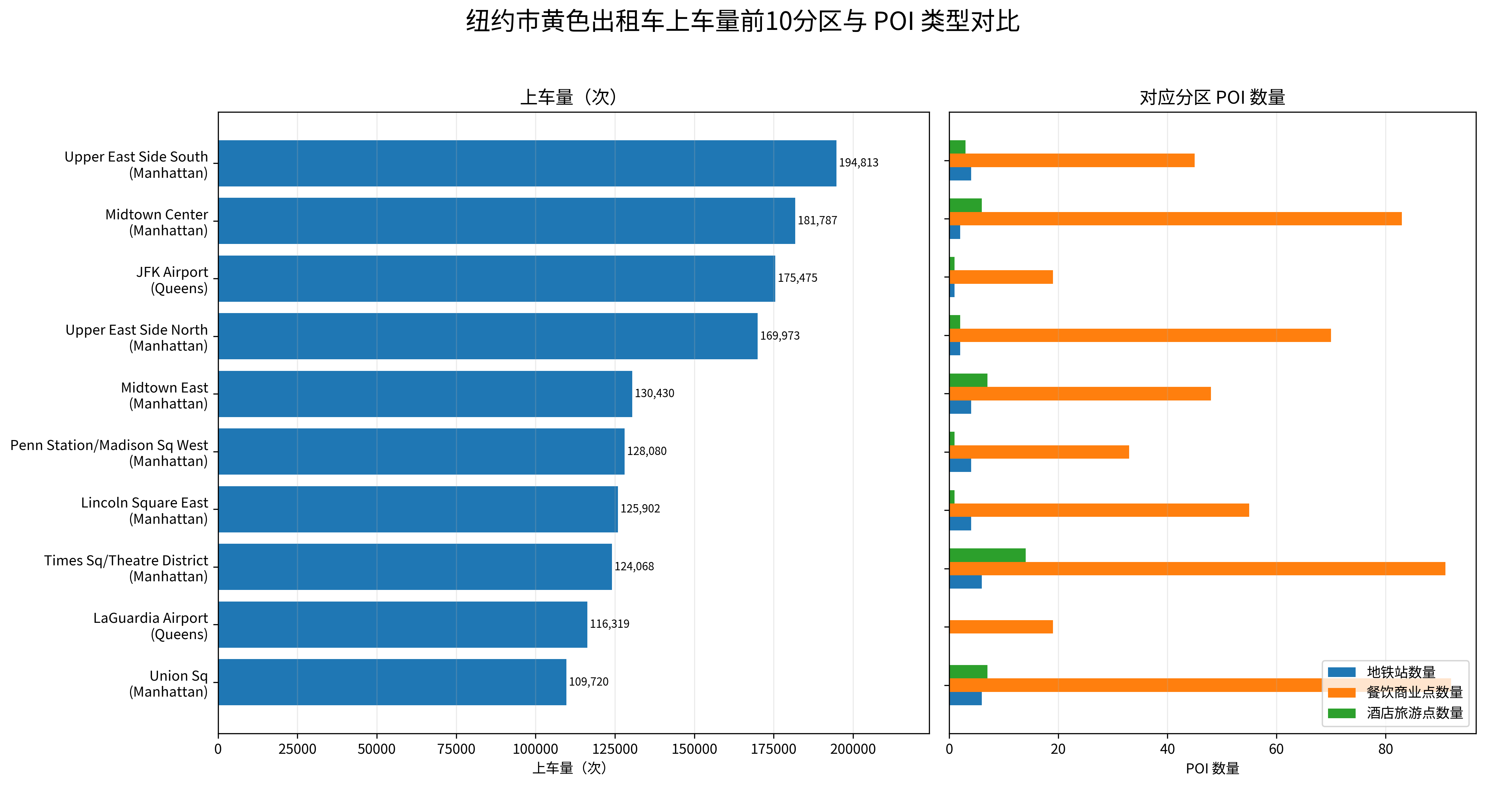
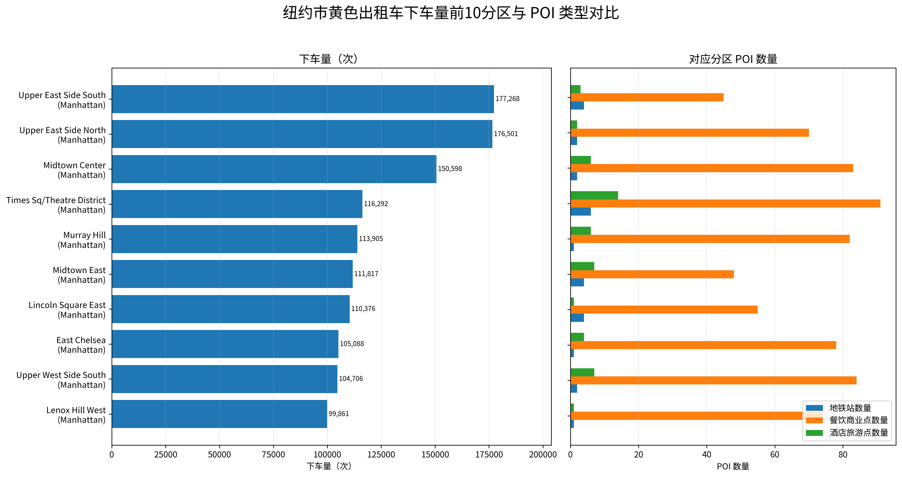
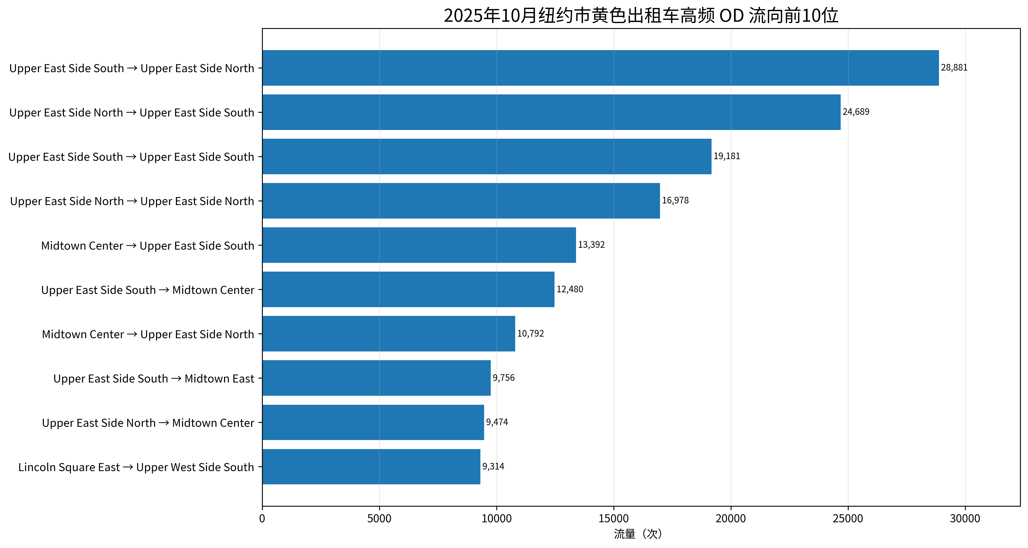
可视化图表
说明：左侧柱状图表示出租车活动强度，右侧柱状图表示对应分区内 POI 数量；OD 图表示前10位高频起讫分区流向。

