Catalog_pages
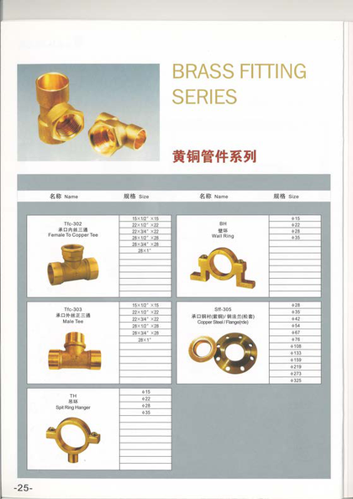
Factory catalog pages used for this RFQ (excerpt pp. 19–25)

Page 19 — 19 Copper — couplings, reducers, 90° elbow
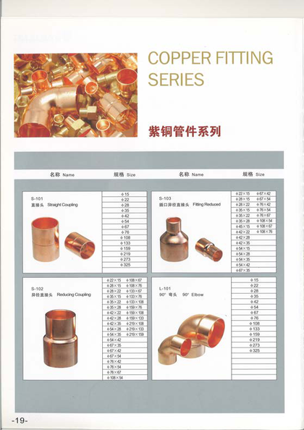
Page 20 — 20 Copper — reducing/45 elbow, tees, cap
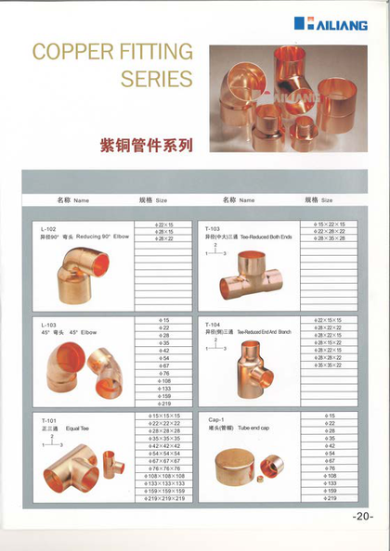
Page 21 — 21 Copper — reducing tee T-102, U-bend, bushings, cross
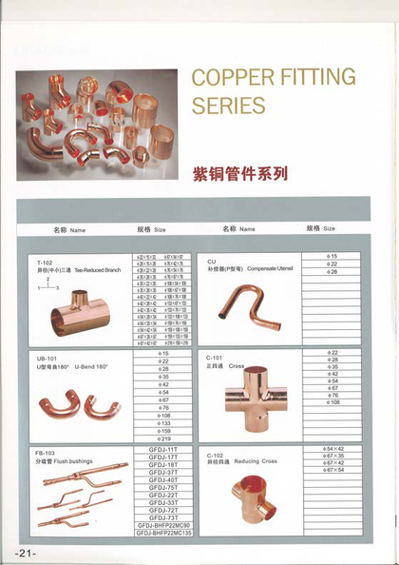
Page 22 — 22 Copper — crossover, flush bushing, strap, female adapter
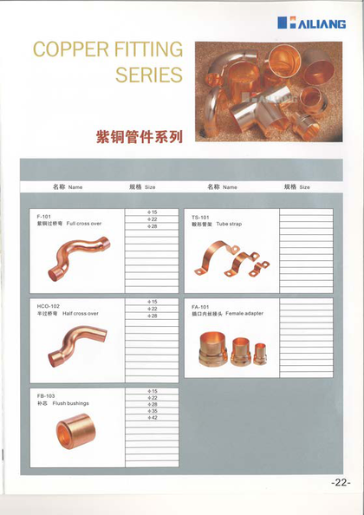
Page 23 — 23 Brass — male/female connectors, copper×thread
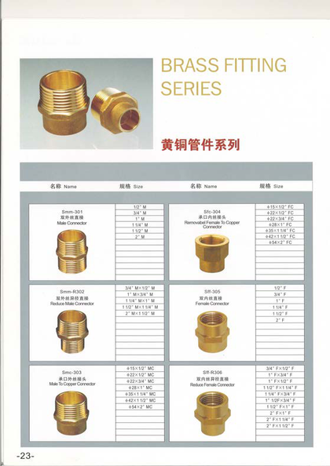
Page 24 — 24 Brass — unions, 90° F/M, female tee
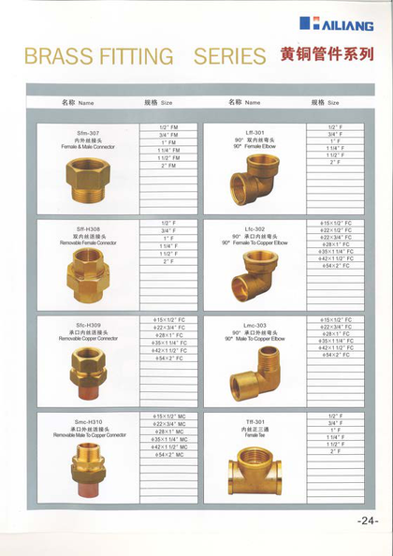
Page 25 — 25 Brass — copper×thread tees, hangers, flange

