fuzzy
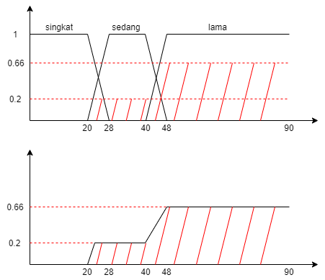
Diketahui dari soal bahwa rule yang kita gunakan adalah yang dilingkari merah,
yang terdiri dari 4 rule
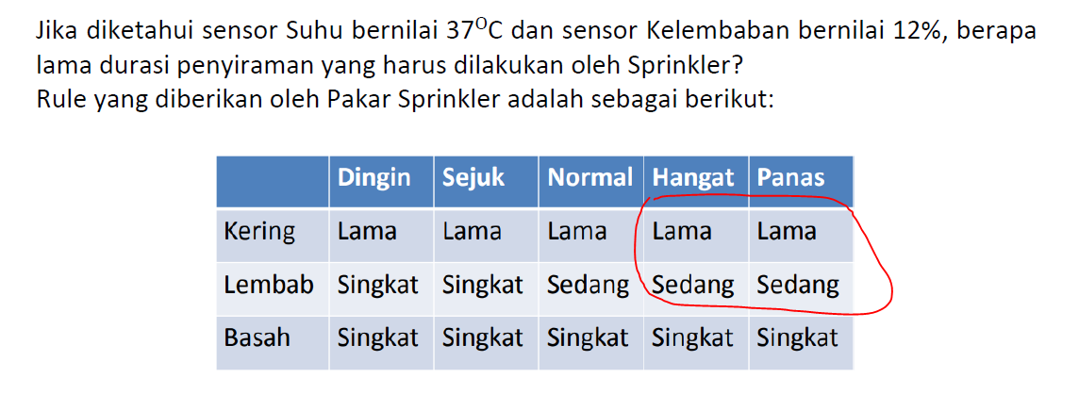
 | scale | dom | score | banyak_variabel | tot_dom |  | metode_weighted_average
range(21,40) | 610 | 0.2 | 122 | 20 | 4
range(41,42) | 83 | 0.2 | 16.6 | 2 | 0.4
range(43,47) | 225 | 0.66 | 148.5 | 5 | 3.3
range(48,90) | 2967 | 0.66 | 1958.22 | 43 | 28.38 |  |  |  |  | 62.305
 |  | total_score | 2245.32 | total_pembagi | 36.08

 |  |  |  | hasil | 62.231707317 | menit |  | range(41,42) | 62.23 | 0.075
 |  |  |  |  |  |  |  | range(41,43) | 62.48 | 0.175

init |  |  |  |  |  |  |  |  |  |  | rule 1
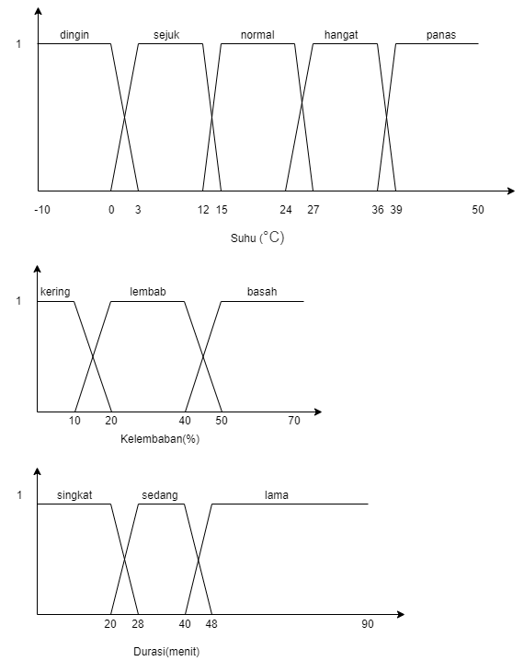
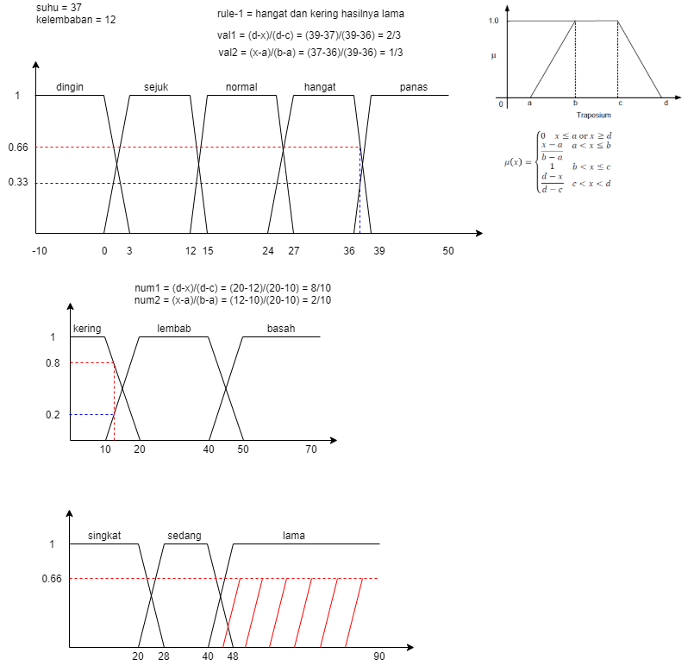

rule 2 |  |  |  |  |  |  |  |  |  |  | rule 3
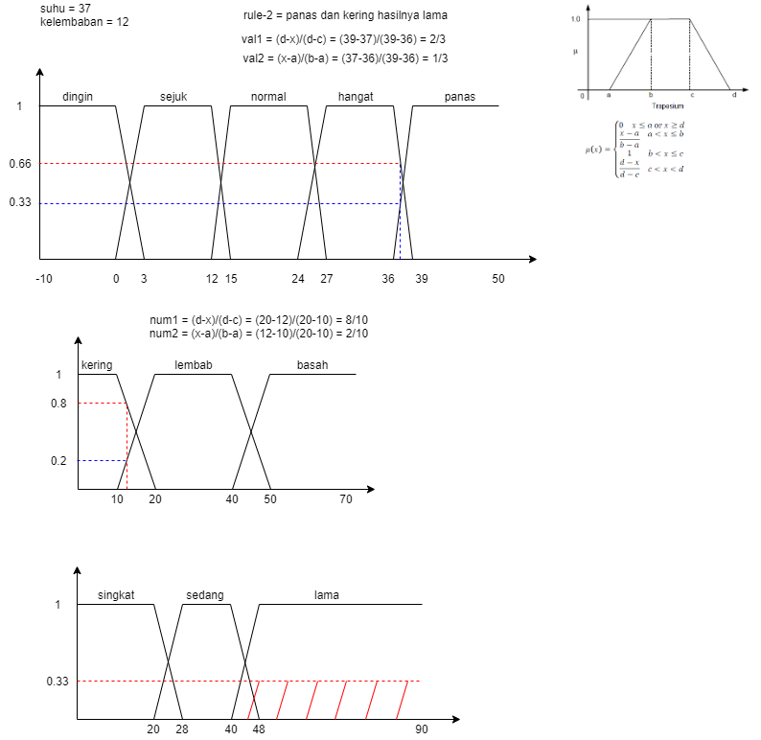
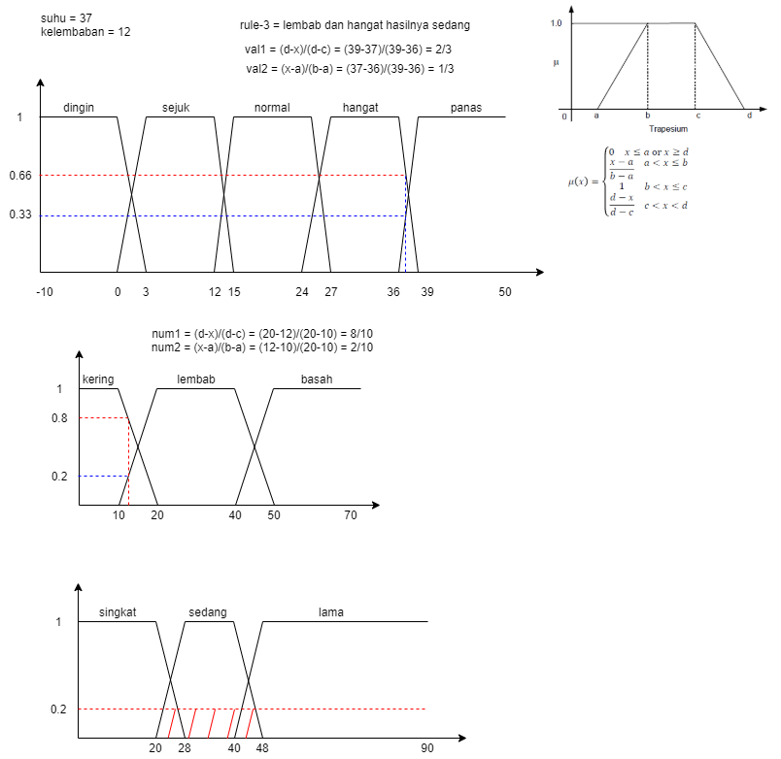


rule 4 |  |  |  |  |  |  |  |  |  |  | final

decision_final_dan_soal1b
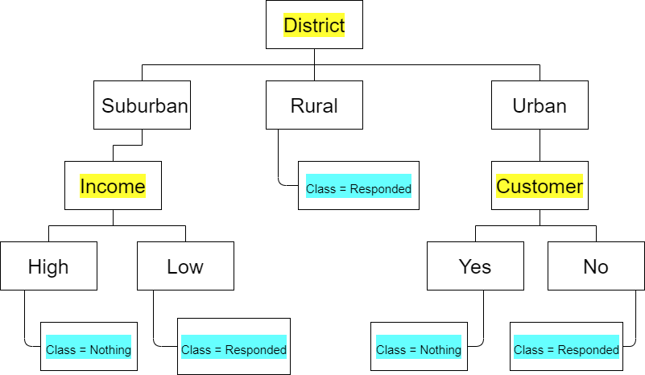

Soal 1b
i. {Suburban, Detached, Low, Yes}
ii. {Rural, Terrace, Low, Yes}

Jawab
i. Class = responded
ii. Class = responded

