Sheet1
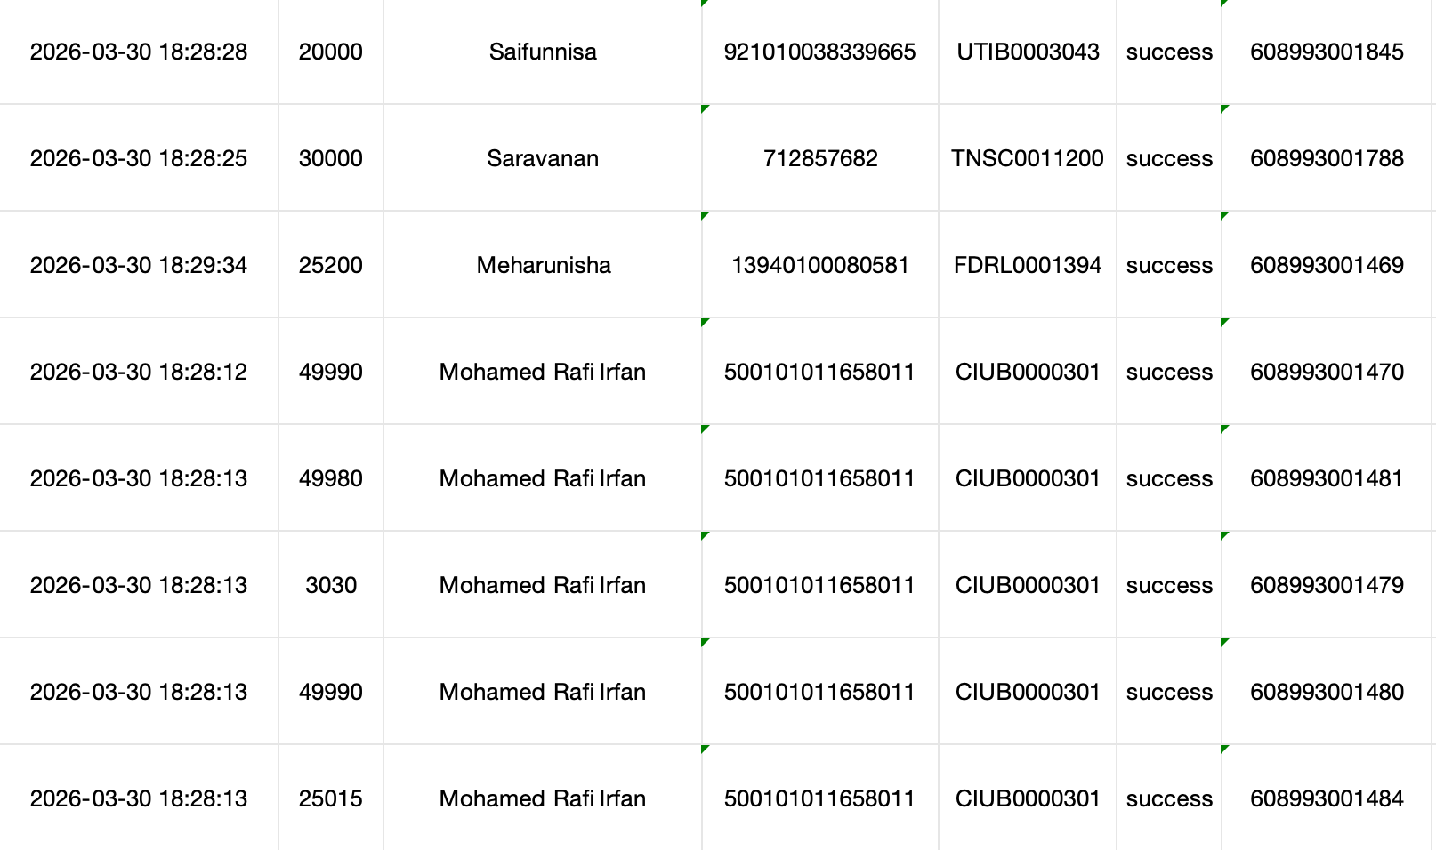
Beneficiary Name | Account Number | IFSC Code | Amount | Transaction No | Transaction Time | UTR Number
SHAHINSHA SIDDEEQUE | 0753101110599 | CNRB0000753 | 20000 |  |  | 608993001441
Swaliha siddeeq | 110029230693 | CNRB0000753 | 50000 |  |  | 608993001441
ILIYAS K S A | 11554001014 | SBIN0004892 | 80000 |  |  | 608993001441
FAROOK SAMSUDEEN | 1298155000130970 | KVBL0001298 | 45000 |  |  | 608993001441
Kalpana | 20230480686 | SBIN0015301 | 79400 |  |  | 608993001441
Saifunnisa | 921010038339665 | UTIB0003043 | 20000 |  |  | 608993001441
Saravanan | 712857682 | TNSC0011200 | 30000 |  |  | 608993001441
Meharunisha | 13940100080581 | FDRL0001394 | 25200 |  |  | 608993001441
Mohamed Rafi Irfan | 500101011658011 | CIUB0000301 | 103000 |  |  | 608993001441
Mohamed Rafi Irfan | 500101011658011 | CIUB0000301 | 100000 |  |  | 608993001441
ABDUL KARIM | 40012308297 | SBIN0015491 | 100000 |  |  | 608993001441

