Visualizations
Sales by Sales
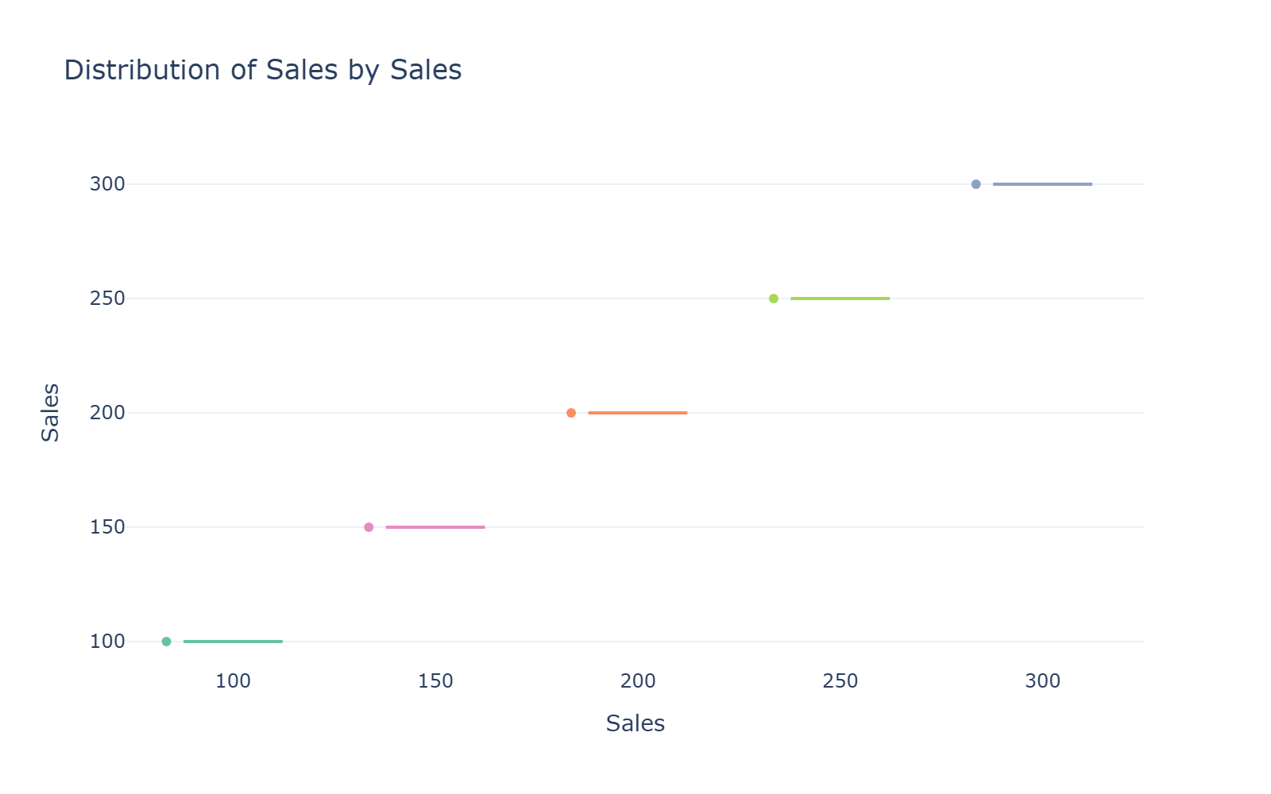

Insight: 5 categories (ideal) • Balanced distribution • Shows distribution shape + outliers

Sales Summary
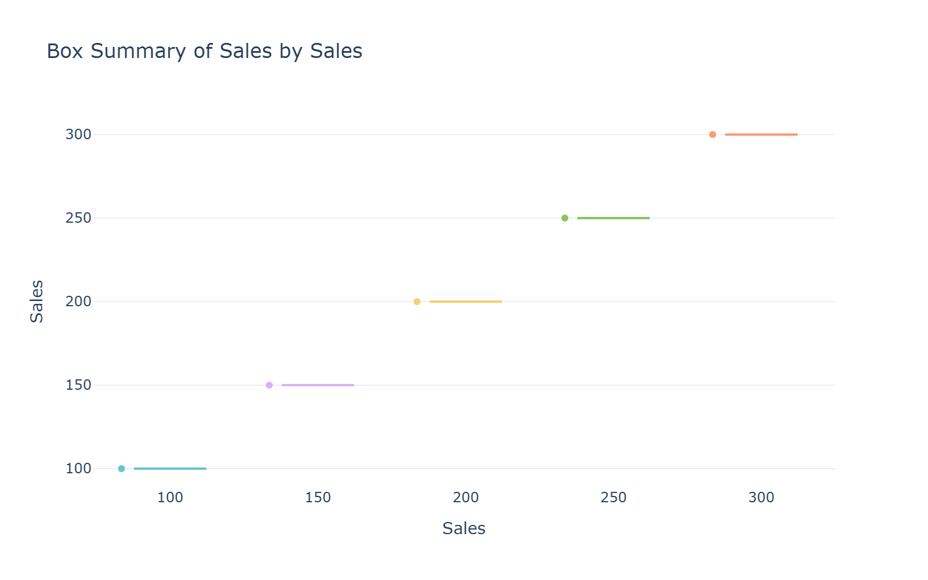

Insight: Statistical summary with confidence notches

Product Breakdown
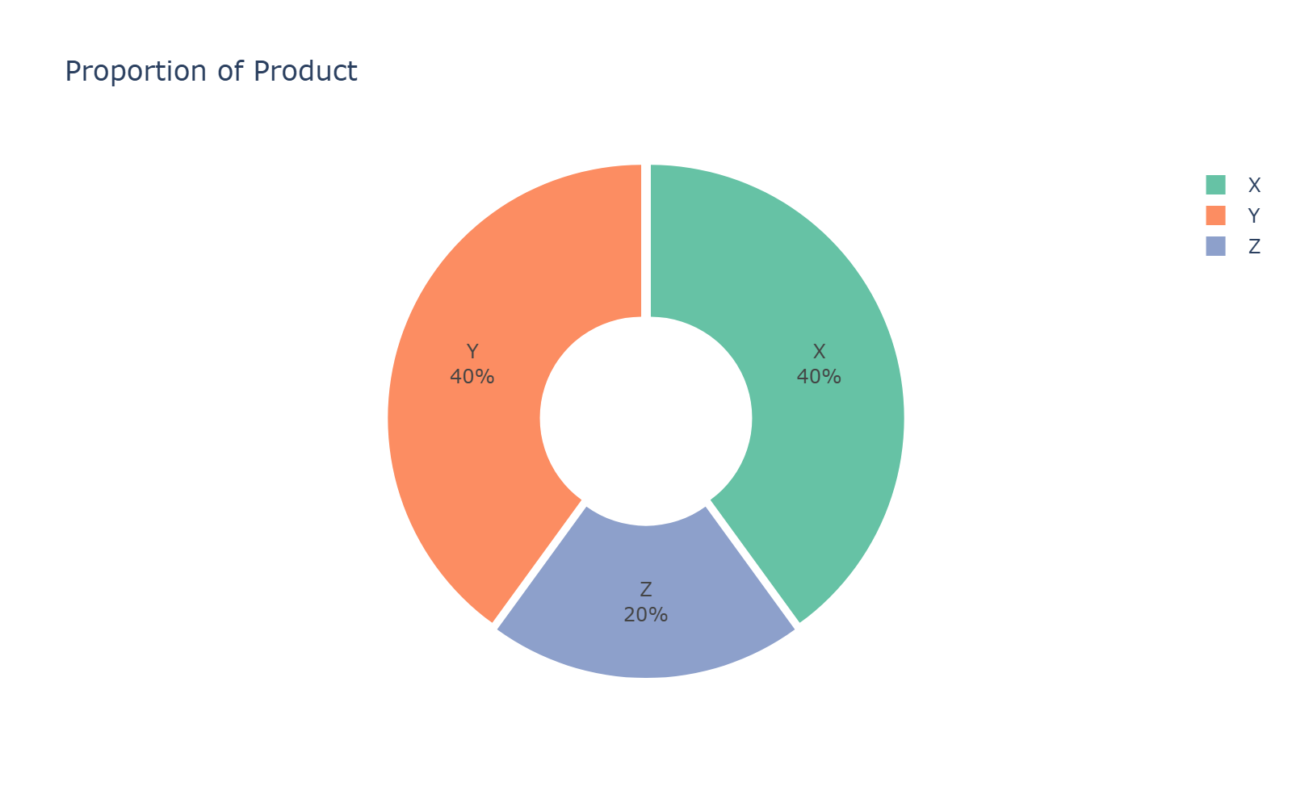

Insight:

Sales by Product
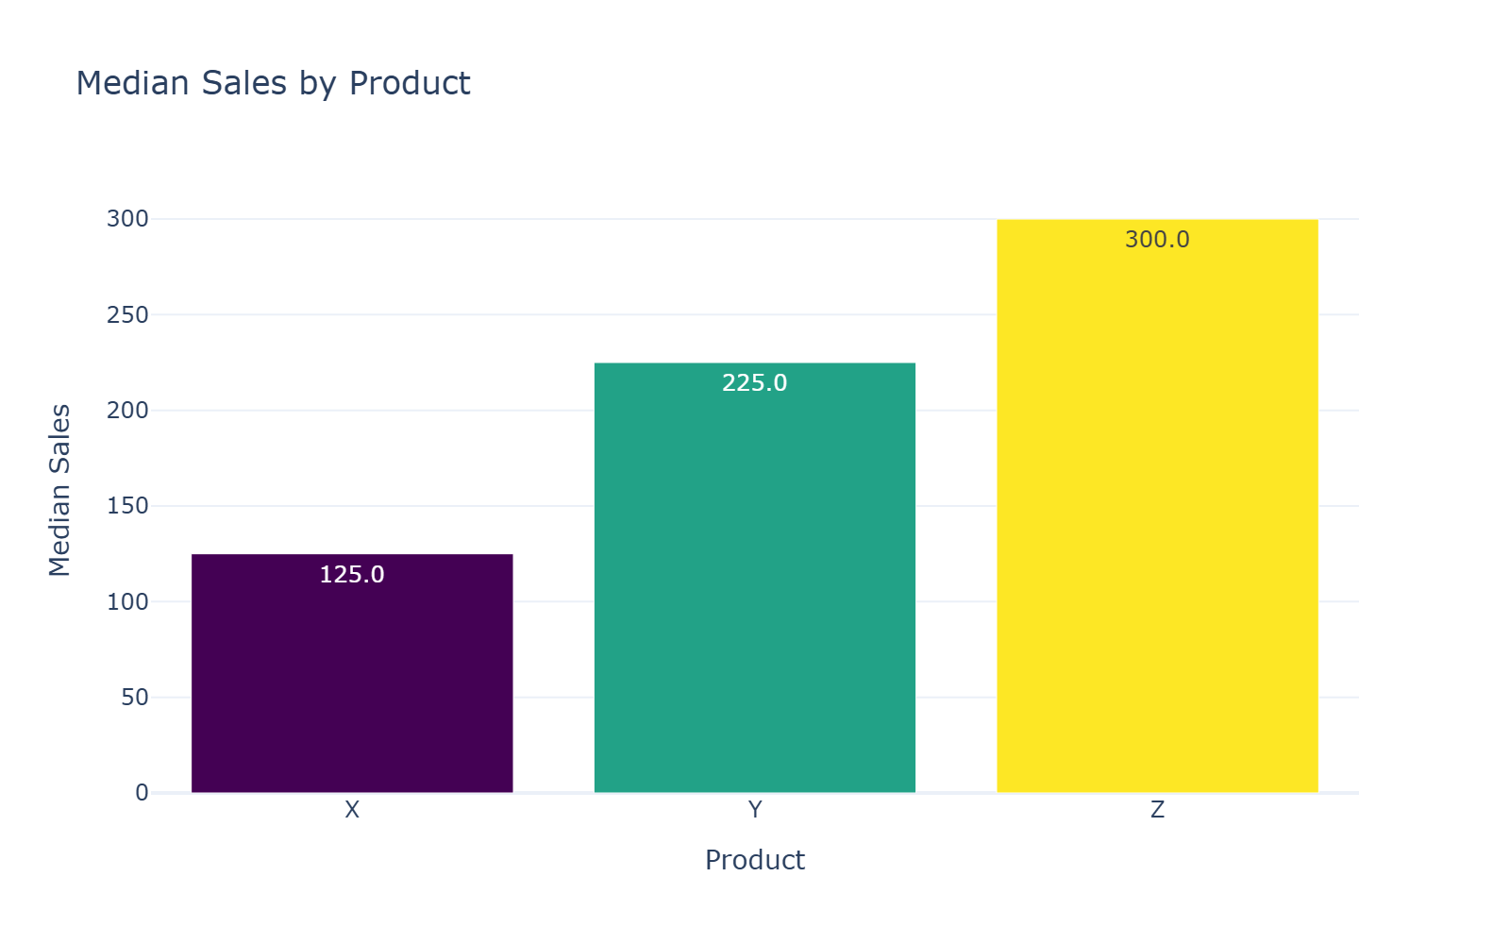

Insight: 3 categories (ideal) • Balanced distribution

Product by Sales
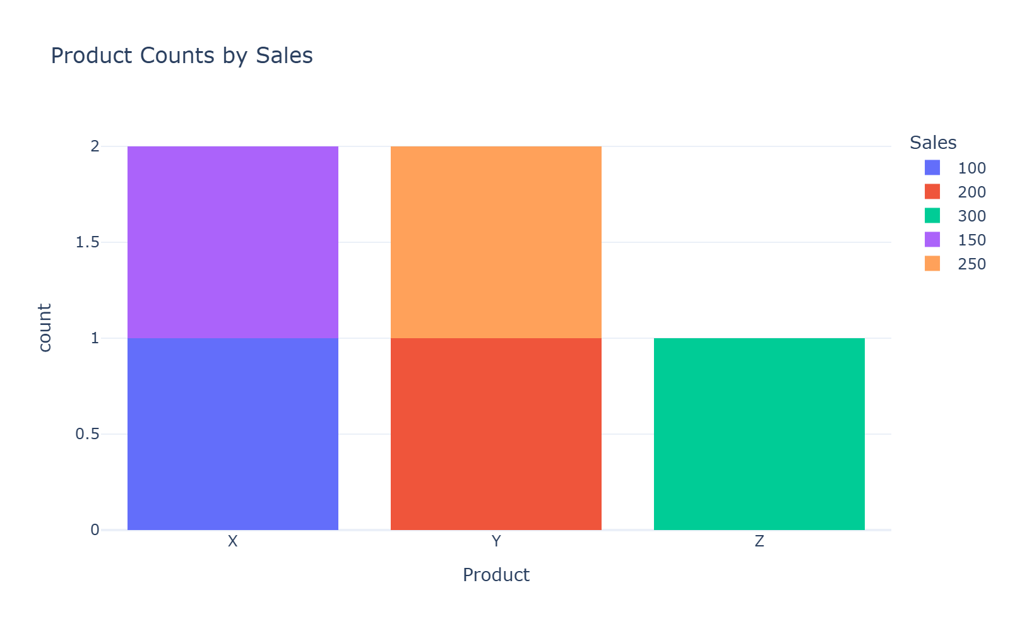

Insight:

