Лист3 - Итог
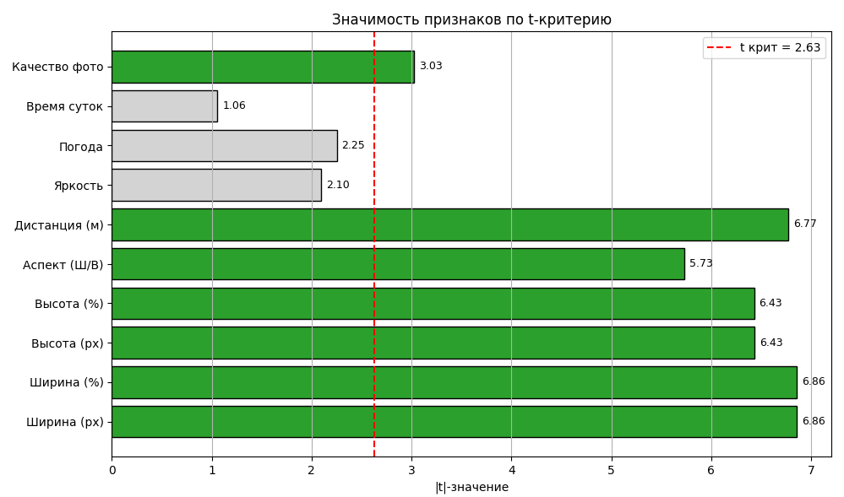
Номер | Ширина (%) | Аспект (Ш/В) | Качество фото | Абс дист | Рассчет Абс дист. |  | Ширина (%) | Аспект (Ш/В) | Качество фото | Абс дист |  |  |  |  | ВЫВОД ОСТАТКА |  |  |  | ВЫВОД ВЕРОЯТНОСТИ |  | Предсказ (порядок Ширина (%)) | Предсказ (порядок Аспект (Ш/В) | Предсказ (порядок Качество)
1 | 13.59 | 1.4 | 2 | 0.05 | 0.049501882983 | Ширина (%) | 1 |  |  |  |  |  |  |  |  |  |  |  |  |  | 0.83309069031 | 0.81937481874 | 0.013715871562
2 | 13.81 | 1.42 | 2 | 0.11 | -0.015403541748 | Аспект (Ш/В) | 0.52644099718 | 1 |  |  |  |  |  |  | Наблюдение | Предсказанное Абс дист | Остатки | Стандартные остатки | Персентиль | Абс дист | 0.82539657936 | 0.7903968207 | 0.034999758658
3 | 13.84 | 1.45 | 2 | 0.13 | -0.095006038197 | Качество фото | 0.026724433552 | -0.034033363832 | 1 |  |  |  |  |  | 1 | 0.049501882983 | 0.00049811701741 | 0.0016464078202 | 0.52083333333 | 0 | 0.90203980237 | 0.58090314274 | 0.32113665963
4 | 14.06 | 1.45 | 2 | 0.29 | -0.10802684134 | Абс дист | -0.57759818982 | -0.5088842149 | -0.29801766087 | 1 |  |  |  |  | 2 | -0.015403541748 | 0.12540354175 | 0.41449170496 | 1.5625 | 0 | 0.79649499512 | 0.91722943328 | -0.12073443816
5 | 13.44 | 1.41 | 1 | 0.16 | 0.23009397671 |  |  |  |  |  |  |  |  |  | 3 | -0.095006038197 | 0.2250060382 | 0.74370416575 | 2.6041666667 | 0.01 | 0.92502283972 | 0.9113108864 | 0.013711953318
6 | 13.76 | 1.36 | 1 | 0.08 | 0.34086618066 | Регрессионная статистика |  |  |  |  |  |  |  |  | 4 | -0.10802684134 | 0.39802684134 | 1.3155834499 | 3.6458333333 | 0.01 | 0.84719590734 | 0.72667510535 | 0.12052080199
7 | 13.86 | 1.4 | 1 | 0.15 | 0.2311783906 | Множественный R | 0.69263006314 |  |  |  |  |  |  |  | 5 | 0.23009397671 | -0.070093976707 | -0.23167903799 | 4.6875 | 0.03 | 0.6337388741 | 0.72253212253 | -0.088793248433
8 | 13.84 | 1.42 | 3 | 0.13 | -0.21483569001 | R-квадрат | 0.47973640437 |  |  |  |  |  |  |  | 6 | 0.34086618066 | -0.26086618066 | -0.86223137305 | 5.7291666667 | 0.04 | 0.5899605906 | 0.92502283972 | -0.33506224912
9 | 13.67 | 1.38 | 1 | 0 | 0.29430825126 | Нормированный R-квадрат | 0.46277128712 |  |  |  |  |  |  |  | 7 | 0.2311783906 | -0.081178390595 | -0.26831594271 | 6.7708333333 | 0.05 | 0.78643346542 | 0.90203980237 | -0.11560633694
10 | 13.84 | 1.4 | 1 | 0.13 | 0.23236209997 | Стандартная ошибка | 0.30744104505 |  |  |  |  |  |  |  | 8 | -0.21483569001 | 0.34483569001 | 1.1397726977 | 7.8125 | 0.05 | 0.61294362796 | 0.71560557557 | -0.10266194761
11 | 13.67 | 1.32 | 1 | 0 | 0.44996211603 | Наблюдения | 96 |  |  |  |  |  |  |  | 9 | 0.29430825126 | -0.29430825126 | -0.97276621655 | 8.8541666667 | 0.05 | 0.72981400633 | 0.73276936153 | -0.0029553551978
12 | 13.76 | 1.38 | 1 | 0.08 | 0.28898155907 |  |  |  |  |  |  |  |  |  | 10 | 0.23236209997 | -0.10236209997 | -0.33833367662 | 9.8958333333 | 0.06 | 0.7903968207 | 0.70968702868 | 0.080709792018
13 | 13.96 | 1.41 | 1 | 0.22 | 0.19931753292 | Дисперсионный анализ |  |  |  |  |  |  |  |  | 11 | 0.44996211603 | -0.44996211603 | -1.4872431994 | 10.9375 | 0.06 | 0.83239954013 | 0.32739466343 | 0.5050048767
14 | 13.76 | 1.37 | 1 | 0.08 | 0.31492386986 |  | df | SS | MS | F | Значимость F |  |  |  | 12 | 0.28898155907 | -0.20898155907 | -0.69073904545 | 11.979166667 | 0.07 | 0.47908909117 | 0.66295338999 | -0.18386429883
15 | 13.86 | 1.42 | 1 | 0.15 | 0.17929376901 | Регрессия | 3 | 8.0184561847 | 2.6728187282 | 28.277812486 | 4.7759089631E-13 |  |  |  | 13 | 0.19931753292 | 0.020682467082 | 0.068360996221 | 13.020833333 | 0.07 | 0.70091242209 | 0.67360677438 | 0.02730564771
16 | 13.84 | 1.4 | 2 | 0.13 | 0.034705515776 | Остаток | 92 | 8.6958396487 | 0.094519996181 |  |  |  |  |  | 14 | 0.31492386986 | -0.23492386986 | -0.77648520925 | 14.0625 | 0.08 | 0.27433025071 | 0.44996211603 | -0.17563186532
17 | 13.72 | 1.32 | 2 | 0.04 | 0.24934625839 | Итого | 95 | 16.714295833 |  |  |  |  |  |  | 15 | 0.17929376901 | -0.029293769006 | -0.096823615113 | 15.104166667 | 0.08 | 0.58885721328 | 0.24934625839 | 0.33951095489
18 | 13.79 | 1.34 | 2 | 0.09 | 0.19331865398 |  |  |  |  |  |  |  |  |  | 16 | 0.034705515776 | 0.095294484224 | 0.31497334675 | 16.145833333 | 0.08 | 0.58090314274 | 0.67900988038 | -0.098106737642
19 | 9.1 | 1.47 | 2 | 0.01 | 0.13364846245 |  | Коэффициенты | Стандартная ошибка | t-статистика | P-Значение | Нижние 95% | Верхние 95% | Нижние 99,0% | Верхние 99,0% | 17 | 0.24934625839 | -0.20934625839 | -0.69194447268 | 17.1875 | 0.08 | 0.72667510535 | 0.69380624759 | 0.032868857758
20 | 9.15 | 1.4 | 2 | 0.07 | 0.31228536457 | Y-пересечение | 4.8810690839 | 0.9830260224 | 4.9653508378 | 3.1425441737E-06 | 2.9286945516 | 6.8334436163 | 2.2953866315 | 7.4667515364 | 18 | 0.19331865398 | -0.10331865398 | -0.34149533934 | 18.229166667 | 0.09 | 0.32148003479 | 0.49792522746 | -0.17644519266
21 | 8.98 | 1.42 | 2 | 0.22 | 0.27046227268 | Ширина (%) | -0.059185468825 | 0.012783343999 | -4.6298893961 | 1.1978437422E-05 | -0.084574293426 | -0.033796644225 | -0.092809877038 | -0.025561060613 | 19 | 0.13364846245 | -0.12364846245 | -0.40869070603 | 19.270833333 | 0.1 | 0.67360677438 | 0.8394025009 | -0.16579572652
22 | 9.2 | 1.42 | 2 | 0.15 | 0.25744146954 | Аспект (Ш/В) | -2.5942310795 | 0.75818232143 | -3.4216454356 | 0.00093034200492 | -4.1000466138 | -1.0884155451 | -4.588500488 | -0.59996167091 | 20 | 0.31228536457 | -0.24228536457 | -0.8008168864 | 20.3125 | 0.11 | 0.56806196714 | 0.83239954013 | -0.26433757299
23 | 8.75 | 1.36 | 2 | 0.6 | 0.43972879528 | Качество фото | -0.1976565842 | 0.050081389631 | -3.946707263 | 0.00015478564252 | -0.29712254687 | -0.098190621516 | -0.32938714617 | -0.065926022224 | 21 | 0.27046227268 | -0.050462272679 | -0.16679109016 | 21.354166667 | 0.11 | 0.72253212253 | 0.84719590734 | -0.12466378481
24 | 9.4 | 1.41 | 1 | 0.47 | 0.46920327076 |  |  |  |  |  |  |  |  |  | 22 | 0.25744146954 | -0.10744146954 | -0.35512232965 | 22.395833333 | 0.13 | 0.53105404481 | 0.47316662604 | 0.057887418766
25 | 9.08 | 1.39 | 1 | 0.05 | 0.54002724238 | Эластичность |  |  |  |  |  |  |  |  | 23 | 0.43972879528 | 0.16027120472 | 0.52973850639 | 23.4375 | 0.13 | 0.91722943328 | 0.80576607916 | 0.11146335413
26 | 9.33 | 1.42 | 1 | 0.35 | 0.44740394279 |  | Yj | βj |  |  |  |  |  |  | 24 | 0.46920327076 | 0.0007967292381 | 0.0026333997883 | 24.479166667 | 0.13 | 0.8394025009 | 0.80458236978 | 0.034820131118
27 | 9.13 | 1.35 | 1 | 0.03 | 0.64083721211 | Ширина (%) | -1.2773502987 | 6.9286150945 |  |  |  |  |  |  | 25 | 0.54002724238 | -0.49002724238 | -1.6196689849 | 25.520833333 | 0.13 | 0.66295338999 | 0.79274527602 | -0.12979188602
28 | 9.08 | 1.41 | 1 | 0.05 | 0.48814262079 | Аспект (Ш/В) | -0.1763474432 | 0.1168459806 |  |  |  |  |  |  | 26 | 0.44740394279 | -0.097403942785 | -0.3219456624 | 26.5625 | 0.13 | 0.9113108864 | 0.80458236978 | 0.10672851662
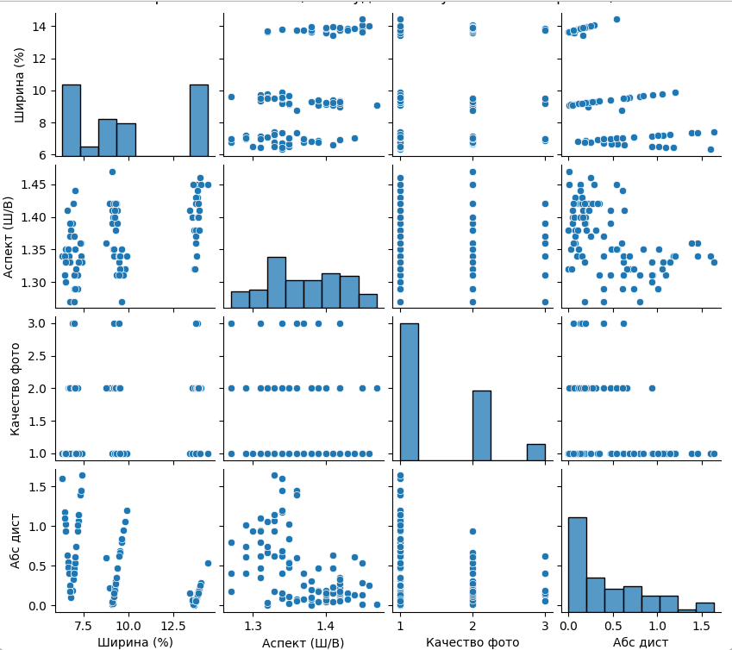
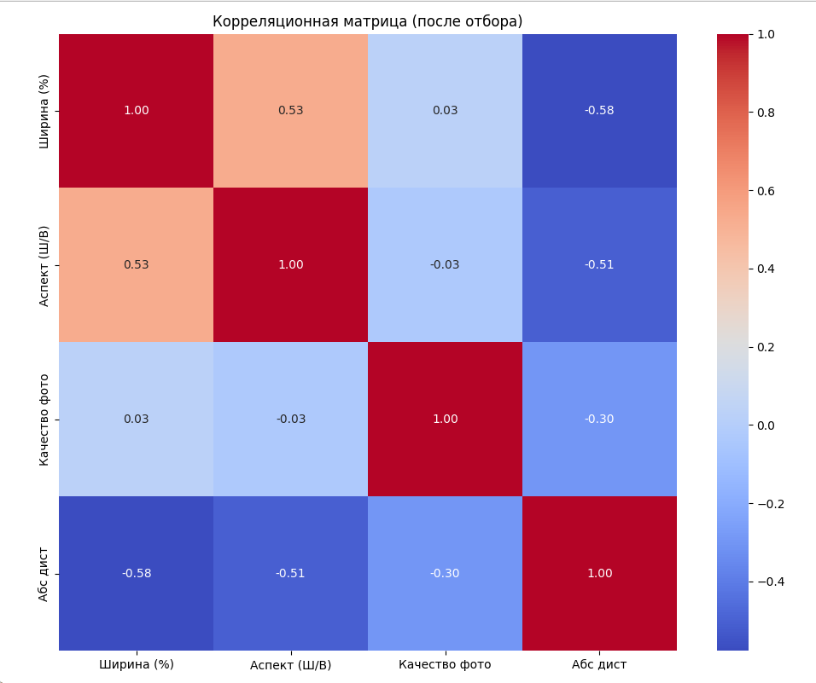
29 | 9.25 | 1.41 | 1 | 0.23 | 0.47808109109 | Качество фото | -0.1880609541 | 1.5045037033 |  |  |  |  |  |  | 27 | 0.64083721211 | -0.61083721211 | -2.0189777256 | 27.604166667 | 0.13 | 0.80576607916 | 0.19331865398 | 0.61244742517
30 | 9.18 | 1.35 | 2 | 0.11 | 0.44022135448 |  |  |  |  |  |  |  |  |  | 28 | 0.48814262079 | -0.43814262079 | -1.4481766573 | 28.645833333 | 0.15 | 0.80458236978 | 0.2673233717 | 0.53725899808
Фактическое и рассчетное значения абсолютной ошибки дистанции
 | Абс дист | Рассчет Абс дист.
1 | 0.05 | 0.049501882983
2 | 0.11 | -0.015403541748
3 | 0.13 | -0.095006038197
4 | 0.29 | -0.10802684134
5 | 0.16 | 0.23009397671
6 | 0.08 | 0.34086618066
7 | 0.15 | 0.2311783906
8 | 0.13 | -0.21483569001
9 | 0 | 0.29430825126
10 | 0.13 | 0.23236209997
11 | 0 | 0.44996211603
12 | 0.08 | 0.28898155907
13 | 0.22 | 0.19931753292
14 | 0.08 | 0.31492386986
15 | 0.15 | 0.17929376901
16 | 0.13 | 0.034705515776
17 | 0.04 | 0.24934625839
18 | 0.09 | 0.19331865398
19 | 0.01 | 0.13364846245
20 | 0.07 | 0.31228536457
21 | 0.22 | 0.27046227268
22 | 0.15 | 0.25744146954
23 | 0.6 | 0.43972879528
24 | 0.47 | 0.46920327076
25 | 0.05 | 0.54002724238
26 | 0.35 | 0.44740394279
27 | 0.03 | 0.64083721211
28 | 0.05 | 0.48814262079
29 | 0.23 | 0.47808109109
30 | 0.11 | 0.44022135448
31 | 0.47 | 0.52108789235
32 | 0.19 | 0.50520711126
33 | 0.31 | 0.35529216583
34 | 0.27 | 0.25270663203
35 | 0.15 | 0.2673233717
36 | 1.02 | 0.79649499512
37 | 0.55 | 0.5899605906
38 | 0.48 | 0.78643346542
39 | 0.4 | 0.61294362796
40 | 1.6 | 0.83309069031
41 | 0.19 | 0.27433025071
42 | 0.18 | 0.83239954013
43 | 0.1 | 0.70091242209
44 | 1.18 | 0.82539657936
45 | 0.63 | 0.6337388741
46 | 1.1 | 0.90203980237
47 | 0.94 | 0.92502283972
48 | 0.33 | 0.58885721328
49 | 0.25 | 0.72981400633
50 | 0.61 | 0.53105404481
...
31 | 9.4 | 1.39 | 1 | 0.47 | 0.52108789235 |  |  |  |  |  |  |  |  |  | 29 | 0.47808109109 | -0.24808109109 | -0.81997328767 | 29.6875 | 0.15 | 0.80458236978 | 0.61294362796 | 0.19163874182
32 | 9.23 | 1.4 | 1 | 0.19 | 0.50520711126 |  |  |  |  |  |  |  |  |  | 30 | 0.44022135448 | -0.33022135448 | -1.0914684731 | 30.729166667 | 0.15 | 0.72083689051 | 0.83309069031 | -0.11225379979
33 | 9.3 | 1.38 | 2 | 0.31 | 0.35529216583 |  |  |  |  |  |  |  |  |  | 31 | 0.52108789235 | -0.051087892351 | -0.16885892781 | 31.770833333 | 0.15 | 0.77094594804 | 0.82539657936 | -0.054450631319
34 | 9.28 | 1.42 | 2 | 0.27 | 0.25270663203 |  |  |  |  |  |  |  |  |  | 32 | 0.50520711126 | -0.31520711126 | -1.0418424483 | 32.8125 | 0.15 | 0.71906132645 | 0.64488089944 | 0.074180427009
35 | 9.2 | 1.34 | 3 | 0.15 | 0.2673233717 |  |  |  |  |  |  |  |  |  | 33 | 0.35529216583 | -0.045292165833 | -0.14970252654 | 33.854166667 | 0.16 | 0.79274527602 | 0.62120671191 | 0.17153856411
36 | 6.5 | 1.35 | 1 | 1.02 | 0.79649499512 |  |  |  |  |  |  |  |  |  | 34 | 0.25270663203 | 0.017293367969 | 0.057159131824 | 34.895833333 | 0.16 | 0.43972879528 | 0.641921626 | -0.20219283072
37 | 6.65 | 1.35 | 2 | 0.55 | 0.5899605906 |  |  |  |  |  |  |  |  |  | 35 | 0.2673233717 | -0.1173233717 | -0.38778461668 | 35.9375 | 0.18 | 0.27046227268 | 0.77094594804 | -0.50048367536
38 | 6.67 | 1.35 | 1 | 0.48 | 0.78643346542 |  |  |  |  |  |  |  |  |  | 36 | 0.79649499512 | 0.22350500488 | 0.73874285564 | 36.979166667 | 0.18 | 0.54002724238 | 0.64083721211 | -0.10080996974
39 | 6.7 | 1.34 | 2 | 0.4 | 0.61294362796 |  |  |  |  |  |  |  |  |  | 37 | 0.5899605906 | -0.039960590604 | -0.13208026743 | 38.020833333 | 0.18 | 0.48814262079 | 0.44022135448 | 0.047921266311
40 | 6.32 | 1.34 | 1 | 1.6 | 0.83309069031 |  |  |  |  |  |  |  |  |  | 38 | 0.78643346542 | -0.30643346542 | -1.0128432401 | 39.0625 | 0.18 | 0.13364846245 | 0.79649499512 | -0.66284653268
41 | 6.89 | 1.39 | 3 | 0.19 | 0.27433025071 |  |  |  |  |  |  |  |  |  | 39 | 0.61294362796 | -0.21294362796 | -0.70383472573 | 40.104166667 | 0.19 | 0.64083721211 | 0.5899605906 | 0.050876621508
42 | 6.77 | 1.33 | 1 | 0.18 | 0.83239954013 |  |  |  |  |  |  |  |  |  | 40 | 0.83309069031 | 0.76690930969 | 2.5348370779 | 41.145833333 | 0.19 | 0.31228536457 | 0.78643346542 | -0.47414810086
43 | 6.8 | 1.38 | 1 | 0.1 | 0.70091242209 |  |  |  |  |  |  |  |  |  | 41 | 0.27433025071 | -0.084330250712 | -0.2787336698 | 42.1875 | 0.2 | 0.44022135448 | 0.61006076832 | -0.16983941385
44 | 6.45 | 1.34 | 1 | 1.18 | 0.82539657936 |  |  |  |  |  |  |  |  |  | 42 | 0.83239954013 | -0.65239954013 | -2.1563521567 | 43.229166667 | 0.22 | 0.2673233717 | 0.56806196714 | -0.30073859544
45 | 6.62 | 1.41 | 1 | 0.63 | 0.6337388741 |  |  |  |  |  |  |  |  |  | 43 | 0.70091242209 | -0.60091242209 | -1.9861736829 | 44.270833333 | 0.22 | 0.25744146954 | 0.34086618066 | -0.083424711119
46 | 6.47 | 1.31 | 1 | 1.1 | 0.90203980237 |  |  |  |  |  |  |  |  |  | 44 | 0.82539657936 | 0.35460342064 | 1.1720576178 | 45.3125 | 0.23 | 0.50520711126 | 0.43972879528 | 0.065478315981
47 | 6.52 | 1.3 | 1 | 0.94 | 0.92502283972 |  |  |  |  |  |  |  |  |  | 45 | 0.6337388741 | -0.0037388740965 | -0.01235796276 | 46.354166667 | 0.25 | 0.47808109109 | -0.053263278358 | 0.53134436944
48 | 6.94 | 1.42 | 1 | 0.33 | 0.58885721328 |  |  |  |  |  |  |  |  |  | 46 | 0.90203980237 | 0.19796019763 | 0.65431054568 | 47.395833333 | 0.25 | 0.25270663203 | 0.71906132645 | -0.46635469442
49 | 6.75 | 1.37 | 1 | 0.25 | 0.72981400633 |  |  |  |  |  |  |  |  |  | 47 | 0.92502283972 | 0.014977160281 | 0.049503455913 | 48.4375 | 0.27 | 0.35529216583 | 0.72083689051 | -0.36554472468
50 | 7.04 | 1.44 | 1 | 0.61 | 0.53105404481 |  |  |  |  |  |  |  |  |  | 48 | 0.58885721328 | -0.25885721328 | -0.85559120721 | 49.479166667 | 0.29 | 0.73276936153 | 0.31492386986 | 0.41784549166
51 | 6.52 | 1.33 | 1 | 0.94 | 0.84719590734 |  |  |  |  |  |  |  |  |  | 49 | 0.72981400633 | -0.47981400633 | -1.5859115522 | 50.520833333 | 0.31 | 0.44740394279 | 0.72981400633 | -0.28241006354
52 | 6.77 | 1.39 | 2 | 0.18 | 0.47908909117 |  |  |  |  |  |  |  |  |  | 50 | 0.53105404481 | 0.078945955194 | 0.26093715625 | 51.5625 | 0.33 | 0.52108789235 | 0.32148003479 | 0.19960785756
53 | 6.97 | 1.37 | 3 | 0.4 | 0.32148003479 |  |  |  |  |  |  |  |  |  | 51 | 0.84719590734 | 0.092804092665 | 0.30674194731 | 52.604166667 | 0.35 | 0.46920327076 | 0.29430825126 | 0.1748950195
54 | 13.64 | 1.45 | 1 | 0.01 | 0.11448763976 |  |  |  |  |  |  |  |  |  | 52 | 0.47908909117 | -0.29908909117 | -0.9885681505 | 53.645833333 | 0.35 | 0.32739466343 | 0.28898155907 | 0.038413104367
55 | 13.86 | 1.43 | 1 | 0.15 | 0.15335145821 |  |  |  |  |  |  |  |  |  | 53 | 0.32148003479 | 0.078519965205 | 0.25952914724 | 54.6875 | 0.4 | 0.47316662604 | 0.35529216583 | 0.11787446021
56 | 13.84 | 1.44 | 1 | 0.13 | 0.12859285679 |  |  |  |  |  |  |  |  |  | 54 | 0.11448763976 | -0.10448763976 | -0.34535914496 | 55.729166667 | 0.4 | 0.64488089944 | 0.70091242209 | -0.05603152265
57 | 13.57 | 1.4 | 1 | 0.07 | 0.24834217655 |  |  |  |  |  |  |  |  |  | 55 | 0.15335145821 | -0.0033514582115 | -0.011077451313 | 56.770833333 | 0.4 | 0.49792522746 | 0.080671590483 | 0.41725363698
58 | 13.76 | 1.43 | 1 | 0.08 | 0.15927000509 |  |  |  |  |  |  |  |  |  | 56 | 0.12859285679 | 0.0014071432065 | 0.0046509785821 | 57.8125 | 0.4 | 0.69380624759 | 0.54002724238 | 0.15377900521
59 | 14.43 | 1.45 | 1 | 0.54 | 0.067731119392 |  |  |  |  |  |  |  |  |  | 57 | 0.24834217655 | -0.17834217655 | -0.5894678236 | 58.854166667 | 0.47 | 0.641921626 | 0.52108789235 | 0.12083373365
60 | 13.74 | 1.42 | 1 | 0.06 | 0.18639602527 |  |  |  |  |  |  |  |  |  | 58 | 0.15927000509 | -0.079270005094 | -0.26200822645 | 59.895833333 | 0.47 | 0.81937481874 | 0.27433025071 | 0.54504456803
61 | 13.84 | 1.4 | 2 | 0.13 | 0.034705515776 |  |  |  |  |  |  |  |  |  | 59 | 0.067731119392 | 0.47226888061 | 1.5609729262 | 60.9375 | 0.47 | 0.71560557557 | 0.47908909117 | 0.2365164844
62 | 13.94 | 1.38 | 2 | 0.2 | 0.080671590483 |  |  |  |  |  |  |  |  |  | 60 | 0.18639602527 | -0.12639602527 | -0.41777212415 | 61.979166667 | 0.48 | 0.61006076832 | 0.049501882983 | 0.56055888534
63 | 14.01 | 1.46 | 1 | 0.25 | 0.066646705504 |  |  |  |  |  |  |  |  |  | 61 | 0.034705515776 | 0.095294484224 | 0.31497334675 | 63.020833333 | 0.54 | 0.70968702868 | 0.2311783906 | 0.47850863809
64 | 13.91 | 1.42 | 2 | 0.18 | -0.021322088631 |  |  |  |  |  |  |  |  |  | 62 | 0.080671590483 | 0.11932840952 | 0.39441179429 | 64.0625 | 0.54 | 0.67900988038 | 0.23236209997 | 0.44664778041
65 | 13.89 | 1.4 | 2 | 0.16 | 0.031746242335 |  |  |  |  |  |  |  |  |  | 63 | 0.066646705504 | 0.1833532945 | 0.60603088706 | 65.104166667 | 0.55 | 0.62120671191 | 0.034705515776 | 0.58650119613
66 | 13.74 | 1.36 | 3 | 0.06 | -0.053263278358 |  |  |  |  |  |  |  |  |  | 64 | -0.021322088631 | 0.20132208863 | 0.66542248009 | 66.145833333 | 0.6 | 0.23009397671 | 0.31228536457 | -0.08219138786
67 | 9.5 | 1.33 | 2 | 0.62 | 0.47316662604 |  |  |  |  |  |  |  |  |  | 65 | 0.031746242335 | 0.12825375767 | 0.42391241859 | 67.1875 | 0.61 | 0.24834217655 | 0.50520711126 | -0.2568649347
68 | 9.62 | 1.27 | 1 | 0.8 | 0.81937481874 |  |  |  |  |  |  |  |  |  | 66 | -0.053263278358 | 0.11326327836 | 0.37436493979 | 68.229166667 | 0.61 | 0.049501882983 | 0.24834217655 | -0.19884029357
69 | 9.8 | 1.32 | 1 | 1.06 | 0.67900988038 |  |  |  |  |  |  |  |  |  | 67 | 0.47316662604 | 0.14683337396 | 0.4853229396 | 69.270833333 | 0.62 | 0.11448763976 | 0.034705515776 | 0.079782123988
70 | 9.62 | 1.31 | 1 | 0.8 | 0.71560557557 |  |  |  |  |  |  |  |  |  | 68 | 0.81937481874 | -0.019374818744 | -0.064038874361 | 70.3125 | 0.62 | 0.44996211603 | 0.031746242335 | 0.41821587369
71 | 9.65 | 1.35 | 1 | 0.84 | 0.61006076832 |  |  |  |  |  |  |  |  |  | 69 | 0.67900988038 | 0.38099011962 | 1.2592726015 | 71.354166667 | 0.62 | 0.29430825126 | 0.23009397671 | 0.064214274554
72 | 9.5 | 1.34 | 1 | 0.62 | 0.64488089944 |  |  |  |  |  |  |  |  |  | 70 | 0.71560557557 | 0.084394424434 | 0.27894578084 | 72.395833333 | 0.63 | 0.24934625839 | 0.19931753292 | 0.050028725474
73 | 9.9 | 1.34 | 1 | 1.2 | 0.62120671191 |  |  |  |  |  |  |  |  |  | 71 | 0.61006076832 | 0.22993923168 | 0.76000966836 | 73.4375 | 0.66 | -0.053263278358 | 0.46920327076 | -0.52246654912
74 | 9.33 | 1.31 | 1 | 0.35 | 0.73276936153 |  |  |  |  |  |  |  |  |  | 72 | 0.64488089944 | -0.024880899441 | -0.082237919971 | 74.479166667 | 0.69 | 0.18639602527 | 0.48814262079 | -0.30174659552
75 | 9.72 | 1.31 | 1 | 0.95 | 0.70968702868 |  |  |  |  |  |  |  |  |  | 73 | 0.62120671191 | 0.57879328809 | 1.9130641245 | 75.520833333 | 0.69 | 0.34086618066 | 0.47808109109 | -0.13721491043
76 | 9.55 | 1.34 | 1 | 0.69 | 0.641921626 |  |  |  |  |  |  |  |  |  | 74 | 0.73276936153 | -0.38276936153 | -1.2651534642 | 76.5625 | 0.74 | 0.31492386986 | 0.6337388741 | -0.31881500424
77 | 9.55 | 1.32 | 1 | 0.69 | 0.69380624759 |  |  |  |  |  |  |  |  |  | 75 | 0.70968702868 | 0.24031297132 | 0.79429760768 | 77.604166667 | 0.74 | 0.28898155907 | -0.015403541748 | 0.30438510081
78 | 9.52 | 1.32 | 2 | 0.66 | 0.49792522746 |  |  |  |  |  |  |  |  |  | 76 | 0.641921626 | 0.048078374 | 0.15891167772 | 78.645833333 | 0.8 | 0.15927000509 | -0.21483569001 | 0.3741056951
79 | 9.5 | 1.31 | 3 | 0.62 | 0.32739466343 |  |  |  |  |  |  |  |  |  | 77 | 0.69380624759 | -0.003806247589 | -0.012580649882 | 79.6875 | 0.8 | 0.19331865398 | 0.17929376901 | 0.014024884979
80 | 7.37 | 1.36 | 1 | 1.45 | 0.71906132645 |  |  |  |  |  |  |  |  |  | 78 | 0.49792522746 | 0.16207477254 | 0.53569977263 | 80.729166667 | 0.84 | -0.015403541748 | 0.27046227268 | -0.28586581443
81 | 7.17 | 1.31 | 2 | 0.94 | 0.66295338999 |  |  |  |  |  |  |  |  |  | 79 | 0.32739466343 | 0.29260533657 | 0.96713763537 | 81.770833333 | 0.94 | 0.23236209997 | 0.25744146954 | -0.025079369565
82 | 7.22 | 1.33 | 1 | 1.07 | 0.80576607916 |  |  |  |  |  |  |  |  |  | 80 | 0.71906132645 | 0.73093867355 | 2.4159446599 | 82.8125 | 0.94 | 0.034705515776 | 0.44740394279 | -0.41269842701
83 | 6.99 | 1.31 | 2 | 0.47 | 0.67360677438 |  |  |  |  |  |  |  |  |  | 81 | 0.66295338999 | 0.27704661001 | 0.91571194987 | 83.854166667 | 0.94 | 0.034705515776 | 0.25270663203 | -0.21800111625
84 | 7.34 | 1.36 | 1 | 1.39 | 0.72083689051 |  |  |  |  |  |  |  |  |  | 82 | 0.80576607916 | 0.26423392084 | 0.87336264057 | 84.895833333 | 0.95 | -0.21483569001 | 0.58885721328 | -0.80369290329
85 | 7.37 | 1.34 | 1 | 1.45 | 0.77094594804 |  |  |  |  |  |  |  |  |  | 83 | 0.67360677438 | -0.20360677438 | -0.67297396771 | 85.9375 | 1.01 | 0.12859285679 | 0.18639602527 | -0.057803168472
86 | 7.02 | 1.35 | 2 | 0.54 | 0.56806196714 |  |  |  |  |  |  |  |  |  | 84 | 0.72083689051 | 0.66916310949 | 2.2117601647 | 86.979166667 | 1.02 | -0.095006038197 | -0.021322088631 | -0.073683949566
87 | 7.24 | 1.33 | 1 | 1.14 | 0.80458236978 |  |  |  |  |  |  |  |  |  | 85 | 0.77094594804 | 0.67905405196 | 2.2444523323 | 88.020833333 | 1.06 | 0.2311783906 | 0.15335145821 | 0.077826932384
88 | 7.09 | 1.29 | 1 | 0.74 | 0.91722943328 |  |  |  |  |  |  |  |  |  | 86 | 0.56806196714 | -0.028061967138 | -0.092752185796 | 89.0625 | 1.07 | 0.17929376901 | 0.15927000509 | 0.020023763912
89 | 7.19 | 1.29 | 1 | 1.01 | 0.9113108864 |  |  |  |  |  |  |  |  |  | 87 | 0.80458236978 | 0.33541763022 | 1.1086435318 | 90.104166667 | 1.1 | 0.15335145821 | 0.53105404481 | -0.37770258659
90 | 6.77 | 1.27 | 2 | 0.18 | 0.7903968207 |  |  |  |  |  |  |  |  |  | 88 | 0.91722943328 | -0.17722943328 | -0.58578991428 | 91.145833333 | 1.14 | 0.031746242335 | 0.12859285679 | -0.096846614459
91 | 7.44 | 1.33 | 1 | 1.64 | 0.79274527602 |  |  |  |  |  |  |  |  |  | 89 | 0.9113108864 | 0.098689113599 | 0.32619349012 | 92.1875 | 1.14 | -0.021322088631 | -0.095006038197 | 0.073683949566
92 | 7.24 | 1.33 | 1 | 1.14 | 0.80458236978 |  |  |  |  |  |  |  |  |  | 90 | 0.7903968207 | -0.6103968207 | -2.0175221161 | 93.229166667 | 1.18 | 0.080671590483 | -0.10802684134 | 0.18869843182
93 | 7.09 | 1.32 | 1 | 0.74 | 0.8394025009 |  |  |  |  |  |  |  |  |  | 91 | 0.79274527602 | 0.84725472398 | 2.8003998147 | 94.270833333 | 1.2 | 0.19931753292 | 0.11448763976 | 0.084829893154
94 | 6.97 | 1.29 | 2 | 0.4 | 0.72667510535 |  |  |  |  |  |  |  |  |  | 92 | 0.80458236978 | 0.33541763022 | 1.1086435318 | 95.3125 | 1.39 | 0.066646705504 | 0.067731119392 | -0.0010844138879
95 | 7.04 | 1.29 | 2 | 0.61 | 0.72253212253 |  |  |  |  |  |  |  |  |  | 93 | 0.8394025009 | -0.0994025009 | -0.32855142288 | 96.354166667 | 1.45 | -0.10802684134 | 0.066646705504 | -0.17467354684
96 | 6.97 | 1.27 | 3 | 0.4 | 0.58090314274 |  |  |  |  |  |  |  |  |  | 94 | 0.72667510535 | -0.32667510535 | -1.0797471865 | 97.395833333 | 1.45 | 0.067731119392 | 0.13364846245 | -0.065917343055
 |  |  |  |  |  |  |  |  |  |  |  |  |  |  | 95 | 0.72253212253 | -0.11253212253 | -0.37194827737 | 98.4375 | 1.6
Ширина (%) График подбора
Качество фото График остатков
 |  |  |  |  |  |  |  |  |  |  |  |  |  |  | 96 | 0.58090314274 | -0.18090314274 | -0.59793249076 | 99.479166667 | 1.64

Аспект (Ш/В) График подбора
Аспект (Ш/В) График остатков

Качество фото График подбора
Ширина (%) График остатков

График нормального распределения

