Sensorized Glove
Building Machines that Emulate Humans
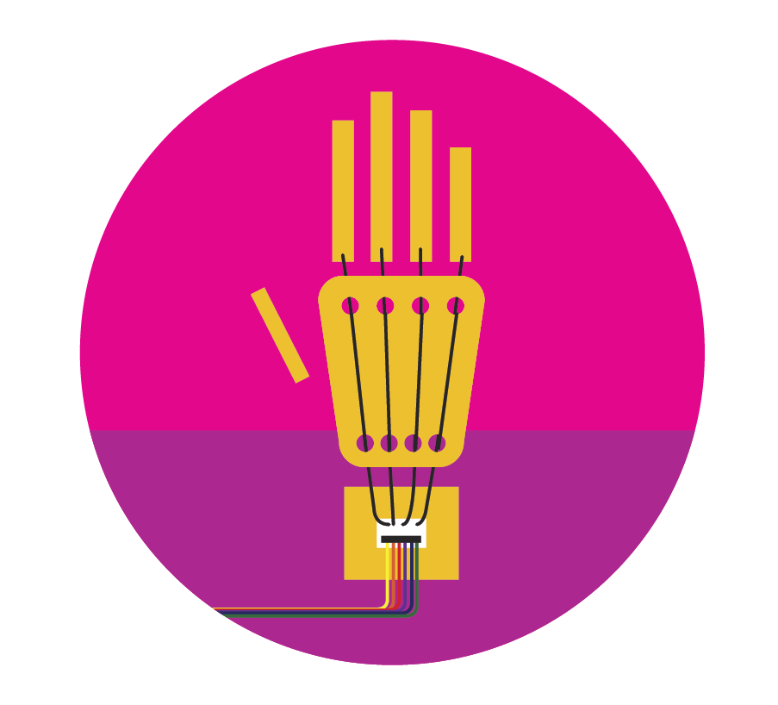
 | Purchasing for a group? Enter your group size (10 as an example), and we will calculate how many of each item you need. | group of | 6
 | Sensorized Glove Materials | INDIVIDUAL quantity | GROUP quantity (adjust below)
 | Rubber bands (size #16) | 3 | 0
 | Velostat sheet (pressure sensitive conductive plastic) | 1 | 0
 | Copper tape | 1 | 0
 | Wire solid core (WHS22-09-100) | 1 | 0
 | Breadboard (5cm x 3.5cm) | 1 | 0
 | Piece of cardboard (or empty cereal box) | 1 | 0
 | Metric ruler | 1 | 0
 | Scissors | 1 | 0
 | Clear tape | 1 | 0
 | Hole punch | 1 | 0
 | Wire strippers | 1 | 0
 | Breadboard jumper wires | 13 | 0
 | 100 Ohm Resistors | 5 | 0
 | Sparkfun micro:bit Breakout | 1 | 0
 | Micro USB Cable | 1 | 0
 | micro:bit | 1 | 0

Robotic Hand
Building Machines that Emulate Humans
Purchasing for a group? Enter your group size (10 as an example), and we will calculate how many of each item you need. | group of | 6
Robotic Hand Materials | INDIVIDUAL quantity | GROUP quantity (adjust below)
Giant drinking straw 1/2 inch diameter) | 5 | 30
Dacron fiber line | 5 | 30
Micro servo motor | 5 | 30
Extra large rubber bands (size #170) | 5 | 30
Felt | 5 | 30
Hot glue gun | 1 | 6
Cardboard | 5 | 30
Scissors | 1 | 6
Clear tape | 1 | 6
Marker | 1 | 6
5 volt power supply | 1 | 6

Connect micro:bit
DC Barrel Jack Breadboard Adapter | 1 | 6
Solderless breadboard jumper wires | 29 | 174
Electrical tape (red and black) | 1 | 6
Pin header strip | 1 | 6
Breadboard (5cm x 3.5cm) | 1 | 6
Sparkfun micro:bit Breakout | 1 | 6
Micro USB Cable | 1 | 6
micro:bit | 1 | 6

Connect Arduino Uno
Arduino Uno microcontroller | 1 | 6
USB cable type A to type B | 1 | 6

