Brain Impact Simulator
Building models to understand and mitigate brain injury
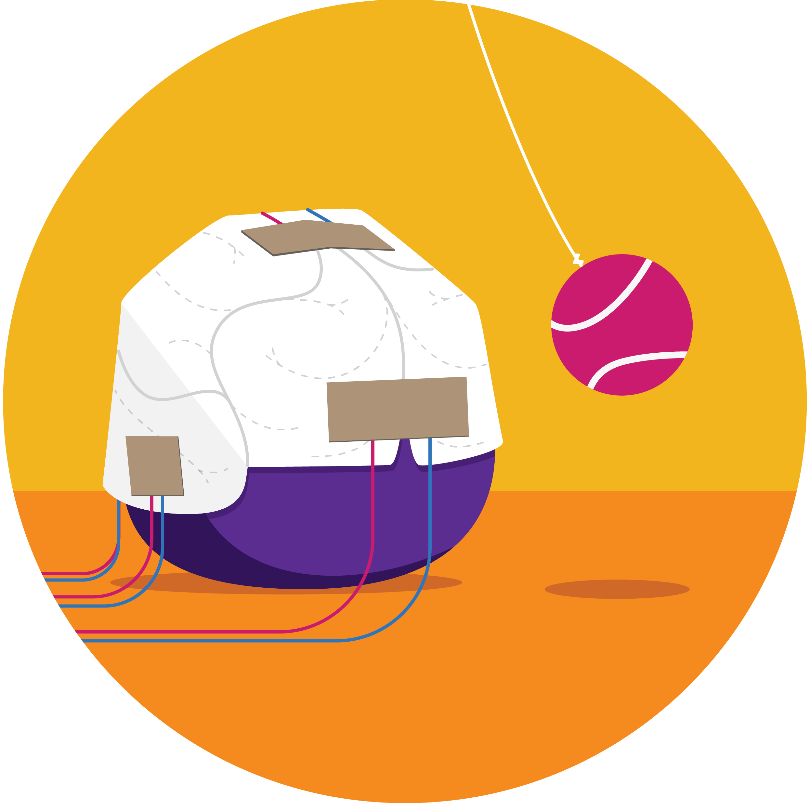
 | Purchasing for a group? Enter your group size (10 as an example), and we will calculate how many of each item you need. | group of | 10
 | Brain Impact Simulator | INDIVIDUAL quantity | GROUP quantity (adjust below)
 | Materials for Brain Impact Simulator
 | Strips of cardstock 3cm x 12cm | 5 | 50
 | Strips of Copper tape 2.5cm x 5.5cm | 10 | 100
 | Strips of Velostat 3cm x 6cm | 10 | 100
 | male-to-male jumper wire | 17 | 170
 | female-to-female jumper wire | 10 | 100
 | 100 ohm resistor | 5 | 50
 | 12” Balloon | 1 | 10
 | 10 gram – Super Absorbent Polymer Water Beads | 1 | 10
 | Pre cut tennis ball (for walker) | 1 | 10
 | Metal Washers | 50 | 500
 | Spool of String | 1 | 10
 | Paper Plate | 1 | 10
 | Square Plastic Container (~15cm x ~15cm x ~15cm) | 1 | 10
 | Wire stripper | 1 | 10
 | Clear tape | 1 | 10
 | Ruler | 1 | 10
 | Scissors | 1 | 10
 | Measuring spoons | 1 | 10
 | Gram Scale | 1 | 10
 | Funnel | 1 | 10
 | Hot glue gun | 1 | 10
 | Prototyping breadboard | 1 | 10

 | Materials for Connecting Arduino UNO
 | Arduino Uno | 1 | 10
 | USB Cable Type A to Type B | 1 | 10

 | Materials for Connecting micro:bit
 | micro:bit | 1 | 10
 | Edge Connector | 1 | 10
 | USB Cable Type A to Micro | 1 | 10

