Anemometer
Analyzing wind speed
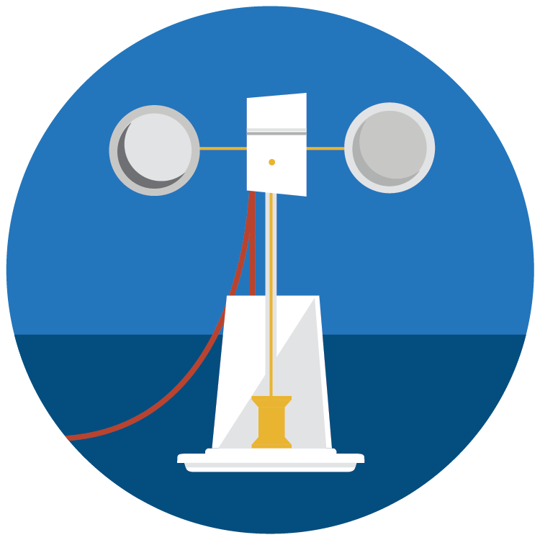
 | Purchasing for a group? Enter your group size (10 as an example), and we will calculate how many of each item you need. | group of | 10
 | Anemometer Materials | INDIVIDUAL quantity | GROUP total quantity (adjust above)
 | Paper plates (6 in) | 2 | 20
 | Clear plastic 12 oz cups | 2 | 20
 | Paper 12 oz cups | 9 | 90
 | Drinking straws | 3 | 30
 | Wooden spools | 2 | 20
 | Bamboo skewers (at least 24 cm long) | 5 | 50
 | Pin-ended alligator clips (36 cm) | 6 | 60
 | LEGO Technic motor (part 8883: Power Functions M Motor) | 1 | 10
 | LEGO Technic axle (part 3705: Cross Axle 4M) | 1 | 10
 | LEGO Technic 2.5cm diameter pulley (Part 4185: Wedge-belt wheel 24 d) | 1 | 10
 | LEGO Technic bushing (Part 3713) | 1 | 10
 | Mini neodymium circular magnets (4 mm) | 1 | 10
 | Jumper wires (between 12 and 22 cm long) | 8 | 80
 | 9 volt battery | 1 | 10
 | Resistors (100 Ohm 1/4 w) | 2 | 20
 | Diode (75V 150mA through hole DO-35) | 1 | 10
 | Reed switch | 1 | 10
 | Transistor (model # NTE123AP or 2N3904) | 1 | 10
 | Temperature sensor (TMP 36) | 1 | 10
 | Breadboard (5 cm x 3.5 cm) | 1 | 10
 | 3 cm diameter rubber band | 1 | 10
 | Wire strippers (x-acto knife can be substituted) | 1 | 10
 | Hot glue gun + glue sticks | 1 | 10
 | Metric ruler | 1 | 10
 | Pencil | 1 | 10
 | Thumb tacks | 1 | 10
 | Scissors | 1 | 10
 | Stopwatch | 1 | 10

 | Connect to Arduino
 | Arduino Uno | 1 | 10
 | USB Arduino cable | 1 | 10

 | Connect to micro:bit
 | micro:bit USB Cable | 1 | 10
 | micro:bit microcontroller | 1 | 10
 | micro:bit edge connector | 1 | 10

