Introduction
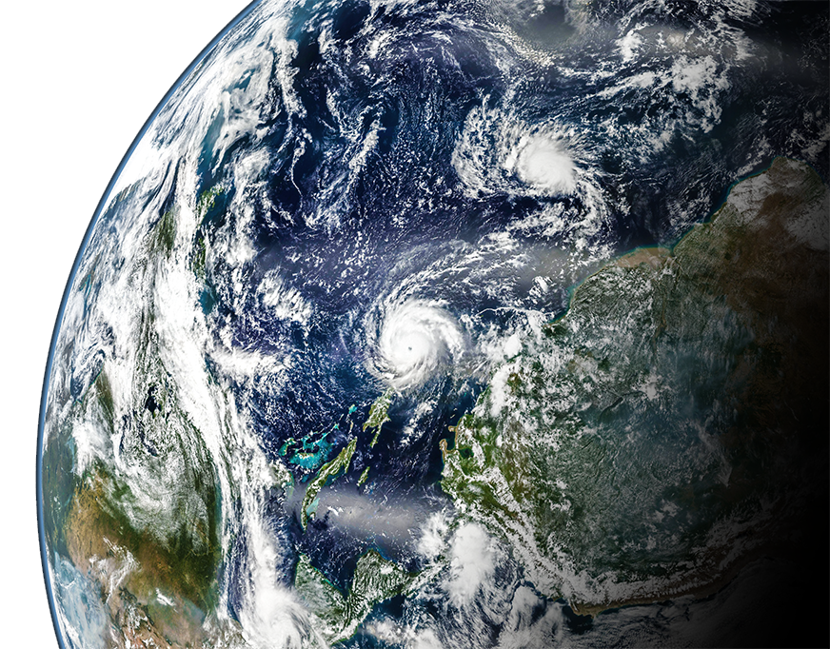
v. 210713
#VALUE!

 |  |  | Select Language 
 |  |  | English

 | Designing Astro Socks to protect astronauts' feet in microgravity

 | In partnership with NASA

 | In this lesson students study the tasks that astronauts perform while on the International Space Station. They design and build a prototype to mitigate the pressure on their feet. The data visualizations in this workbook support students in running trials using their sensorized sock which they use to test the effectiveness of their design in a simulated microgravity environment.

 |  | NASA content is used with NASA's approval, and in accordance with the applicable NASA guidelines, solely for use in Microsoft educational materials. Any downloading, copying and/or reuse of such content is governed by NASA Media Usage Guidelines, NASA Advertising Guidelines, Merchandising Guidelines, and by applicable law.
 | Next 

 |  |  | Source | https://www.nasa.gov/multimedia/imagegallery/iotd.html

Run trials
 |  |  |  |  |  |  |  |  |  |  | 1 |  | 2 |  | 3
#VALUE! | Live data |  |  |  |  |  | Saved trials
 | 1 | #N/A | #N/A | #N/A
 | 1 | #N/A | #N/A | #N/A
 | 1 | #N/A | #N/A | #N/A
 | 1 | #N/A | #N/A | #N/A
 |  |  |  |  |  |  |  | Use the tabs below to switch between your mitigation designs. Use the colored buttons to start the trial and then save each trial per mitigation design.
 |  |  |  |  |  | Phalanges

Baseline |  |  |  |  |  | 0 | Baseline |  |  | Astro Sock 1 |  | Astro Sock 2 |  | Astro Sock 3

1 |  |  |  |  |  |  |  |  | Calibrate sensors  |  | Save trial 1  |  | Save trial 2  |  | Save trial 3 

 | Sel_State0 | Sel_State1 | Sel_State2 | Sel_State3
 | 0.0 | #N/A | #N/A | #N/A
 | Trial1 | Trial2 | Trial3
0.0 | 0 | 0 | 0
0.0 | 1 | 1 | 1
 |  |  |  |  |  | Metatarsals
 |  |  |  |  |  |  |  |  | Phalanges Sensor
 |  |  |  |  |  | 0
1 | 10 | 20 | 20 | 50
2
3
4
5
6

 | Sel_State0 | Sel_State1 | Sel_State2 | Sel_State3
 | 0.0 | #N/A | #N/A | #N/A
 |  |  |  |  |  |  |  |  | Metatarsals Sensor
 | Trial1 | Trial2 | Trial3
0.0 | 0 | 0 | 0
0.0 | 1 | 1 | 1
1 | 10 | 20 | 20 | 50
2
3
4
5
6
 |  |  |  |  |  | Tarsals

 |  |  |  |  |  | 0

 | Sel_State0 | Sel_State1 | Sel_State2 | Sel_State3
 | 0.0 | #N/A | #N/A | #N/A
 |  |  |  |  |  |  |  |  | Tarsals Sensor

 | Trial1 | Trial2 | Trial3
0.0 | 0 | 0 | 0
0.0 | 1 | 1 | 1
1 | 10 | 20 | 20 | 50
2
3
4
5
6

 | Sel_State0 | Sel_State1 | Sel_State2 | Sel_State3
 | 0.0 | #N/A | #N/A | #N/A
 | Trial1 | Trial2 | Trial3
0.0 | 0 | 0 | 0
0.0 | 1 | 1 | 1
 |  |  |  |  |  | Ankle
 |  |  |  |  |  |  |  |  | Ankle Sensor
 |  |  |  |  |  | 0
1 | 10 | 20 | 20 | 50
2
3
4
5
6

 |  | Foot pressure level

 |  | None | Low | Medium | High |  |  |  | Clear all trials 

 |  Previous |  |  |  |  |  |  |  |  |  |  |  |  |  |  | Next 

Compare trials
 |  |  |  |  |  | M0 |  |  |  |  |  | M1 |  |  |  |  |  | M2 |  |  |  |  |  | M3
#VALUE! | Trial summary

 | 0.01 | #N/A | #N/A | #N/A
 | 0.01 | #N/A | #N/A | #N/A
 | 0.01 | #N/A | #N/A | #N/A
 | 0.01 | #N/A | #N/A | #N/A
 | 0.01 | #N/A | #N/A | #N/A
 | 0.01 | #N/A | #N/A | #N/A
 | 0.01 | #N/A | #N/A | #N/A
 | 0.01 | #N/A | #N/A | #N/A
 | 0.01 | #N/A | #N/A | #N/A
 | 0.01 | #N/A | #N/A | #N/A
 | 0.01 | #N/A | #N/A | #N/A
 | 0.01 | #N/A | #N/A | #N/A
 | 0.01 | #N/A | #N/A | #N/A
 | 0.01 | #N/A | #N/A | #N/A
 | 0.01 | #N/A | #N/A | #N/A
 | 0.01 | #N/A | #N/A | #N/A
 |  | Baseline |  |  |  | Total pressure |  | Astro Sock 1 |  |  |  | Total pressure |  | Astro Sock 2 |  |  |  | Total pressure |  | Astro Sock 3 |  |  |  | Total pressure
 |  |  |  |  |  | 0 | /400 |  |  |  |  | 0 | /400 |  |  |  |  | 0 | /400 |  |  |  |  | 0 | /400

 |  |  |  |  |  | Pressure range |  |  |  |  |  | Pressure range |  |  |  |  |  | Pressure range |  |  |  |  |  | Pressure range
 |  |  |  |  |  | 0 | /100 |  |  |  |  | 0 | /100 |  |  |  |  | 0 | /100 |  |  |  |  | 0 | /100

 |  |  |  |  |  | Phalanges |  |  |  |  |  | Phalanges |  |  |  |  |  | Phalanges |  |  |  |  |  | Phalanges
1 |  |  |  |  |  | 0 |  |  |  |  |  | 0 |  |  |  |  |  | 0 |  |  |  |  |  | 0

 |  |  |  |  |  | Data rows: |  |  |  |  |  | Data rows: |  |  |  |  |  | Data rows: |  |  |  |  |  | Data rows:
2 |  |  |  |  |  | 0 |  |  |  |  |  | 0 |  |  |  |  |  | 0 |  |  |  |  |  | 0

 |  |  |  |  |  | Tarsals |  |  |  |  |  | Tarsals |  |  |  |  |  | Tarsals |  |  |  |  |  | Tarsals
3 |  |  |  |  |  | 0 |  |  |  |  |  | 0 |  |  |  |  |  | 0 |  |  |  |  |  | 0

 |  |  |  |  |  | Ankle |  |  |  |  |  | Ankle |  |  |  |  |  | Ankle |  |  |  |  |  | Ankle
4 |  |  |  |  |  | 0 |  |  |  |  |  | 0 |  |  |  |  |  | 0 |  |  |  |  |  | 0

 |  | None | Low | Medium | High |  |  | None | Low | Medium | High |  |  | None | Low | Medium | High |  |  | None | Low | Medium | High
 |  |  | Pressure range
0 | 1 | 0 | 1
0 | 1
 |  |  | Pressure range
0 | 1 | 0 | 1
0 | 1
 |  |  | Pressure range
0 | 1 | 0 | 1
0 | 1
 |  |  | Pressure range
0 | 1 | 0 | 1
0 | 1

 |  | Phalanges |  |  |  |  |  | Phalanges |  |  |  |  |  | Phalanges |  |  |  |  |  | Phalanges
 | 0.01 | #N/A | #N/A | #N/A
 | Trial1
3 | 3
4 | 4
 | 0.01 | #N/A | #N/A | #N/A
 | Trial1
3 | 3
4 | 4
 | 0.01 | #N/A | #N/A | #N/A
 | Trial1
3 | 3
4 | 4
 | 0.01 | #N/A | #N/A | #N/A
 | Trial1
3 | 3
4 | 4
 |  | Metatarsals |  |  |  |  |  | Metatarsals |  |  |  |  |  | Metatarsals |  |  |  |  |  | Metatarsals
 | 0.01 | #N/A | #N/A | #N/A
 | Trial1
3 | 3
4 | 4
 | 0.01 | #N/A | #N/A | #N/A
 | Trial1
3 | 3
4 | 4
 | 0.01 | #N/A | #N/A | #N/A
 | Trial1
3 | 3
4 | 4
 | 0.01 | #N/A | #N/A | #N/A
 | Trial1
3 | 3
4 | 4
 |  | Tarsals |  |  |  |  |  | Tarsals |  |  |  |  |  | Tarsals |  |  |  |  |  | Tarsals
 | 0.01 | #N/A | #N/A | #N/A
 | Trial1
3 | 3
4 | 4
 | 0.01 | #N/A | #N/A | #N/A
 | Trial1
3 | 3
4 | 4
 | 0.01 | #N/A | #N/A | #N/A
 | Trial1
3 | 3
4 | 4
 | 0.01 | #N/A | #N/A | #N/A
 | Trial1
3 | 3
4 | 4
 |  | Ankle |  |  |  |  |  | Ankle |  |  |  |  |  | Ankle |  |  |  |  |  | Ankle
 | 0.01 | #N/A | #N/A | #N/A
 | Trial1
3 | 3
4 | 4
 | 0.01 | #N/A | #N/A | #N/A
 | Trial1
3 | 3
4 | 4
 | 0.01 | #N/A | #N/A | #N/A
 | Trial1
3 | 3
4 | 4
 | 0.01 | #N/A | #N/A | #N/A
 | Trial1
3 | 3
4 | 4

 |  Previous

