Astro Socks
Designing Astro Socks to protect astronauts’ feet in microgravity
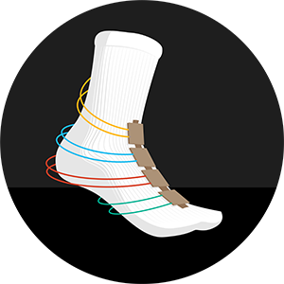
 | Purchasing for a group? Enter your group size (10 as an example), and we will calculate how many of each item you need. | group of | 10
 | Designing Astro Socks to protect astronauts’ feet in microgravity | INDIVIDUAL quantity | GROUP quantity (adjust below)
 | Materials
 | sock | 1 | 10
 | cardstock 3 cm x 6 cm | 4 | 40
 | copper tape 2.5 cm x 2.5 cm | 16 | 160
 | velostat 3 cm x 3 cm | 8 | 80
 | resistors 100 ohm (brown-black-brown) | 4 | 40
 | female-to-female jumper wires | 8 | 80
 | male-to-male jumper wires | 14 | 140
 | clear tape | 1 | 10
 | half breadboard | 1 | 10
 | fabrtic adhesive back Velcro™ 15 cm | 1 | 10
 | cardboard 14 cm x 50 cm | 1 | 10
 | cardboard 14 cm x 20 cm | 2 | 20
 | cardboard 14 cm x 10 cm | 1 | 10

 | Tool Kit
 | wire strippers | 1 | 10
 | metric ruler | 1 | 10
 | scissors | 1 | 10
 | marker | 1 | 10
 | hot melt tool | 1 | 10

 | Connect micro:bit
 | Sparkfun micro:bit Breakout | 1 | 10
 | micro USB Cable | 1 | 10
 | micro:bit | 1 | 10

 | Connect Arduino Uno
 | Arduino Uno microcontroller | 1 | 10
 | USB cable type A to type B | 1 | 10

