Salinity and conductivity
Salinity and conductivity | Live Data |  |  | Current Samples
 | EXPERIMENT 1 |  | EXPERIMENT 2
-12 | #N/A | -23.961 | #N/A
-6 | #N/A | -17.976 | #N/A
0 | 0 | -11.98 | #N/A
6 | 0.10933940774 | -5.992 | #N/A
12 | 0 | 0 | 0
18 | 0.11161731207 | 5.988 | 0
24 | 0.11161731207 | 11.98 | 0.0044013293811
30 | 0.11161731207 | 17.972 | 0.0087128357136
36 | 0.11161731207 | 23.96 | 0.0087128357136
42.01 | 0.11161731207 | 29.95 | 0.0044013293811
48.01 | 0.11161731207 | 35.94 | 0
54.01 | 0.11161731207 | 41.931 | 0.0044013293811
60.01 | 0.11161731207 | 47.919 | 0.0087128357136
66.01 | 0.11161731207 | 53.913 | 0.0044013293811
72.01 | 0.22323462415 | 59.902 | 0.0044013293811
78.014 | 0.22323462415 | 65.889 | 0.0087128357136
84.015 | 0.33485193622 | 71.884 | 0.0087128357136
90.01 | 1 | 77.877 | 0.0087128357136
96.019 | 1 | 83.865 | 0.013114165095
102.014 | 1 | 89.858 | 0.017515494476
108.014 | 1 | 95.843 | 0.017515494476
114.014 | 1 | 101.838 | 0.013114165095
120.014 | 1 | 107.83 | 0.039432318333
126.025 | 1 | 113.817 | 0.035030988952
132.024 | 1 | 119.807 | 0.035030988952
138.025 | 1 | 125.802 | 0.030719482619
144.024 | 1 | 131.79 | 0.030719482619
150.029 | 1 | 137.782 | 0.030719482619
156.029 | 1 | 143.771 | 0.030719482619
162.034 | 1 | 149.762 | 0.030719482619
168.034 | 1 | 155.755 | 0.030719482619
174.034 | 1 | 161.743 | 0.030719482619
180.035 | 1 | 167.734 | 0.030719482619
186.034 | 1 | 173.72 | 0.030719482619
192.039 | 1 | 179.715 | 0.026318153238
198.039 | 1 | 185.706 | 0.039432318333
204.039 | 1 | 191.696 | 0.035030988952
210.039 | 1 | 197.684 | 0.039432318333
216.044 | 1 | 203.675 | 0.039432318333
222.043 | 1 | 209.667 | 0.039432318333
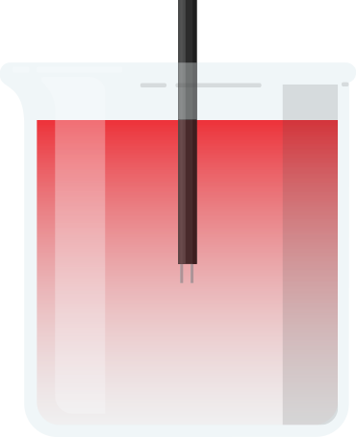
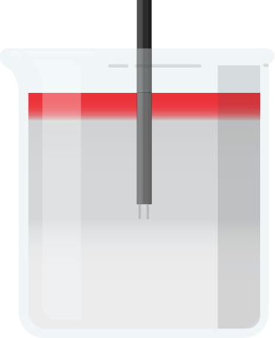
 |  |  |  |  |  | ◉ | EXPERIMENT 1 |  |  | ○ | EXPERIMENT 2
 |  |  |  |  |  | WARM MORE SALTY THAN COLD |  |  |  | WARM LESS SALTY THAN COLD

 |  | 0.0000 V |  |  | START TRIAL > |  |  | END TRIAL > | START TRIAL > |  |  | END TRIAL >

 |  |  |  |  | Voltage Start |  |  | Voltage Final | Voltage Start |  |  | Voltage Final

 |  |  | Conductivity is measured by the voltage difference between the leads of the sensors. The greater the circulation of warm and cold water, the greater the change in conductivity. The lower the circulation, the lower the change in conductivity. |  | 0.0439 |  |  | 0 | 1.11 |  |  | 1.1523

