Fig 3.3
Height | Weight
61 | 95
62 | 122
63 | 142
64 | 109
65 | 128
65 | 190
66 | 119
66 | 182
67 | 164
67 | 125
68 | 103
68 | 154
69 | 144
70 | 156
71 | 203
72 | 124
72 | 138
73 | 165
73 | 191
74 | 186

Fig 3.6
Height | Weight | Estimated Weight
61 | 95 | 118.174
62 | 122 | 122.413
63 | 142 | 126.652
64 | 109 | 130.891
65 | 128 | 135.130
65 | 190 | 135.130
66 | 119 | 139.370
66 | 182 | 139.370
67 | 164 | 143.609
67 | 125 | 143.609
68 | 103 | 147.848
68 | 154 | 147.848
69 | 144 | 152.087
70 | 156 | 156.326
71 | 203 | 160.565
72 | 124 | 164.804
72 | 138 | 164.804
73 | 165 | 169.043
73 | 191 | 169.043
74 | 186 | 173.283

Fig 3.16
Height Residual Plot
Height Line Fit Plot
 | Weight | Predicted Weight
61 | 95 | 114.97276888
62 | 122 | 123.76720294
63 | 142 | 141.9208768
64 | 109 | 118.78378682
65 | 128 | 123.17387274
65 | 190 | 136.38691717
66 | 119 | 144.08026419
66 | 182 | 148.48461233
67 | 164 | 131.40350105
67 | 125 | 139.1111103
68 | 103 | 150.10771843
68 | 154 | 153.96152305
69 | 144 | 160.55378304
70 | 156 | 162.19115137
71 | 203 | 155.01982341
72 | 124 | 153.35393063
72 | 138 | 160.51099636
73 | 165 | 167.10325635
73 | 191 | 184.1701054
74 | 186 | 170.94279875
Normal Probability Plot
RESIDUAL OUTPUT |  |  |  | PROBABILITY OUTPUT

Observation | Predicted Weight | Residuals | Standard Residuals | Percentile | Weight
1 | 114.97276888 | -19.97276888 | -0.76683660251 | 2.5 | 95
2 | 123.76720294 | -1.7672029374 | -0.067850176638 | 7.5 | 103
3 | 141.9208768 | 0.079123202329 | 0.0030378646056 | 12.5 | 109
4 | 118.78378682 | -9.7837868234 | -0.37563974693 | 17.5 | 119
5 | 123.17387274 | 4.8261272611 | 0.18529484092 | 22.5 | 122
6 | 136.38691717 | 53.613082834 | 2.0584263774 | 27.5 | 124
7 | 144.08026419 | -25.080264188 | -0.96293431803 | 32.5 | 125
8 | 148.48461233 | 33.515387669 | 1.2867933418 | 37.5 | 128
Age Residual Plot
Age Line Fit Plot
 | Weight | Predicted Weight
51 | 95 | 114.97276888
43 | 122 | 123.76720294
18 | 142 | 141.9208768
68 | 109 | 118.78378682
68 | 128 | 123.17387274
44 | 190 | 136.38691717
38 | 119 | 144.08026419
30 | 182 | 148.48461233
69 | 164 | 131.40350105
55 | 125 | 139.1111103
43 | 103 | 150.10771843
36 | 154 | 153.96152305
32 | 144 | 160.55378304
37 | 156 | 162.19115137
58 | 203 | 155.01982341
69 | 124 | 153.35393063
56 | 138 | 160.51099636
52 | 165 | 167.10325635
21 | 191 | 184.1701054
53 | 186 | 170.94279875
9 | 131.40350105 | 32.596498948 | 1.251513431 | 42.5 | 138
10 | 139.1111103 | -14.111110301 | -0.54178346259 | 47.5 | 142
11 | 150.10771843 | -47.10771843 | -1.8086587278 | 52.5 | 144
12 | 153.96152305 | 0.038476945282 | 0.00147728791 | 57.5 | 154
13 | 160.55378304 | -16.553783041 | -0.63556769834 | 62.5 | 156
14 | 162.19115137 | -6.1911513679 | -0.23770372096 | 67.5 | 164
15 | 155.01982341 | 47.98017659 | 1.8421559788 | 72.5 | 165
16 | 153.35393063 | -29.353930629 | -1.1270179197 | 77.5 | 182
17 | 160.51099636 | -22.510996361 | -0.8642895771 | 82.5 | 186
18 | 167.10325635 | -2.1032563474 | -0.080752646834 | 87.5 | 190
19 | 184.1701054 | 6.829894601 | 0.26222769627 | 92.5 | 191
20 | 170.94279875 | 15.057201255 | 0.57810777881 | 97.5 | 203

Fig 3.17
Height | Weight | =LINEST(C2:C21,B2:B21,,TRUE)
61 | 95 | 4.239 | -140.413
62 | 122 | 1.667 | 113.202
63 | 142 | 0.264 | 28.153
64 | 109 | 6.466 | 18
65 | 128 | 5125.109 | 14266.891
65 | 190
66 | 119
66 | 182
67 | 164
67 | 125
68 | 103
68 | 154
69 | 144
70 | 156
71 | 203
72 | 124
72 | 138
73 | 165
73 | 191
74 | 186

Fig 3.18
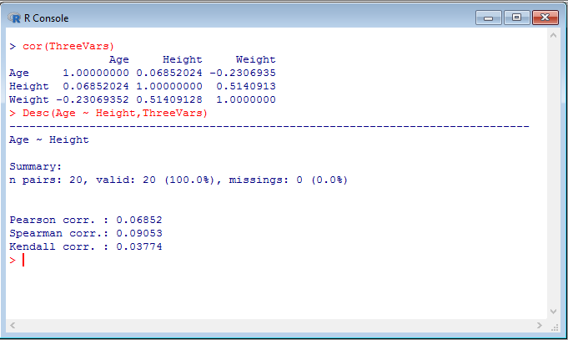

Fig 3.20
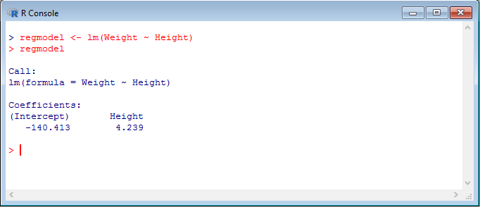

Fig 3.21
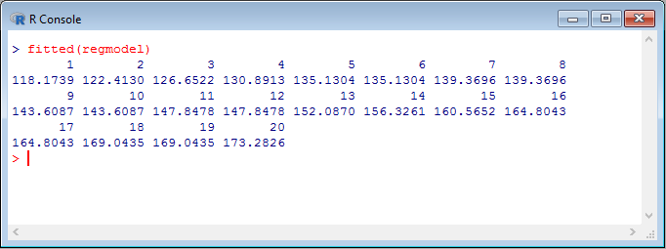

Fig 3.22
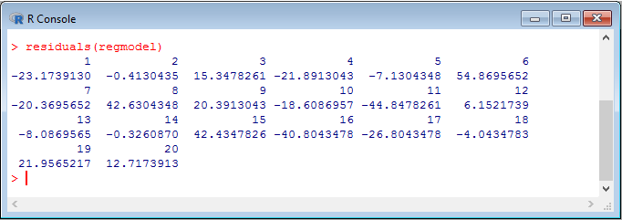

Fig 3.23
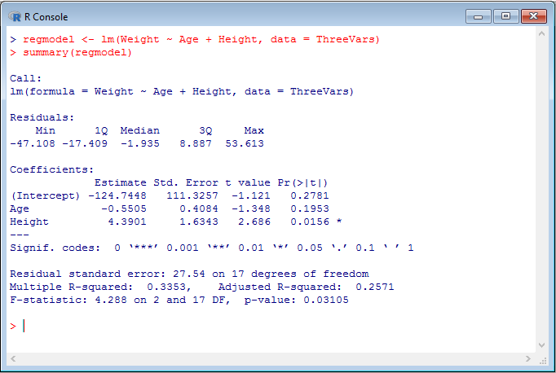
=LINEST(D2:D21,B2:C21,,TRUE)
4.3900859155 | -0.55054351779 | -124.74475256
1.6343118641 | 0.40841018644 | 111.32568807
0.3353364196 | 27.535171253 | #N/A
4.2884244762 | 17 | #N/A
6502.8438489 | 12889.156151 | #N/A

0.03105388946

Fig 3.24
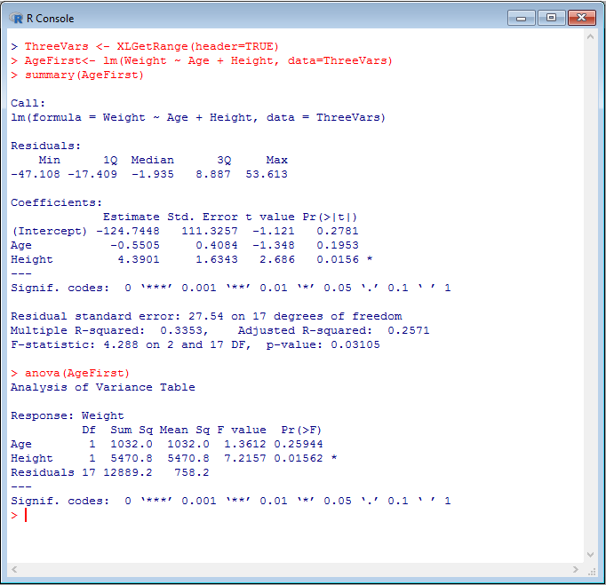

Fig 3.25
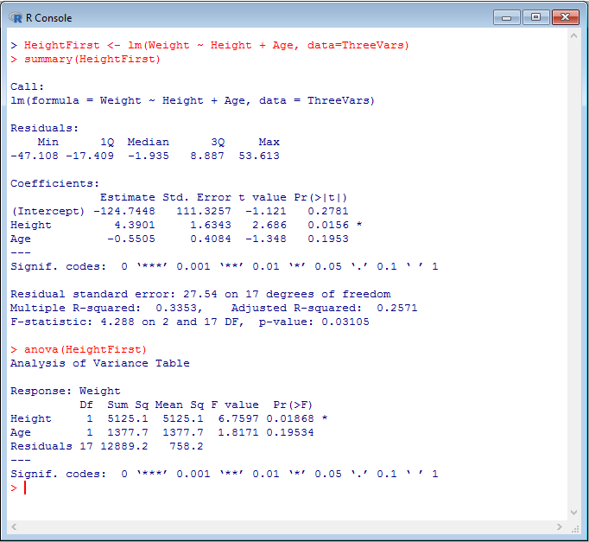

Fig 3.26
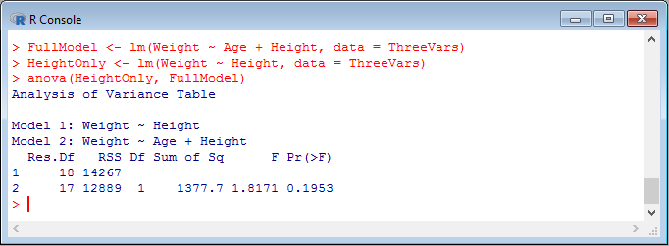

Fig 3.27
