Fig 4.5
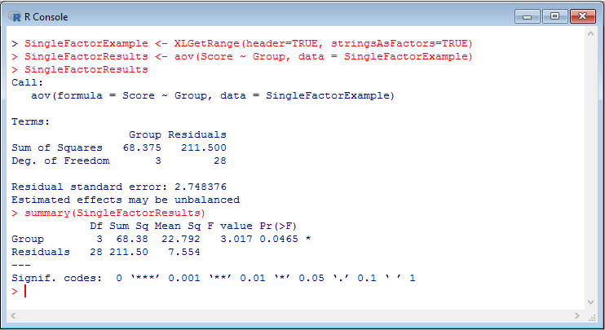
Score | Group
4 | A
3 | A
5 | A
4 | A
5 | A
11 | A
5 | A
2 | A
2 | B
2 | B
6 | B
10 | B
1 | B
3 | B
7 | B
2 | B
6 | C
6 | C
11 | C
5 | C
4 | C
7 | C
10 | C
10 | C
10 | D
10 | D
4 | D
6 | D
5 | D
6 | D
8 | D
10 | D

Fig 4.6
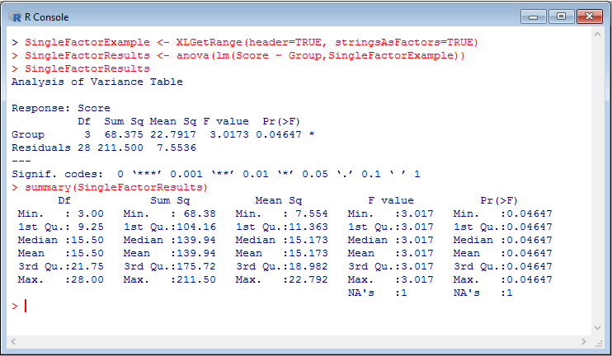
Score | Group
4 | A
3 | A | Possible problem here.
5 | A | Note that "anova" s/b "Anova"
4 | A | Possible that error resulted but was erased?
5 | A | Or is "anova" legit?
11 | A
5 | A
2 | A
2 | B
2 | B
6 | B
10 | B
1 | B
3 | B
7 | B
2 | B
6 | C
6 | C
11 | C
5 | C
4 | C
7 | C
10 | C
10 | C
10 | D
10 | D
4 | D
6 | D
5 | D
6 | D
8 | D
10 | D

Fig 4.7
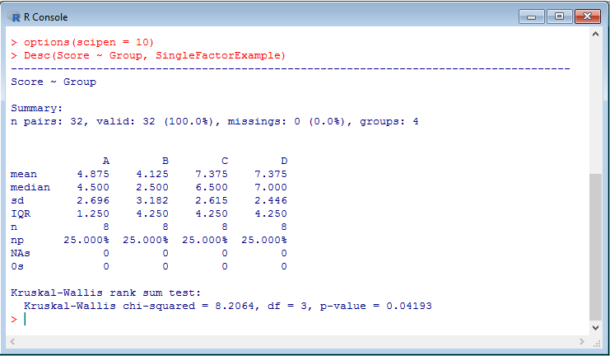
Score | Group
4 | A
3 | A
5 | A
4 | A
5 | A
11 | A
5 | A
2 | A
2 | B
2 | B
6 | B
10 | B
1 | B
3 | B
7 | B
2 | B
6 | C
6 | C
11 | C
5 | C
4 | C
7 | C
10 | C
10 | C
10 | D
10 | D
4 | D
6 | D
5 | D
6 | D
8 | D
10 | D

Fig 4.18
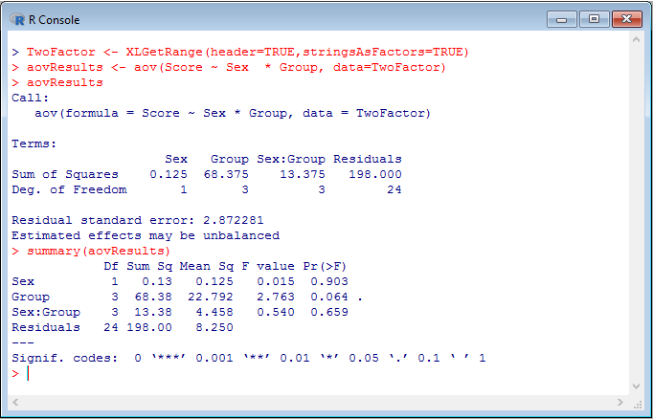

Fig 4.19
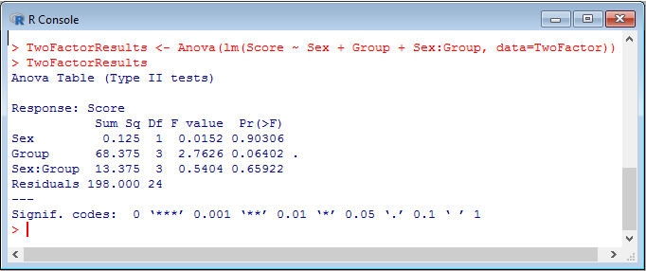

Fig 4.20
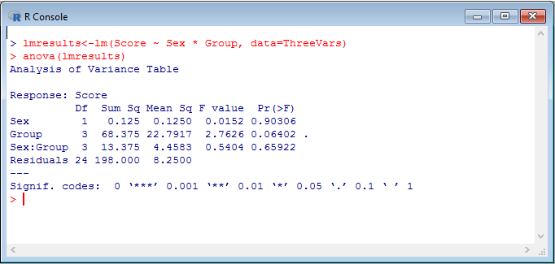

Fig 4.30
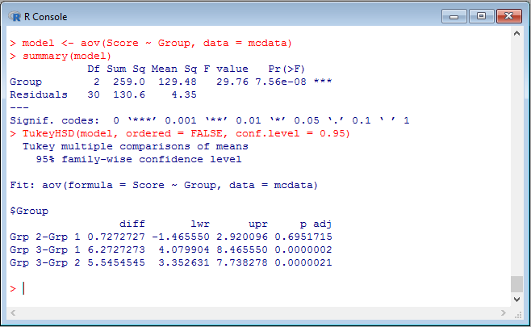

Fig 4.32
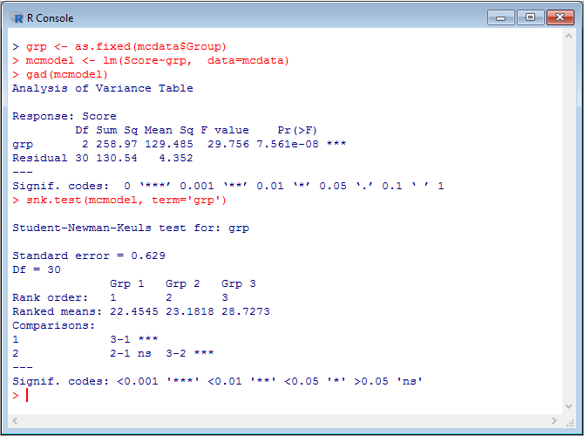

Fig 4.34
