Fig 5.1
Win | Ad Dollars ($000) | Predicted Probability of Win
0 | 5 | -0.42
0 | 10 | -0.12
0 | 14 | 0.12
0 | 14 | 0.12
0 | 16 | 0.24
0 | 16 | 0.24
0 | 16 | 0.24
0 | 16 | 0.24
0 | 16 | 0.24
0 | 16 | 0.24
0 | 16 | 0.24
0 | 16 | 0.24
1 | 16 | 0.24
0 | 16 | 0.24
1 | 16 | 0.24
0 | 18 | 0.36
0 | 18 | 0.36
0 | 18 | 0.36
0 | 18 | 0.36
0 | 18 | 0.36
1 | 18 | 0.36
0 | 18 | 0.36
0 | 20 | 0.48
1 | 20 | 0.48
1 | 20 | 0.48 | 7.7479150734 | 140
1 | 20 | 0.48
1 | 20 | 0.48
1 | 20 | 0.48
0 | 20 | 0.48
1 | 22 | 0.61
1 | 24 | 0.73
1 | 24 | 0.73
0 | 24 | 0.73
1 | 26 | 0.85
1 | 28 | 0.97
1 | 30 | 1.09

Fig 5.2
 | Prediction from TREND() | Prediction from Maximum Likelihood
5 | -0.42 | 0.00
10 | -0.12 | 0.01
14 | 0.12 | 0.06
14 | 0.12 | 0.06
16 | 0.24 | 0.15
16 | 0.24 | 0.15
16 | 0.24 | 0.15
16 | 0.24 | 0.15
16 | 0.24 | 0.15
16 | 0.24 | 0.15
16 | 0.24 | 0.15
16 | 0.24 | 0.15
16 | 0.24 | 0.15
16 | 0.24 | 0.15
16 | 0.24 | 0.15
18 | 0.36 | 0.31
18 | 0.36 | 0.31
18 | 0.36 | 0.31
18 | 0.36 | 0.31
18 | 0.36 | 0.31
18 | 0.36 | 0.31
18 | 0.36 | 0.31
20 | 0.48 | 0.54
20 | 0.48 | 0.54
20 | 0.48 | 0.54
20 | 0.48 | 0.54
20 | 0.48 | 0.54
20 | 0.48 | 0.54
20 | 0.48 | 0.54
22 | 0.61 | 0.75
24 | 0.73 | 0.89
24 | 0.73 | 0.89
24 | 0.73 | 0.89
26 | 0.85 | 0.95
28 | 0.97 | 0.98
30 | 1.09 | 0.99
Win | Ad Dollars ($000) | Prediction from TREND() | Prediction from Maximum Likelihood | Log Likelihood
0 | 5 | -0.42 | 0.00 | 0.00
0 | 10 | -0.12 | 0.01 | 0.01
0 | 14 | 0.12 | 0.06 | 0.06
0 | 14 | 0.12 | 0.06 | 0.06
0 | 16 | 0.24 | 0.15 | 0.16
0 | 16 | 0.24 | 0.15 | 0.16 |  | From Solver
0 | 16 | 0.24 | 0.15 | 0.16
0 | 16 | 0.24 | 0.15 | 0.16 |  | Parameters
0 | 16 | 0.24 | 0.15 | 0.16 | B0 | B1 | B2 | B3
0 | 16 | 0.24 | 0.15 | 0.16 | -9.3888878302 | 0.47676416921
0 | 16 | 0.24 | 0.15 | 0.16
0 | 16 | 0.24 | 0.15 | 0.16 |  | Sum Log likelihood | 16.223451865
1 | 16 | 0.24 | 0.15 | 1.92
0 | 16 | 0.24 | 0.15 | 0.16
1 | 16 | 0.24 | 0.15 | 1.92
0 | 18 | 0.36 | 0.31 | 0.37
0 | 18 | 0.36 | 0.31 | 0.37
0 | 18 | 0.36 | 0.31 | 0.37
0 | 18 | 0.36 | 0.31 | 0.37
0 | 18 | 0.36 | 0.31 | 0.37
1 | 18 | 0.36 | 0.31 | 1.18
0 | 18 | 0.36 | 0.31 | 0.37
0 | 20 | 0.48 | 0.54 | 0.77
1 | 20 | 0.48 | 0.54 | 0.62
1 | 20 | 0.48 | 0.54 | 0.62
1 | 20 | 0.48 | 0.54 | 0.62
1 | 20 | 0.48 | 0.54 | 0.62
1 | 20 | 0.48 | 0.54 | 0.62
0 | 20 | 0.48 | 0.54 | 0.77
1 | 22 | 0.61 | 0.75 | 0.29
1 | 24 | 0.73 | 0.89 | 0.12
1 | 24 | 0.73 | 0.89 | 0.12
0 | 24 | 0.73 | 0.89 | 2.17
1 | 26 | 0.85 | 0.95 | 0.05
1 | 28 | 0.97 | 0.98 | 0.02
1 | 30 | 1.09 | 0.99 | 0.01

Fig 5.12
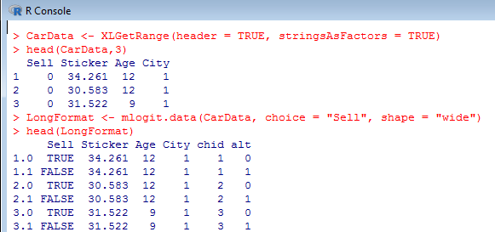

Fig 5.13
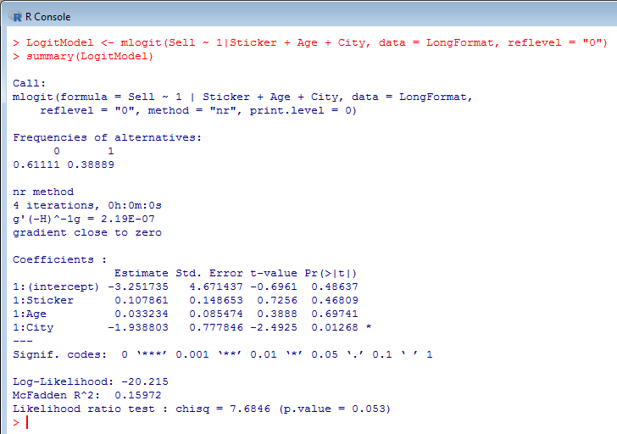

Fig 5.14
