Sheet1
Basic Structure
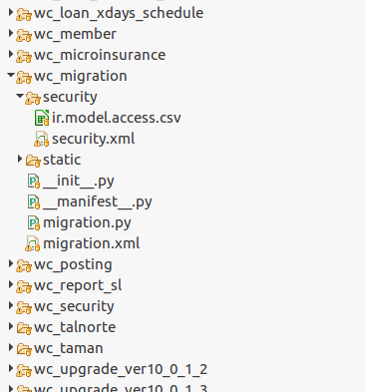

 |  |  | module

 |  |  | define CRUD access right for each model
 |  |  | define/add access group , record access rule

 |  |  | define what [.py] files should be called
 |  |  | manifest file. Define module name , description , reference file ,etc

 |  |  | xxxxx.py > model definition and function
 |  |  | xxxxx.xml > form definition

sample
1.ir.model.access.csv
 | id,"name","model_id:id","group_id:id","perm_read","perm_write","perm_create","perm_unlink"

 | access_loan_user,access_loan_user,model_wc_loan,,1,0,0,0
 | access_loan,access_loan,model_wc_loan,group_loan_user,1,1,1,0
 | access_loan2,access_loan2,model_wc_loan,group_loan_manager,1,1,1,1
 | access_loan3,access_loan3,model_wc_loan,wc_collection.group_collection_officer,1,0,0,0
 | access_loan4,access_loan4,model_wc_loan,wc.group_manager,1,1,1,1

2.security.xml
 | <odoo>
 | <data noupdate="1">
 | <record id="group_loan_user" model="res.groups">
 | <field name="name">Loan Officer</field>
 | <field name="category_id" ref="wc.module_category_webcoop"/>
 | <field name="implied_ids" eval="[(4, ref('base.group_user'))]"/>
 | <field name="comment">the user will be able to process loans.</field>
 | </record>
 | <record id="group_loan_manager" model="res.groups">
 | <field name="name">Loan Manager</field>
 | <field name="category_id" ref="wc.module_category_webcoop"/>
 | <field name="implied_ids" eval="[(4, ref('wc_loan.group_loan_user'))]"/>
 | <field name="users" eval="[(4, ref('base.user_root'))]"/>
 | <field name="comment">the user will can set loans back to draft and other higher security functions.</field>
 | </record>
 | <!-- Record rules ========================================== -->
 | <record id="loan_company_rule" model="ir.rule">
 | <field name="name">loan_company_rule</field>
 | <field name="model_id" ref="model_wc_loan"/>
 | <field eval="True" name="global"/>
 | <field name="domain_force">['|',('company_id','=',False),('company_id','child_of',[user.company_id.id])]</field>
 | </record>
 | </odoo>

3.__init__.py

 |  | import member
 |  | import loan_type
 |  | import loan
 |  | import loan_tag
 |  | import amortization

4.__manifest__.py

 | {'name': 'migration for webcoop',
 | 'summary': 'tool for inital data migration.Approve every unapproved member,account,loan',
 | 'category': 'Tools',
 | 'author': 'Esupportlink',
 | 'depends': ['wc_account','wc_loan'],
 | 'init_xml': [],
 | 'data': [
 | 'security/security.xml',
 | 'security/ir.model.access.csv',
 | 'migration.xml',
 | ],
 | 'installable': True, 'application': True,
 | 'auto_install': False,
 | 'qweb': []}

