reference for env
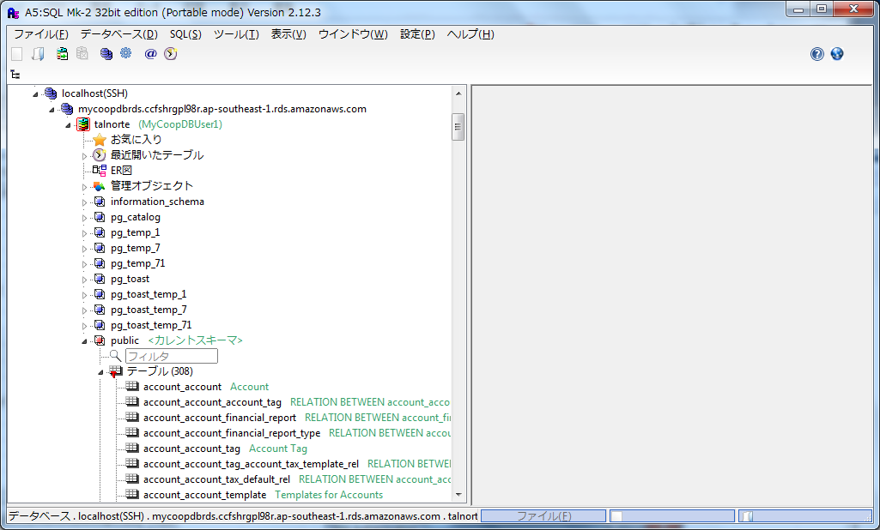
How to access db thru database tool

 | db server allows access from ap server's only , so you cannot access db server directly originally , but you can do it by using ssh tonneling and use app server as step server.

 | Use ssh2 tonneling access thru app server of AWS as step stone.
 | ***This is for only special user

 | precondition:
 | a. you need to install ssh connection tool and database tool.
 | In below explanation ,we use A5:SQL and Teraterm
 | (A5:SQL
 |  | https://www.softpedia.com/get/Internet/Servers/Database-Utils/A5-SQL-Mk-2.shtml )
 | b.need server access key [MyCoopApp_KP.pem] and place it to any folder
 | c.need app server address , and DB server's DNS name , DB username, DB password
 | see infrastructure information sheet

 | 1. A5 setup
 | (1) [Add or Delete Database] > [Add] > select [PostgreSQL (Direct Connection)] > [Register Database] window will open
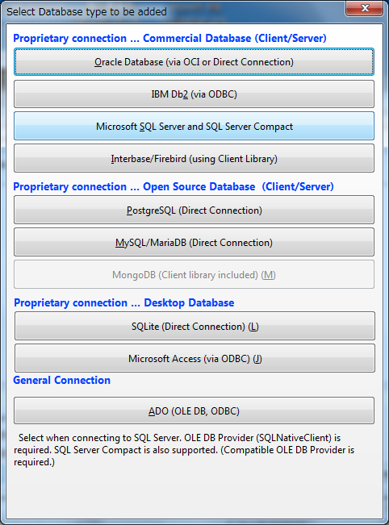
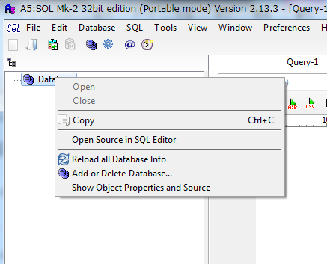
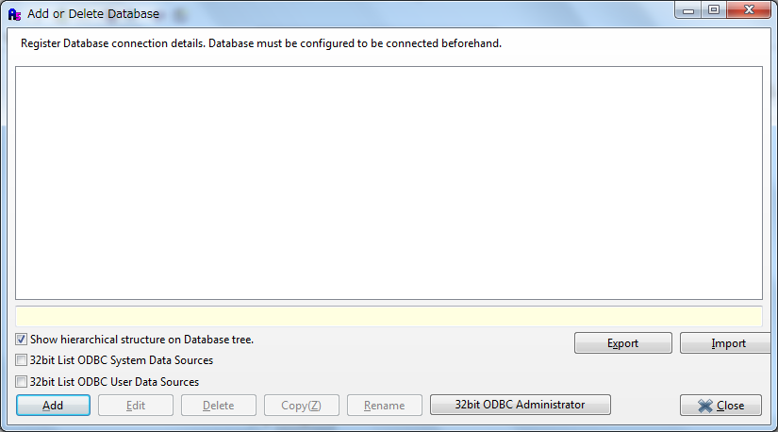

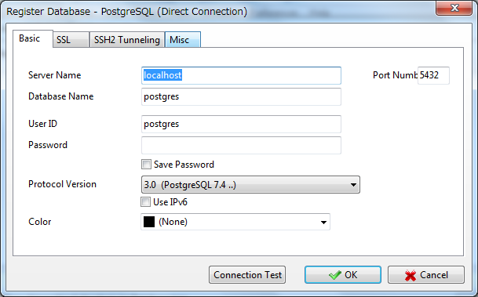

 | (2)SSH2 tunneling tap |  | ②Ａ5の設定
 | SSH2 Hostname : app server's (step server's ) global address |  | https://qiita.com/murachi1208/items/fae39969d1288a9f1b1b
 | Port Number : 22 |  | ・SSH2トンネルタブ
 | User ID : centos |  | SSH2ホスト名:appサーバーの グローバルアドレス
 | open [Private Key File] : select [MyCoopApp_KP.pem] |  | ポート番号:22
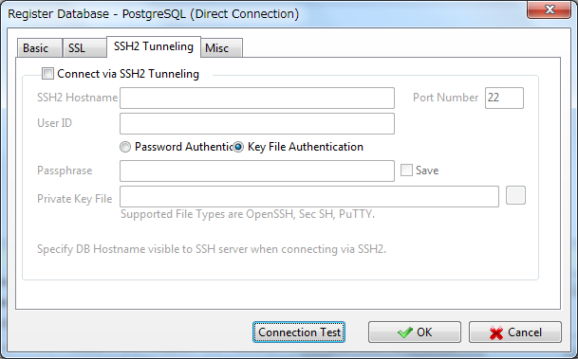
 |  |  | ユーザーＩＤ:centos
 |  |  | 秘密鍵：鍵の場所を指定
 |  |  | ・基本タブ
 |  |  | サーバー名:awsのDBサーバーのＤＮＳ
 |  |  | データベース名:検索対象のdatabase名
 |  |  | ユーザーＩＤ:awsのＤＢサーバー接続用のdb user
 |  |  | パスワード：同 db password

 | (2) Basic tab
 |  | Server Name : DB server's DNS name
 |  | Port Number: 5432
 |  | Database Name : target database name (for example [talnorte] )
 |  | User ID : DB server's user name (MyC********1)
 |  | Password : DB password(PgK************y)

 | 3. then you can see database table contents in A5 tool , during login by teratem

