reference for env
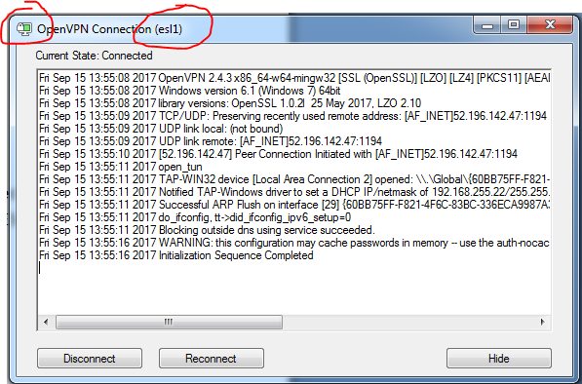
How to install open-vpn software ,and how to install vpn key in pc

 | A. How to Install and Configure VPN using OpenVPN (for Windows Vista, 7, 8, 8.1, 10)
 | 1. Download the OpenVPN community application in this site below.
 |  | https://openvpn.net/index.php/open-source/downloads.html

 | 2. Select the version Windows Vista and Later see screenshot below
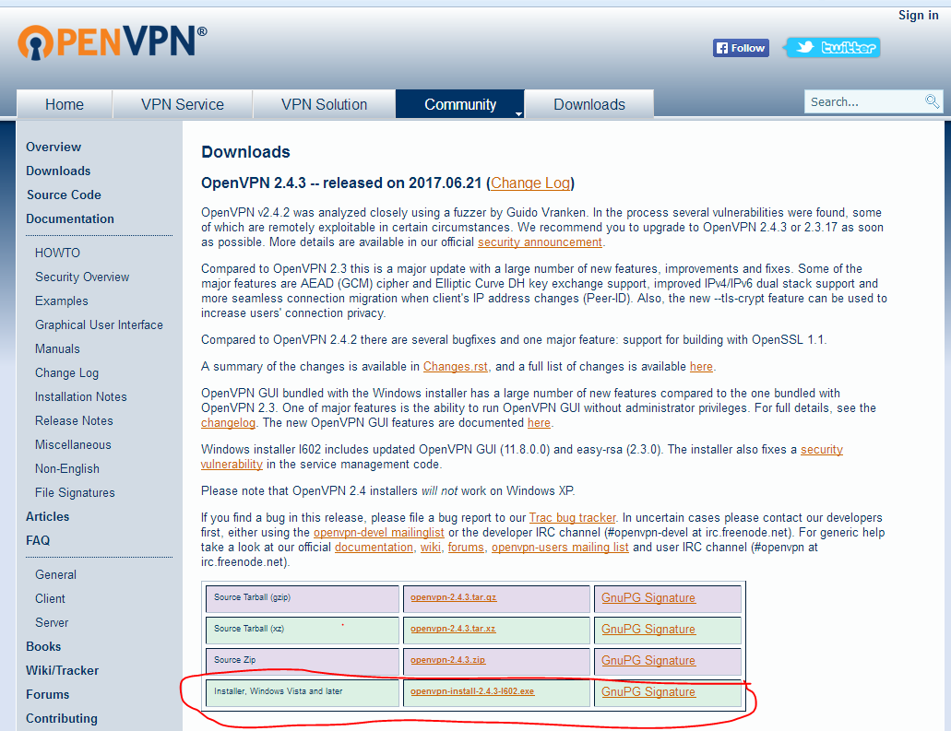

 | 3. Download also this TAP-Windows network utility, for Windows Vista and above select the NDIS 6 version.
 | See below. NOTE: If you installed other version, please uninstall first before re-installing. See Sreenshot below
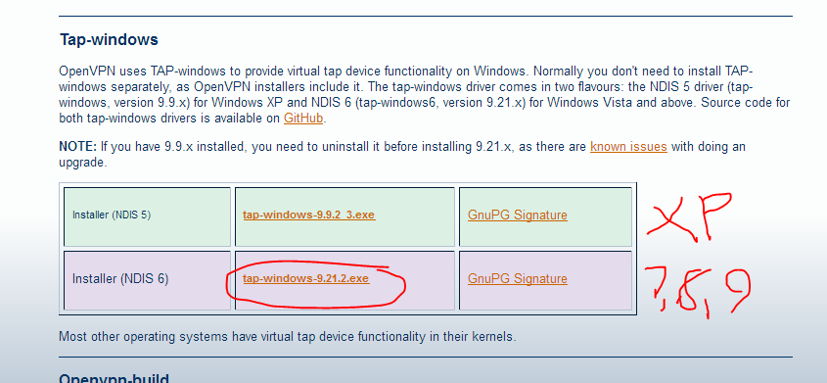
No need for download Tap-windows because it includes in #2’s latest setup package. so you can skip this step , then go to next step.

 | B. INSTALLATION FOR OPENVPN SOFTWARE
 | 1. You can install first the OpenVPN installer. After download, double-click the icon below
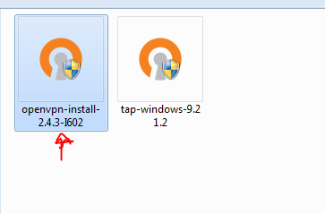

 | 2 Click NEXT button
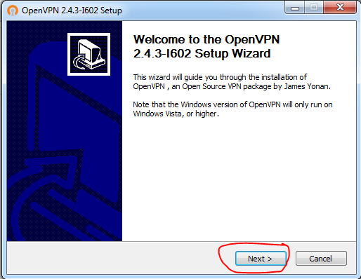

 | 3. Click I AGREE buton
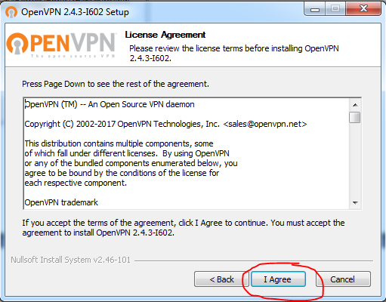

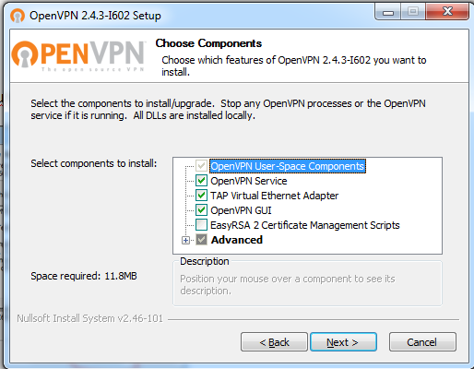
 | 4. Just leave the configuration As-Is, Click NEXT button

 | 5. Just leave the configuration As-Is, Click INSTALL button
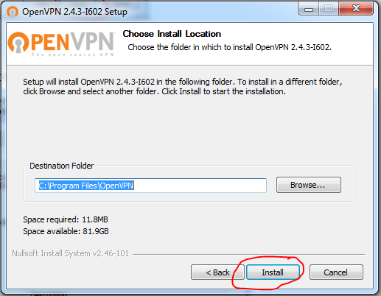

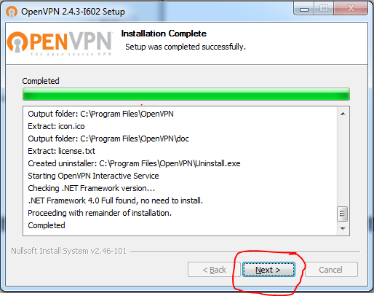
 | 6. Once installation is complete, click NEXT button

 | 7. Click FINISH button, once everything is OK.
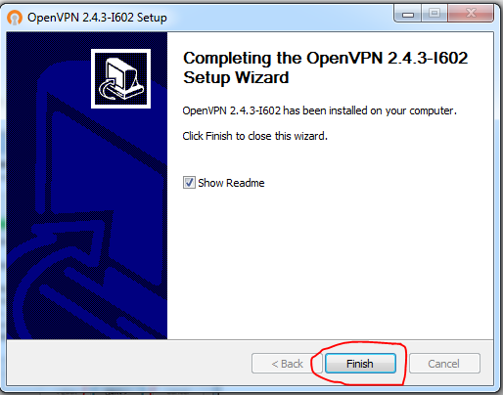

Tap-Window installation must be including in openvpn software installation. So you can skip this step , then go to next step.
 | C. INSTALLATION OF TAP-WINDOWS NETWORK UTILITY
 | 1. Double-Click the TAP-WINDOWS 9.21.2 for Windows Vista and Later
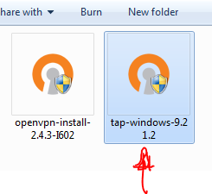

 | 2. To continue installation, click NEXT button
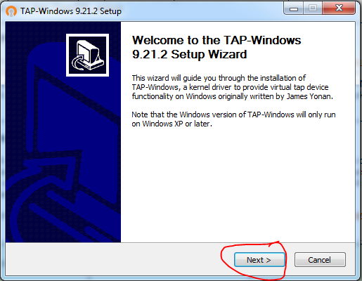

 | 3. Click I AGREE button
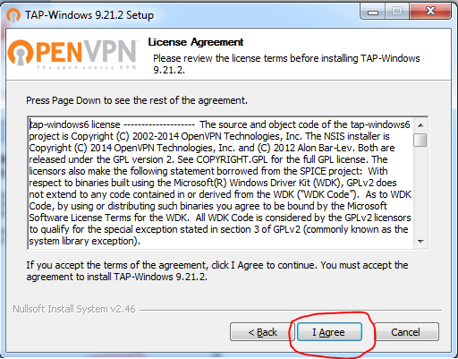

 | 4. Be SURE to CHECK ALL CHECK-BOX (3 checkbox), then click NEXT button
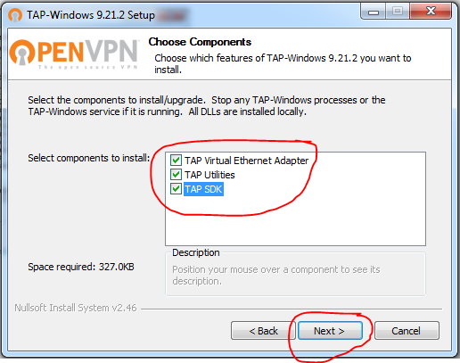

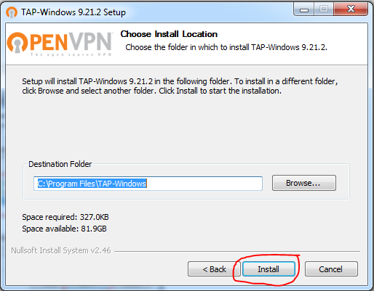
 | 5. Click INSTALL button

 | 6. Once installation is complete, click NEXT button.
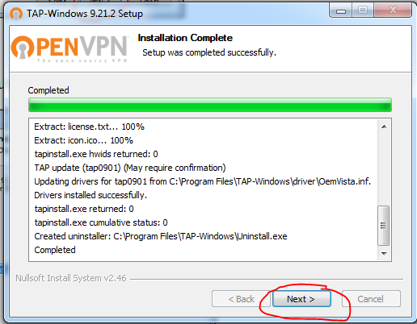

 | 7. Then click FINISH button to close the installation part.
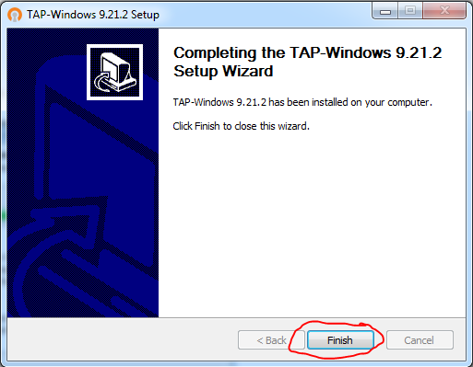

 | D. Confirm TAP-Windows been set up
 | you can see this ICON [TAP-Windows Network Utility] in your NETWORK DEVICE.


 | E. INSERT OpenVPN Certificate
 | 1. In your DESKTOP or START-UP menu, you can see this ICON below, just double-click if in desktop.

 | 2. In your Windows task pane (Right Button part of the screen, near Date and Time).
 | You can see this small icon, then RIGHT CLICK. In the MENU, select IMPORT FILE.

 | 3. Locate the OVPN file and select the certificate you want, then click OPEN button.
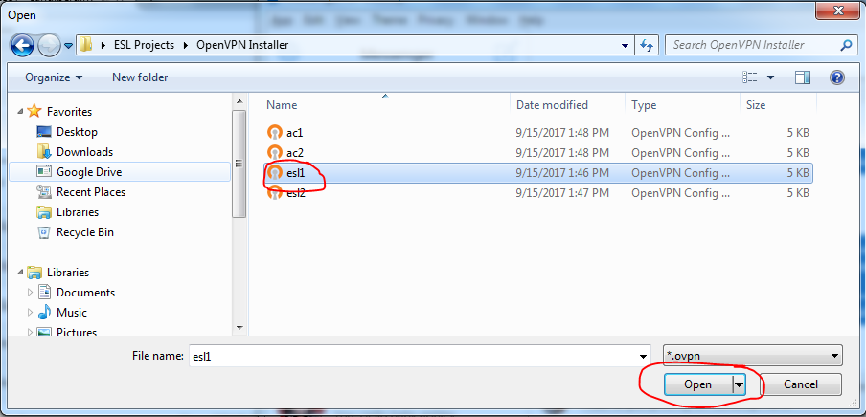

 | 4. Click OK button after successfully IMPORT the file.
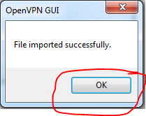

 | 5. Go back to the OpenVPN program, below system tray then RIGHT CLICK then select your installed VPN CERTIFICATE,
 | then select CONNECT menu button. (In my example I select the ESL1 vpn certicate).

 | 6. Once everything OK the ICON will be colored GREEN then you can now visit start open your browser and visit then WebCoop Website right away.

