b.Infra Architecture
As mentioned so far, webcoop is multi-tenant system based on cloud server.
AWS is used for the cloud server.
Server environment is consisting of , vpn server , load balancer , app server , file server , and db server
 | vpn server > server for create and manage vpn access key for secure access. Openvpn server (on docker) is used as vpn server.
 |  | ([docker] is sort of virtual environment . For docker refer to [https://opensource.com/resources/what-docker] in details )
 | load balancer > load balancing to each app server ( as of now , only one server is activated )
 | app server > web server and application server . Nginx ( on docker ) is used as webserver , and odoo10 (on docker) is used as application server.
 | file server > server for keep backup data (daily) in it.
 |  | And also is used for keeping temporary file for app server access , so need to be activated before app server start.
 | db server > database server , postgresql is used in it.

Network Architecture

Vertual Private Network (in AWS singapore)
 |  |  | Internet

Client
・OS :any
・Browser :Firefox , Chrome
Application Server
・OS CentOS7
・WebServer: Nginx on docker
・Base Middle ware:Odoo10.0
DB Server
・DB: Postgresql 9.6
VPN Server
・OS: Centos7
・Server: OpenVPN on docker
Internal Load Balancer


Auto Failover
in case of db server down

Client
・OS :any
・Browser :Firefox , Chrome
File Server for backup
・OS:CentOS

Client use vpn key for accessing
Protect from stolen by internet hacker
Pass through connection to Server network(Don't pass connection to other pc)
connection from internal network only.
Don't pass any access from outside of VPN
Only user having passed thru VPN can access .
Also user has to log-in by user-id /password
Only Application Server can access to DB and File Server
Auto Failover
in case of db server down for continuous operation

some file used in app server is also kept in fileserver , by file mount. So file server need to be started before app server start.
Backup is executed daily and the data is stored in File Server.

Data Access per Organization

 |  |  |  |  | DB server
URL: xxxxx.yyyyy,philippines-webcoop.com

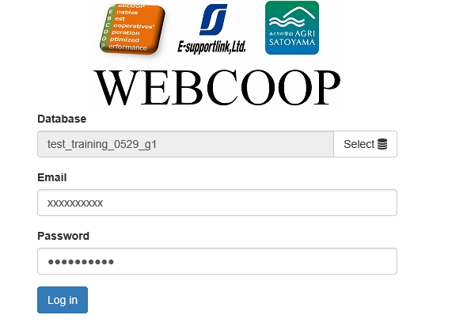

database a
database b
database c
database d

 |  |  |  | organization x

Each organization has different url for accessing different db.
Users belonging to organization x can use database x only.
Each Organization's data is stored in logically different database , so that an organization's data desn't affect to other organization data

