Sheet1
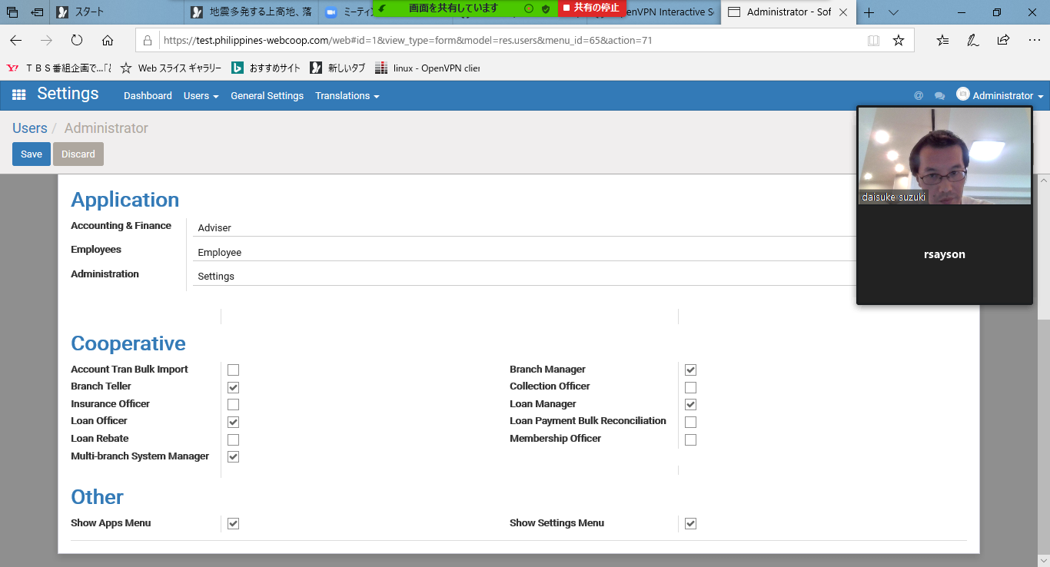
login user needs to have app installation right for application install or upgrade.
So, if you don't have the id.....

1.you need to request id /pass for db [usembtest???]
2.try to install , but it may fail
3.in this case the user id has no right for app installation
4.in this case you need special(admin) user's id , or alternative way is that you
need to request the special(admin) user to create another admin user for install.
5.for create admin use , the user setting should have [settings] right for [administration ] and [show apps menu] on ,like below

