x.Debug env
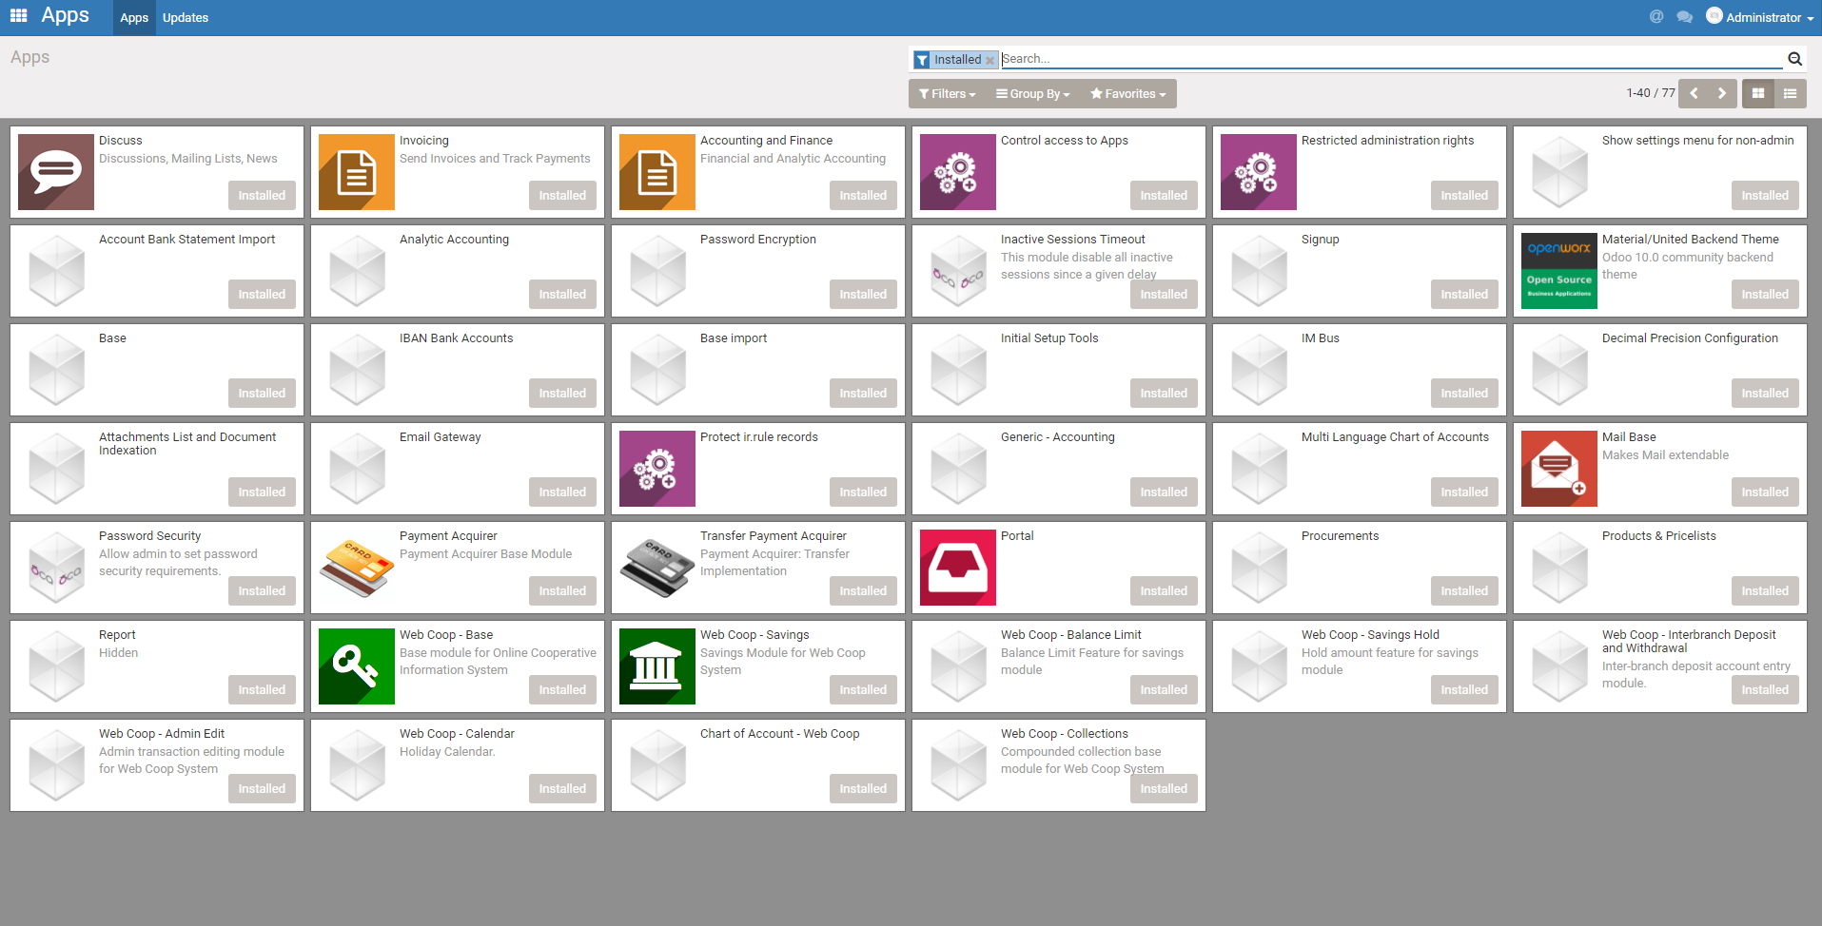
Requirement

 | PC spec | OS:windows10 memory:8G or over Disk:50G or over
 | other | need: github account

2.1Install vmware workstation player in PC
 | download vmware work station player and install it

2.2 Install Ubuntu16.04 in vmware
 | (1)Install Ubuntu 16.04 in above environment

 |  | sample reference : https://www.youtube.com/watch?v=AlOcHa_KB0k
 | (2)vmware setting (This setting is for speed up for using vmware. Following setting is just sample, you can change this setting if still slow inspite of following setting )
 |  | for sppedup , set [[ memory > 4.8G , CPU core 2 , use [Intel VT-xEPT or /// ] ]]

2.3 install python2.7 and java8 in Ubuntu
 | 0-3. Install python2.7 and java 8 in Ubuntu 16.04
 |  | Login the vmware and install python 2.7 and java
 |  | 0.3.1 Install python 2.7
 |  |  | you may be able to skip this , in case you installed Ubuntu 16.04. Python 2.7 may have been istalled by default
 |  |  | 1) how to check installed python version
 |  |  |  | $ python --version

 |  | 0.3.2 Install java 8
 |  |  | $ sudo apt-get install openjdk-8-jdk

2.4 install IDE (eclipse) in Ubuntu
 | 0-4. Install IDE (eclipse)
 |  | 1) get eclipse
 |  |  | access following url from browser on ubuntu , and get installer
 |  |  | http://www.eclipse.org/downloads/

 |  |  | And ,Tap [Get Eclipse IDE 2019-12] for get installer zip

 |  | 2) extract eclipse file (unzip)
 |  |  | place anyplace and extract the downloaded file

 |  | 3) install
 |  |  | 1) double click installer icon

 |  |  | 2) Select Eclipse IDE for Java EE Developer (Eclipse IDE for Enterpise Java Developer)

 |  |  | 3)then install
 |  |  |  | While installation , select install folder. Default folder is [/home/(your name)/eclipse]
 |  |  |  | While installation , accept license agreement if it appears
 |  |  |  | While installation , [Certificates] window will open. Then accept all certificates.

2.5 install python editor in eclipse
 | 2.5.1 install pip
 |  | (1)open terminal window ([Terminal] > [New Terminal])
 |  | (2)$ apt install python-pip

 | 2.5.2 Install python editor in eclipse
 | . | 0.4.1 launch eclipse

 |  |  | 0.4.1.1 double click eclipse icon from installed folder
 |  |  |  | when launch the eclipse, you will be asked workspace, But it is ok by defaule. (default is , /home/(your name)/workspace )

 |  |  | 0.4.1.3 Install PyDev
 |  |  |  | 1)In top menu , go [Help] > [Eclipse Marketplace]
 |  |  |  | 2)find [PyDev - Python IDE for Eclipse] and install it
 |  |  |  | 3)click [Confirm]
 |  |  |  | 4)In [Review Licenses] window, check on [I accept the terms of the license agreements] and finish
 |  |  |  | 5) In top menu, select [Window] > [Preferences]
 |  |  |  | 6) In left tree menu on [Preferences] window, select [PyDev] > [Interpreteres] > [Python Interpreter]
 |  |  |  | 7) In [Python Interpreters] window, tap [Browse for python / pypy exe]
 |  |  |  | 8) In [Select interpreter] window , input parameter below and tap OK
 |  |  |  |  | Interpreter Name = python27
 |  |  |  |  | interpreter executable = /usr/bin/python2.7
 |  |  |  | 9) In [Selection needed] window, select all interpreters and tap OK
 |  |  |  | 10)[Apply and Close]

2.6 install odoo application

 | (1)Install additional python library
 |  | sudo apt-get install -y --no-install-recommends ca-certificates
 |  |  | if above installation is failed because of below, do [sudo apt-get -f install] , then try again from first


 |  | sudo apt-get install -y --no-install-recommends curl
 |  | sudo apt-get install -y --no-install-recommends node-less
 |  | sudo apt-get install -y --no-install-recommends python-gevent
 |  | sudo apt-get install -y --no-install-recommends python-pip
 |  | sudo apt-get install -y --no-install-recommends python-renderpm
 |  | sudo apt-get install -y --no-install-recommends python-support
 |  | *If python-support installation is failed , try below (reference : https://askubuntu.com/questions/766169/why-no-more-python-support-in-16-04)
 |  |  | sudo wget http://launchpadlibrarian.net/109052632/python-support_1.0.15_all.deb
 |  |  | sudo dpkg -i python-support_1.0.15_all.deb
 |  | sudo apt-get install -y --no-install-recommends python-watchdog

 |  | sudo wget http://nightly.odoo.com/extra/wkhtmltox-0.12.1.2_linux-jessie-amd64.deb
 |  | sudo dpkg --force-depends -i wkhtmltox-0.12.1.2_linux-jessie-amd64.deb
 |  | sudo apt-get -y install -f --no-install-recommends
 |  | sudo apt-get purge -y --auto-remove -o APT::AutoRemove::RecommendsImportant=false -o APT::AutoRemove::SuggestsImportant=false npm
(2019/12/25)
version 20180710 was used when creating first environment, but there is no version saved already.
So changed this 20180801 from 20180710 , as 20180801 is nearest version of original one.
 |  | sudo rm -rf /var/lib/apt/lists/* wkhtmltox-0.12.1.2_linux-jessie-amd64.deb
 |  | sudo pip install -U setuptools
 |  | *if error |  | pip install --upgrade pip |  |  | > do this
 |  |  |  | sudo pip install -U setuptools |  |  | > run again
 |  | sudo pip install psycogreen==1.0

 | (2) Install Odoo package

(2019/12/25)
Also checksum character is changed.
original : 5aa056fa00a2f405652ba1386807c59ae563af29
updated:5d978ba5d045ffe2b2882207557c99455729b38d
(new checksum was calculated by
$sha1sum odoo.deb
)
 |  | #sudo curl -o odoo.deb -SL http://nightly.odoo.com/10.0/nightly/deb/odoo_10.0.20180710_all.deb
 |  | #echo '5aa056fa00a2f405652ba1386807c59ae563af29 odoo.deb' | sha1sum -c -

 |  | sudo wget odoo.deb -SL http://nightly.odoo.com/10.0/nightly/deb/odoo_10.0.20180801_all.deb
 |  | echo '5d978ba5d045ffe2b2882207557c99455729b38d odoo_10.0.20180801_all.deb' | sha1sum -c -

 |  | sudo dpkg --force-depends -i odoo_10.0.20180801_all.deb
 |  | sudo apt-get update
 |  | sudo apt-get -y install -f --no-install-recommends
 |  | sudo rm -rf /var/lib/apt/lists/* odoo_10.0.20180801_all.deb

 |  | sudo chown odoo /etc/odoo/odoo.conf
 |  | sudo mkdir -p /mnt/extra-addons
 |  | sudo chown -R odoo /mnt/extra-addons
Nginxは不要
 | 8.Nginx のインストール
 |  | odoo proxy モードで実行する場合に必要
 |  | nginxがなくても多くの機能はデバッグ可能だが、一部使えない機能があるの（modelの初期データimport）で開発環境上もnginxを設定すること。

 |  | sudo apt-get install -y nginx

 |  | 追加パッケージのインストール
 |  | pip install openpyxl==2.5.0

2.7 install postgres9.x
 | (1).Install Postgres9.x
 |  | sudo apt-get update
 |  | sudo apt-get install -y postgresql

 | (2) configuration
 |  | (1) set postgres user's password
 |  |  | $ sudo passwd postgres
 |  |  | (then input "postgres" as password of postgres user)
 |  | (2)make new role "odoo" by execute create role sql by using psql tool
 |  |  | $ su postgres |  |  | (change current user to postgres user)
 |  |  |  |  |  | (if you are asked password, input password you set above)
 |  |  | $ psql |  |  | (begin to use psql tool)
 |  |  | postgres=# create role odoo with CREATEDB LOGIN PASSWORD 'odoo' ; |  |  |  |  |  | (execute create role sql by using psql tool)
 |  |  | postgres=# \q |  |  | (finish psql)
 |  |  | $ exit |  |  | (exit from postgres user)

2.8 cconfiguration in eclipse for odoo development and debug
 | (0) copy package program on /mnt/extra-addons folder
 |  | get the source from below git repository , and paste all file in /mnt/extra-addons folder

 |  | https://github.com/AllianceWebcoop/extra_addons

 | (1) download latest source from git server
 |  | reference
 |  | https://github.com/AllianceWebcoop/webcoop_source

 |  | (1-1) Open git perspective
 |  |  | [window] > [Perspective] > [Open Perspective] > [Others] > [Git]

 |  | (1-2) create clone in local env
 |  |  | a. right click in [Git Repositories] window
 |  |  | b. select [Clone a Git Repository]
 |  |  |  | [Clone Git Repositoty] window will be shown
 |  |  | c. input below info in [Clone Git Repositoty] window
 |  |  |  | https://github.com/AllianceWebcoop/webcoop_source |  |  |  | …source for releasing
 |  |  |  | localfolds |  |  |  | …source for private development)

Git Source: https://github.com/AllianceWebcoop/webcoop_source

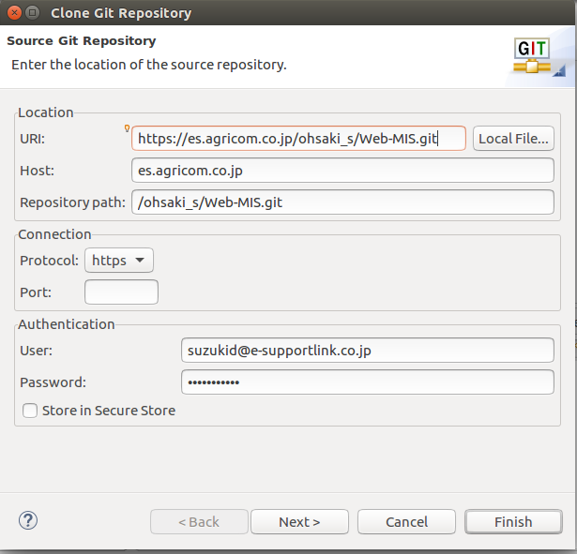

Git Credentials

 | (2) make downloaded source join in package explorer

 |  | a. open [package explorer] if not opened
 |  | https://qiita.com/koukonko/items/6a0fec1ee90e6a4c0481
 |  | [Window] > [Show View] >[Other] >[Java] > [Package Explorer] >Open
 |  | b. right click on [package explorer] , and new > project > pydev > pydev project
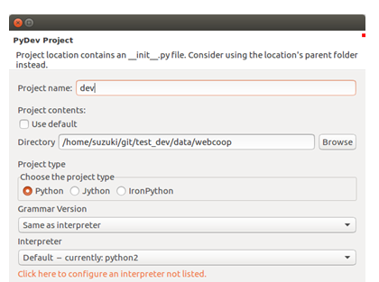
 |  | c. select addon folder which was made by cloning from git
 |  | c-1 uncheck [Use default] on Project contents
 |  | c-2 tap [Browse] and select the addon folder
 |  |  | ex.) /home/(username)/git/Web-MIS
 |  | c-3 input any name in [Project name] field , then tap finish
Local folder

 | (3) link to existing folder , for odoo package files and addon files , for debugging purpose
 |  | A. add linked folder for odoo package
 |  |  | a. select project folder which was made in previous step
 |  |  | b. and right click on [package explorer] , and new > other > pydev > link to existing source
 |  |  | c. tap [Browse] and select folder installed odoo package in. (select /usr/lib/python2.7/dist-packages/odoo )
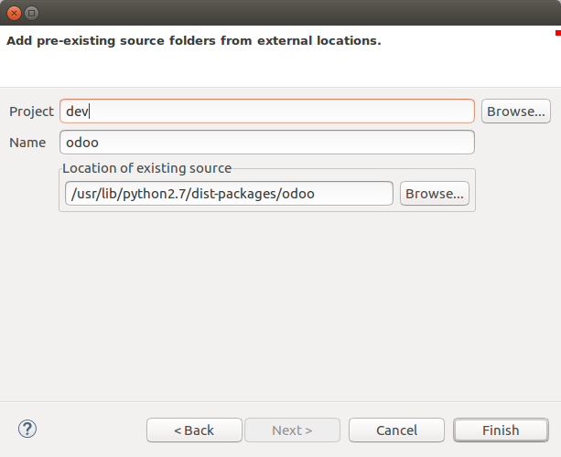

 |  | B. add linked folder for extra addons
 |  |  | add extra-addons folder which was made in procedure 2.8.(0) by same procedure as above
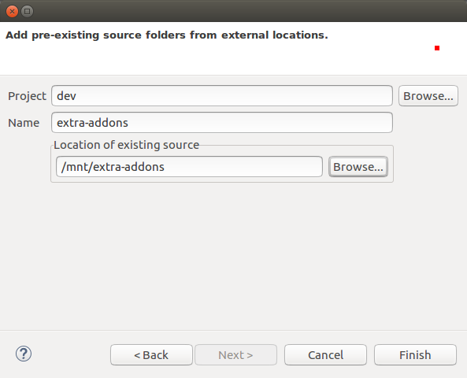

 |  | C.Then two linked folder will be shown in the project tree
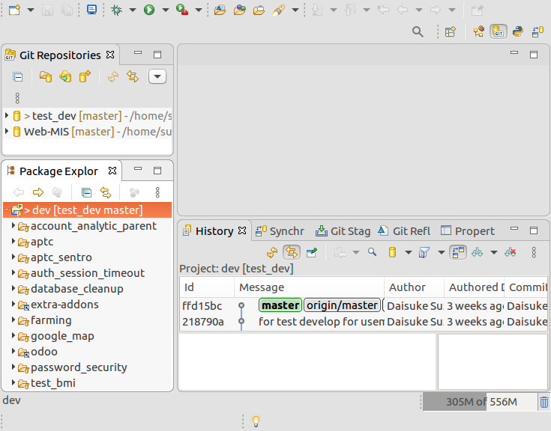

 | (4) create configuration file and execute file for debug

 |  | create necessary file for odoo execution and its configuration file for debug purpose

 |  | A. configuration file
 |  |  | a. select project folder and right click, and go [New] > [Other] > [General] > [File]

 |  |  | b. input any file name (for example [odoo-dev.conf] )

 |  |  | c. input following text file and save

 |  |  |  | [options]
 |  |  |  | ; This is the password that allows database operations:
 |  |  |  | admin_passwd = pass1234
 |  |  |  | db_host = localhost
 |  |  |  | db_port = 5432
 |  |  |  | db_user = odoo
 |  |  |  | db_password = odoo
 |  |  |  | db_template = template0
 |  |  |  | addons_path = /usr/lib/python2.7/dist-packages/odoo/addons,/mnt/extra-addons,/home/suzuki/git/test_dev/data/webcoop
 |  |  |  | xmlrpc = True
 |  |  |  | ;Log Settings
change the addons_path appropriately.
first one ( /usr/lib/python2.7/dist-packages/odoo/addons) is the default addon made by installation. second one (/mnt/extra-addons) is the one which was made in step 2.8(0).
third one is addon folder for customized modules , which was cloned from Git server in step 2.8.(1).
 |  |  |  | logfile = log_dev.log
 |  |  |  | log_level = debug
 |  |  |  | logrotate = True
 |  |  |  | #proxy-mode = True
 |  |  |  | proxy-mode = False
 |  |  |  | limit_memory_hard = 4831838208
 |  |  |  | limit_memory_soft = 4026531840
 |  |  |  | limit_request = 8192
file path for log
 |  |  |  | limit_time_cpu = 600
 |  |  |  | limit_time_real = 1200
 |  |  |  | #max_cron_threads = 1
 |  |  |  | #workers = 5

 |  | B. python file for start odoo

 |  |  | a. select project folder and right click, and go [New] > [Other] > [Pydev] > [Pydev Module]

 |  |  | b. input any file name (for example [odoo-bin.py] )

 |  |  | c. input following text file and save

 |  |  |  | #!/usr/bin/env python
 |  |  |  | # set server timezone in UTC before time module imported
 |  |  |  | __import__('os').environ['TZ'] = 'UTC'
 |  |  |  | __import__('pkg_resources').declare_namespace('odoo.addons')
 |  |  |  | import odoo
 |  |  |  | if __name__ == "__main__":
 |  |  |  | odoo.cli.main()

 | (5) configure debug envirionment

 |  | a. read odoo-bin file
 |  |  | a-1.right click on [odoo-bin]
 |  |  | a-2.select [Run as] > [Python Run]
 |  |  | a-3.stop by red rectangle mark on [console] tab
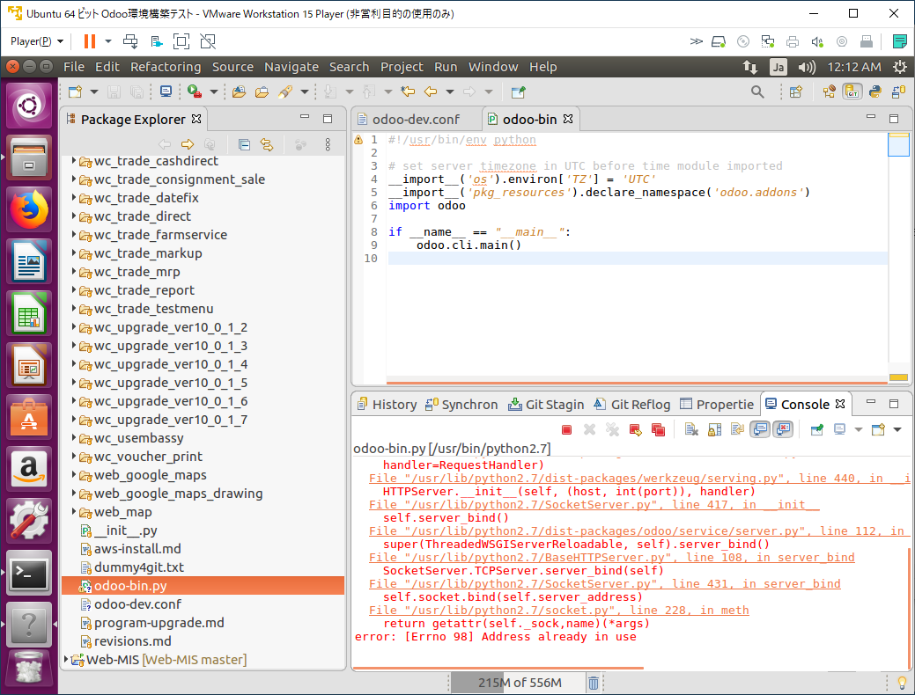

 |  | b. make setting for debug

 |  |  | b-1.right click on [odoo-bin]
 |  |  | b-2.select [Debug as] > [Debug configuration]
 |  |  | b-3.In left tree of [Debug Configuration], select [Python Run] > [xxx odoo-bin.py] , and select [Arguments] tab
 |  |  | b-4.tap [variables] on [Program arguments]

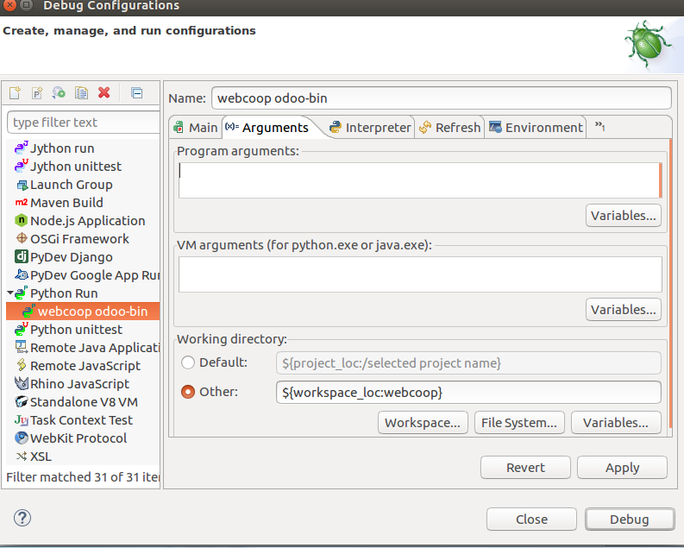

 |  |  | b-5.tap [edit variables] and tap [New]
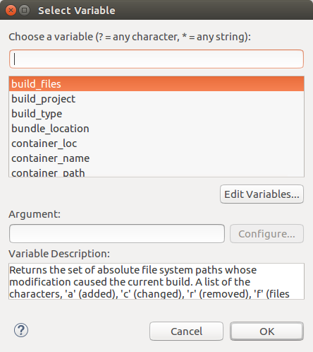

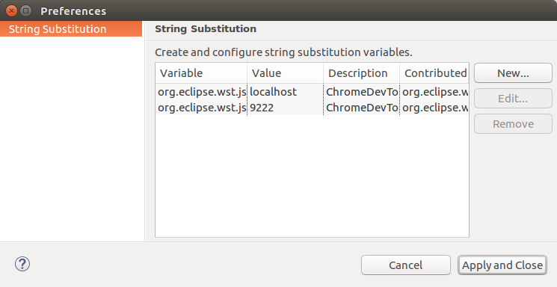

 |  |  | b-6.input
 |  |  |  | Name ; (any)
 |  |  |  | Value: [--config=/home/suzuki/git/test_dev/data/webcoop/odoo-dev.conf]
 |  |  |  | (set path for odoo configuration]


 |  |  | b-7.apply and close
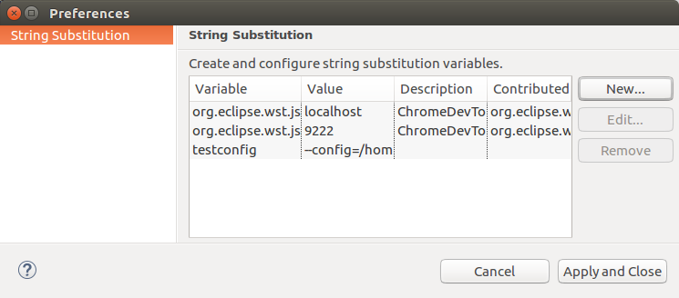

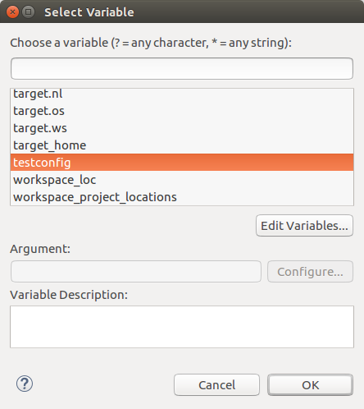
 |  |  | b-8. choose the added variable , and [OK]

 |  |  | b-9. the variable will appear on [Program arguments] field , and tap [Apply]
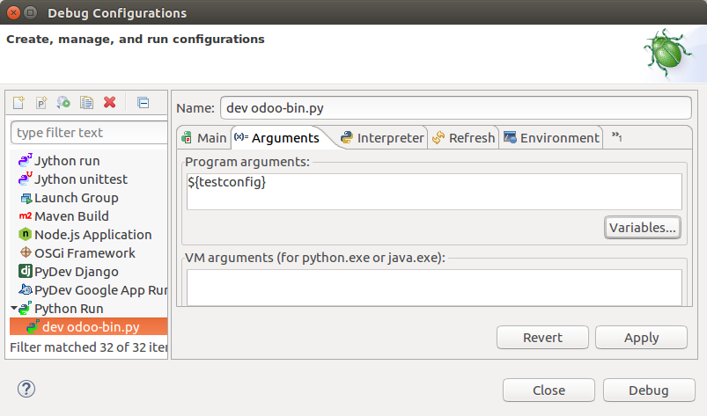

3. How to debug in PC

 | 3.1 stop odoo service which had been automatically started when OS start

 |  | $ sudo /etc/init.d/odoo stop
 |  | (and input password for superuser)




 | 3.2 In eclipse, right click [odoo-bin.py] , and select [Debug As] > [Debug Configurations]

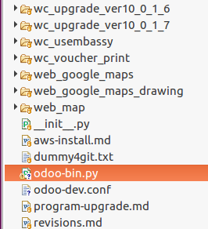


 | 3.3 select [xxx odoo-bin.py] in left tree , and tap [Debug]
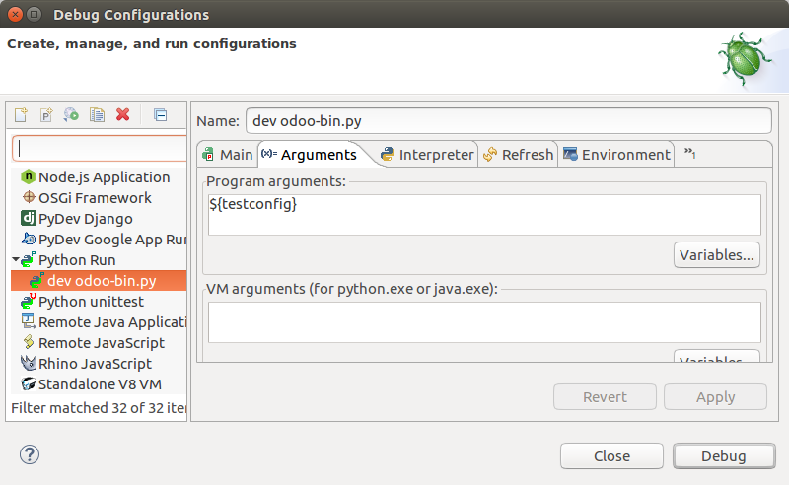

 | 3.4 access [http://localhost:8069] by browser
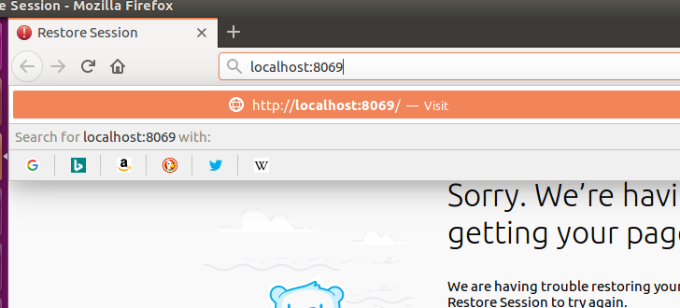

 |  |  | if the access failed, see log_dev.log

 |  |  | And if following error was issued , copy extra-addons file and paste them into extra-addons folder again.

 |  |  | ------
 |  |  | File "/mnt/extra-addons/access_apps/controllers/__init__.py", line 2, in <module>
 |  |  | from . import main
 |  |  | ImportError: cannot import name main

 | Login and Go to apps install the Following apps:

