a.AWS console
AWS console
 | AWS console access
 |  | https://180918087605.signin.aws.amazon.com/console
 |  | *need to have user name and password , if you need to add user goto [IAM] from console

 | How to see information of all EC2 instances (vpn server ,app server , file server ) and its related service (load balancer , security group ,etc)
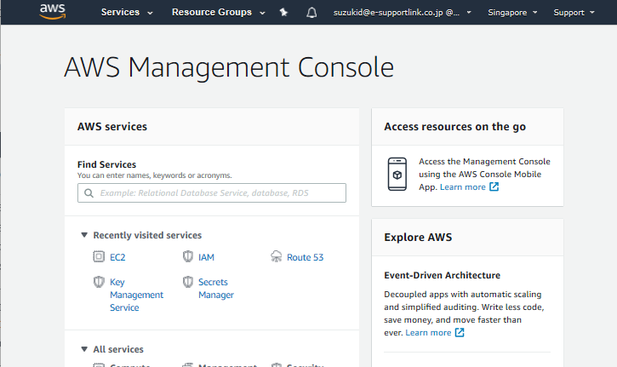
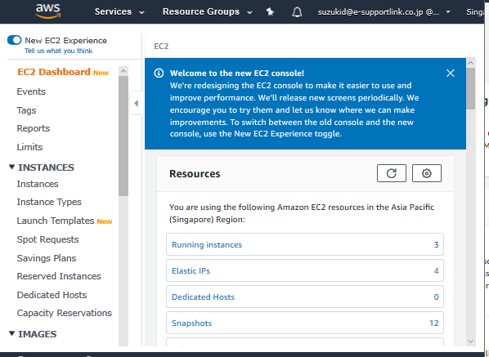

 |  | you can check the running status , ip , security group for each ec2 instance
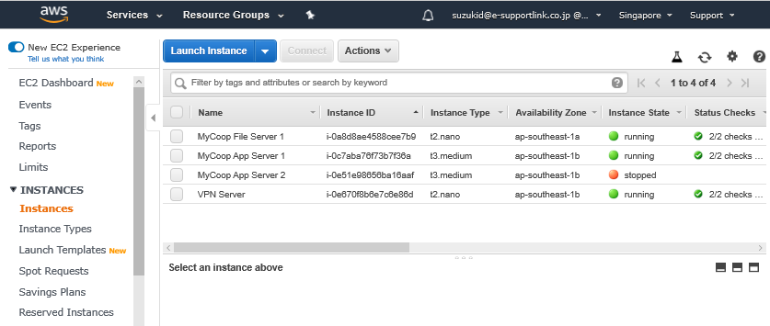

 | AWS EC2 by ssh
 |  | ** you need to access by ssh , for many purpose , such as , Program release , see log **
 |  | 1.Allow ssh access by your PC
 |  |  | note : For security reason , unexpected access is restricted by using AWS's security group tech.
 |  |  | So before accessing by ssh , you need to allow the ssh access from your PC only.

 |  |  | (1) select target server instance ,and click security group
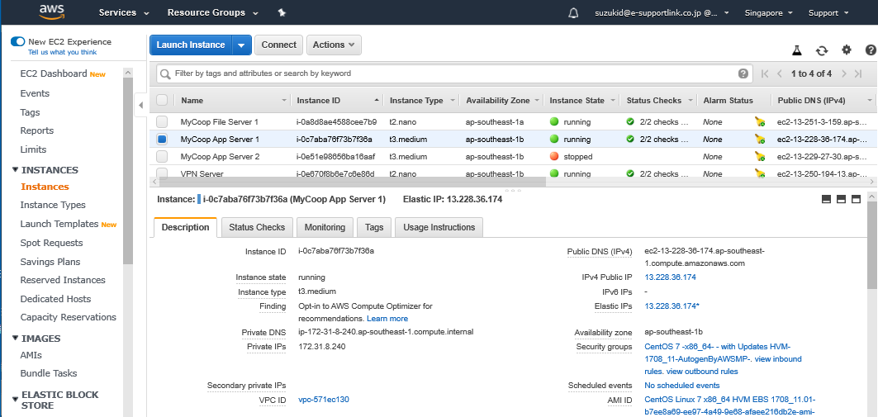

 |  |  | (2)Tap [Edit] button on [Inbound] tab
 |  |  |  | you can set , what type of access request should be allowed or not allowed in [Inbound] tab.
 |  |  |  | so from now , you will add ssh access only from your PC , here.
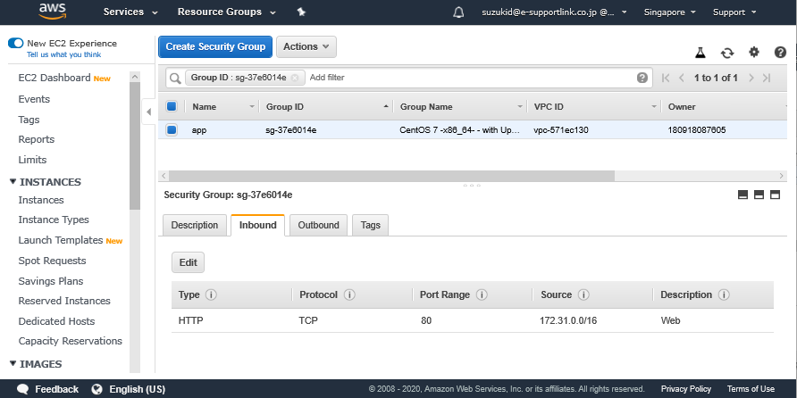

 |  |  | (3)Tap [Add Rule] , and

 |  |  | (4) select [SSH] in Type , and select [My IP] in Source , then tap [Save]

 |  | 2.access by Tera Term ( you can use other ssh access tool also)
 |  |  | (1) open Tera-term , and connect to the server
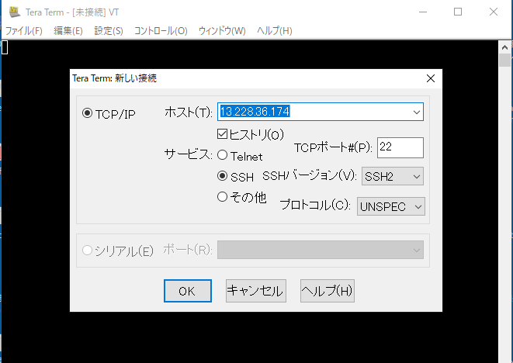

 |  |  |  |  | set here EC2's ip which you need to access
 |  |  |  |  | (you can know the ip in aws console)

 |  |  | (2) set [centos] in user name , and select [use RSA/DSA/ECDSA] radio button , then tap [secret key] button
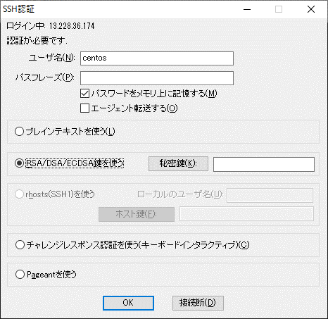

 |  |  |  |  | when tap [secret key] button , file selection form will open.
 |  |  |  |  | Then go to the folder , where you save key file (MyCoopApp_KP.pem]
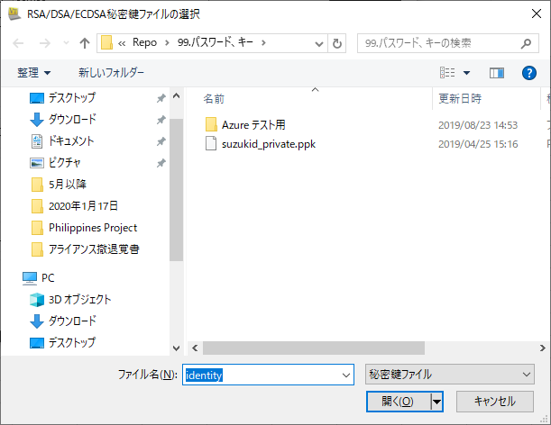

 |  |  |  |  |  | extension of [*.pem] is not displayed , ,
 |  |  |  |  |  | so change file type to all file

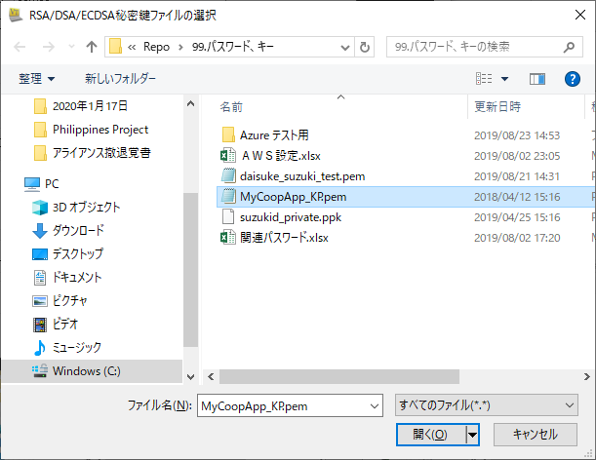
 |  |  |  |  | Then select [MyCoopApp_KP.pem] and select [Open].
 |  |  | Then tap [OK]
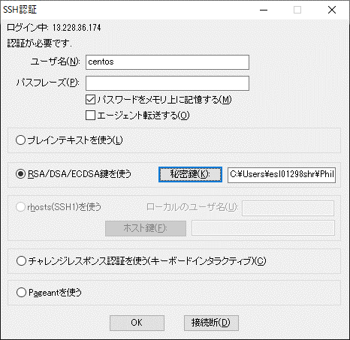

 |  |  | then you can access the server
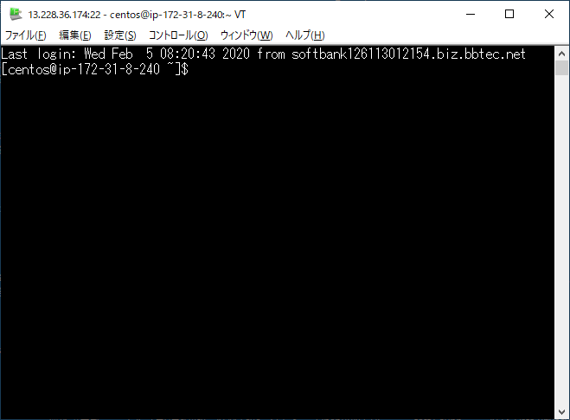

AWS secret key
 |  | * note
 |  | Every ec2 server is associated with secret key , and the secret key is necessary to access by ssh.
 |  | This key name is [MyCoopApp_KP.pem] made when the whole envionment was created , and the key was associated with each EC2 server when the instance was launched(created).
 |  | You need to keep the key properly , and should not copy it to someone basically without special reason.

 |  | If you lost the key , you have to get the key copy from other person who has the key already.
 |  | You cannot re-create the key again even if you have full access to EC2 by console, because the EC2 or AWS console doen't keep the key in it.
 |  | If you totally lost the key , you need to handle following step

 |  | 1.create new key pair
 |  | 2.create EC2's machine image (AMI) , and launch new EC2 by the AMI , and associate the key created in #1 with the EC2 when launching.

 |  | reference
 |  | https://aws.amazon.com/premiumsupport/knowledge-center/ec2-windows-replace-lost-key-pair/?nc1=h_ls

