L1
Loan Registration

 | Menu : Cooperative > Loans > Loan Register

 |  |  |  |  | 1. Tap [Create] Button

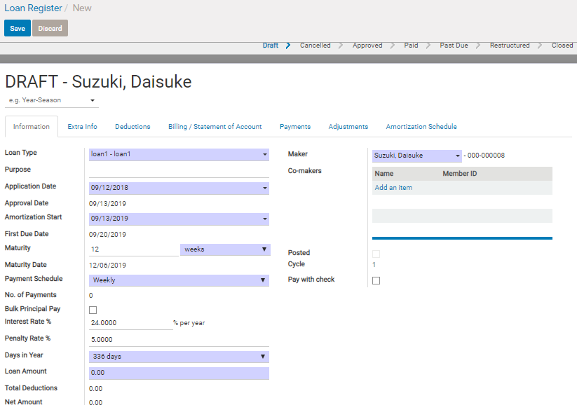

 |  |  |  |  | 1. Input necessary information and Save

 |  |  |  |  | ( refer to LR2 for understanding of loan products master and more)

 |  |  |  |  | Field reference

 |  |  |  |  | (◎…input requirement 、○…requirement but default display △…input if necessary）
 |  |  |  |  | ◎ | Loan type | : Select loan product
 |  |  |  |  | △ | Purpose | :any text
 |  |  |  |  | ○ | Appication date : date of loan application (not approved date
 |  |  |  |  |  | Approved Date:
 |  |  |  |  | ○ | Amortization Start |  | Start date of payment schedule
 |  |  |  |  |  | First Due Date |  | First date for payment.Computes by Amortization Start and Payment Schedule
 |  |  |  |  | ◎ | Maturity : loan term
 |  |  |  |  |  | Maturity Date |  | automatically calculated (computes Maturity Date based from Date of Enroll multipled by Maturity (number of months)
 |  |  |  |  | ◎ | Payment Schedule |  | loan payment schedule
 |  |  |  |  |  | No.of Payment |  | auto calculation

 |  |  |  |  | ○ | interest rate |  | annual rate for loan interest calculation, display master value but can be changed
 |  |  |  |  | ○ | penalty rate |  | one time rate for mis-payment penalty, display master value but can be changed
 |  |  |  |  | ○ | Days in Year |  | used for interest calculation as base number of daily interest rate

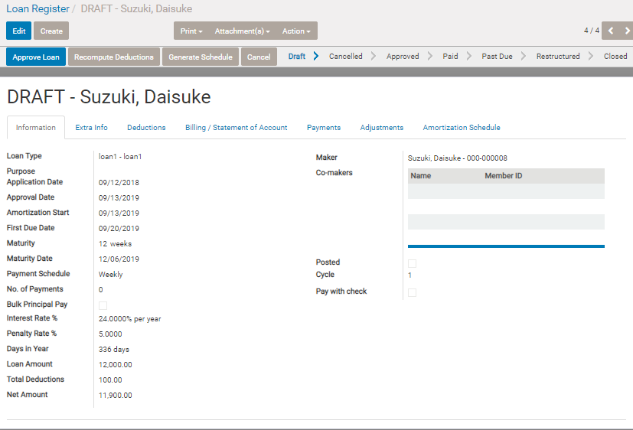

 |  | In details , refer to LR2

 |  | <Straight interest>
 |  | At first [total interest on total period] is calculated first , then devide it equally on each payment schedule
 |  | Loan principal is also devided on equally on each payment schedule
 |  | total interest is calculated by daily basis interest. [Loam Amount] * (days in loan term) / [Days in Year].
 |  | - Exception -
 |  |  | .If straight interest and the maturity is x months and montly schedule , total interest is calculated by (interest rate / 12 * x) simply .
 |  |  | So in this case , regardless total days of loan period , and Days in Year setting , loan interest total is same

 |  | <Diminishing interest>
 |  | Calculated by remaining principal at the date and daily basis interest depending on days since previous scheduled date.
 |  | Principal due is devided on each payment schedule , and remaining principal diminishes gradually. So interest payment on each time becomes smaller and smaller also.

 |  | <Diminishing interest (Fixed amount) >
 |  | Interest calculation logic is same as above.
 |  | But principal due is well adjusted , so that Principal due + interest due on each time become equall.

 |  | Maturity date |  | auto calculated by [Maurity] and calendar

 |  | No. of payment |  | auto calculated by other setting
 |  |  |  | if [Maturity] is x months and schedule

LR2_loan_logic
Loan Logic specification

 | 1. Example of Loan Type

 |  | ・Payment schedule is weekly , and interest per month is 2%. If mis-payment on each time , another 5% is imposed. Total period is 6 months.

 |  | ・Payment schedule is lumpsum , but only interest need to be paid monthly. (popular In case of agricultural loan )

 |  | ・Payment schedule is lumpsum , and part of disbursement amount is in kind (i.e. farm input ( popular In case of agricultural loan )

 | 2. Basic Work flow
 |  | Loan application --- approval
 |  |  | (1) Member fill in the loan application form and apply the loan
 |  |  | (2) Loan officer research the member's creditation and loan amount validity
 |  |  | (3) Loan officer entry the loan information , and make the amortization schedule and loan disclosure
 |  |  | (4) Loan officer gives them to loan manager
 |  |  | (5) Loan manager check it and approve. And print out loan disbursement voucher
 |  |  | (6) Loan manager give the documents to cashier
 |  | Loan approve --- disbursement
 |  |  | (1) After Daily Posting and Open Next day
 |  |  | (2) Member come to the office with loan disclosure to receive disbursement
 |  |  | (3) Cashier check the loan information
 |  |  | (4)The accountant cash out from their safety box and hand it to the member
 |  |  | (5)The member signs in the cash out voucher. The account book and keep the signed voucher.
 |  | Billing data extraction --- receive cash pay back --- register the payment data
 |  |  | (1)As a result of batch process of the date's closing ,billing data next of billing which reach due date will be extracted
 |  |  | (2)Collector retrieve and print out loans payment's billing info which should be paid on the date
 |  |  | (3)The collector visit the borrower or the designated meeting centor for get payment.
 |  |  | And he receive the payment , write the info no the collection sheet ,
 |  |  | and he will issue the receipt and give back it to the borrower.
 |  |  | (3')In some cases , the borrower visit the coop for the payment.
 |  |  | (4)After the collector check the received cash and its payment info written on the collection sheet brougt back by the collector,
 |  |  | and register the payment info into the system.

 | 3 Detail of logic related to loan

 |  | loan type master
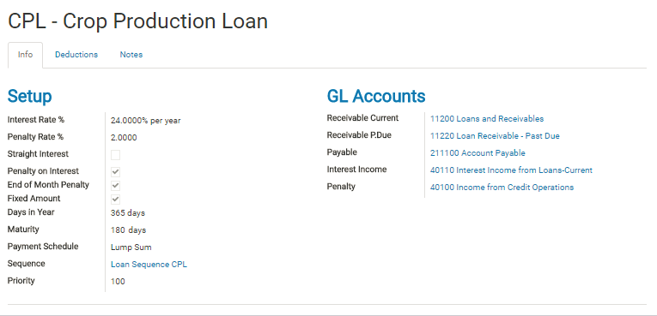

 |  |  | Intest Rate % |  |  |  |  | Loan interest （annual rate)
 |  |  | Penalty Rate % |  |  |  |  | Penalty of late payment (annual rate)
 |  |  | Straight Interest |  |  |  |  | If checked ,loan interest on each schedule will be calculated by straight interest logic
 |  |  |  |  |  |  |  | *in details , please see [※a Loan interest computation logic]
 |  |  | Round to Peso |  |  |  |  | Can be checked in case of straight interest. If checked , payment at each schedule will be rounded into natual number
 |  |  | Bulk Principal Pay |  |  |  |  | Can be checked in case of stragith interest. Use this flag in case that only interest is periodically imposed but principal is lumpsum payment.
 |  |  | Penalty on Interest |  |  |  |  | If checked , 、penalty = (remaining principal due + remaining interest due) * penalty rate
 |  |  |  |  |  |  |  | If un-checked ,remaining principal due * penalty rate (standard )
 |  |  | End of month penalty |  |  |  |  | In case of short term schedule (such as daily ,weekly) , there is a case that they impose penalty only one time monthly.
 |  |  |  |  |  |  |  | Use this flag for it.
 |  |  | Fixed Amount |  |  |  |  | In case the loan amortization schedule is not lumpsum , the computation way for amount of each payment has two type of it.
 |  |  |  |  |  |  |  | If Fixed Amount , the payment amount per each scheduled date is basically equal , then principal and interest is calculated back from payment amount.
 |  |  |  |  |  |  |  | If not checked , principal due is same at each time , but interest is depending of remaining balance , so total payment is different each time.
 |  |  | Days in Year |  |  |  |  | Use days set here for calculating daily loan interest.
 |  |  | Maturity |  |  |  |  | Loan term.
 |  |  | Payment Schedule |  |  |  |  | Daily , Weekly , semi-monthly , 15 days, monthly , 30 days , quarterly , semi-annual , annual , lumpsum

 |  |  | Priority |  |  |  |  | Priority for payment allocation in case of using multiple-payment function.
 |  |  |  |  |  |  |  | In case of same amortization start date ,this priority is used for payment allocation priority for principal.

 |  |  |  |  |  |  |  | If there are 3 loans with same amorization start and each loan has priority number 1, 2, 3 , payment allocation will be done by following sort
 |  |  |  |  |  |  |  | 1. penalty due of loan with priority number1 2. penalty due of loan with priority number2 3. penalty due of loan with priority number3
 |  |  |  |  |  |  |  | 4. interest due of loan with priority number1 5.interest due of loan with priority number2 6. interest due of loan with priority number3
 |  |  |  |  |  |  |  | 7. principal due of loan with priority number1 8. principal due of loan with priority number2 9. principal due of loan with priority number3

 |  |  | GL Accounts
 |  |  |  | Receivable current |  |  |  |  | Account for

 | Deduction
 |  |  | Coops may impose some fee, expense ,saving deposit, cbu deposit , or/and etc.
 |  |  | Above is deduction item fields of loan type maste.
 |  |  | Amount calculation type is 2 ways. One is Factor ( certain persentage of loan amount ) , other one is Amount ( certain amount regardless loan amount).
 |  |  | If checked Net Include, the amount will be deducted at the loan disbursement.
 |  |  | If checked Recuring , the amount will be added on loan billing data of each payment timing. ( this additional due amount is
 |  |  |  |  |  |  |  |  |  |  |  |  |  |  |  |  | out of computation of penalty when its payment is delay.)
 |  |  | GL Account is the Chart of account for the deduction transaction movement.
 |  |  |  | In case the deduction item is Net Include, the deduction amount will be posted with the GL account when daily posting of the date of the loan approved.
 |  |  |  | (Dept: Account Payable Credit: (GL Account of the deduction item) )
 |  |  |  | In case the deduction item is Recuring , the amount will be posted at daily posting of the date of collected and approved the payment.
 |  |  | Cbu or/and saving deposit can be set as a deduction item, and in this case , the amount will be deposited
 |  |  |  |  |  |  |  |  |  |  |  |  |  |  | on the loanee's cbu(saving ) while account transaction is made.

 |  |  |  | The timing of transaction occur is , daily posting in case of Net Include , and payment approve in case of Recuring.
 |  |  |  |  | The deduction item whose Code is [CBU] , the amount is recognized as CBU deposit item.
 |  |  |  |  | The deduction item whose Code is [SA] , the amount is recognized as Saving deposit item.
 |  |  | And some coop , they gather interest in advance as deduction at disbursement.
 |  |  |  | The deduction item for using this purpose is code [ADV].
 |  |  |  | If using this code , interest on last payment timing is deducted from disbursement amount.
 |  |  |  | (If using [ADV2] [ADV3] ,interest on last 2 times or 3 times will be deducted from disbursement)
 |  |  |  | Note: if using this ADV code , we need to set same GL account as Loan Interest's GL account.

 | Basic information
 |  | Computation method of loan interest is simple calculation (not compound calculation). Registered rate of the interest is annual rate.
 |  | There are several type of payment frequency, it is daily , weekly(every 7 days) , twice per month( 15 days after and month(s) after ) ,
 |  |  |  |  |  |  |  |  |  |  |  |  |  |  | monthly , quarterly , annual , lumpsum (one time).
 |  | Payment amount computation method of two types, one is that payment amount (principal + interest ) is equal on each payment ,
 |  | and other one is that principal payment amount is equal but interest and summary amount is different depending on the scheduled date.
 |  | (Its detail computation logic reference is written on *a . )
 |  | Payment schedule (frequency ,annual interest , maturity month) is decided tetatively on loan type master , but they can chage a bit on each loan transaction.

 | Amortization schedule ( payment schedule )
 |  | The amortization schedule is created based on the information registered in loan transaction.
 |  | Detail information and logic is written on *a.

 | Timing of billig data creation
 |  | First billing data is created when the loan is approved.
 |  | Second onwards billing data is created in daily closing batch process of the date of the first billing data's due date.
 |  | In this process, if the loan of calculation target has unpaid principal remaining in the bills already reached the due date,
 |  |  |  | penalty is calculation against its unpaid principal , then the penalty is add on the next billing data.
 |  | (If the partial payment has been done , penalty calculation is done on remaining principal.)

 | Interest computation method
 |  | In case of diminishing interest calculation ( standard) ,
 |  | [Principal balance when the billing data is created] * [Interest correspoinding on date period from previous bill's] ( [Interest (annual)] * [days from previous] / (365 or 360 or 336)
 |  | ( denominator 365 or 360 or 336 is set on the loan type master.)
 |  | Round on the decimal of 2 degits.

 |  | In case of straight interest ,
 |  | at first system calculate total interest corresponding to total loan period and then divide it by payment count.
 |  | And if [round to peso] flag is on , system round each interest into natual number. And adjust total interest at last time.

 |  | *after maturity date
 |  | in case of diminishing, interest will be imposed each month after regardless the original loan schedule.
 |  | in case of straight interest , interest will not be calculated after maturity date.

 | Penalty computation method
 |  | Penalty amount = [Principal amount which is billed before today but not paid] * [Penalty rate correspoinding on date period from previous bill's]
 |  |  | ( [Penalty rate (annual)] * [days from previous] / (365 or 360)
 |  | ( denominator 365 or 360 is set on the loan type master.)
 |  | Timing of penalty computation is when the billing data is created. When the billing data is created , penalty against principal amount billed already before today is added on the current bill.
 |  | Penalty after maturity date is computated by monthly after the maturity date.
 |  | This is same meaning of delay penalty interest. After maturity date, the penalty amount and general interest amount is added.

 |  | There are some coops that they impose penalty only after maturity date , but not on each payment before maturity date.
 |  | And , some coops has a special penalty computation policy (ex, impose certain amount on each time ,etc).
 |  | For these coops operation , it is supposed to use Adjustment function ( penalty amount or each bill can be adjusted by this function ).

 |  | [Penalty rate] * [principal due at the time of missed-payment]
 |  |  | * if [end of month penalty] is on , missed-payment penalty within a month is waived and each monthly the penalty is calculated
 |  |  | * if [ penalty on interest ] is on , penalty = panalty rate * (principal due + interest due )

 | Payment and settlement
 |  | Payment amount is allocated on balance of penalty first , then balance of interest second , balance of other due third , and balance of principal last.
 |  | If the payment amount is over the amount which is already billed , the surplus is allocated on principal balance.
 |  | Billing data will be created as amotization schedule unless the principal balance is less than original principal due of the billing.
 |  | If less than original, the remaining principal is billed as principal due.
 |  | And , if principal balance is zero , the billing data will not be created and the loan status will change to Paid.

 | Co-Maker
 |  | In other word,it is joint surety.
 |  | If loanee cannot pay back , coop can bill and collect the balance from Co-maker. And the Co-maker can collect from the original loanee by themselves.
 |  | In general , they can use this style of loan for group lending loan.
 |  | In WebCoop , Co-Maker is registered as reference information mainly.
 |  | There is not special logic for billing to Co-maker in case of unpaid occurred, but if searching collective info of Co-maker in collection entry function ,
 |  | the loan (which the member is registered as Co-maker) is also appeared on collective list, and can entry collection data to the loan by Co-maker's payment.
 | Report
 |  | ・Loan disclosure (with loan amortization schedule ) : detail of amount of loan application and deductionamount, it will be handed to the loanee when loan approved.
 |  | ・Statement of account : loan detail info with balance, payment amount ,schedule ,interest , penalty , etc. Use this calculation detail sheet for collection of payment.
 |  | ・Cash disbursement journal : hand it at loan disbursement
 |  | (Loan amount will be disbursed after daily closing of the date of loan approved.)

 | Loan Disbursement
 |  | Disbursement net amount is loan amount minus deduction amount.
 |  | First the loan is approved, then after daily posting of the approved date , the loan account payable data will be created on accouting side.
 |  | And when disbursement , accountant register payment info on the accont payable data in the system.
 |  | Therefore , loan disbursement is at least one operation date after the loan approval.
 |  | ( In case the daily posting is done during date time , disbursement registration is done within the date.)

 | ※a Loan interest computation logic

 |  | Word definition
 |  | A. Diminishing and Flat(Straight) Interest calculation
 |  |  | [Diminishing] is , interest is calculated based on remaining principal balance at each paymant schedule.
 |  |  | In this case, interest will decrease gradually if payment is done at each time on scheduled.
 |  |  | [Flat interest] is, at first system calculate total interest corresponding to total loan period and then divide it by payment count.
 |  |  | So in this case, interest at each time is equal and total payment is bigger than diminishing.
 |  |  | [Diminishing] is standard ,and also MFI should select it in general.
 |  | B. Fixed amount ( only in case of [Diminishing])
 |  |  | [Fixed Amount] is the payment total at each time which is adjusted so that each payment total at each schedule is same in case of dimisnishing.
 |  |  | As said above , diminishing interest calculation result is depending on principal balance ,
 |  |  | so calculation for fixed amount is a bit complicated. (see below.)

 | 1 | Computation logic detail for each payment due date

 |  |  | ① in case of unfixed amount
 |  |  |  | Same principal due at each time. Interest is different each time , therefore actual payment amount is different
 |  |  |  |  | (1)Principal due |  |  |  |  |  | A/n (Round at 2 decimal degit)
 |  |  |  |  | (2)Interest due |  |  |  |  |  | [principal balance at the due date of the bill] *
 |  |  |  |  |  |  |  |  |  |  |  | [Interest correspoinding on date period from previous bill's] ( [Interest (annual)] * [days from previous] / (365 or 360)
 |  |  |  |  | (3)Payment amount |  |  |  |  |  | (1)+(2)
 |  |  | ② in case of fixed amount
 |  |  |  | Same payment amount per each payment
 |  |  |  |  | (1)Payment amount |  |  |  |  |  | C * A * (1 +1/((1+C)^n-1)
 |  |  |  |  |  |  |  |  |  |  | round UP by 1 decimal degit and make it natural number
 |  |  |  |  |  |  |  |  |  |  | Same amount from first to (n-1)th payment . And gap because of the rounding is adjusted at last time payment
 |  |  |  |  |  |  |  |  |  |  |  | A = loan principal amount
 |  |  |  |  |  |  |  |  |  |  |  | B = annual interest rate
 |  |  |  |  |  |  |  |  |  |  |  | C = interest rate corresponding on one payment period
 |  |  |  |  |  |  |  |  |  |  |  |  | if yearly: C=B , quaterly: C=B/4 , monthly: C =B/12 , 2times per month: B/24 , weekly: B*7/(365 or 360) , daily: B/(365 or 360)
 |  |  |  |  |  |  |  |  |  |  |  | n = no. of payment
 |  |  |  |  | (2)Interest due |  |  |  |  |  | [principal balance at the due date of the bill] *
 |  |  |  |  |  |  |  |  |  |  |  | [Interest correspoinding on date period from previous bill's] ( [Interest (annual)] * [days from previous] / (365 or 360)
 |  |  |  |  | (3)Principal due |  |  |  |  |  | (1)-(2)

 |  |  |  |  | memo: why the fixed payment amount can be computed by formula [ C * A * (1 +1/((1+C)^n-1) ]
 |  |  |  |  |  | 1. suppose following variables
 |  |  |  |  |  |  | Z(n) : principal balance before (n)th billing ( interest computation source at (n)th billing )
 |  |  |  |  |  |  | x : fixed payment amount
 |  |  |  |  |  |  | a : interest rate corresponding with one payment duration
 |  |  |  |  |  | 2. interest at each time can be calculated by below formula by using above variables
 |  |  |  |  |  |  | Z(n) * a
 |  |  |  |  |  | 3. And Following formula is determined
$$\sum_{k=1}^{n}{Z(k)}$$
* a = x * n - Z(1) ・・・ ①

$$\sum_{k=1}^{n}{Z(k)}$$

 |  |  |  |  |  | 4. And try to calculate

 |  |  |  |  |  |  | ・Z(k) is principal balance before (k)th billing , therefore following recurrence relation formula is determined.
 |  |  |  |  |  |  |  | Z(k+1) = Z(k) - (x - Z(k)*a) = Z(k)(1+a) - x
 |  |  |  |  |  |  |  | ↓
 |  |  |  |  |  |  |  | Z(k+1) = Z(k)* A - x (A=1+a)

 |  |  |  |  |  |  | ・So Z(k) is difference sequence ,therefore summary of Z(k) can be describe by one formula by following steps
 |  |  |  |  |  |  |  | (i) transform above recurrence relateion formula like below
 |  |  |  |  |  |  |  |  | ⇒ | Z(k+1) - (x/(A-1)) = (Z(k) - (x/(A-1))) * A
$$\sum_{k=1}^{n}{G(k)}$$
 |  |  |  |  |  |  |  |  | ⇒ | G(k+1) = G(k) * A ( G(k) = Z(k) - (x/(A-1)) = Z(k)-x/a )
= G (1) * (A^n - 1) / (A-1) = G(1) * ( A^n-1 ) / a
 |  |  |  |  |  |  |  |  | ⇒

$$\sum_{k=1}^{n}{Z(k)}$$
=
$$\sum_{k=1}^{n}{G(k)}$$
+ x/a *n = G(1) * (A^n - 1) / a + x/a *n
 |  |  |  |  |  |  |  |  | ⇒

= (Z(1)-x/a)*(A^n-1)/a + x/a *n = (1/a)* ((Z(0)-x/a)*(A^n-1) + x*n)

 |  |  |  |  |  | 5. Then substitute the result of 4 to ①
$$\sum_{k=1}^{n}{Z(k)}$$
* a = x * n - Z(1) ・・・ ①

 |  |  |  |  |  |  |  | ⇒ | (1/a)* ((Z(1)-x/a)*(A^n-1) + x*n) * a = x * n - Z(1)
 |  |  |  |  |  |  |  | ⇒ | (Z(1)-x/a)*(A^n-1) + x*n = x*n - Z(1)
 |  |  |  |  |  |  |  | ⇒ | (Z(1)-x/a)*(A^n-1) = -Z(1)
 |  |  |  |  |  |  |  | ⇒ | (Z(1)-x/a) = -Z(1)/ (A^n-1)
 |  |  |  |  |  |  |  | ⇒ | -x/a = -Z(1)/ (A^n-1) - Z(1)
 |  |  |  |  |  |  |  | ⇒ | x = a * Z(1) * ( 1/(A^n-1) + 1)
 |  |  |  |  |  |  |  |  | x = a * Z(1) * ( ((1+a)^n - 1)^(-1) + 1)

Enter these yellow field
 |  | simulation of interest computation

 |  |  |  | Loan Principal |  |  |  |  |  | ⇒ | 10000
 |  |  |  | Annual interest |  |  |  |  |  | ⇒ | 0.12
 |  |  |  | year days count(360 or 365) |  |  |  |  |  | ⇒ |  |  |  | 365
 |  |  |  | No. of Payment |  |  |  |  |  | ⇒ | 5
 |  |  |  | One payment duration |  |  |  |  |  | ⇒ | 30
Then result will appear here
 |  |  |  | （1 if Daily、7 if Weekly、15.21 if 2times per month、 30.42 if monthly）

 |  |  |  |  |  |  |  |  |  |  |  |  |  | Fixed Amount |  | Not Fixed Amount
 |  |  |  | Interest corresponding on duration days |  |  |  |  |  |  |  |  |  | 0.0098630136986 |  | 0.0098630136986
 |  |  |  |  | Payment amount |  |  |  |  |  |  |  |  | 2060 |  | Principal due + Interest due
 |  |  |  |  | Principal due |  |  |  |  |  |  |  |  | Payment - Interest due |  | 2000
 |  |  |  |  | Interest due |  |  |  |  |  |  |  |  | Principal balance * interest corresponding on ACTUAL duration days |  | Principal balance * interest corresponding on ACTUAL duration days

 | 2 | schedule
 |  |  |  | daily |  |  |  |  | 1/1 , 1/2 , 1/3 , … , maturity date
 |  |  |  | weekly |  |  |  |  | 1/1 , 1/8 , 1/15 , 1/22 , 1/29 , … , maturity date
 |  |  |  | every 15 days |  |  |  |  | 1/1 , 1/16 , 1/31 , 2/14 , 3/1 , 3/16 … , maturity date
 |  |  |  | 2 times a month |  |  |  |  | 1/1 , 1/16 , 2/1 , 2/16 , 3/1 , 3/16 , , maturity date (15days and one month )
 |  |  |  | every 30 days |  |  |  |  | 1/1 , 1/31 , 3/2 , 4/1 ,… , maturity date
 |  |  |  | monthly |  |  |  |  | 1/1 , 2/1 , 3/1 , 4/1 … , , maturity date (every month)
 |  |  |  | quarterly |  |  |  |  | 1/1 , 4/1 , 7/1 , … , , maturity date
 |  |  |  | yearly |  |  |  |  | 1/1 , … , , maturity date
 |  |  |  | lumpsum |  |  |  |  | one time on maturity date

 | Calculated by Payment schedule and maturity
 | (Payment schedule) |  |  |  | (no.of payment) |  |  |  |  |  | (schedule)
 | daily |  |  |  | same as period of loan days |  |  |  |  |  | every day after loan date to maturity date (loan date + maturity(months) )
 | weekly |  |  |  | week count before maturity date +1 |  |  |  |  |  | every 7 days after loan date before maturity date , and maturity date

 | bi-monthly |  |  |  | Maturity * 2 |  |  |  |  |  | 15days after loan date, next month , 15days after , next month ,,,continue upto maturity date

 | montly |  |  |  | same as Maturity |  |  |  |  |  | every month after loan date to maturity date
 | quarterly |  |  |  | Roundup(Maturity/3) |  |  |  |  |  | every 3month after loan date before maturity date , and maturity date
 | yearly |  |  |  | Roundup(Maturity/12) |  |  |  |  |  | every year after loan date before maturity date , and maturity date
 | lumpsum |  |  |  | 1 |  |  |  |  |  | one time at maturity date

 | [Balance at the date ] * [interest rate] * [days after previous due date (or loan date if first time)] / 365
 | (Round by 3 degit of decimal)

 | 2 Types of Payment amount calculation logic

2.Payment Schedule

3.Interest

4.Payment amount of each time

LR3_Loan Consolidation
Feature of [Loan consolidation] is a extended feature of loan restructure , it allows to restructure several loan and re-create the new ONE loan.
In the new loan consolidated, balance of the original loan which was source loans of consolidation will be summarized , and will be added as deduction items of the new consolidated loan.

1 | Select target loans for restructure , and click [Loan Consolidate Restructure] from action menu
 |  | *cannot select different member's loan
 |  | *cannot select draft loan, paid loan ,restructured loan,and consolidated loan.
 |  | (cannot consolidate twice by default, if you want to allow it , need to check on [allow re-consolidate on company setting (refer #6])
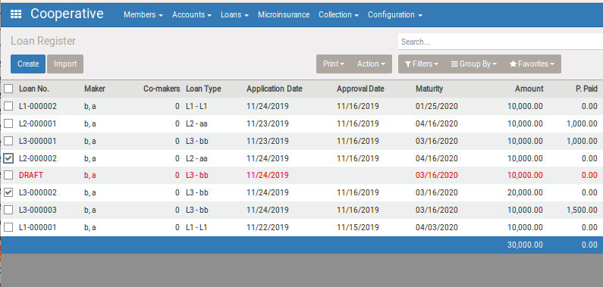

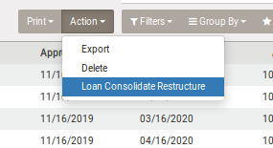

2 | [Loan Consolidate Restructure] form will open

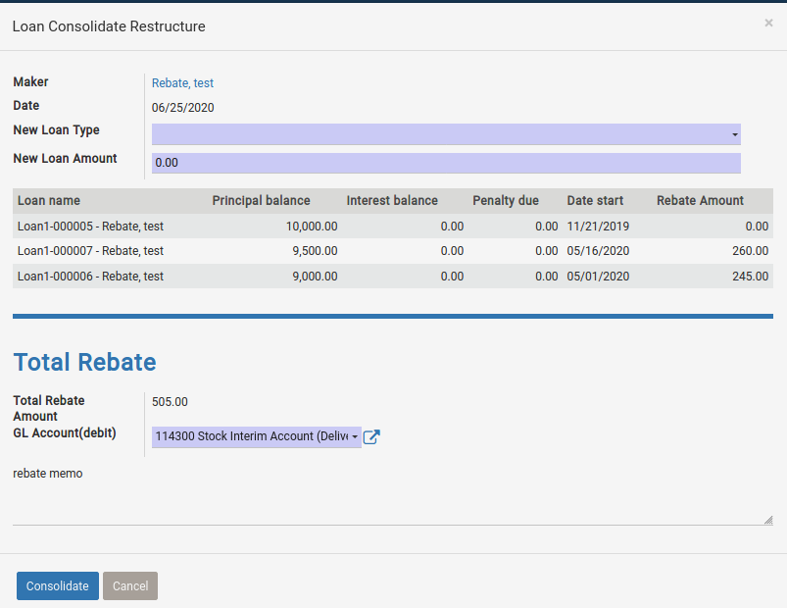

 |  |  |  |  | Rebate amount
 |  |  |  |  | Rebate amount is the amount which should be returned if member paid earliear than the maturity date , because
 |  |  |  |  | in case of usembassy , the intererst amount has already been fully deducted in advance ( at the timing of loan relaease).

 |  |  |  |  | Same case should be considered in loan consolidation , meaning, if the concolidated date is earlier than the original loan's maturity date,
 |  |  |  |  | interest corresponding to the term shorten should be rebated.
 |  |  |  |  | This rebate amount is calculated by below.
(Logic get from Usembassy)
In case of
-Loan Amount = 40,000
- # of Pay Period = 40
- Allotment per pay Period = 1,000
- The member paid loan in 38 pay period instead of 40
If in case that the total
1.Total Interest Paid for the Loan = ((Allotment x (Number of Pay Period + 1) x Number of Pay Period) / 2) x 0.005
= ((1000*(40+1)*40)/2)*0.005 =4100
2.Total Paid Interest in Advance = ((Allotment x (Number of Paid Period + 1) x Number of Paid Period) / 2) x 0.005
= ((1000*(38+1)*38)/2)*0.005 = 3705
3. Rebates = Total Interest Paid for the Loan - Total Paid Interest in Advance
= 4100 - 3705 =395
(System logic (same meaning of above))
1. get unbilled amortization count by counting amortization lines where [date_due] > current date
2. get paid bill count by [ (#of pay period) - (1) ]
3. calculate a, b by below
a = (allotment per period (1000)) * (#of pay period + 1 ) * (#of pay period) * 0.0025
b = (allotment per period (1000)) * (paid count(get by 2) + 1 ) * (paid count(get by 2) ) * 0.0025
4. rebate amount = a-b

 | 3. Loan registration (for consolidated loan) form will open
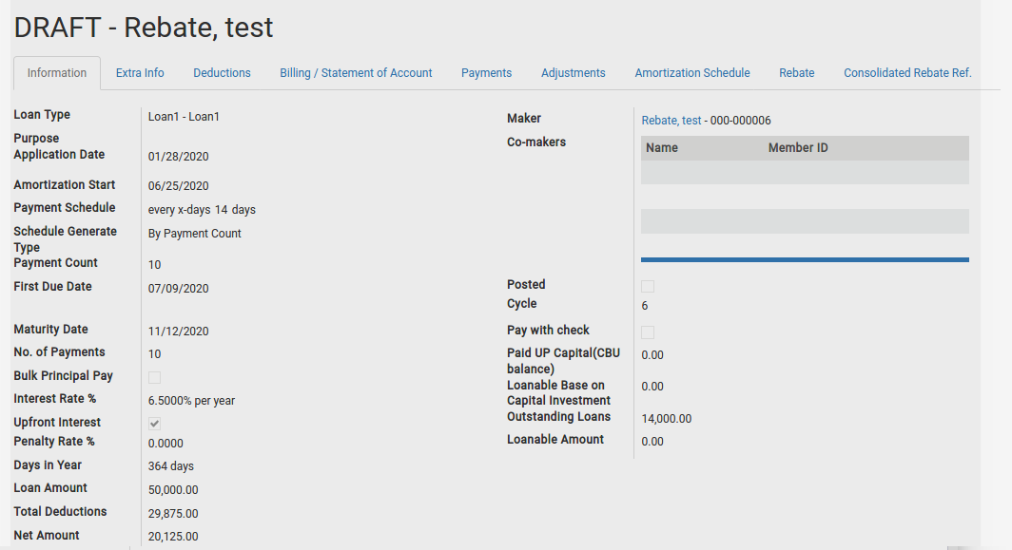

 |  |  |  |  | In [Consolidated Rebate Ref] tab, rebate amoun for original loan will be shown

 |  |  |  |  | In [deductions] , all consolidated original loans remaining principal balance will be shown

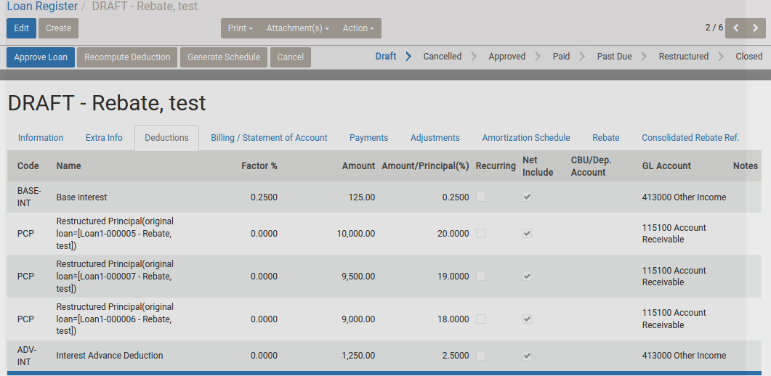

 |  |  | Rebate amount will be appeared on [B.Less amount] area
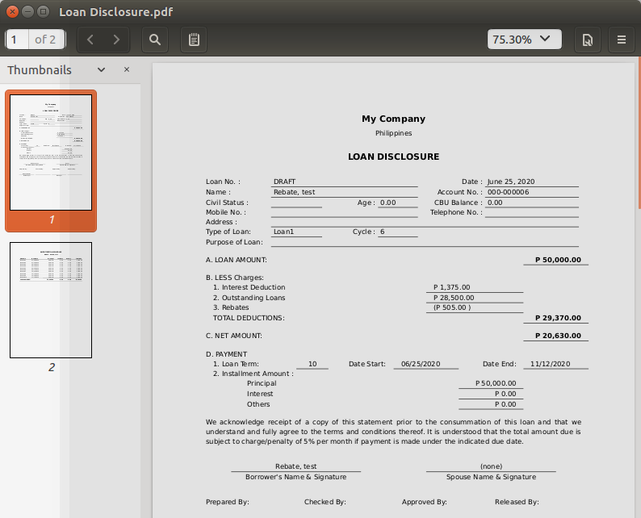

 |  | what happens in original loan form

 |  |  | Rebated amount will be appeared on [Reagte] tab on original loan form
 |  |  | The status of the original loan becomes [Restructured]

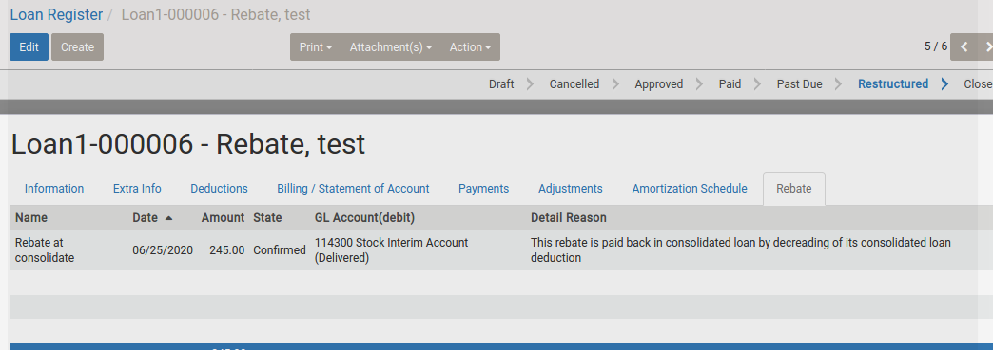

 |  |  |  | This rebate amount transaction will be posted as cash release transaction by daily posting

L1 Loan Registration
Loan Registration

1. Basic information
 | ITEM |  | VALUE
 | Menu Name |  | Loan Register
 | Name |  | wc_loan.action_loan
 | Model |  | wc.loan
 | View mode |  | tree, form

2. Screen transition

Loan Multi-Payment
(modal)

Action > loan multipayment

Loan Payment
(as new form)

Loan Register (Tree , Form )
 |  |  |  | App Payment

 |  |  |  | [+]button on billing tab
Add Adjustment
(modal)

reference form , whic h is Auto Linked from relation field
 |  | Search , Create , Edit , Save

Co-maker
(add able in Draft state)

Loan SOA
Payments
(confirm and reverse is avale)

Adjustments

Loan Amortization Schedule

4.View

A. Search and List type view

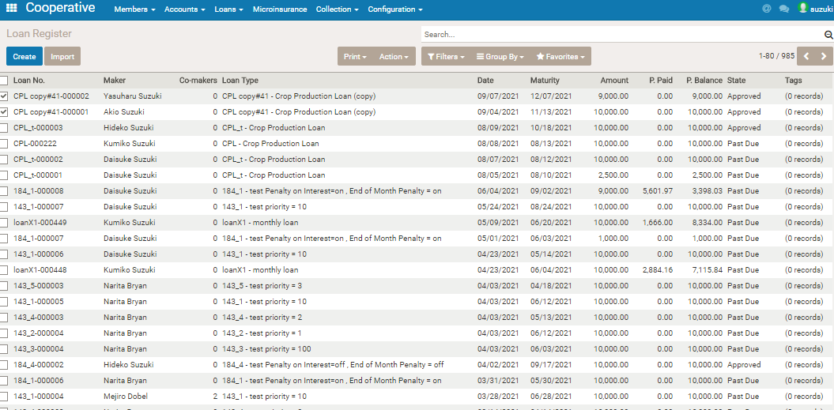

 | 1.Basic
 | Fillter | Approved = True
 | Other | Draft records are displayed in red
 |  | Closed records are displayed in grey
 | 2. Field
 | Item |  | note
 | Branch
 | Loan No.
 | Maker
 | Co-Makers |  | counts number of co-makers entered
 | Loan Type
 | Date
 | Maturity Date
 | Loan Amount
 | State
 | Tags |  | counts of tags(attribute) set on the loan

 | 3. Print
 | Loan disclosure |  | When loan contract making , MFI needs to issue theloan disclosure report to the loanee as loan evicence
 | Statement of account
 | Loan disbursement vouchar |  | Loan disbursement vouchar given to loanee with cash when loan releasing
 | 4. Action
 | loan Consolidate Restructure |  | Open [Loan Consolidate Restructure] window as modal.

B.Form View (Business Document View)

 | 1. Header
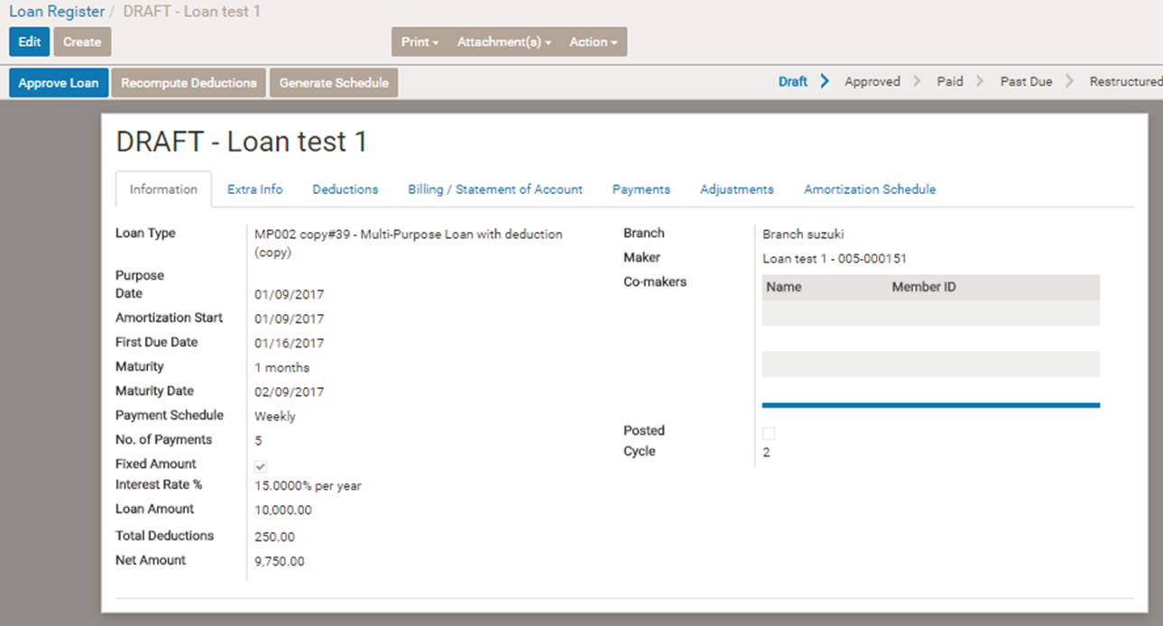

 | Item |  | logic
 | Approve Loan |  | Update Amortization schedule tab's info , and make first billing/statement account info, then save. Change status to Approved.
 | Cancel |  | Change the status to Cancelled
 | Back to Draft Force Draft |  | Change the status to Draft ( from Cancelled) , but if the approved date is only in case
 | Generate Schedules |  | Displayd in case of Draft. Make and Update the amortization schedule. ( model = wc.loan.amortization ) For the detail logic of the schedule , refer to other document.(Specification of Loan）
 | Reconpute deduction |  | Displayd in case of Daft , Approved. Recompute deduction by updated information , and update deduction tab information.
 | Add Payment |  | Open Loan Payment form as modal window.
 | Restructure Loan |  | Change status to Restructured. Create new loan with deduction item of un-received item and amout , as draft state.
 | Closed |  | Change status to Closed
 | Status Bar |  | Draft > Cancelled > Approved > Paid > PastDue > Restructured ( Refer to workflow in details )
 | ※ Visible or invisible of Button for status change , and Status Bar, is depending on its workflow. Please refer to workflow.

 | 2.Sheet

 | a.Information tab
 | This tab is for Entry and Refer the Basic Information of the loan.
 | If Approved the Loan , this tab cannot edit even if edit mode.

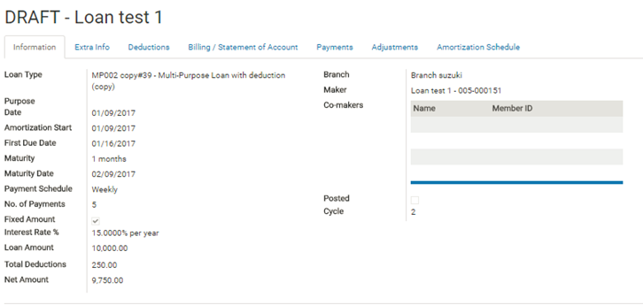

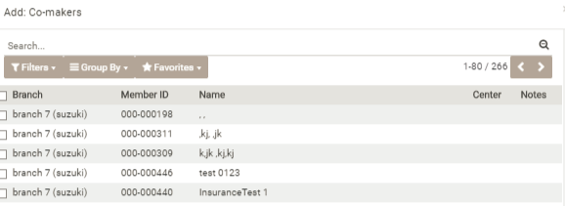

 |  |  |  | * in case of Draft mode , co-maker can be added

 | Item |  | note
 | Loan No |  | Auto numbering when approved the loan. ( code (of Loan Type) + sequenial number )
 | Loan Type
 | Purpose |  | Free text
 | Date |  | Loan registered date. If approved , the date is approved date.
 | Amortization Start |  | Start date of payment schedule
 | First Due Date |  | First date for payment.Computes by Amortization Start and Payment Schedule
 | Maturity
 | Maturity Date |  | computes Maturity Date based from Date of Enroll multipled by Maturity (number of months)
 | Payment Schedule
 | No. of Payments |  | Computes by Maturity and Payment Schedule (Refer to [Loan scheduling logic] > 2 )
 | Fixed Amount |  | Fixed Amount represent that payment amount(principal + interest) is same at each payment. If not Fixed Amount ,principal amount each time is same.
 | Loan Amount
 | Interest Rate % |  | this rate is yearly rate.
 | Branch
 | Maker |  | Borrower
 | Co-Makers |  | Person who Coop can bill ( by manual ) to in case that maker cannot pay.
 | Posted |  | If checked, this loan data has been posted to account
 | Cycle |  | Number of loans which is applied by the loanee

 | b.Extra Info
 | Loan summary info.
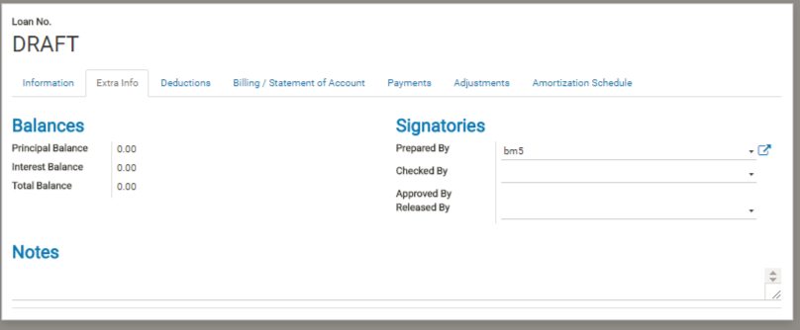

 | Item |  | note
 | Principal Balance
 | Interest Balance |  | Total Interest (on Amortization schedule) minus paid interest
 | Total Balance |  | Summary of every balance
 | Prepared By |  | Person who register this loan
 | Checked By
 | Approved By |  | Person who approved this loan
 | Released By

 | c. Deduction ( related model = wc.loan.deduction )

 | Deduction items list registered in its loan type master

 | Item |  | note
 | Name
 | Code
 | Factor % |  | refer to Loan Type
 | Amount |  | refer to Loan Type
 | Recuring |  | refer to Loan Type
 | Net Include |  | refer to Loan Type
 | CBU/Dep.Account |  | CBU or Saving account code , on which the deduction amount will deploy . (Only in case Code = CBU or SA . And the member has active CBU or saving account.)
 | GL Account |  | refer to Loan Type

 | d. Billing/Statement of Account (related model=wc.loan.detail )

 | This is next due's information .
 | It is made at the timing of the loan approved for the first time ,
 | For the second time onward, at the timing of daily closing of the due date , new billing will be created depending on amortization schedule.

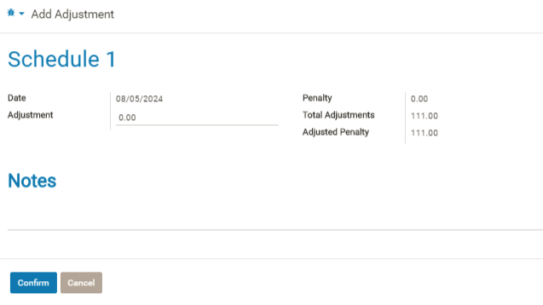

 | Item |  | note
 | Due Date
 | Balance |  | Remaining principal balance at the time of the billing data creation. This amount is the source of calculation of interest.
 | Principal Due |  | principal amount in this time total due
 | Interest Due |  | interest amount in this time total due
 | Penalty |  | penalty amount in this time total due
 | Adj |  | penalty adjustment amount.
 | + |  | open Payment Adjustment form as modal, for input of adjustment informatiion
 | Others Due |  | deduction amount imposed on the billing record (recuring deduction )
 | Principal Paid |  | paid amount deployed on principal due
 | Interest Paid |  | paid amount deployed on interest due
 | Penalty Paid |  | paid amount deployed on penalty due
 | Others Paid |  | paid amount deployed on othres due
 | Total Due |  | total remaining due on the billing record

 | e. Payment ( related model = wc.loan.payment )

 | List of done payment on the loan

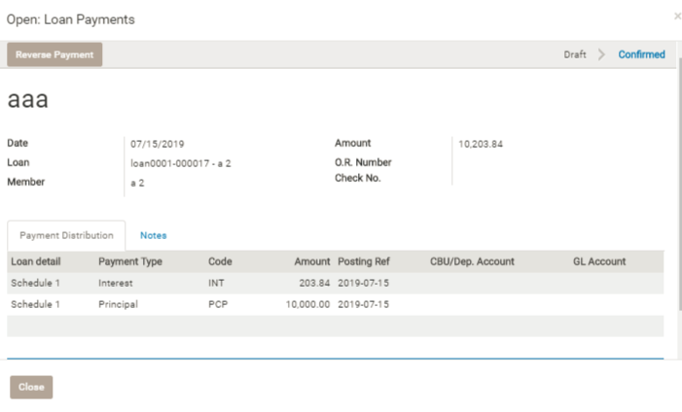

 | *When the confirmed payment record is clicked ,and the loan state is not closed, they can Reverse Payment on Loan Payments form.
 | *When the draft payment record is clicked , they can Confirm on Loan Payments form.

 | Item |  | note
 | Name
 | Date
 | O.R.Number
 | Check No.
 | Amount
 | Posted Amount
 | State |  | Draft or Confirmed

 | f. Adjustments ( related model = wc.loan.adjustment )
 | Adjusted penalty information

 | Item |  | note
 | Date |  | Inputted date of adjustment
 | Name |  | Billin/statement account name which is adjusted
 | Adjustement |  | inputted adjustment amount
 | Penalty |  | Original penalty on the Billing
 | Adjusted Penalty

 | g. Amortization Schedule ( related model = wc.loan.amortization )

 | Item |  | note
 | Name
 | Due Date
 | Balance |  | Remaining principal balance(scheduled) at each time
 | Days |  | day after previous due
 | Principal Due
 | Interest Due
 | Other Due |  | recuring deduction item's amout
 | Total Due
 | State |  | Open or Processed. Processed = already made billing record

 | Z1. Loan Consolidate Restructure
 | (Open from tree view action in loan registration tree , by selecting target loans and select [Loan Consolidate Restructure] action.)
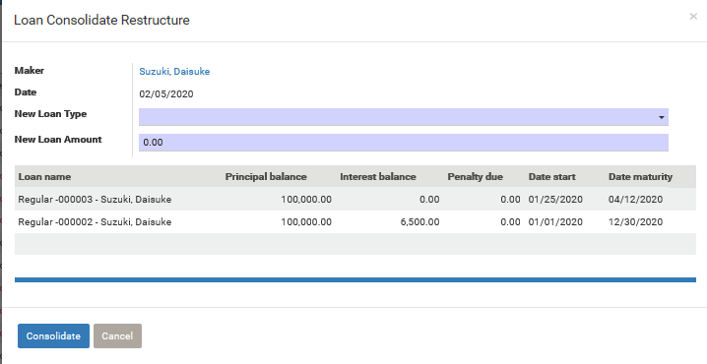

 | Item |  | note
 | Maker
 | Date
 | New Loan Type
 | New Loan Amount

 | Logic |  | logic detail
 | Consolidate

 |  |  |  |  | A = loan principal amount
 |  |  |  |  | n = No. of Payment

loanType_setting_reference
(principal 10000 , monthly , 4 months , rate = 12%/year)
paymante sched (principal - interest )
[is_fixed_payment_amount]
True False
1. 2463 - 100 (total 2563) 1. 2500 - 100 = 2600
2. 2487.63 - 75.37(total 2563) 2. 2500 - 75 =2575
3. 2512.51 - 50.49(total 2563) 3. 2500 - 50 = 2550
4. 2536.86 - 25.37 (total 2562.23) 4. 2500 - 25 =2525
calculation method and basic loan type setting

[is_interest_epr] is false(0) :
diminishing interest
[is_fixed_payment_amount] :
If calculation of interest is in EIR calculation. (total amount is same in each payment.)

(principal 10000 , daily , 30 days , rate = 20%/year)
[round_to_peso]
True False
1. 384 - 6 384.62 - 6.32
2. 384 - 6 384.62 - 6.32
3. 384 - 6 384.62 - 6.32
4. 386.24 - 8.32 384.62 - 6.32
[round_to_peso]: If the each schedule's total amount should be rounded
[is_interest_epr] is True(1):
straight interest

[bulk_principal_payment]: If payment schedule is like, collect only interest on each schedule and principal is lumpsum.
(principal 10000 , monthly , 4 months , rate = 12%/year)
[bulk_principal_payment]
True False
1. 0 - 100 2500-100
2. 0 - 100 2500-100
3. 0 - 100 2500-100
4. 10000 - 100 2500-100

Diminishin and Flat calculation (Diminishing is the calculation method with which interest is calculated based on the remaining principla balance at the payment timing , and it means the intrest become diminishing. Flat is the way , interest is decided based on total period and simply devided on each payment.
(Basically Diminishing is standard)
[Diminishing] [Flat]
1. 2500 - 100 2500 -100
2. 2500 - 75 2500 -100
3. 2500 - 50 2500 -100
4. 2500 - 25 2500 -100

schedule adjustment 1 ( if coop use MONTHLY rate )

In webcoop , interest rate is yearly rate, but some coop may use MONTHLY interest rate instead.

If the calculation method is [diminishing] , interest on each payment is calculated by , [remaining balance] * [daily interest(rete / days in year)] * [days count from previous schedule]
So , if the coop rate is said MONTHLY 2% , you may set 24% as yearly , but the calculation result on webcoop may be different from coop's expectation.

(principal 10000 , monthly , 4 months , rate = 24%/year, not fixed payment amount , and loan start = Nov12)
[coops' expectation] [webcoop]
1. Dec 12 2500 - 200 1.Dec 12 2500 - 197.26
2. Jan 12 2500 - 150 2.Jan 12 2500 - 152.58
3. Feb12 2500 - 100 3.Feb 12 2500 -101.92
4. Mar12 2500 - 50 4.Mar12 2500 -46.03

This is because
1. webcoop calculate each term's interest based on daily ineterest
2.depending on calender , each term's duration days will be different
So , each month's interest will no become 2% as coop may expect

In this case, you can adjust interest calculation result by using 30 days base schedule and 360 days in year.
Instead of schedule: [monthly] , maturity :[ 4 months ] , days in year :[365days]
set schedule :[30days] , maturity: [120 days] , days in year :[360days]
[coops' expectation] [webcoop]
1. Dec 12 2500 - 200 1.Dec 12 2500 - 200
2. Jan 12 2500 - 150 2.Jan 11 2500 - 150
3. Feb12 2500 - 100 3.Feb 10 2500 - 100
4. Mar12 2500 - 50 4.Mar12 2500 - 50

interest calculation become same as coop's expectation .
But please note that , in this case , payment schedule is not same because it is every 30 days schedule.

schedule adjustment 2 ( if coop use weekly schedule , and if they simply count 4 weeks for one month)

In some coop who uses weekly schedule, they regard 4 weeks a month.
Meaning, if the total loan term is 4 months , it means 16 weeks.

In this case , if you set in webcoop , like
schedule: weekly , maturity:4 months ,days in year: [365days]
interest calculation and schedule will be different from coop's expectation because in this case, the coop regards a year as 48 weeks(336 days).

In such case, you need set like
schedule: weekly , maturity: 16 week , days in year :[336 days]

Setting about Penalty

[is_penalty_on_interest]
penalty in webcoop is mis-payment penalty , meaning , if member miss payment , [missed amount] * [penalty rate] is imposed on next payment schedule as penalty.
And regarding [missed amount] , some coop use [principal amount + interest amount] , and some coop use [principal amount] only.
If they use [principal amount + interest amount] as mis-payment penalty's base , [is_penalty_on_interest] is True (1).

[is_end_of_month_penalty]
In case of daily schedule, you can set this flag , so that penalty calculation will be only done every month.
(If daily, it is a bit hard for members to pay every day , so some coop allow this kind of payment and in this casethey don't put penalty during month.)

daily schedule

In case of daily schedule and its payment method is straight interest, you can set skip date for amortization schedule ( by defaule , Sunday will be skipped).
If the coop wants to skip Saturday , set [skip Saturday] flag true.
And if the they want to skip holiday , you need to maintain [Holiday Calender] also.

