M1 Active Members
Active Members

1. Basic information
 | ITEM |  | VALUE
 | Menu Name |  | Active Members
 | Model |  | wc.member
 | View mode |  | kanban,tree,form

2. Screen transition

show only accounts which holder is the member or the member is in joint-holders
Accounts (kanban,tree)

Loan register (tree)
show only loans which maker is the member or the member is in co-makers
Members
(kanban , tree)
Members
(form)

create
select
reference form , Auto Linked from relation field

Insurance

 |  | Search | save , discard , edit , create
 |  |  | approve
Dependents
(addable in Draft or Edit mode)

4.View

A. Search and List type view

 | kanban view
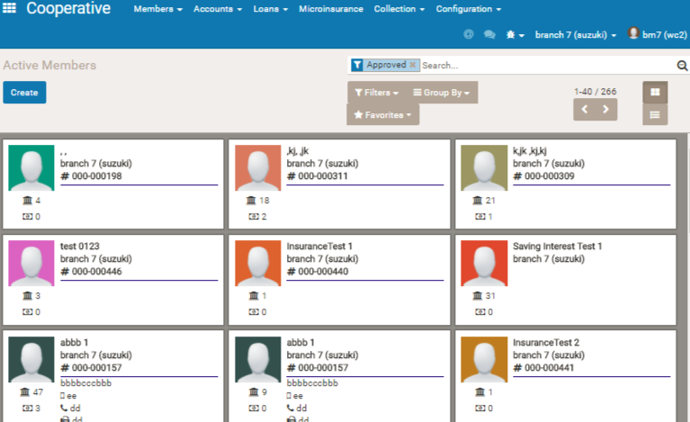

1

2

 | Item |  | note
1 | Filter |  | "Approved" is set by draft. (means that approved member is displayed as default)
2 | View type |  | Kanban view , and tree view is selectable.

 | Tree view
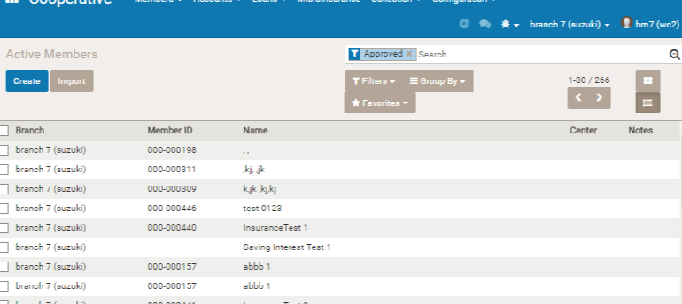

B.Form View (Business Document View)

 | 2.Sheet
 | * Skip item explanation which has no logic , has no special meanin, and is easily understood by title name.

 | a.Sheet header

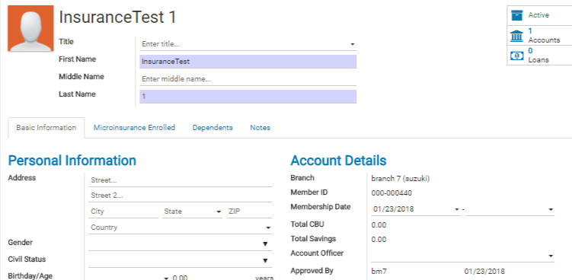
4

2
1
3

 | Item |  | note
1 | Image |  | binary image file
2 | number of Accounts |  | number of active Account the member has or the member is registered as joint-holder. Open Accounts Tree view , and show the active accounts with the holde of the selected member or its joint -holder has the selected member.
3 | number of Loan |  | number of active loans the member has or the member is registered as co-makers. Open Loan Tree view , and show the active loans with the maker of the selected member or its co-maker has the selected member.
4 | Active /Archived |  | member information status. If tab this button when active, this member become archived.

 | b.Basic information

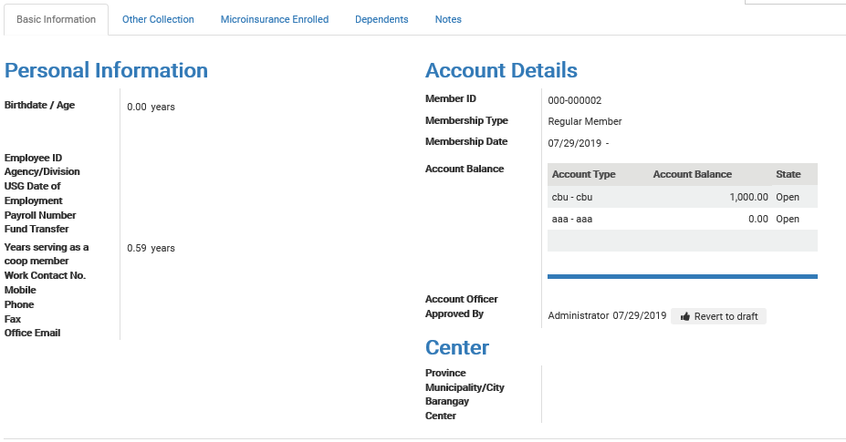

1

2

3

4

5

 | Item |  | note

1 | Member ID |  | Member id is automatically put by system. XXX-nnnnn. XXX is branch code (Setting > Companies ) and nnn is seq number
2 | Membership Type |  | General membership type(Regular , Associatte , Affiliate , Others). If [Regular] , this member has CBU account, and the CBU account will be created automatically when approve membership. (Other type is just a memo ,and has no special logic)
3 | Account Balance |  | Display every accounts the member has , with each balance amount info.
4 | Account Officer |  | Supposedly , [Account officer] is used as the employee in charge of collect loan receivable from the member. In webcoop ,when outputing daily collection sheet ( menu [Collection>Daily Collection Sheet] ) , you can indicate account officer as search condition , so that the account officer can refer receibavle list of their responsible member's loan only without other member who is out of their responsibility.
5 | Center |  | [Center] is mamo info , and used as small group of part of the barangay. Supposedly , in the style of rural area microfinance , loanee needs to come to the center every week or certain day of the week for repayment of loan. [Center] is used for the such kind of loan operation.

 | c. Other Collection
1

 | Item |  | note

1 | Other Collection tab |  | Display other collection ( collection data which is inputted as other collection ( not loan repayment nor account deposit) in the menu [Collection]>[Collection Entries]) information.

 | c.Microinsurance Enrolled ( related model = wc.microinsurane.collectible )

Unused

 | Item |  | note
 | Reference |  | microinsurance name
 | Type
 | Date Start
 | Date End
 | Premium Amount |  | 保険料
 | Amount Paid
 | Paid
 | Current |  | If the system date is during the insurance period
 | *when the insurance which the member enrolled is confirmed , the data is displayed here.

 | d.Dependents ( related model = wc.member.dependents)

1

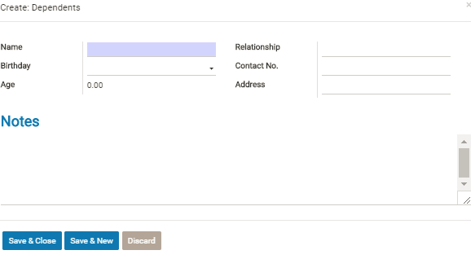

 |  |  |  | *in case of Draft or Edit mode , dependents info can be added.

 | Item |  | note
 | Dependents tab |  | Refernce info (main usage: Person information for getting insurance payment. )

M2 Member for Approval
Members for Approval

1. Basic information
 | ITEM |  | VALUE
 | Menu Name |  | Members for Approval
 | id |  | wc_member.action_members_for_approval
 | Model |  | wc.member
 | View mode |  | kanban,tree,form

2. Screen transition

show only accounts which holder is the member or the member is in joint-holders
Accounts (kanban,tree)

Loan register (tree)
show only loans which maker is the member or the member is in co-makers
Members (kanban , tree)
Members
(form)

create
select
reference form , Auto Linked from relation field

Insurance

 |  | Search | save , discard , edit , create
 |  |  | approve
Dependents
(addable in Draft or Edit mode)

4.View
 | same as Active Members except for default filter.
 | The default filter for this form is [For Approval]

MOP1 Membership Registration
Membership registration
 | Menu : Cooperative > Members > Active members

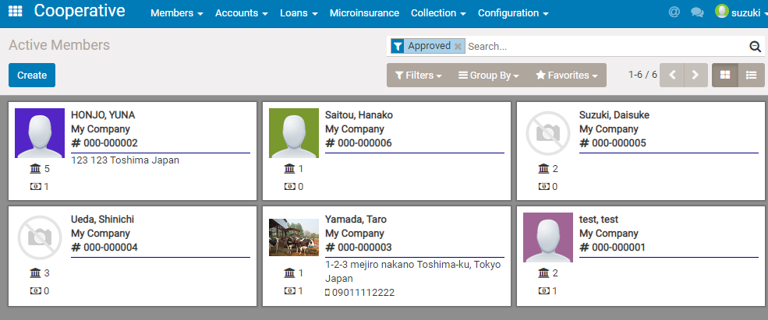

 |  | 1. Tap [Create] Button

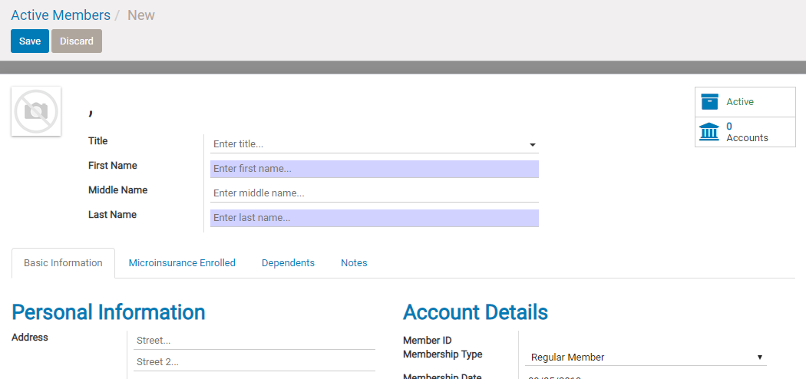

 |  | 2. Input member's information and tap [Save]

 | Field Referece

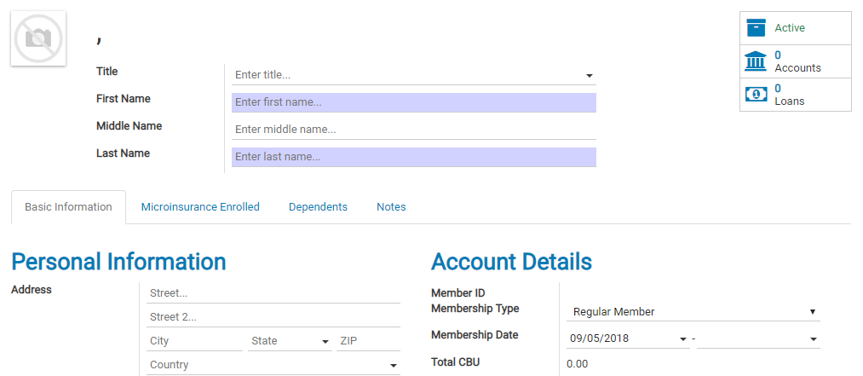
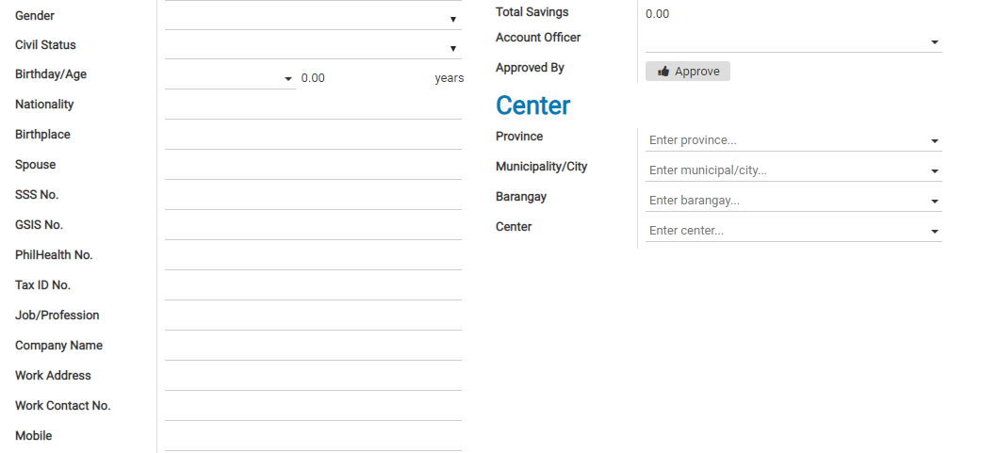
 |  | can attach picture here

 |  | If click , jump to account or loan info of this member

 |  | Field reference

 |  | Basic Information tab
 |  |  | [Membership type]
 |  |  | If select [regular member] , cbu account will be created when the member is approved.

 |  |  | [Account Officer]
 |  |  | Person in charge who will collect loan payment from this member

 |  |  | [Approved] button
 |  |  | Only Branchmanager can approve. If other user log in , this button will not appear.

 |  |  | Center [Province][Municipality/City][Barangay][Center]
 |  |  | for grouping or filterling by address or center.

 |  | Microinsurance Enrolled tab
 |  |  | Microinsurance enrollment data will appear here if you register in microinsurance form,
 |  |  | ( Link field (for reference ) from microinsurance enrollment information)

 |  | Dependents
 |  |  | Input dependents person's name , mainly family of the member.

 |  | Notes
 |  |  | Free text(memo) field

MOP2 Membership Approval
Membership approval

 | Menu: Members > Members for approval

 |  | 1. Tap target members record

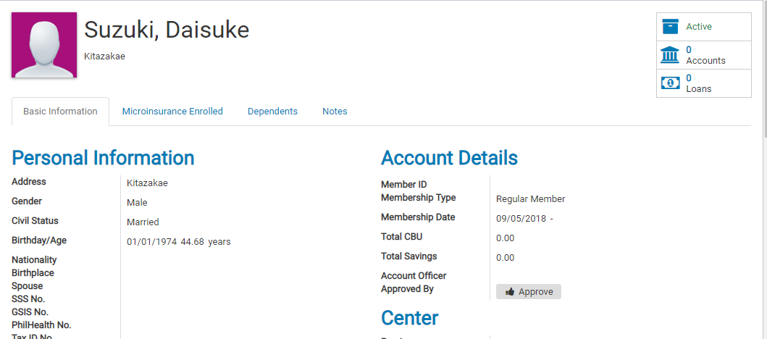

 |  | 2. Check the data and Tap [Approve] button if ok

 |  | * Only branch manager can approve the member's info

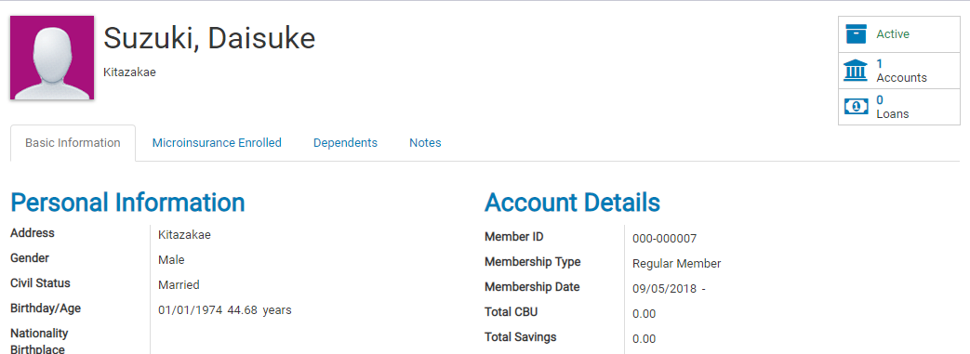

 |  | 3. If regular member , CBU account will be made automatically by approval

