Input Template
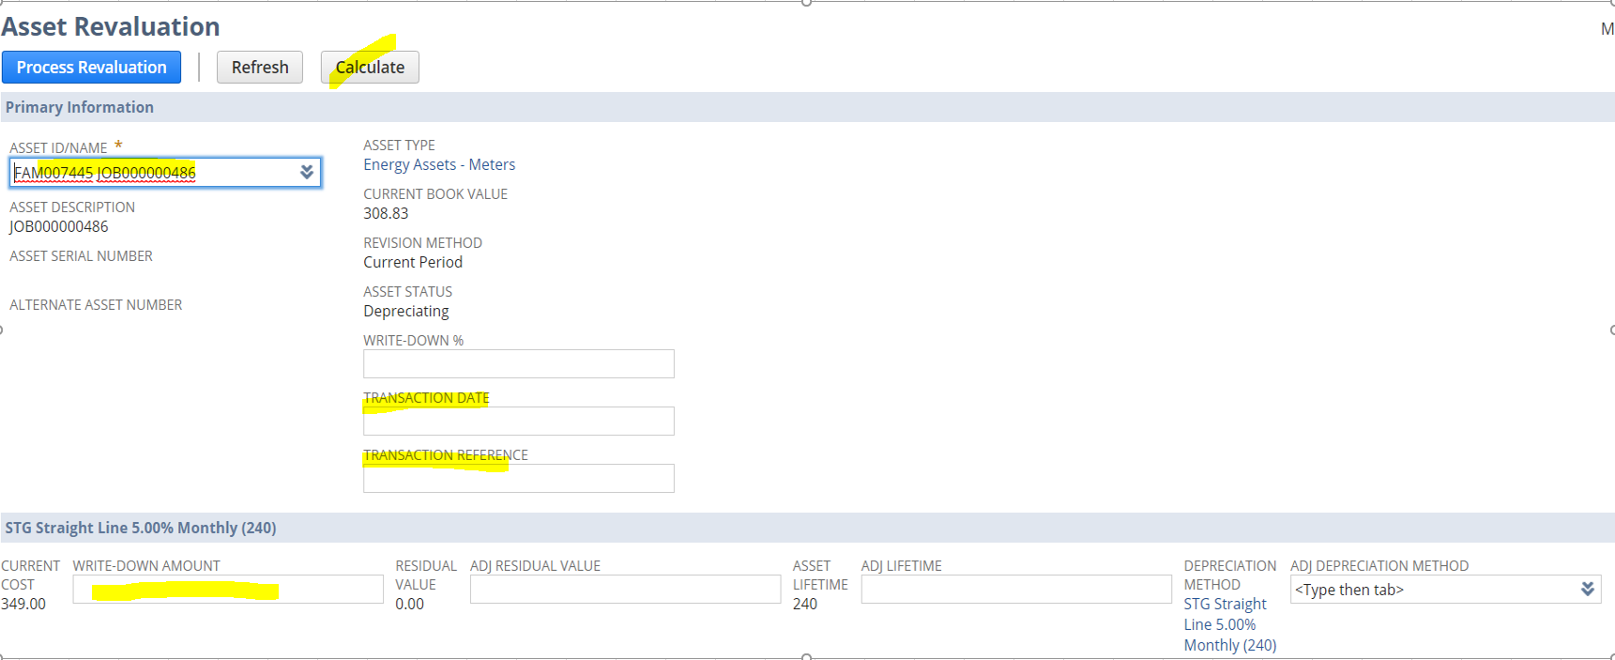
ID | Write Down Value is positive/ Write up value is negative
FAM012695 | -5.74
FAM012680 | 39.71
FAM012598 | 39.77
FAM012671 | 22.97
FAM012706 | -5.74
FAM012684 | 40.11
FAM012700 | -5.74
FAM012592 | 39.77
FAM012765 | 10.89
FAM012652 | 39.71
FAM012648 | 39.71
FAM012656 | 39.72
FAM012730 | 39.89
FAM012721 | 39.99
FAM012752 | 10.89
FAM012610 | 39.69
FAM012757 | 10.89
FAM012760 | 10.89
FAM012756 | 10.89
FAM012638 | 39.72
FAM012735 | 39.89
FAM012649 | 39.72
FAM012743 | 10.89
FAM012630 | 39.72
FAM012746 | 10.89

