After 1st diff
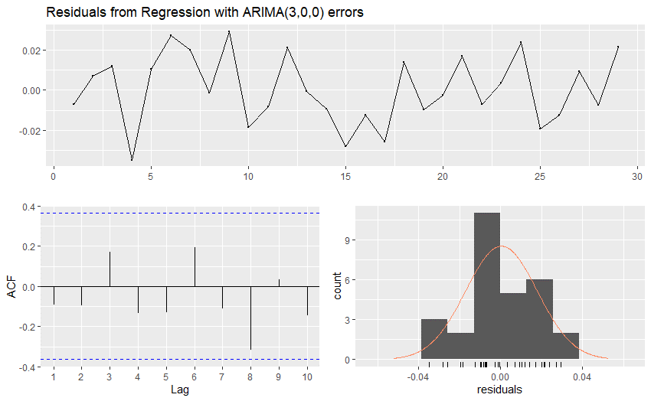
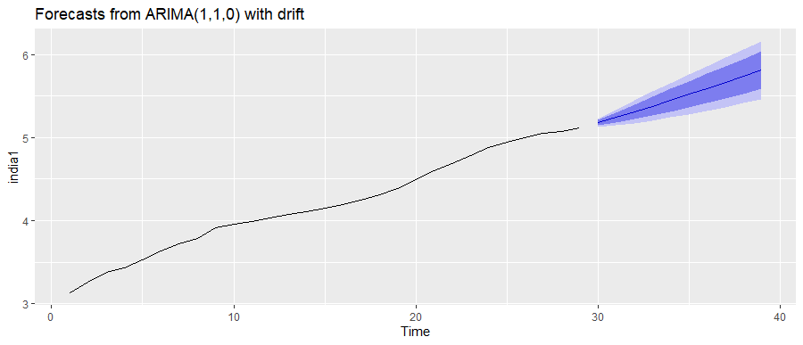
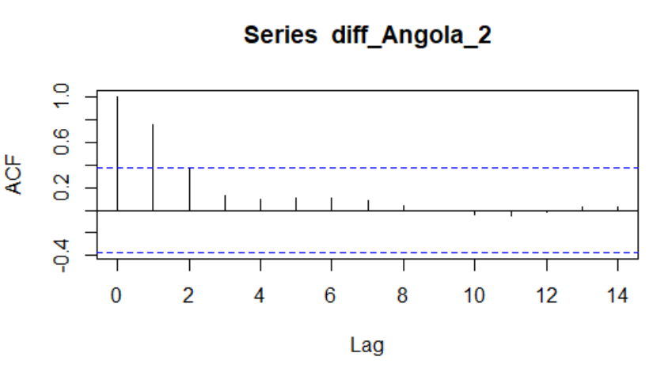
 |  |  |  | Country | KPSS p-value | Outcome
Country | KPSS p-value | Outcome |  | Angola | 0.01 | Not Stationary
Angola | 0.01753406 | Not Stationary |  | Australia | 0.01 | Not Stationary
Australia | 0.0906655 | Stationary |  | China | 0.01 | Not Stationary
China | 0.1 | Stationary |  | India | 0.01 | Not Stationary
India | 0.01862539 | Not Stationary |  | Japan | 0.1 | Stationary
Nigeria | 0.01 | Not Stationary |  | Nigeria | 0.01 | Not Stationary
Pakistan | 0.0224676 | Not Stationary |  | Pakistan | 0.01 | Not Stationary
United Kingdom | 0.1 | Stationary |  | United Kingdom | 0.01 | Not Stationary
United States | 0.1 | Stationary |  | United States | 0.01 | Not Stationary
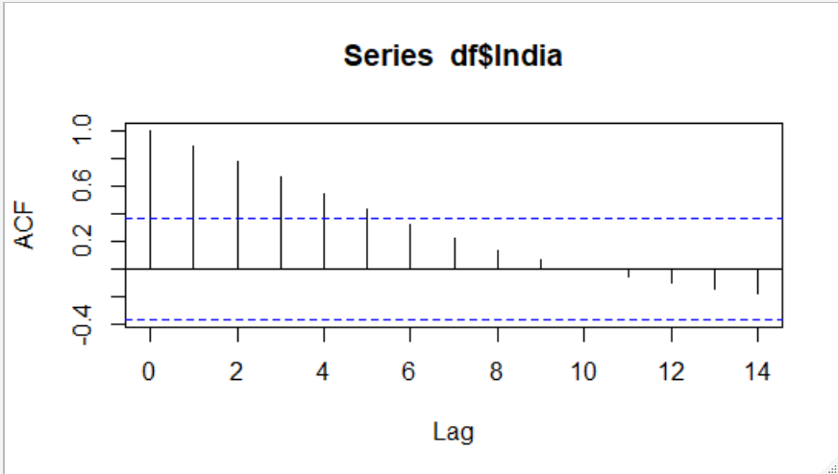
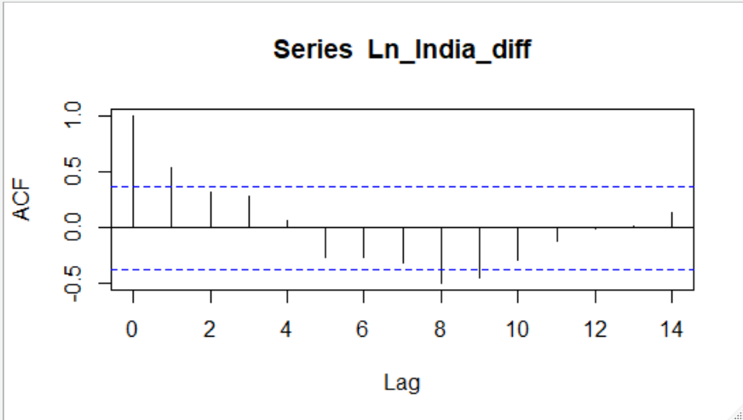
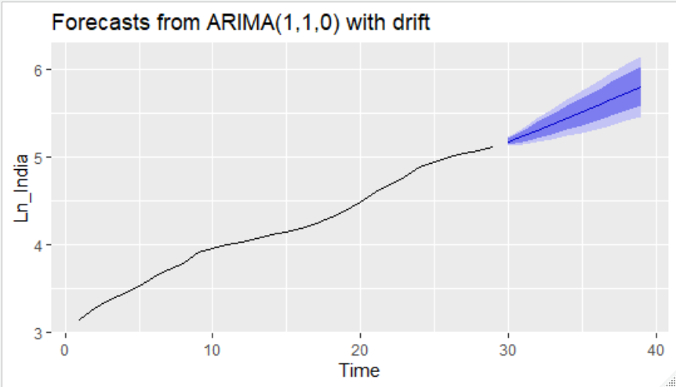
Country | KPSS p-value | Outcome
Angola | 0.1 | Stationary
India | 0.1 | Stationary
Nigeria | 0.1 | Stationary
Pakistan | 0.1 | Stationary

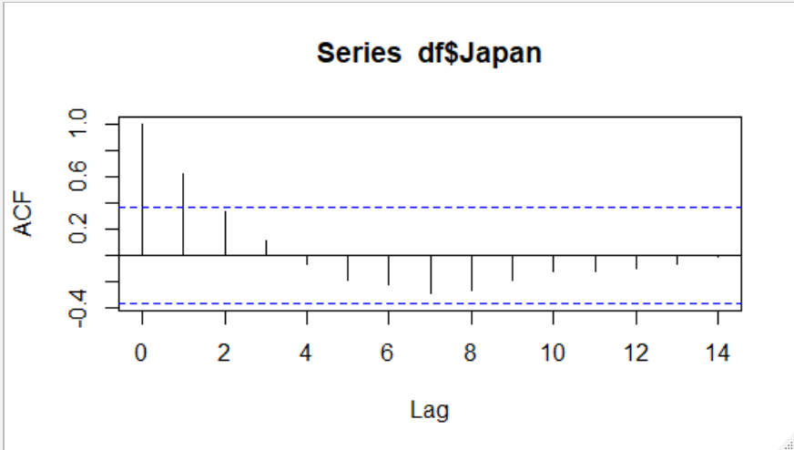
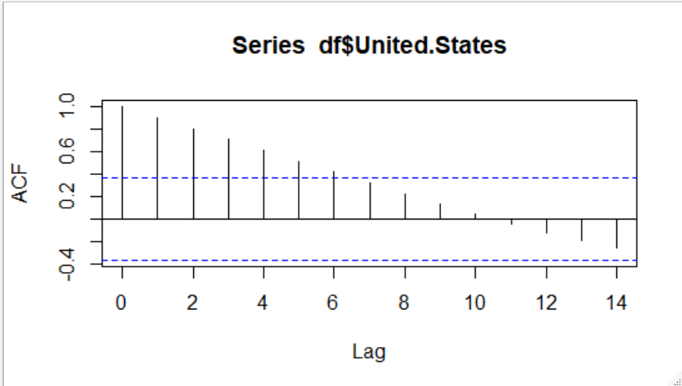

Differenced Data (India)
 | -0.10268072004
 | -1.2321605874
 | 1.3348417811
 | 0.31830743723
 | -0.11294647087
 | -0.44152629086
 | 2.8853112269
 | -3.5013917575
 | -0.23616295595
 | -0.041071056371
 | 0.3696423496
 | -0.18482425391
 | 0.061620085268
 | 0.39017053529
 | 1.1380341071
 | 0.62461866414
 | 1.7527238276
 | 2.55802937
 | 1.9422074846
 | -1.8474656561
 | 1.279014685
 | 2.8422548555
 | -4.5949786831
 | -0.14211274278
 | -0.90004737091
 | -3.4580767409
 | 3.8844149692

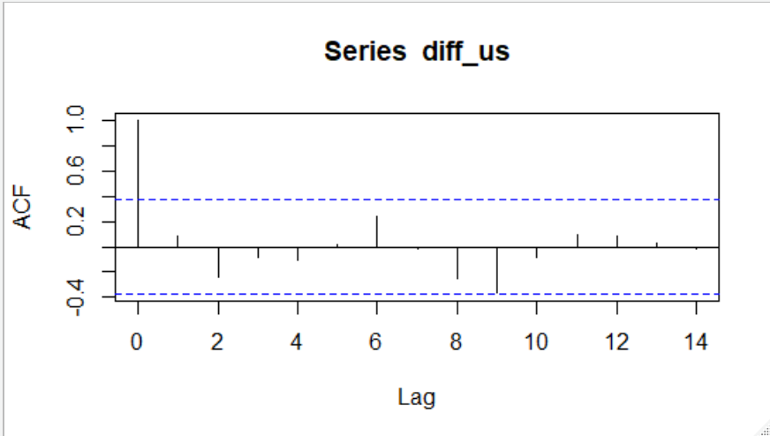
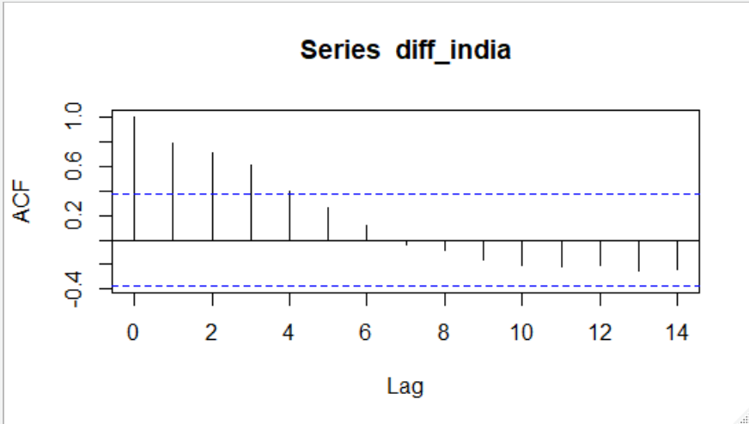

 |  |  |  | Noramlity of Residuals
 | 2019 | 2020 | 2021 | 2022 | 2023 | 2024 | 2025 | 2026 | 2027 | 2028
ARIMA | 177.4883548 | 189.09754632 | 202.20802617 | 216.71302221 | 232.57622017 | 249.80934327 | 268.45599271 | 288.5842295 | 310.28058469 | 333.64681721

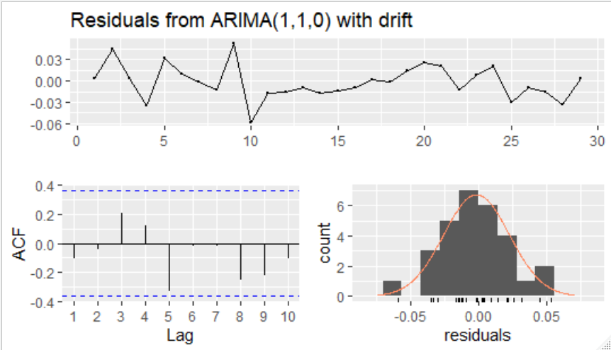

 |  |  |  |  |  |  |  |  |  |  | Ljung Box Test
 |  |  |  |  |  |  |  |  |  |  | p-value | 0.5645 | Do not reject null hypothesis

