Analysis
 |  |  |  |  |  | ARIMAX |  |  | ARIMA
Year | ln(M1) | ln(GDP) | ln(Consumption) | ln(CPI) | CPI | ln(CPI) | CPI_ARIMAX | Error | ln(CPI) | CPI_ARIMA | Error |  | 2019 | 2020 | 2021 | 2022 | 2023 | 2024 | 2025 | 2026 | 2027 | 2028
1990 | 6.6270046838 | 26.879107863 | 24.994375452 | 3.1332746928 | 22.949007579 | 3.140331 | 23.111515504 | 0.708126% | 3.130214 | 22.878875098 | 0.3056014% | ARIMA | 177.4883548 | 189.09754632 | 202.20802617 | 216.71302221 | 232.57622017 | 249.80934327 | 268.45599271 | 288.5842295 | 310.28058469 | 333.64681721
1991 | 6.8340010904 | 26.932481754 | 25.562970733 | 3.2631641156 | 26.132091426 | 3.255983 | 25.945106042 | 0.715539% | 3.217925 | 24.976240676 | 4.4231085% | ARIMAX | 182.68109822 | 193.08142671 | 204.13795188 | 215.78617784 | 228.12483476 | 241.15237618 | 254.93458938 | 269.49800831 | 284.89736711 | 301.17364738
1992 | 7.0054111903 | 26.978895537 | 25.923215018 | 3.3745965134 | 29.212494552 | 3.36249 | 28.860965287 | 1.203352% | 3.370793 | 29.101595475 | 0.3796289%
1993 | 7.1516944285 | 27.043361469 | 26.187495972 | 3.4359445487 | 31.060737091 | 3.470805 | 32.162622938 | 3.547520% | 3.470963 | 32.167705034 | 3.5638818% | ARIMA |  |  |  | ARIMAX
1994 | 7.2792843521 | 27.116374838 | 26.396331404 | 3.5335061517 | 34.243821412 | 3.522976 | 33.885120679 | 1.047490% | 3.501752 | 33.173521084 | 3.1255283% | MAPE | 1.84334% |  |  | MAPE | 1.4560%
1995 | 7.4102664331 | 27.189156065 | 26.5689992 | 3.6308586642 | 37.745213169 | 3.60358 | 36.729490932 | 2.690996% | 3.62141 | 37.390250926 | 0.9404166%
1996 | 7.526062168 | 27.22885571 | 26.716196828 | 3.7168267269 | 41.133658456 | 3.696746 | 40.315902738 | 1.988045% | 3.718634 | 41.208065428 | 0.1808907%
1997 | 7.6298299946 | 27.288862879 | 26.844481521 | 3.7860192648 | 44.080577451 | 3.787235 | 44.134200348 | 0.121647% | 3.797656 | 44.596527623 | 1.1704705% | ARIMAX |  | (3,0,0) |  | ARIMA
1998 | 7.8210816214 | 27.373624486 | 26.958164672 | 3.9102776366 | 49.912807674 | 3.880848 | 48.465296222 | 2.900080% | 3.856613 | 47.304858172 | 5.2250106% |  | coefficients | s.e. | p-value |  | Coefficients
1999 | 7.9815624487 | 27.411315098 | 27.18064328 | 3.9559182785 | 52.243646139 | 3.974308 | 53.213280572 | 1.855985% | 4.01447 | 55.393928839 | 6.0299825% | AR1 | 1.1192 | 0.1559 |  | AR1
2000 | 8.1198152935 | 27.458427343 | 27.216355782 | 3.9952297174 | 54.338321649 | 4.0036 | 54.795057594 | 0.840541% | 4.012141 | 55.265066497 | 1.7055088% | AR2 | 0.1885 | 0.2681
2001 | 8.2412552196 | 27.495761425 | 27.258772467 | 4.032325994 | 56.391926101 | 4.010991 | 55.2015482 | 2.110901% | 4.047591 | 57.259352985 | 1.5382111% | AR3 | -0.5272 | 0.1583
2002 | 8.3495316496 | 27.571428866 | 27.312658137 | 4.0743998642 | 58.815172904 | 4.074968 | 58.848597403 | 0.056830% | 4.083336 | 59.343108615 | 0.8976182% | M1 | 0.194 | 0.0712
2003 | 8.4628637135 | 27.647676166 | 27.359994093 | 4.1117520924 | 61.053595452 | 4.121061 | 61.624591282 | 0.935237% | 4.128447 | 62.081435562 | 1.6835046% | GDP | 0.5074 | 0.1234
2004 | 8.6633520213 | 27.736463524 | 27.381216132 | 4.1487323335 | 63.353638086 | 4.176761 | 65.154475726 | 2.842517% | 4.162918 | 64.258756344 | 1.4286761% | Cons | 0.0884 | 0.0374
2005 | 8.7792035471 | 27.825059987 | 27.458334708 | 4.1903189344 | 66.043851255 | 4.202806 | 66.873715664 | 1.256535% | 4.199671 | 66.664394847 | 0.9395933%
2006 | 9.01965191 | 27.91856272 | 27.5373023 | 4.2466664069 | 69.872098532 | 4.272621 | 71.709339705 | 2.629435% | 4.244068 | 69.690778062 | 0.2595034%
2007 | 9.1777448636 | 27.956734393 | 27.562209225 | 4.3084468909 | 74.324964472 | 4.294396 | 73.287935161 | 1.395264% | 4.309422 | 74.39747477 | 0.0975585%
2008 | 9.3551417689 | 28.038128039 | 27.661250388 | 4.3886366682 | 80.53055424 | 4.398339 | 81.315691068 | 0.974955% | 4.374518 | 79.401558776 | 1.4019467%
2009 | 9.4411901539 | 28.135798731 | 27.766183276 | 4.491936238 | 89.294173378 | 4.494457 | 89.519546672 | 0.252394% | 4.46594 | 87.002773721 | 2.5661245%
2010 | 9.608626439 | 28.200071878 | 27.802574939 | 4.605170186 | 100 | 4.588013 | 98.298916037 | 1.701084% | 4.583341 | 97.840734646 | 2.1592654%
2011 | 9.7040300098 | 28.253199171 | 27.86753669 | 4.6900475965 | 108.85836097 | 4.696991 | 109.61683865 | 0.696756% | 4.702636 | 110.23737552 | 1.2667971%
2012 | 9.7627243591 | 28.315103975 | 27.916117833 | 4.7790876657 | 118.99573662 | 4.775595 | 118.58084924 | 0.348657% | 4.770212 | 117.94424349 | 0.8836393%
2013 | 9.8508934124 | 28.386589195 | 27.918238516 | 4.8826152925 | 131.97536712 | 4.858771 | 128.86572876 | 2.356226% | 4.861792 | 129.25562077 | 2.0607985%
2014 | 9.9304702239 | 28.464979076 | 27.958557048 | 4.9442106857 | 140.36001895 | 4.963627 | 143.11192265 | 1.960604% | 4.974159 | 144.62714256 | 3.0401276%
2015 | 10.039625545 | 28.533690312 | 27.997312802 | 5.0012753463 | 148.60255803 | 5.013549 | 150.43769323 | 1.234928% | 5.010169 | 149.93007219 | 0.8933320%
2016 | 10.13802989 | 28.597982336 | 28.03462242 | 5.0495036999 | 155.94504974 | 5.040061 | 154.47943798 | 0.939826% | 5.064469 | 158.29636438 | 1.5077841%
2017 | 10.227612445 | 28.658389411 | 28.070589952 | 5.0741074012 | 159.82946471 | 5.081742 | 161.05436842 | 0.766382% | 5.107306 | 165.22463959 | 3.3755821%
2018 | 10.309825613 | 28.715354409 | 28.10530861 | 5.1215700129 | 167.59829465 | 5.099875 | 164.00140584 | 2.146137% | 5.117495 | 166.9167191 | 0.4066721%
2019 | 10.39645 | 28.78093 | 28.78093 |  |  | 5.207742 | 182.68109822 |  | 5.178905 | 177.4883548
2020 | 10.48043 | 28.84651 | 28.84651 |  |  | 5.263112 | 193.08142671 |  | 5.242263 | 189.09754632
2021 | 10.566 | 28.9121 | 28.9121 |  |  | 5.318796 | 204.13795188 |  | 5.309297 | 202.20802617
2022 | 10.65061 | 28.97768 | 28.97768 |  |  | 5.374288 | 215.78617784 |  | 5.378574 | 216.71302221
2023 | 10.7358 | 29.04326 | 29.04326 |  |  | 5.429893 | 228.12483476 |  | 5.449218 | 232.57622017
2024 | 10.82064 | 29.10884 | 29.10884 |  |  | 5.485429 | 241.15237618 |  | 5.520698 | 249.80934327
2025 | 10.90569 | 29.17442 | 29.17442 |  |  | 5.541007 | 254.93458938 |  | 5.592687 | 268.45599271
2026 | 10.99062 | 29.24 | 29.24 |  |  | 5.596561 | 269.49800831 |  | 5.664987 | 288.5842295
2027 | 11.07562 | 29.30558 | 29.30558 |  |  | 5.652129 | 284.89736711 |  | 5.737477 | 310.28058469
2028 | 11.16057 | 29.37116 | 29.37116 |  |  | 5.707687 | 301.17364738 |  | 5.810083 | 333.64681721

Standardized
ln(M1) | Standarized(M1) | ln(GDP) | Standarized(GDP) | ln(Consumption) | Standarized(Consumption) | ln(CPI) | Standarized(CPI)
6.6270046838 | -1.7464576505 | 26.879107863 | -1.5514923304 | 24.994375452 | -2.7904672104 | 3.1332746928 | -1.8296648171
6.8340010904 | -1.5665234509 | 26.932481754 | -1.4586185393 | 25.562970733 | -2.0790888793 | 3.2631641156 | -1.6074253438
7.0054111903 | -1.4175230909 | 26.978895537 | -1.3778557557 | 25.923215018 | -1.6283816941 | 3.3745965134 | -1.4167656512
7.1516944285 | -1.2903645676 | 27.043361469 | -1.2656811439 | 26.187495972 | -1.2977357144 | 3.4359445487 | -1.3117997906
7.2792843521 | -1.1794554405 | 27.116374838 | -1.1386334753 | 26.396331404 | -1.0364584816 | 3.5335061517 | -1.1448728859
7.4102664331 | -1.0655976383 | 27.189156065 | -1.0119897467 | 26.5689992 | -0.82043113769 | 3.6308586642 | -0.97830373311
7.526062168 | -0.96494075629 | 27.22885571 | -0.94290996822 | 26.716196828 | -0.6362699132 | 3.7168267269 | -0.83121325741
7.6298299946 | -0.87473928311 | 27.288862879 | -0.8384938736 | 26.844481521 | -0.47577095438 | 3.7860192648 | -0.7128255329
7.8210816214 | -0.70849142911 | 27.373624486 | -0.69100356094 | 26.958164672 | -0.3335402085 | 3.9102776366 | -0.50022073007
7.9815624487 | -0.56899147503 | 27.411315098 | -0.62541962136 | 27.18064328 | -0.055193788696 | 3.9559182785 | -0.42213005888
8.1198152935 | -0.44881347112 | 27.458427343 | -0.54344147083 | 27.216355782 | -0.010513326253 | 3.9952297174 | -0.35486858905
8.2412552196 | -0.34325030576 | 27.495761425 | -0.47847791507 | 27.258772467 | 0.042554842952 | 4.032325994 | -0.2913972393
8.3495316496 | -0.24912967303 | 27.571428866 | -0.34681200149 | 27.312658137 | 0.10997203616 | 4.0743998642 | -0.21940927791
8.4628637135 | -0.15061436761 | 27.647676166 | -0.21413709835 | 27.359994093 | 0.16919478143 | 4.1117520924 | -0.15549999763
8.6633520213 | 0.023662586171 | 27.736463524 | -0.059641736821 | 27.381216132 | 0.19574600131 | 4.1487323335 | -0.092227183502
8.7792035471 | 0.12436796511 | 27.825059987 | 0.094521457135 | 27.458334708 | 0.29223024178 | 4.1903189344 | -0.021072934867
9.01965191 | 0.33338069357 | 27.91856272 | 0.25722185445 | 27.5373023 | 0.39102781566 | 4.2466664069 | 0.07533701416
9.1777448636 | 0.47080495868 | 27.956734393 | 0.32364286983 | 27.562209225 | 0.42218925351 | 4.3084468909 | 0.18104279012
9.3551417689 | 0.62500942377 | 28.038128039 | 0.46527272645 | 27.661250388 | 0.54610118099 | 4.3886366682 | 0.31824667865
9.4411901539 | 0.6998080521 | 28.135798731 | 0.63522562564 | 27.766183276 | 0.67738433695 | 4.491936238 | 0.49499118575
9.608626439 | 0.84535412431 | 28.200071878 | 0.74706477976 | 27.802574939 | 0.72291450857 | 4.605170186 | 0.68873331219
9.7040300098 | 0.92828486418 | 28.253199171 | 0.83950947657 | 27.86753669 | 0.80418915781 | 4.6900475965 | 0.83395769325
9.7627243591 | 0.97930565692 | 28.315103975 | 0.94722757076 | 27.916117833 | 0.86496977467 | 4.7790876657 | 0.98630434061
9.8508934124 | 1.0559477025 | 28.386589195 | 1.0716161691 | 27.918238516 | 0.86762299402 | 4.8826152925 | 1.1634390508
9.9304702239 | 1.1251208351 | 28.464979076 | 1.2080192935 | 27.958557048 | 0.91806613238 | 4.9442106857 | 1.2688281384
10.039625545 | 1.2200054549 | 28.533690312 | 1.3275809901 | 27.997312802 | 0.96655405431 | 5.0012753463 | 1.3664651888
10.13802989 | 1.3055446552 | 28.597982336 | 1.439452993 | 28.03462242 | 1.0132326924 | 5.0495036999 | 1.4489834084
10.227612445 | 1.3834154045 | 28.658389411 | 1.544564948 | 28.070589952 | 1.0582322273 | 5.0741074012 | 1.4910800896
10.309825613 | 1.4548802227 | 28.715354409 | 1.6436874835 | 28.10530861 | 1.1016692762 | 5.1215700129 | 1.5722881325

0.98939985709 |  | 0.99220832087 |  | 0.94039358244
Factors vs CPI

Sheet1
ARIMAX |  |  | ln(cpi) | ARIMA
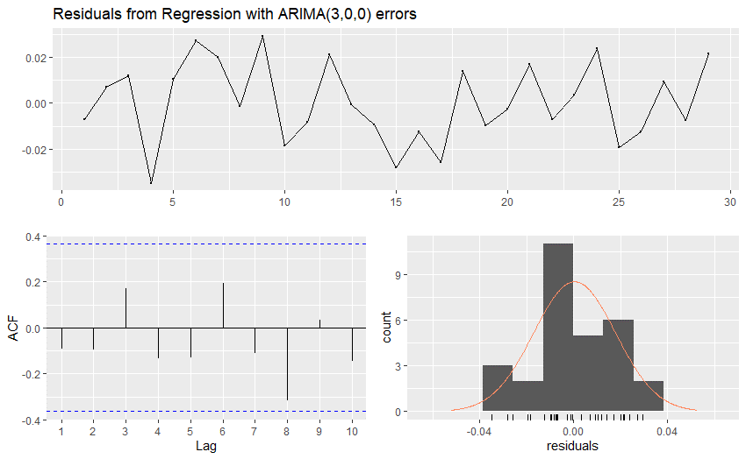
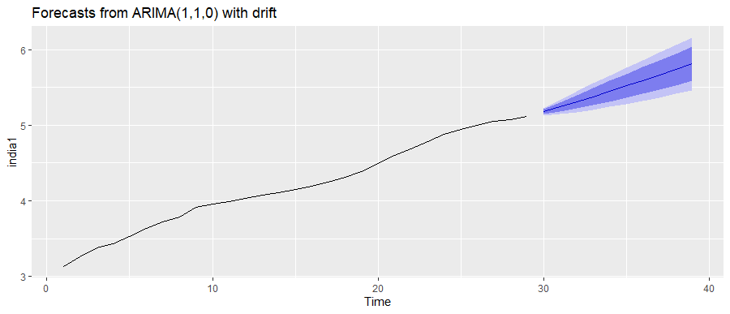

 |  |  | ACF of residuals |  | ARIMAX
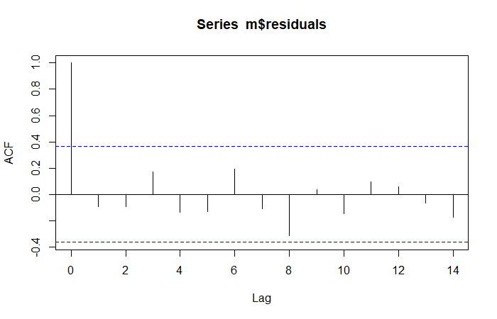

Box-Pierce test on residuals
lag 1 |  | lag2
x-squared | 0.2391 | 0.49455
p-value | 2.20E-16 | 0.4819

