Summary Figure 1
This file presents the data underlying the figures in CBO's November 2018 slide deck The Distribution of Household Income, 2015.
www.cbo.gov/publication/54646

Summary Figure 1.
Average Income, Means-Tested Transfers, and Federal Taxes per Household, by Income Group, 2015
Thousands of Dollars
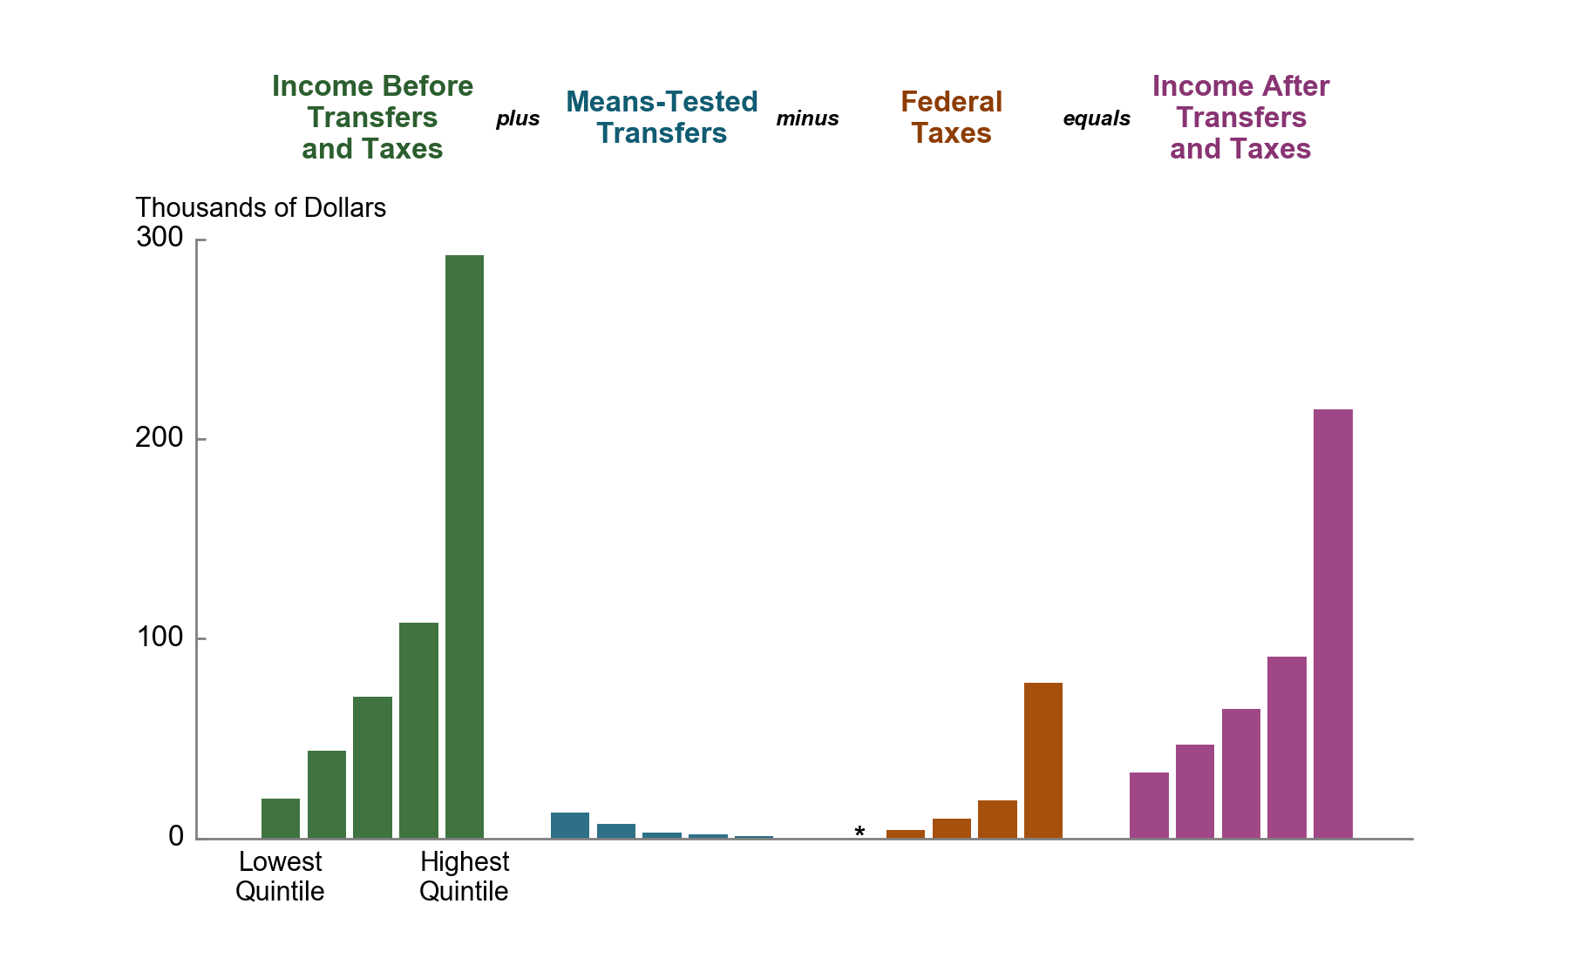
 | Lowest Quintile | Second Quintile | Middle Quintile | Fourth Quintile | Highest Quintile
Income Before Transfers and Taxes | 20 | 44 | 71 | 108 | 292
Means-Tested Transfers | 13 | 7 | 3 | 2 | 1
Federal Taxes | * | 4 | 10 | 19 | 78
Income After Transfers and Taxes | 33 | 47 | 65 | 91 | 215

Source: Congressional Budget Office.

Income before transfers and taxes is market income plus social insurance benefits. Market income consists of labor income; business income; capital income (including capital gains); income received in retirement for past services; and other nongovernmental income sources. Social insurance benefits consist of benefits provided through Social Security (Old-Age, Survivors, and Disability Insurance); Medicare (measured as the average cost to the government of providing those benefits); unemployment insurance; and workers’ compensation.

Income after transfers and taxes is income before transfers and taxes plus means-tested transfers minus federal taxes.

Means-tested transfers are cash payments and in-kind transfers from federal, state, and local governments. The largest means-tested transfers consist of transfers provided through Medicaid and the Children’s Health Insurance Program (measured as the average cost to the government of providing those benefits); the Supplemental Nutrition Assistance Program (formerly known as the Food Stamp program); and Supplemental Security Income.

Federal taxes consist of individual income taxes, payroll taxes, corporate income taxes, and excise taxes.

Income after transfers and taxes is income before transfers and taxes plus means-tested transfers minus federal taxes.

Income groups are created by ranking households by income before transfers and taxes, adjusted for household size. Quintiles (fifths) contain an equal number of people. The lowest quintile does not include households with negative income.

* = less than $500.

Summary Figure 2
This file presents the data underlying the figures in CBO's November 2018 slide deck The Distribution of Household Income, 2015.
www.cbo.gov/publication/54646

Summary Figure 2.
Cumulative Growth in Average Income, by Income Group, 1979 to 2015
Percent
 | Income Before Transfers and Taxes |  |  | Income After Transfers and Taxes
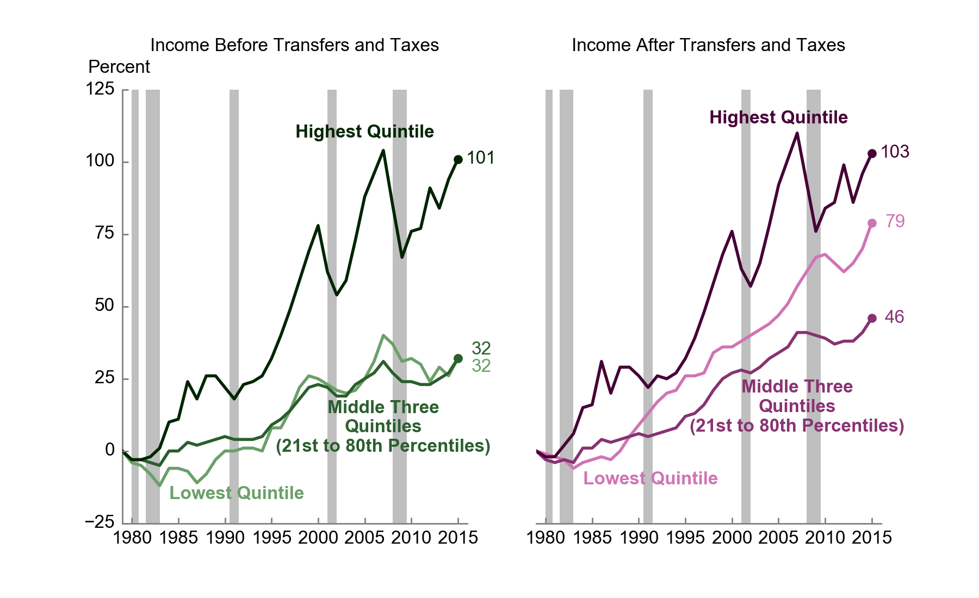
 | Lowest Quintile | Middle Three Quintiles (21st to 80th Percentiles) | Highest Quintile | Lowest Quintile | Middle Three Quintiles (21st to 80th Percentiles) | Highest Quintile
1979 | 0 | 0 | 0 | 0 | 0 | 0
1980 | -4 | -3 | -3 | -1 | -3 | -2
1981 | -5 | -3 | -3 | -2 | -4 | -2
1982 | -8 | -4 | -2 | -3 | -3 | 2
1983 | -12 | -5 | 1 | -6 | -4 | 6
1984 | -6 | 0 | 10 | -4 | 1 | 15
1985 | -6 | 0 | 11 | -3 | 1 | 16
1986 | -7 | 3 | 24 | -2 | 4 | 31
1987 | -11 | 2 | 18 | -3 | 3 | 20
1988 | -8 | 3 | 26 | 0 | 4 | 29
1989 | -3 | 4 | 26 | 5 | 5 | 29
1990 | 0 | 5 | 22 | 9 | 6 | 26
1991 | 0 | 4 | 18 | 13 | 5 | 22
1992 | 1 | 4 | 23 | 17 | 6 | 26
1993 | 1 | 4 | 24 | 20 | 7 | 25
1994 | 0 | 5 | 26 | 21 | 8 | 27
1995 | 8 | 9 | 32 | 26 | 12 | 32
1996 | 8 | 11 | 40 | 26 | 13 | 39
1997 | 14 | 14 | 49 | 27 | 16 | 48
1998 | 22 | 18 | 59 | 34 | 21 | 58
1999 | 26 | 22 | 69 | 36 | 25 | 68
2000 | 25 | 23 | 78 | 36 | 27 | 76
2001 | 23 | 22 | 62 | 38 | 28 | 63
2002 | 21 | 19 | 54 | 40 | 27 | 57
2003 | 20 | 19 | 59 | 42 | 29 | 65
2004 | 21 | 23 | 73 | 44 | 32 | 78
2005 | 25 | 25 | 88 | 47 | 34 | 92
2006 | 31 | 27 | 96 | 51 | 36 | 101
2007 | 40 | 31 | 104 | 57 | 41 | 110
2008 | 37 | 27 | 85 | 62 | 41 | 93
2009 | 31 | 24 | 67 | 67 | 40 | 76
2010 | 32 | 24 | 76 | 68 | 39 | 84
2011 | 30 | 23 | 77 | 65 | 37 | 86
2012 | 24 | 23 | 91 | 62 | 38 | 99
2013 | 29 | 25 | 84 | 65 | 38 | 86
2014 | 26 | 27 | 94 | 70 | 41 | 96
2015 | 32 | 32 | 101 | 79 | 46 | 103

Source: Congressional Budget Office.

Income before transfers and taxes is market income plus social insurance benefits. Market income consists of labor income; business income; capital income (including capital gains); income received in retirement for past services; and other nongovernmental income sources. Social insurance benefits consist of benefits provided through Social Security (Old-Age, Survivors, and Disability Insurance); Medicare (measured as the average cost to the government of providing those benefits); unemployment insurance; and workers’ compensation.

Income after transfers and taxes is income before transfers and taxes plus means-tested transfers minus federal taxes.

Means-tested transfers are cash payments and in-kind transfers from federal, state, and local governments. The largest means-tested transfers consist of transfers provided through Medicaid and the Children’s Health Insurance Program (measured as the average cost to the government of providing those benefits); the Supplemental Nutrition Assistance Program (formerly known as the Food Stamp program); and Supplemental Security Income.

Federal taxes consist of individual income taxes, payroll taxes, corporate income taxes, and excise taxes.

Income groups are created by ranking households by income before transfers and taxes, adjusted for household size. Quintiles (fifths) contain an equal number of people; percentiles (hundredths) contain an equal number of people as well. The lowest quintile does not include households with negative income.

Figure 1
This file presents the data underlying the figures in CBO's November 2018 slide deck The Distribution of Household Income, 2015.
www.cbo.gov/publication/54646

Figure 1.
Average Income Before Means-Tested Transfers and Federal Taxes, by Income Group, 2015
Thousands of Dollars
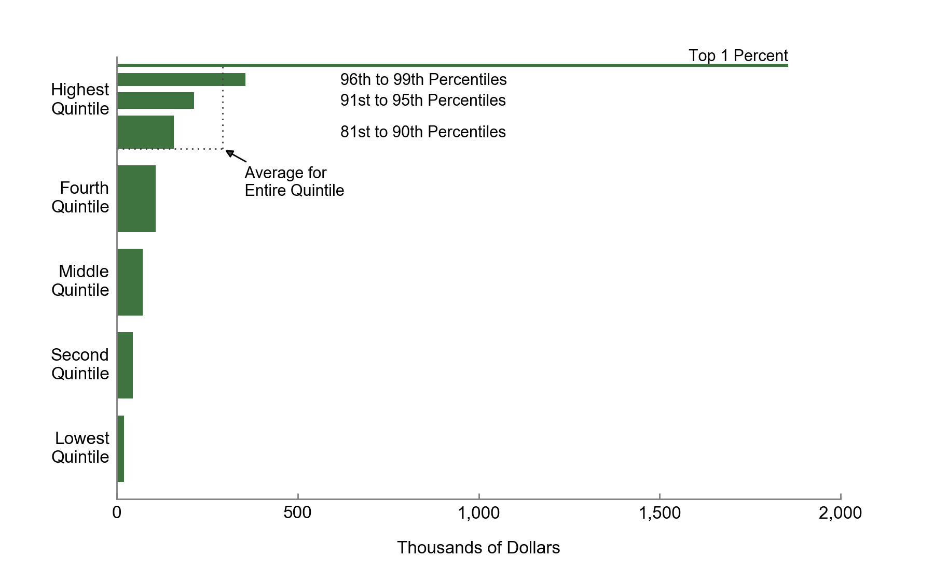
Top 1 Percent | 1855
96th to 99th Percentiles | 356
91st to 95th Percentiles | 214
81st to 90th Percentiles | 157
Highest Quintile | 292
Fourth Quintile | 108
Middle Quintile | 71
Second Quintile | 44
Lowest Quintile | 20

Source: Congressional Budget Office.

Income before transfers and taxes is market income plus social insurance benefits. Market income consists of labor income; business income; capital income (including capital gains); income received in retirement for past services; and other nongovernmental income sources. Social insurance benefits consist of benefits provided through Social Security (Old-Age, Survivors, and Disability Insurance); Medicare (measured as the average cost to the government of providing those benefits); unemployment insurance; and workers’ compensation.

Income groups are created by ranking households by income before transfers and taxes, adjusted for household size. Quintiles (fifths) contain an equal number of people; percentiles (hundredths) contain an equal number of people as well. The lowest quintile does not include households with negative income.

Figure 2
This file presents the data underlying the figures in CBO's November 2018 slide deck The Distribution of Household Income, 2015.
www.cbo.gov/publication/54646

Figure 2.
Average Means-Tested Transfer Rates, by Income Group, 2015
Percent
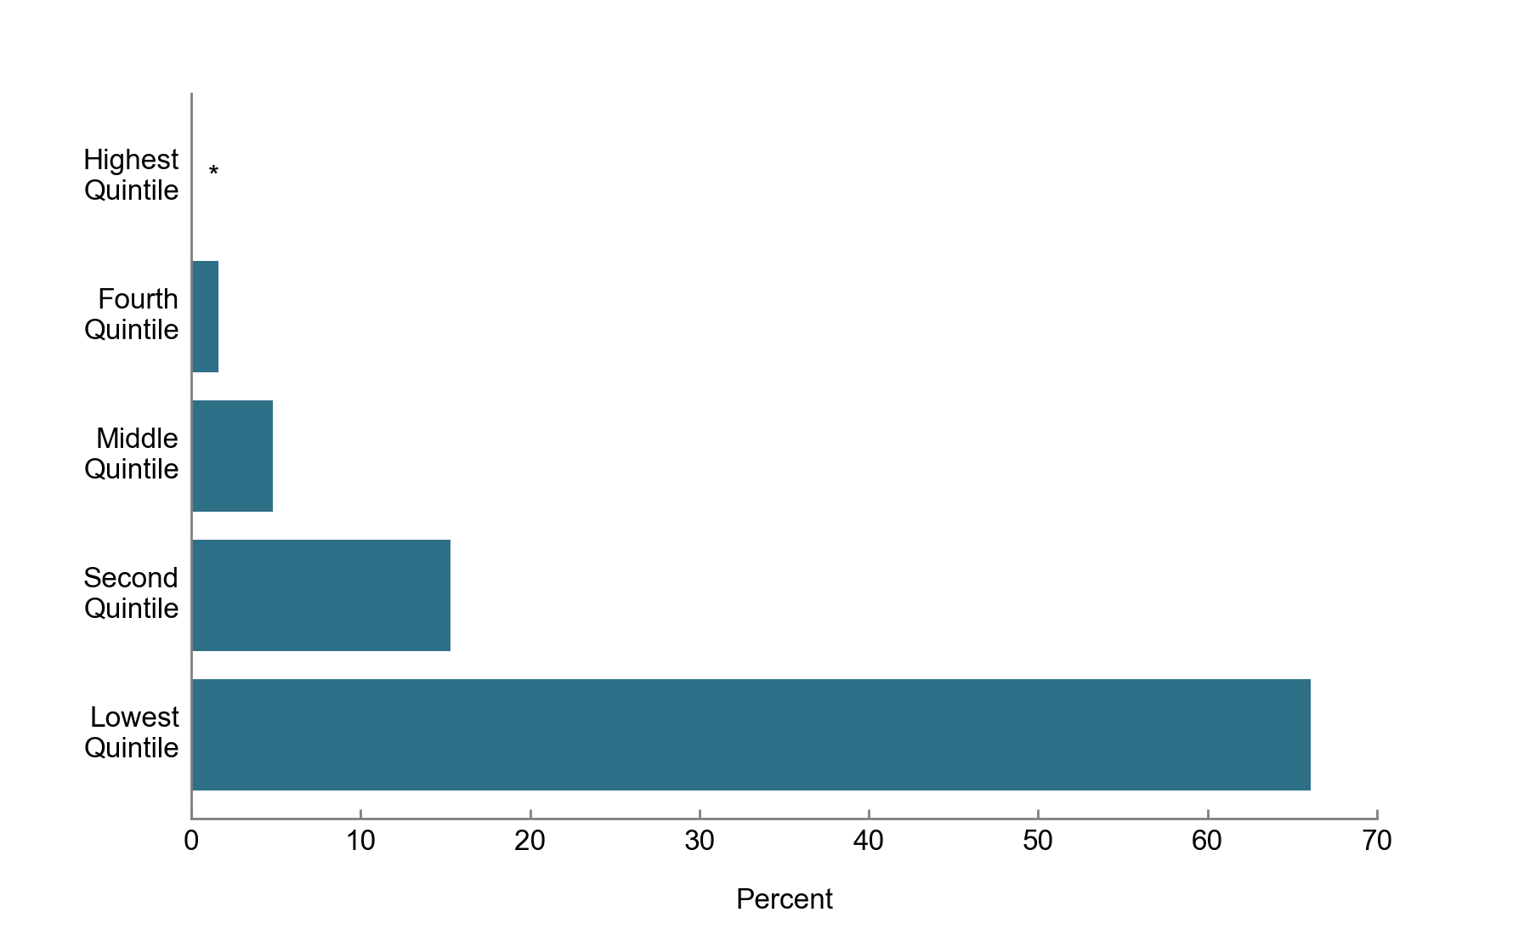
Highest Quintile | *
Fourth Quintile | 1.6
Middle Quintile | 4.8
Second Quintile | 15.3
Lowest Quintile | 66.1

Source: Congressional Budget Office.

Average means-tested transfer rates are calculated by dividing total means-tested transfers by total income before transfers and taxes in each income group.

Means-tested transfers are cash payments and in-kind transfers from federal, state, and local governments. The largest means-tested transfers consist of transfers provided through Medicaid and the Children’s Health Insurance Program (measured as the average cost to the government of providing those benefits); the Supplemental Nutrition Assistance Program (formerly known as the Food Stamp program); and Supplemental Security Income.

Income before transfers and taxes is market income plus social insurance benefits. Market income consists of labor income; business income; capital income (including capital gains); income received in retirement for past services; and other nongovernmental income sources. Social insurance benefits consist of benefits provided through Social Security (Old-Age, Survivors, and Disability Insurance); Medicare (measured as the average cost to the government of providing those benefits); unemployment insurance; and workers’ compensation.

Income groups are created by ranking households by income before transfers and taxes, adjusted for household size. Quintiles (fifths) contain an equal number of people. The lowest quintile does not include households with negative income.

* = less than 0.5 percent.

Figure 3
This file presents the data underlying the figures in CBO's November 2018 slide deck The Distribution of Household Income, 2015.
www.cbo.gov/publication/54646

Figure 3.
Average Means-Tested Transfer Rates, for Selected Income Groups and by Transfer Source, 2015
Percent
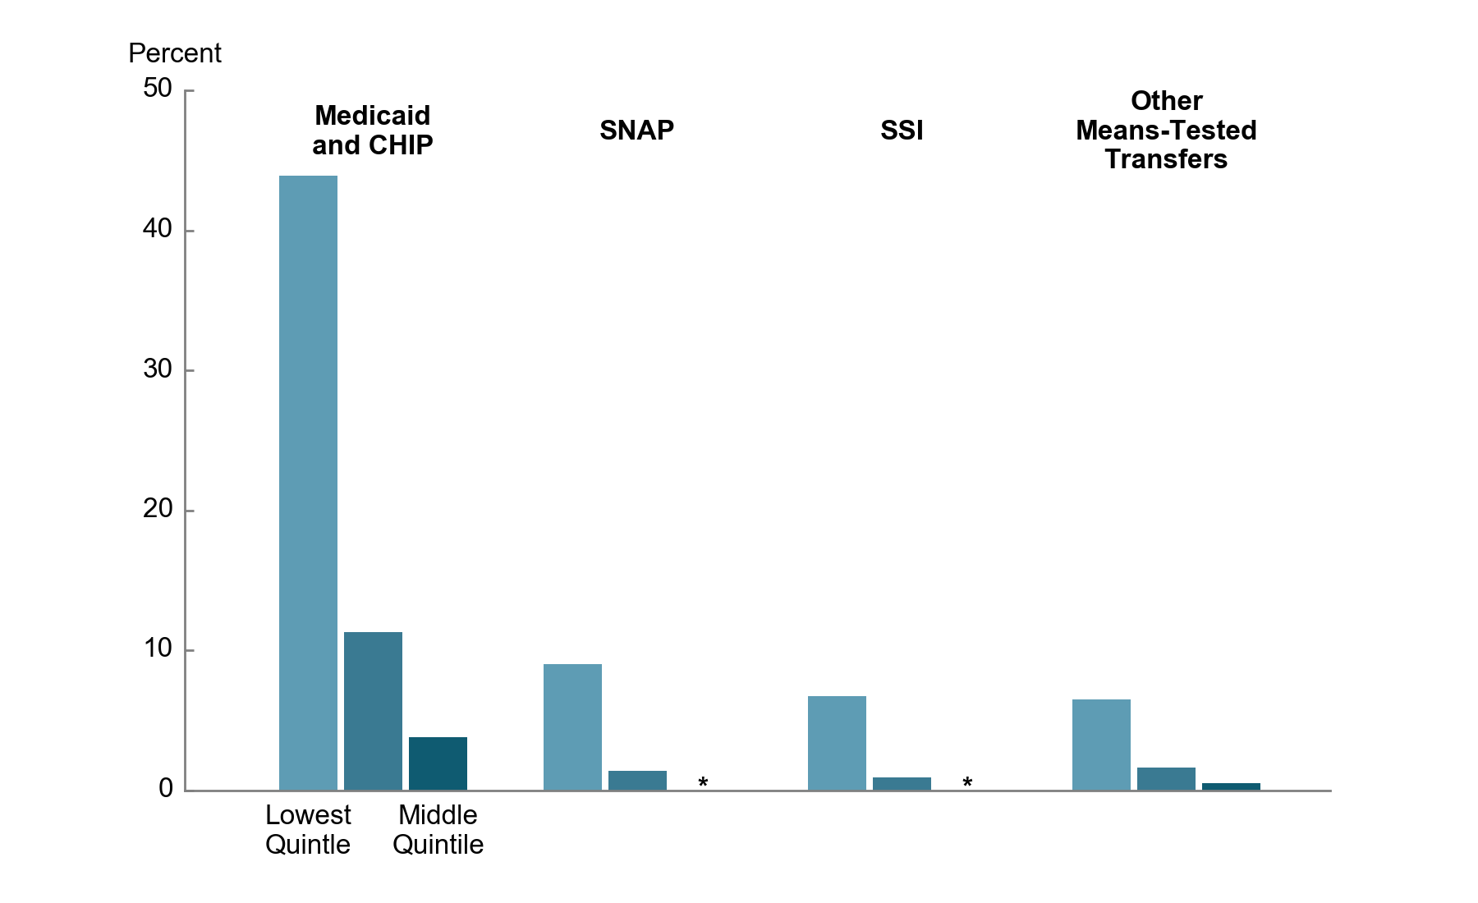
 | Lowest Quintile | Second Quintile | Middle Quintile
Medicaid and CHIP | 43.9 | 11.3 | 3.8
SNAP | 9.0 | 1.4 | *
SSI | 6.7 | 0.9 | *
Other Transfers | 6.5 | 1.6 | 0.5

Source: Congressional Budget Office.

Average means-tested transfer rates are calculated by dividing total means-tested transfers by total income before transfers and taxes in each income group.

Means-tested transfers are cash payments and in-kind transfers from federal, state, and local governments. The largest means-tested transfers consist of transfers provided through Medicaid and the Children’s Health Insurance Program (measured as the average cost to the government of providing those benefits); the Supplemental Nutrition Assistance Program (formerly known as the Food Stamp program); and Supplemental Security Income.

Other means-tested transfers consist of housing assistance programs; low-income subsidies for Part D of Medicare (which covers prescription drugs); Temporary Assistance for Needy Families; child nutrition programs; cost-sharing reductions as part of the Affordable Care Act; the Low Income Home Energy Assistance Program; and state and local government general assistance programs.

Income before transfers and taxes is market income plus social insurance benefits. Market income consists of labor income; business income; capital income (including capital gains); income received in retirement for past services; and other nongovernmental income sources. Social insurance benefits consist of benefits provided through Social Security (Old-Age, Survivors, and Disability Insurance); Medicare (measured as the average cost to the government of providing those benefits); unemployment insurance; and workers’ compensation.

Income groups are created by ranking households by income before transfers and taxes, adjusted for household size. Quintiles (fifths) contain an equal number of people. The lowest quintile does not include households with negative income.

Average means-tested transfer rates for the fourth and highest quintiles are less than 0.5 percent for all sources and transfer programs, except the fourth quintile for Medicaid, which is 1.3 percent.

CHIP = Children’s Health Insurance Program; SNAP = Supplemental Nutrition Assistance Program; SSI = Supplemental Security Income; * = less than 0.5 percent.

Figure 4
This file presents the data underlying the figures in CBO's November 2018 slide deck The Distribution of Household Income, 2015.
www.cbo.gov/publication/54646

Figure 4.
Average Federal Tax Rates, by Income Group, 2015
Percent
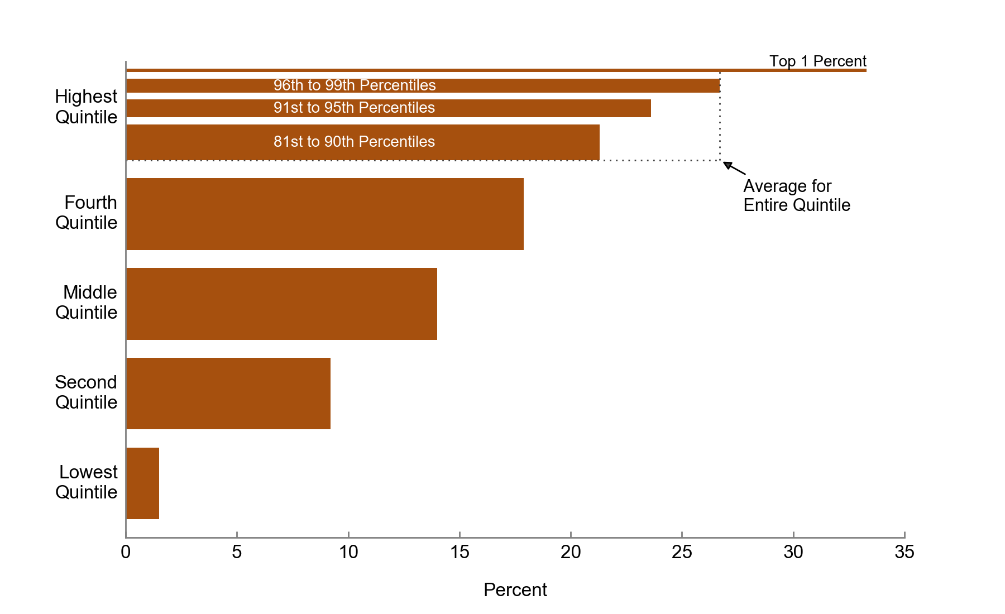
Top 1 Percent | 33.3
96th to 99th Percentiles | 26.7
91st to 95th Percentiles | 23.6
81st to 90th Percentiles | 21.3
Highest Quintile | 26.7
Fourth Quintile | 17.9
Middle Quintile | 14.0
Second Quintile | 9.2
Lowest Quintile | 1.5

Source: Congressional Budget Office.

Average federal tax rates are calculated by dividing total federal taxes by total income before transfers and taxes in each income group.

Federal taxes consist of individual income taxes, payroll taxes, corporate income taxes, and excise taxes.

Income before transfers and taxes is market income plus social insurance benefits. Market income consists of labor income; business income; capital income (including capital gains); income received in retirement for past services; and other nongovernmental income sources. Social insurance benefits consist of benefits provided through Social Security (Old-Age, Survivors, and Disability Insurance); Medicare (measured as the average cost to the government of providing those benefits); unemployment insurance; and workers’ compensation.

Income groups are created by ranking households by income before transfers and taxes, adjusted for household size. Quintiles (fifths) contain an equal number of people; percentiles (hundredths) contain an equal number of people as well. The lowest quintile does not include households with negative income.

Figure 5
This file presents the data underlying the figures in CBO's November 2018 slide deck The Distribution of Household Income, 2015.
www.cbo.gov/publication/54646

Figure 5.
Average Federal Tax Rates, by Income Group and Tax Source, 2015
Percent
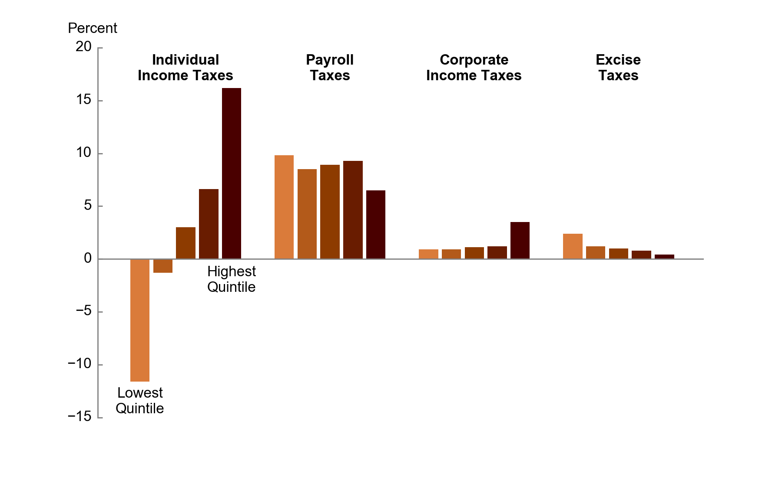
 | Lowest Quintile | Second Quintile | Middle Quintile | Fourth Quintile | Highest Quintile
Individual Income Tax | -11.6 | -1.3 | 3.0 | 6.6 | 16.2
Payroll Taxes | 9.8 | 8.5 | 8.9 | 9.3 | 6.5
Corporate Income Tax | 0.9 | 0.9 | 1.1 | 1.2 | 3.5
Excise Taxes | 2.4 | 1.2 | 1.0 | 0.8 | 0.4

Source: Congressional Budget Office.

Average federal tax rates are calculated by dividing total federal taxes by total income before transfers and taxes in each income group.

Income before transfers and taxes is market income plus social insurance benefits. Market income consists of labor income; business income; capital income (including capital gains); income received in retirement for past services; and other nongovernmental income sources. Social insurance benefits consist of benefits provided through Social Security (Old-Age, Survivors, and Disability Insurance); Medicare (measured as the average cost to the government of providing those benefits); unemployment insurance; and workers’ compensation.

Income groups are created by ranking households by income before transfers and taxes, adjusted for household size. Quintiles (fifths) contain an equal number of people. The lowest quintile does not include households with negative income.

Figure 6
This file presents the data underlying the figures in CBO's November 2018 slide deck The Distribution of Household Income, 2015.
www.cbo.gov/publication/54646

Figure 6.
Shares of Means-Tested Transfers and Federal Taxes, by Income Group, 2015
Percent
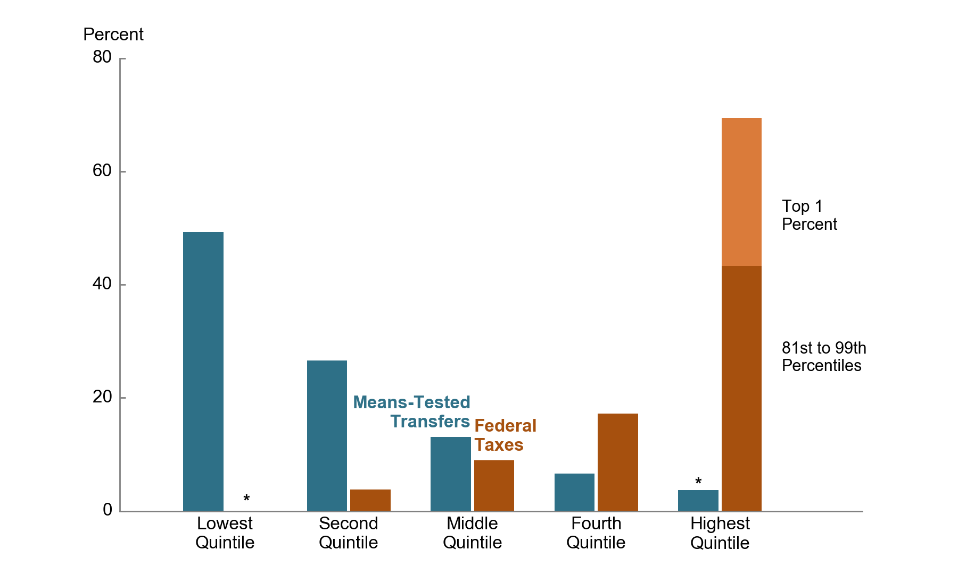
 | Lowest Quintile | Second Quintile | Middle Quintile | Fourth Quintile | 81st to 99th Percentiles | Top 1 Percent
Means-Tested Transfers | 49.3 | 26.6 | 13.1 | 6.6 | 3.7 | *
Federal Taxes | * | 3.8 | 9.0 | 17.2 | 43.3 | 26.2

Source: Congressional Budget Office.

Means-tested transfers are cash payments and in-kind transfers from federal, state, and local governments. The largest means-tested transfers consist of transfers provided through Medicaid and the Children’s Health Insurance Program (measured as the average cost to the government of providing those benefits); the Supplemental Nutrition Assistance Program (formerly known as the Food Stamp program); and Supplemental Security Income.

Federal taxes consist of individual income taxes, payroll taxes, corporate income taxes, and excise taxes.

Income groups are created by ranking households by income before transfers and taxes, adjusted for household size. Quintiles (fifths) contain an equal number of people; percentiles (hundredths) contain an equal number of people as well. The lowest quintile does not include households with negative income.

* = less than 0.5 percent.

Figure 7
This file presents the data underlying the figures in CBO's November 2018 slide deck The Distribution of Household Income, 2015.
www.cbo.gov/publication/54646

Figure 7.
Average Income After Transfers and Taxes, by Income Group, 2015
Thousands of Dollars
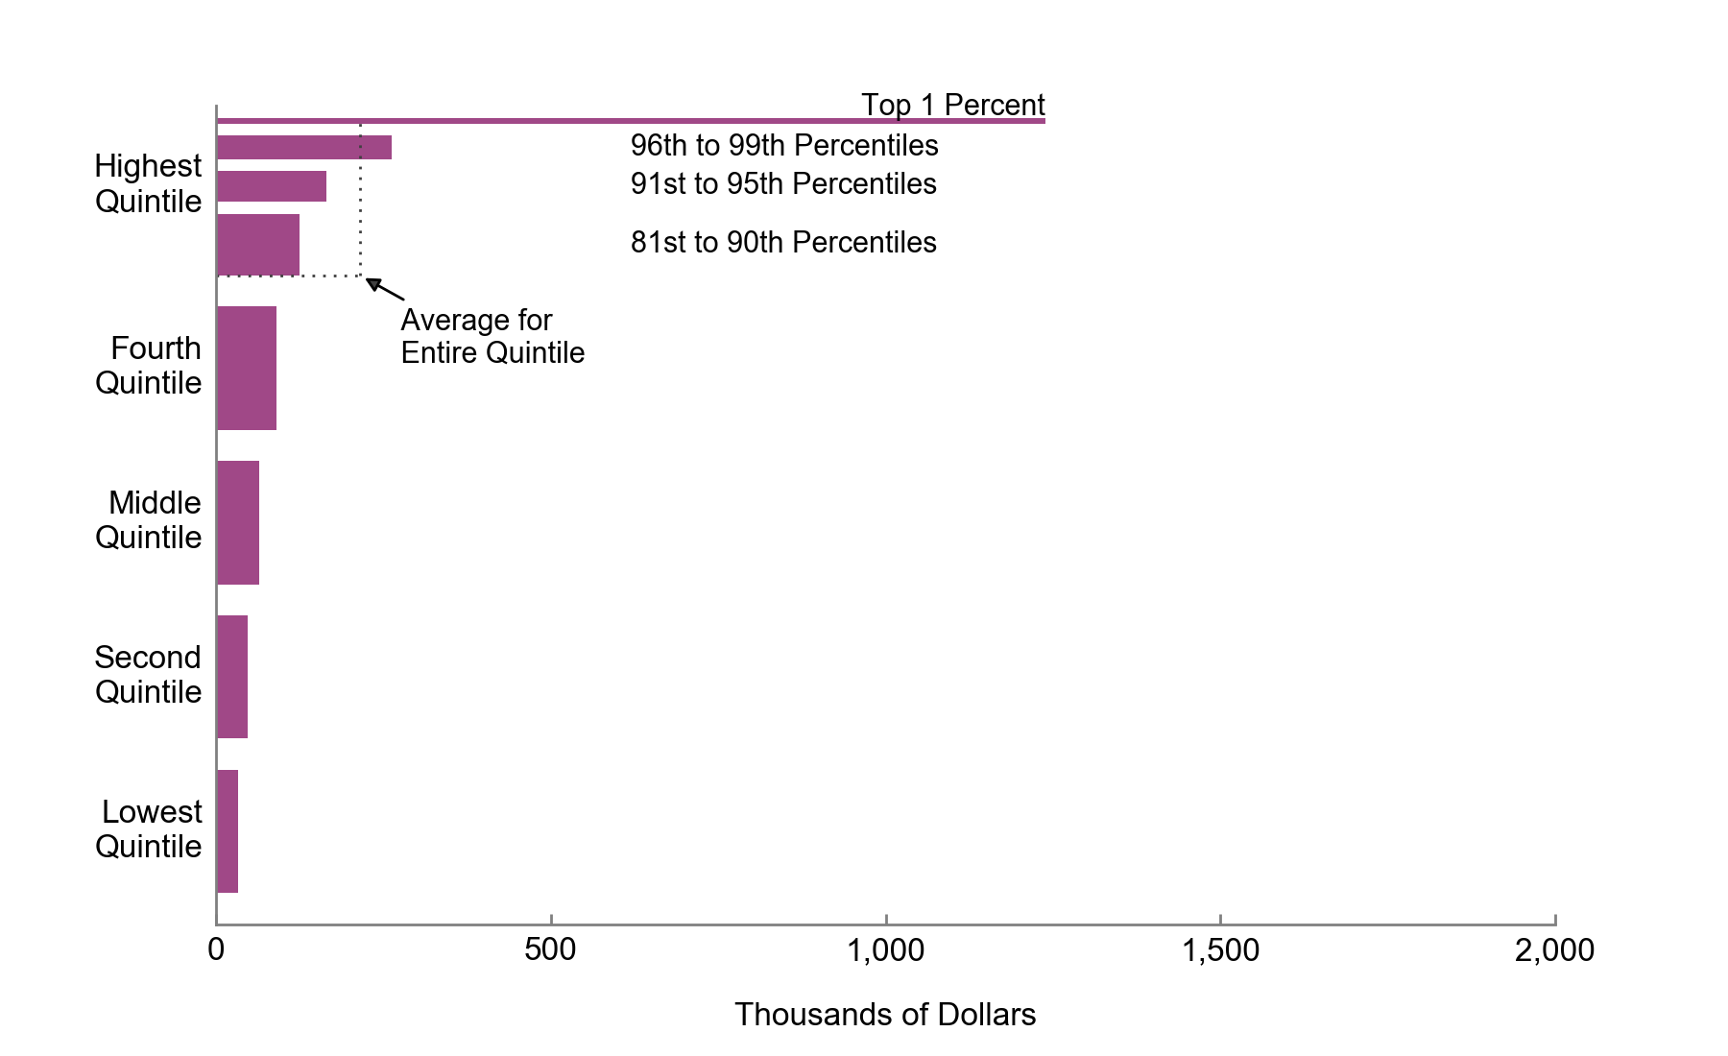
Top 1 Percent | 1,238
96th to 99th Percentiles | 262
91st to 95th Percentiles | 165
81st to 90th Percentiles | 125
Highest Quintile | 215
Fourth Quintile | 91
Middle Quintile | 65
Second Quintile | 47
Lowest Quintile | 33

Source: Congressional Budget Office.

Income after transfers and taxes is income before transfers and taxes plus means-tested transfers minus federal taxes.

Income before transfers and taxes is market income plus social insurance benefits. Market income consists of labor income; business income; capital income (including capital gains); income received in retirement for past services; and other nongovernmental income sources. Social insurance benefits consist of benefits provided through Social Security (Old-Age, Survivors, and Disability Insurance); Medicare (measured as the average cost to the government of providing those benefits); unemployment insurance; and workers’ compensation.

Means-tested transfers are cash payments and in-kind transfers from federal, state, and local governments. The largest means-tested transfers consist of transfers provided through Medicaid and the Children’s Health Insurance Program (measured as the average cost to the government of providing those benefits); the Supplemental Nutrition Assistance Program (formerly known as the Food Stamp program); and Supplemental Security Income.

Federal taxes consist of individual income taxes, payroll taxes, corporate income taxes, and excise taxes.

Income groups are created by ranking households by income before transfers and taxes, adjusted for household size. Quintiles (fifths) contain an equal number of people; percentiles (hundredths) contain an equal number of people as well. The lowest quintile does not include households with negative income.

Figure 8
This file presents the data underlying the figures in CBO's November 2018 slide deck The Distribution of Household Income, 2015.
www.cbo.gov/publication/54646

Figure 8.
Shares of Income Before and After Transfers and Taxes, by Income Group, 2015
Percent
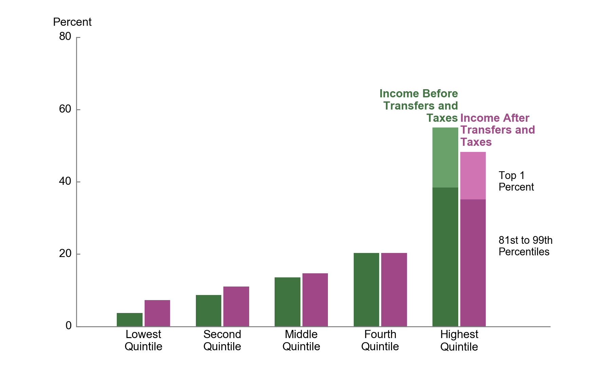
 | Lowest Quintile | Second Quintile | Middle Quintile | Fourth Quintile | 81st to 99th Percentiles | Top 1 Percent
Income Before Transfers and Taxes | 3.7 | 8.7 | 13.6 | 20.3 | 38.4 | 16.6
Income After Transfers and Taxes | 7.3 | 11 | 14.7 | 20.3 | 35.1 | 13.2

Source: Congressional Budget Office.

Income before transfers and taxes is market income plus social insurance benefits. Market income consists of labor income; business income; capital income (including capital gains); income received in retirement for past services; and other nongovernmental income sources. Social insurance benefits consist of benefits provided through Social Security (Old-Age, Survivors, and Disability Insurance); Medicare (measured as the average cost to the government of providing those benefits); unemployment insurance; and workers’ compensation.

Income after transfers and taxes is income before transfers and taxes plus means-tested transfers minus federal taxes.

Means-tested transfers are cash payments and in-kind transfers from federal, state, and local governments. The largest means-tested transfers consist of transfers provided through Medicaid and the Children’s Health Insurance Program (measured as the average cost to the government of providing those benefits); the Supplemental Nutrition Assistance Program (formerly known as the Food Stamp program); and Supplemental Security Income.

Federal taxes consist of individual income taxes, payroll taxes, corporate income taxes, and excise taxes.

Income groups are created by ranking households by income before transfers and taxes, adjusted for household size. Quintiles (fifths) contain an equal number of people. The lowest quintile does not include households with negative income.

Figure 9
This file presents the data underlying the figures in CBO's November 2018 slide deck The Distribution of Household Income, 2015.
www.cbo.gov/publication/54646

Figure 9.
Cumulative Growth in Average Income Before Transfers and Taxes, by Income Group, 1979 to 2015
Percent
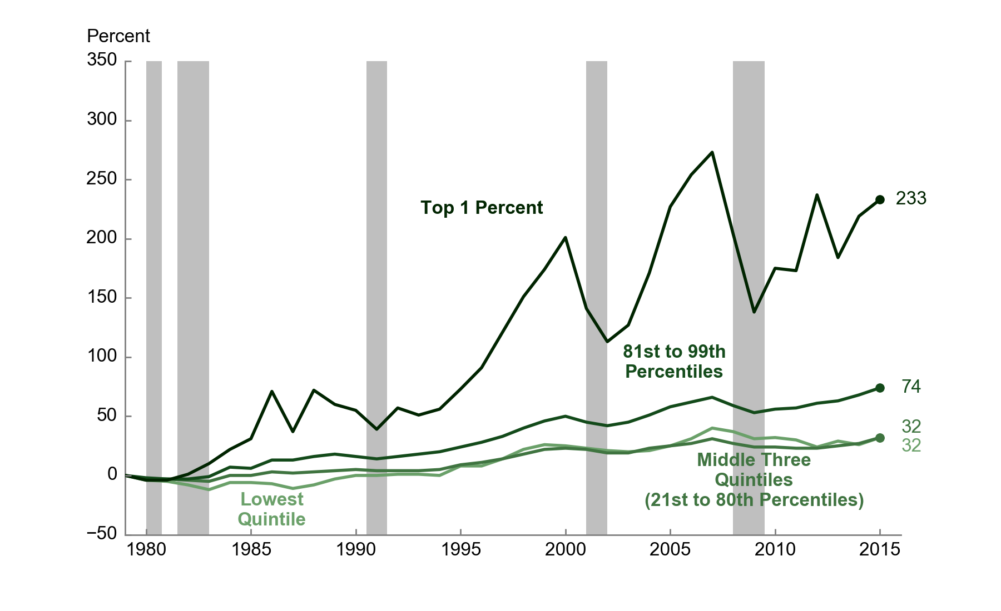
 | Lowest Quintile | Middle Three Quintiles (21st to 80th Percentiles) | 81st to 99th Percentiles | Top 1 Percent
1979 | 0 | 0 | 0 | 0
1980 | -4 | -3 | -2 | -4
1981 | -5 | -3 | -3 | -4
1982 | -8 | -4 | -3 | 1
1983 | -12 | -5 | -1 | 10
1984 | -6 | 0 | 7 | 22
1985 | -6 | 0 | 6 | 31
1986 | -7 | 3 | 13 | 71
1987 | -11 | 2 | 13 | 37
1988 | -8 | 3 | 16 | 72
1989 | -3 | 4 | 18 | 60
1990 | 0 | 5 | 16 | 55
1991 | 0 | 4 | 14 | 39
1992 | 1 | 4 | 16 | 57
1993 | 1 | 4 | 18 | 51
1994 | 0 | 5 | 20 | 56
1995 | 8 | 9 | 24 | 73
1996 | 8 | 11 | 28 | 91
1997 | 14 | 14 | 33 | 121
1998 | 22 | 18 | 40 | 151
1999 | 26 | 22 | 46 | 174
2000 | 25 | 23 | 50 | 201
2001 | 23 | 22 | 45 | 141
2002 | 21 | 19 | 42 | 113
2003 | 20 | 19 | 45 | 127
2004 | 21 | 23 | 51 | 171
2005 | 25 | 25 | 58 | 227
2006 | 31 | 27 | 62 | 254
2007 | 40 | 31 | 66 | 273
2008 | 37 | 27 | 59 | 204
2009 | 31 | 24 | 53 | 138
2010 | 32 | 24 | 56 | 175
2011 | 30 | 23 | 57 | 173
2012 | 24 | 23 | 61 | 237
2013 | 29 | 25 | 63 | 184
2014 | 26 | 27 | 68 | 219
2015 | 32 | 32 | 74 | 233

Source: Congressional Budget Office.

Income before transfers and taxes is market income plus social insurance benefits. Market income consists of labor income; business income; capital income (including capital gains); income received in retirement for past services; and other nongovernmental income sources. Social insurance benefits consist of benefits provided through Social Security (Old-Age, Survivors, and Disability Insurance); Medicare (measured as the average cost to the government of providing those benefits); unemployment insurance; and workers’ compensation.

Income groups are created by ranking households by income before transfers and taxes, adjusted for household size. Quintiles (fifths) contain an equal number of people; percentiles (hundredths) contain an equal number of people as well. The lowest quintile does not include households with negative income.

Figure 10
This file presents the data underlying the figures in CBO's November 2018 slide deck The Distribution of Household Income, 2015.
www.cbo.gov/publication/54646

Figure 10.
Average Means-Tested Transfer Rates, for Selected Income Groups, 1979 to 2015
Percent
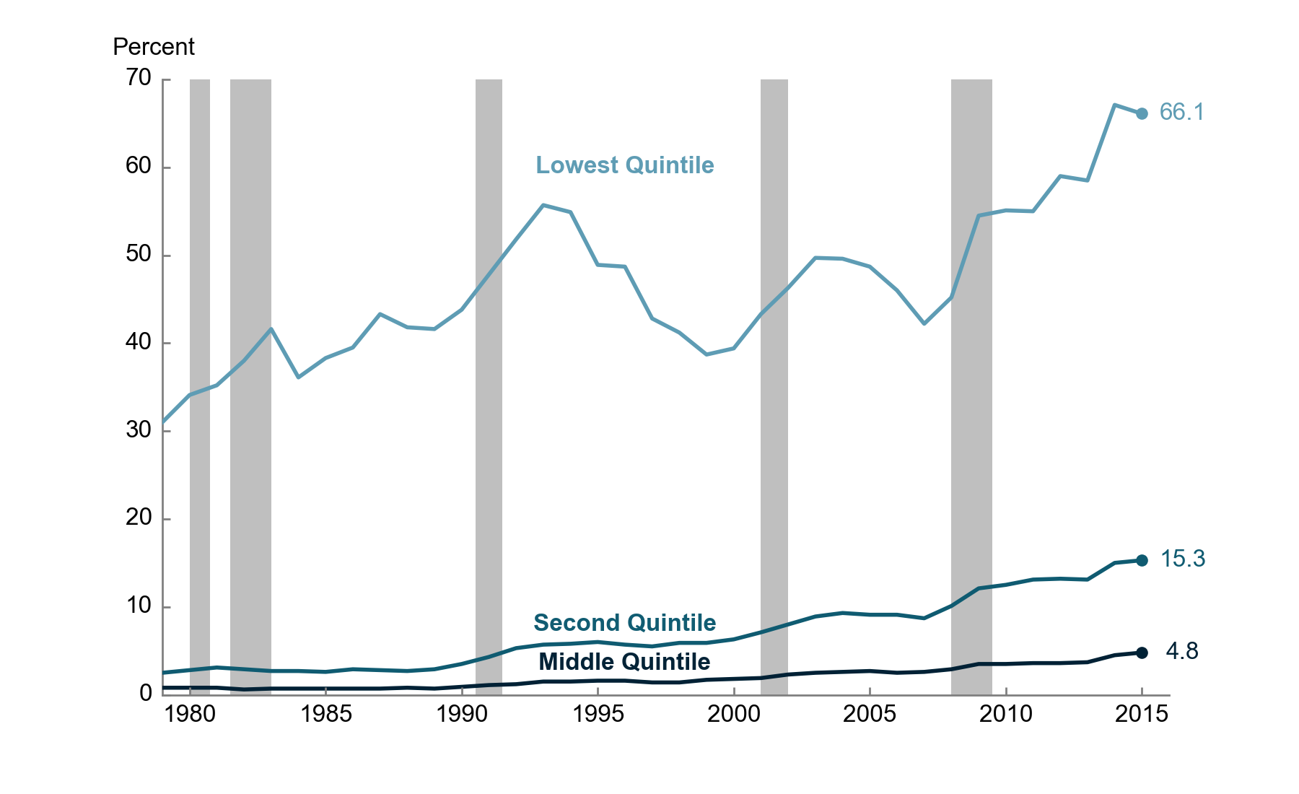
 | Lowest Quintile | Second Quintile | Middle Quintile
1979 | 31.0 | 2.5 | 0.8
1980 | 34.1 | 2.8 | 0.8
1981 | 35.2 | 3.1 | 0.8
1982 | 38.0 | 2.9 | 0.6
1983 | 41.6 | 2.7 | 0.7
1984 | 36.1 | 2.7 | 0.7
1985 | 38.3 | 2.6 | 0.7
1986 | 39.5 | 2.9 | 0.7
1987 | 43.3 | 2.8 | 0.7
1988 | 41.8 | 2.7 | 0.8
1989 | 41.6 | 2.9 | 0.7
1990 | 43.8 | 3.5 | 0.9
1991 | 47.8 | 4.3 | 1.1
1992 | 51.8 | 5.3 | 1.2
1993 | 55.7 | 5.7 | 1.5
1994 | 54.9 | 5.8 | 1.5
1995 | 48.9 | 6.0 | 1.6
1996 | 48.7 | 5.7 | 1.6
1997 | 42.8 | 5.5 | 1.4
1998 | 41.2 | 5.9 | 1.4
1999 | 38.7 | 5.9 | 1.7
2000 | 39.4 | 6.3 | 1.8
2001 | 43.3 | 7.1 | 1.9
2002 | 46.3 | 8.0 | 2.3
2003 | 49.7 | 8.9 | 2.5
2004 | 49.6 | 9.3 | 2.6
2005 | 48.7 | 9.1 | 2.7
2006 | 46.0 | 9.1 | 2.5
2007 | 42.2 | 8.7 | 2.6
2008 | 45.2 | 10.1 | 2.9
2009 | 54.5 | 12.1 | 3.5
2010 | 55.1 | 12.5 | 3.5
2011 | 55.0 | 13.1 | 3.6
2012 | 59.0 | 13.2 | 3.6
2013 | 58.5 | 13.1 | 3.7
2014 | 67.1 | 15.0 | 4.5
2015 | 66.1 | 15.3 | 4.8

Source: Congressional Budget Office.

Means-tested transfer rates are calculated as total means-tested transfers received divided by total income before transfers and taxes in each income group.

Means-tested transfers are cash payments and in-kind transfers from federal, state, and local governments. The largest means-tested transfers consist of transfers provided through Medicaid and the Children’s Health Insurance Program (measured as the average cost to the government of providing those benefits); the Supplemental Nutrition Assistance Program (formerly known as the Food Stamp program); and Supplemental Security Income.

Income before transfers and taxes is market income plus social insurance benefits. Market income consists of labor income; business income; capital income (including capital gains); income received in retirement for past services; and other nongovernmental income sources. Social insurance benefits consist of benefits provided through Social Security (Old-Age, Survivors, and Disability Insurance); Medicare (measured as the average cost to the government of providing those benefits); unemployment insurance; and workers’ compensation.

Income groups are created by ranking households by income before transfers and taxes, adjusted for household size. Quintiles (fifths) contain an equal number of people. The lowest quintile does not include households with negative income.

Figure 11
This file presents the data underlying the figures in CBO's November 2018 slide deck The Distribution of Household Income, 2015.
www.cbo.gov/publication/54646

Figure 11.
Means-Tested Transfer Rates, by Source, Among Households in the Lowest Income Quintile, 1979 to 2015
Percent
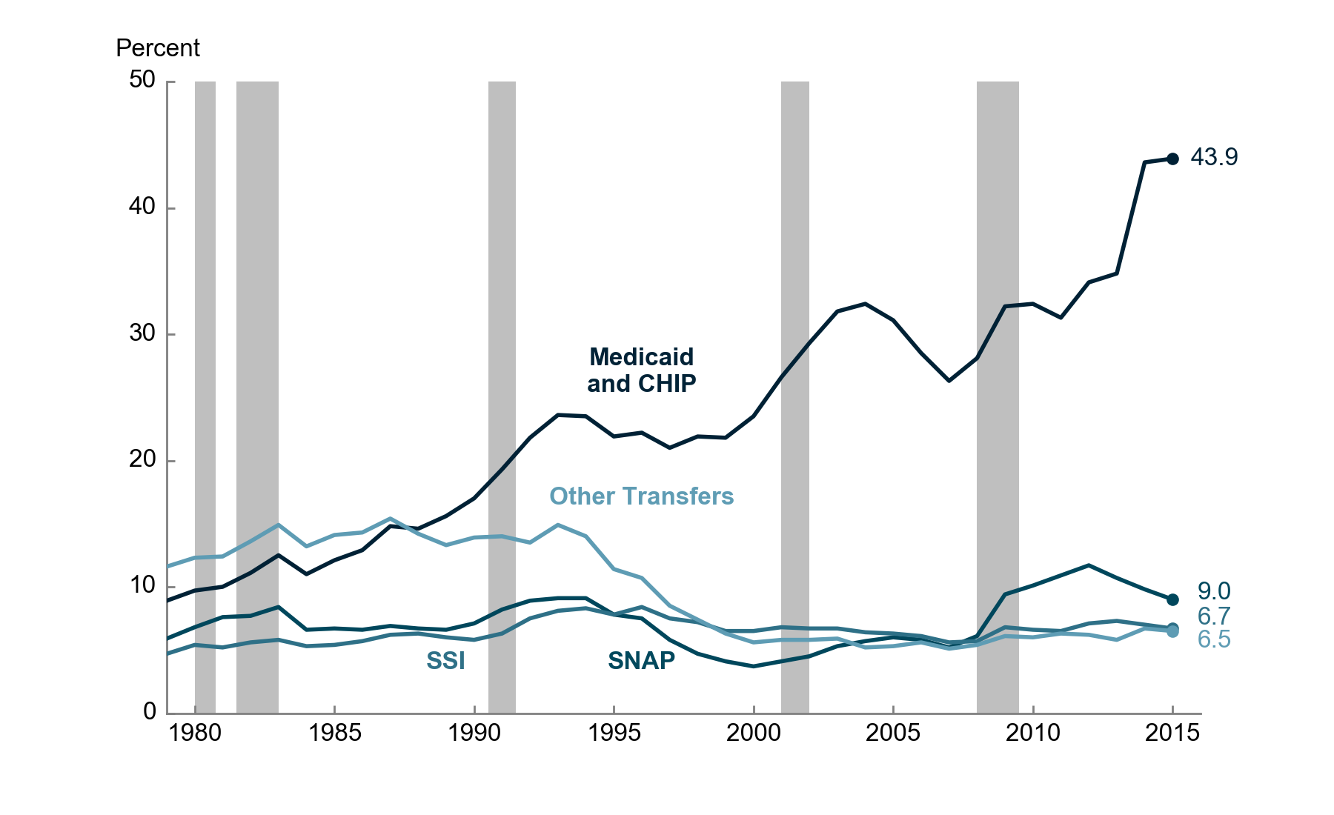
 | Medicaid and CHIP | SNAP | SSI | Other Transfers
1979 | 8.9 | 5.9 | 4.7 | 11.6
1980 | 9.7 | 6.8 | 5.4 | 12.3
1981 | 10.0 | 7.6 | 5.2 | 12.4
1982 | 11.1 | 7.7 | 5.6 | 13.6
1983 | 12.5 | 8.4 | 5.8 | 14.9
1984 | 11.0 | 6.6 | 5.3 | 13.2
1985 | 12.1 | 6.7 | 5.4 | 14.1
1986 | 12.9 | 6.6 | 5.7 | 14.3
1987 | 14.8 | 6.9 | 6.2 | 15.4
1988 | 14.6 | 6.7 | 6.3 | 14.2
1989 | 15.6 | 6.6 | 6.0 | 13.3
1990 | 17.0 | 7.1 | 5.8 | 13.9
1991 | 19.3 | 8.2 | 6.3 | 14.0
1992 | 21.8 | 8.9 | 7.5 | 13.5
1993 | 23.6 | 9.1 | 8.1 | 14.9
1994 | 23.5 | 9.1 | 8.3 | 14.0
1995 | 21.9 | 7.8 | 7.8 | 11.4
1996 | 22.2 | 7.5 | 8.4 | 10.7
1997 | 21.0 | 5.8 | 7.5 | 8.5
1998 | 21.9 | 4.7 | 7.2 | 7.4
1999 | 21.8 | 4.1 | 6.5 | 6.3
2000 | 23.5 | 3.7 | 6.5 | 5.6
2001 | 26.6 | 4.1 | 6.8 | 5.8
2002 | 29.3 | 4.5 | 6.7 | 5.8
2003 | 31.8 | 5.3 | 6.7 | 5.9
2004 | 32.4 | 5.7 | 6.4 | 5.2
2005 | 31.1 | 6.0 | 6.3 | 5.3
2006 | 28.5 | 5.8 | 6.1 | 5.6
2007 | 26.3 | 5.2 | 5.6 | 5.1
2008 | 28.1 | 6.1 | 5.7 | 5.4
2009 | 32.2 | 9.4 | 6.8 | 6.1
2010 | 32.4 | 10.1 | 6.6 | 6.0
2011 | 31.3 | 10.9 | 6.5 | 6.3
2012 | 34.1 | 11.7 | 7.1 | 6.2
2013 | 34.8 | 10.7 | 7.3 | 5.8
2014 | 43.6 | 9.8 | 7.0 | 6.7
2015 | 43.9 | 9.0 | 6.7 | 6.5

Source: Congressional Budget Office.

Means-tested transfer rates are calculated as total means-tested transfers received divided by total income before transfers and taxes in each income group.

Means-tested transfers are cash payments and in-kind transfers from federal, state, and local governments. The largest means-tested transfers consist of transfers provided through Medicaid and the Children’s Health Insurance Program (measured as the average cost to the government of providing those benefits); the Supplemental Nutrition Assistance Program (formerly known as the Food Stamp program); and Supplemental Security Income.

Other means-tested transfers consist of housing assistance programs; low-income subsidies for Part D of Medicare (which covers prescription drugs); Temporary Assistance for Needy Families; child nutrition programs; cost-sharing reductions as part of the Affordable Care Act; the Low Income Home Energy Assistance Program; and state and local government general assistance programs.

Income before transfers and taxes is market income plus social insurance benefits. Market income consists of labor income; business income; capital income (including capital gains); income received in retirement for past services; and other nongovernmental income sources. Social insurance benefits consist of benefits provided through Social Security (Old-Age, Survivors, and Disability Insurance); Medicare (measured as the average cost to the government of providing those benefits); unemployment insurance; and workers’ compensation.

Income groups are created by ranking households by income before transfers and taxes, adjusted for household size. Quintiles (fifths) contain an equal number of people. The lowest quintile does not include households with negative income.

CHIP = Children’s Health Insurance Program; SNAP = Supplemental Nutrition Assistance Program; SSI = Supplemental Security Income.

Figure 12
This file presents the data underlying the figures in CBO's November 2018 slide deck The Distribution of Household Income, 2015.
www.cbo.gov/publication/54646

Figure 12.
Average Federal Tax Rates, by Income Group, 1979 to 2015
Percent
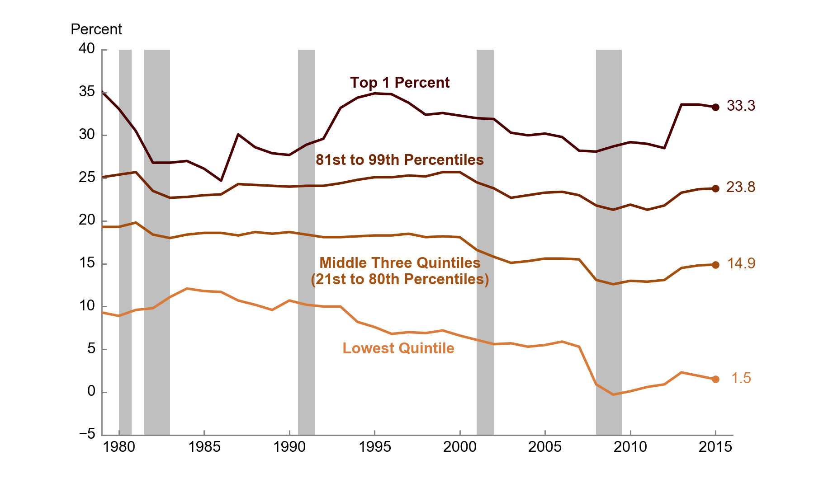
 | Lowest Quintile | Middle Three Quintiles (21st to 80th Percentiles) | 81st to 99th Percentiles | Top 1 Percent
1979 | 9.3 | 19.3 | 25.1 | 35.1
1980 | 8.9 | 19.3 | 25.4 | 33.1
1981 | 9.6 | 19.8 | 25.7 | 30.5
1982 | 9.8 | 18.4 | 23.5 | 26.8
1983 | 11.1 | 18.0 | 22.7 | 26.8
1984 | 12.1 | 18.4 | 22.8 | 27.0
1985 | 11.8 | 18.6 | 23.0 | 26.1
1986 | 11.7 | 18.6 | 23.1 | 24.7
1987 | 10.7 | 18.3 | 24.3 | 30.1
1988 | 10.2 | 18.7 | 24.2 | 28.6
1989 | 9.6 | 18.5 | 24.1 | 27.9
1990 | 10.7 | 18.7 | 24.0 | 27.7
1991 | 10.2 | 18.4 | 24.1 | 28.9
1992 | 10.0 | 18.1 | 24.1 | 29.6
1993 | 10.0 | 18.1 | 24.4 | 33.2
1994 | 8.2 | 18.2 | 24.8 | 34.4
1995 | 7.6 | 18.3 | 25.1 | 34.9
1996 | 6.8 | 18.3 | 25.1 | 34.8
1997 | 7.0 | 18.5 | 25.3 | 33.8
1998 | 6.9 | 18.1 | 25.2 | 32.4
1999 | 7.2 | 18.2 | 25.7 | 32.6
2000 | 6.6 | 18.1 | 25.7 | 32.3
2001 | 6.1 | 16.6 | 24.5 | 32.0
2002 | 5.6 | 15.8 | 23.8 | 31.9
2003 | 5.7 | 15.1 | 22.7 | 30.3
2004 | 5.3 | 15.3 | 23.0 | 30.0
2005 | 5.5 | 15.6 | 23.3 | 30.2
2006 | 5.9 | 15.6 | 23.4 | 29.8
2007 | 5.3 | 15.5 | 23.0 | 28.2
2008 | 0.9 | 13.1 | 21.8 | 28.1
2009 | -0.3 | 12.6 | 21.3 | 28.7
2010 | 0.1 | 13.0 | 21.9 | 29.2
2011 | 0.6 | 12.9 | 21.3 | 29.0
2012 | 0.9 | 13.1 | 21.8 | 28.5
2013 | 2.3 | 14.5 | 23.3 | 33.6
2014 | 1.9 | 14.8 | 23.7 | 33.6
2015 | 1.5 | 14.9 | 23.8 | 33.3

Source: Congressional Budget Office.

Average federal tax rates are calculated by dividing total federal taxes by total income before transfers and taxes in each income group.

Federal taxes consist of individual income taxes, payroll taxes, corporate income taxes, and excise taxes.

Income before transfers and taxes is market income plus social insurance benefits. Market income consists of labor income; business income; capital income (including capital gains); income received in retirement for past services; and other nongovernmental income sources. Social insurance benefits consist of benefits provided through Social Security (Old-Age, Survivors, and Disability Insurance); Medicare (measured as the average cost to the government of providing those benefits); unemployment insurance; and workers’ compensation.

Income groups are created by ranking households by income before transfers and taxes, adjusted for household size. Quintiles (fifths) contain an equal number of people; percentiles (hundredths) contain an equal number of people as well. The lowest quintile does not include households with negative income.

Figure 13
This file presents the data underlying the figures in CBO's November 2018 slide deck The Distribution of Household Income, 2015.
www.cbo.gov/publication/54646

Figure 13.
Average Federal Tax Rates, by Source, 1979 to 2015
Percent
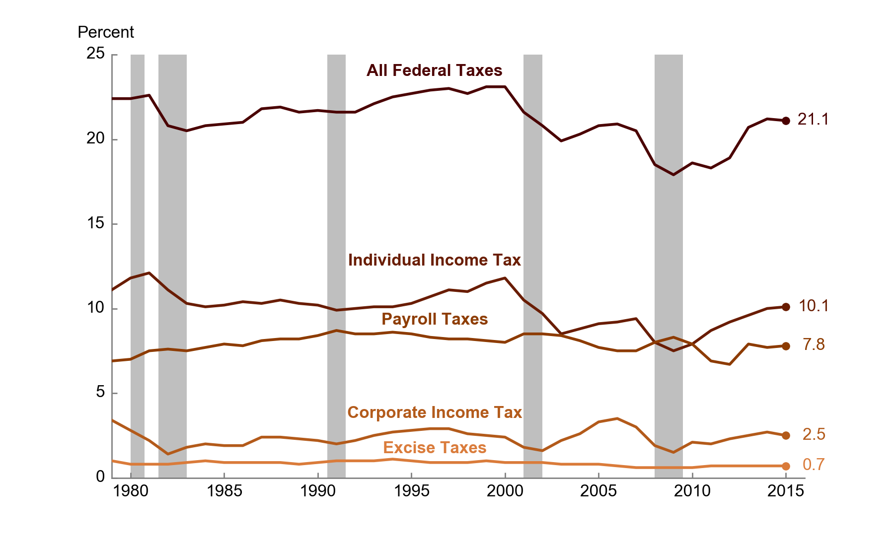
 | All Federal Taxes | Individual Income Tax | Payroll Taxes | Corporate Income Tax | Excise Taxes
1979 | 22.4 | 11.1 | 6.9 | 3.4 | 1.0
1980 | 22.4 | 11.8 | 7.0 | 2.8 | 0.8
1981 | 22.6 | 12.1 | 7.5 | 2.2 | 0.8
1982 | 20.8 | 11.1 | 7.6 | 1.4 | 0.8
1983 | 20.5 | 10.3 | 7.5 | 1.8 | 0.9
1984 | 20.8 | 10.1 | 7.7 | 2.0 | 1.0
1985 | 20.9 | 10.2 | 7.9 | 1.9 | 0.9
1986 | 21.0 | 10.4 | 7.8 | 1.9 | 0.9
1987 | 21.8 | 10.3 | 8.1 | 2.4 | 0.9
1988 | 21.9 | 10.5 | 8.2 | 2.4 | 0.9
1989 | 21.6 | 10.3 | 8.2 | 2.3 | 0.8
1990 | 21.7 | 10.2 | 8.4 | 2.2 | 0.9
1991 | 21.6 | 9.9 | 8.7 | 2.0 | 1.0
1992 | 21.6 | 10.0 | 8.5 | 2.2 | 1.0
1993 | 22.1 | 10.1 | 8.5 | 2.5 | 1.0
1994 | 22.5 | 10.1 | 8.6 | 2.7 | 1.1
1995 | 22.7 | 10.3 | 8.5 | 2.8 | 1.0
1996 | 22.9 | 10.7 | 8.3 | 2.9 | 0.9
1997 | 23.0 | 11.1 | 8.2 | 2.9 | 0.9
1998 | 22.7 | 11.0 | 8.2 | 2.6 | 0.9
1999 | 23.1 | 11.5 | 8.1 | 2.5 | 1.0
2000 | 23.1 | 11.8 | 8.0 | 2.4 | 0.9
2001 | 21.6 | 10.5 | 8.5 | 1.8 | 0.9
2002 | 20.8 | 9.7 | 8.5 | 1.6 | 0.9
2003 | 19.9 | 8.5 | 8.4 | 2.2 | 0.8
2004 | 20.3 | 8.8 | 8.1 | 2.6 | 0.8
2005 | 20.8 | 9.1 | 7.7 | 3.3 | 0.8
2006 | 20.9 | 9.2 | 7.5 | 3.5 | 0.7
2007 | 20.5 | 9.4 | 7.5 | 3.0 | 0.6
2008 | 18.5 | 8.0 | 8.0 | 1.9 | 0.6
2009 | 17.9 | 7.5 | 8.3 | 1.5 | 0.6
2010 | 18.6 | 7.9 | 7.9 | 2.1 | 0.6
2011 | 18.3 | 8.7 | 6.9 | 2.0 | 0.7
2012 | 18.9 | 9.2 | 6.7 | 2.3 | 0.7
2013 | 20.7 | 9.6 | 7.9 | 2.5 | 0.7
2014 | 21.2 | 10.0 | 7.7 | 2.7 | 0.7
2015 | 21.1 | 10.1 | 7.8 | 2.5 | 0.7

Source: Congressional Budget Office.

Average federal tax rates are calculated by dividing total federal taxes by source by total income before transfers and taxes.

Income before transfers and taxes is market income plus social insurance benefits. Market income consists of labor income; business income; capital income (including capital gains); income received in retirement for past services; and other nongovernmental income sources. Social insurance benefits consist of benefits provided through Social Security (Old-Age, Survivors, and Disability Insurance); Medicare (measured as the average cost to the government of providing those benefits); unemployment insurance; and workers’ compensation.

Figure 14
This file presents the data underlying the figures in CBO's November 2018 slide deck The Distribution of Household Income, 2015.
www.cbo.gov/publication/54646

Figure 14.
Average Refundable Tax Credit Rates, for Selected Income Groups, 1979 to 2015
Percent
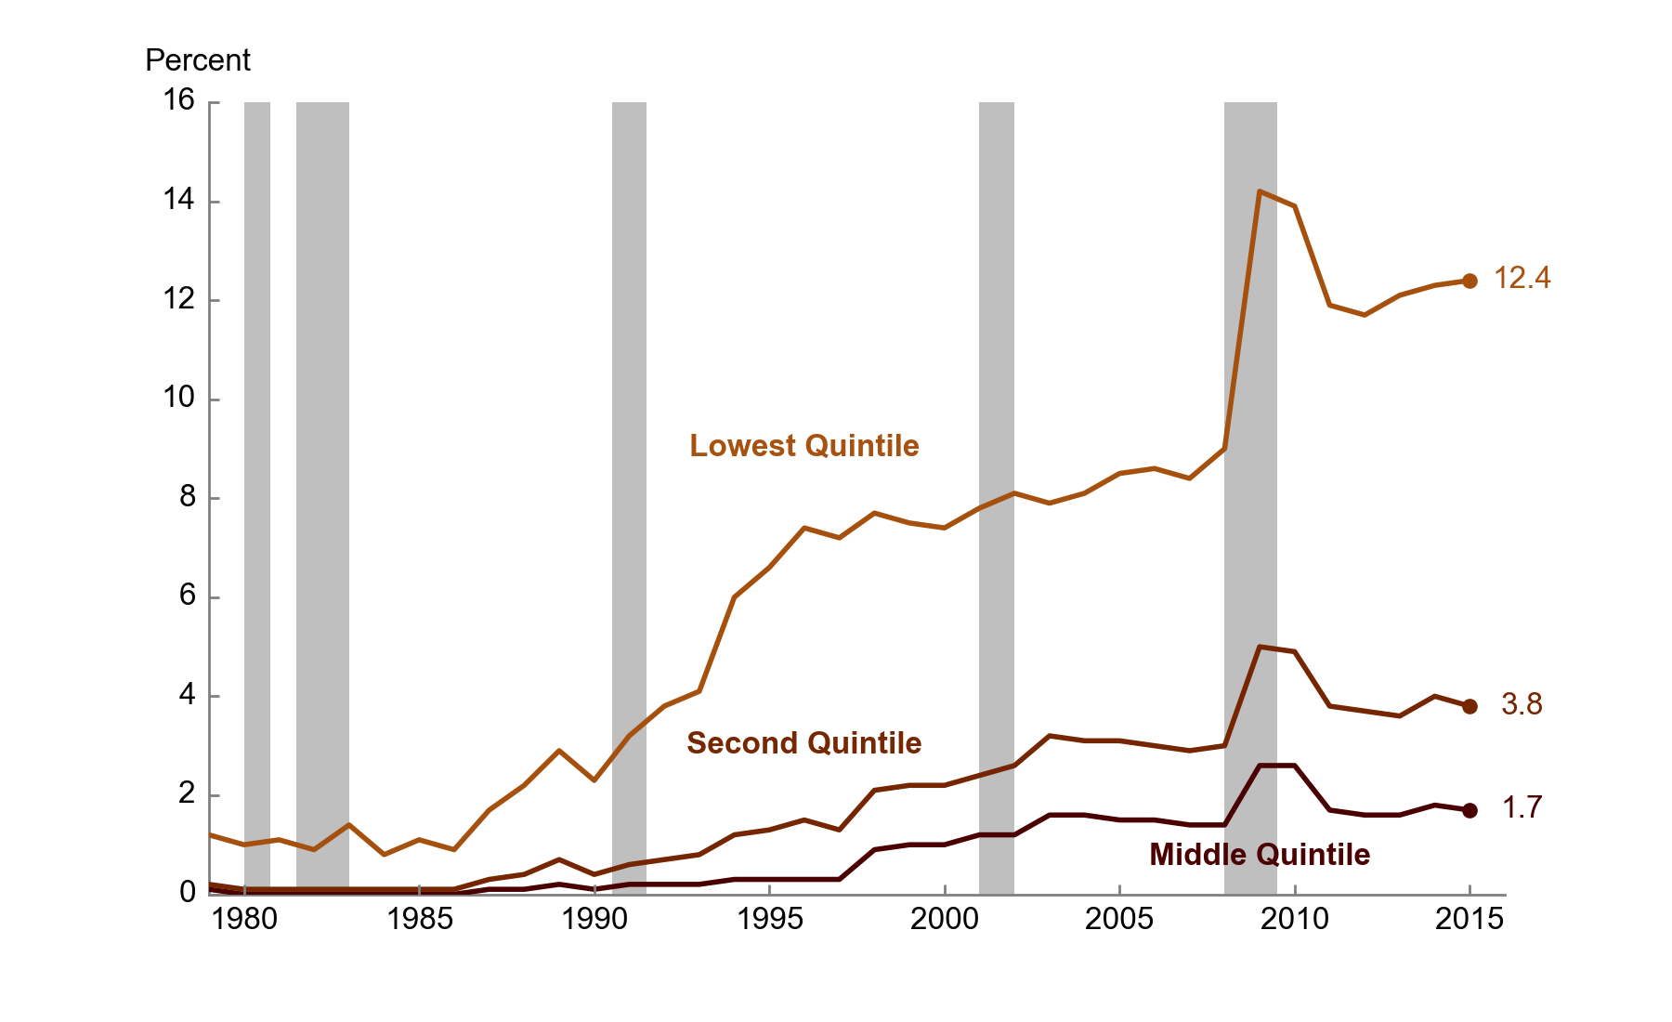
 | Lowest Quintile | Second Quintile | Middle Quintile
1979 | 1.2 | 0.2 | 0.1
1980 | 1.0 | 0.1 | 0.0
1981 | 1.1 | 0.1 | 0.0
1982 | 0.9 | 0.1 | 0.0
1983 | 1.4 | 0.1 | 0.0
1984 | 0.8 | 0.1 | 0.0
1985 | 1.1 | 0.1 | 0.0
1986 | 0.9 | 0.1 | 0.0
1987 | 1.7 | 0.3 | 0.1
1988 | 2.2 | 0.4 | 0.1
1989 | 2.9 | 0.7 | 0.2
1990 | 2.3 | 0.4 | 0.1
1991 | 3.2 | 0.6 | 0.2
1992 | 3.8 | 0.7 | 0.2
1993 | 4.1 | 0.8 | 0.2
1994 | 6.0 | 1.2 | 0.3
1995 | 6.6 | 1.3 | 0.3
1996 | 7.4 | 1.5 | 0.3
1997 | 7.2 | 1.3 | 0.3
1998 | 7.7 | 2.1 | 0.9
1999 | 7.5 | 2.2 | 1.0
2000 | 7.4 | 2.2 | 1.0
2001 | 7.8 | 2.4 | 1.2
2002 | 8.1 | 2.6 | 1.2
2003 | 7.9 | 3.2 | 1.6
2004 | 8.1 | 3.1 | 1.6
2005 | 8.5 | 3.1 | 1.5
2006 | 8.6 | 3.0 | 1.5
2007 | 8.4 | 2.9 | 1.4
2008 | 9.0 | 3.0 | 1.4
2009 | 14.2 | 5.0 | 2.6
2010 | 13.9 | 4.9 | 2.6
2011 | 11.9 | 3.8 | 1.7
2012 | 11.7 | 3.7 | 1.6
2013 | 12.1 | 3.6 | 1.6
2014 | 12.3 | 4.0 | 1.8
2015 | 12.4 | 3.8 | 1.7

Source: Congressional Budget Office.

Average tax credit rates are calculated by dividing total major individual income tax credits by total income before transfers and taxes in each income group.

Major individual income tax credits consist of the earned income tax credit; the child tax credit; postsecondary education tax credits (the American Opportunity Tax Credit—formerly the Hope credit—and the Lifetime Learning credit); the premium tax credit; the 2008 economic stimulus payments; and the Making Work Pay tax credit. Major individual income tax credits include both the refundable and nonrefundable portions of the credit, when applicable.

Income before transfers and taxes is market income plus social insurance benefits. Market income consists of labor income; business income; capital income (including capital gains); and other nongovernmental income sources. Social insurance benefits consist of benefits provided through Social Security (Old-Age, Survivors, and Disability Insurance); Medicare (measured as the average cost to the government of providing those benefits); unemployment insurance; and workers’ compensation.

Income groups are created by ranking households by income before transfers and taxes, adjusted for household size. Quintiles (fifths) contain an equal number of people. The lowest quintile does not include households with negative income.

Figure 15
This file presents the data underlying the figures in CBO's November 2018 slide deck The Distribution of Household Income, 2015.
www.cbo.gov/publication/54646

Figure 15.
Cumulative Growth in Average Income After Transfers and Taxes, by Income Group, 1979 to 2015
Percent
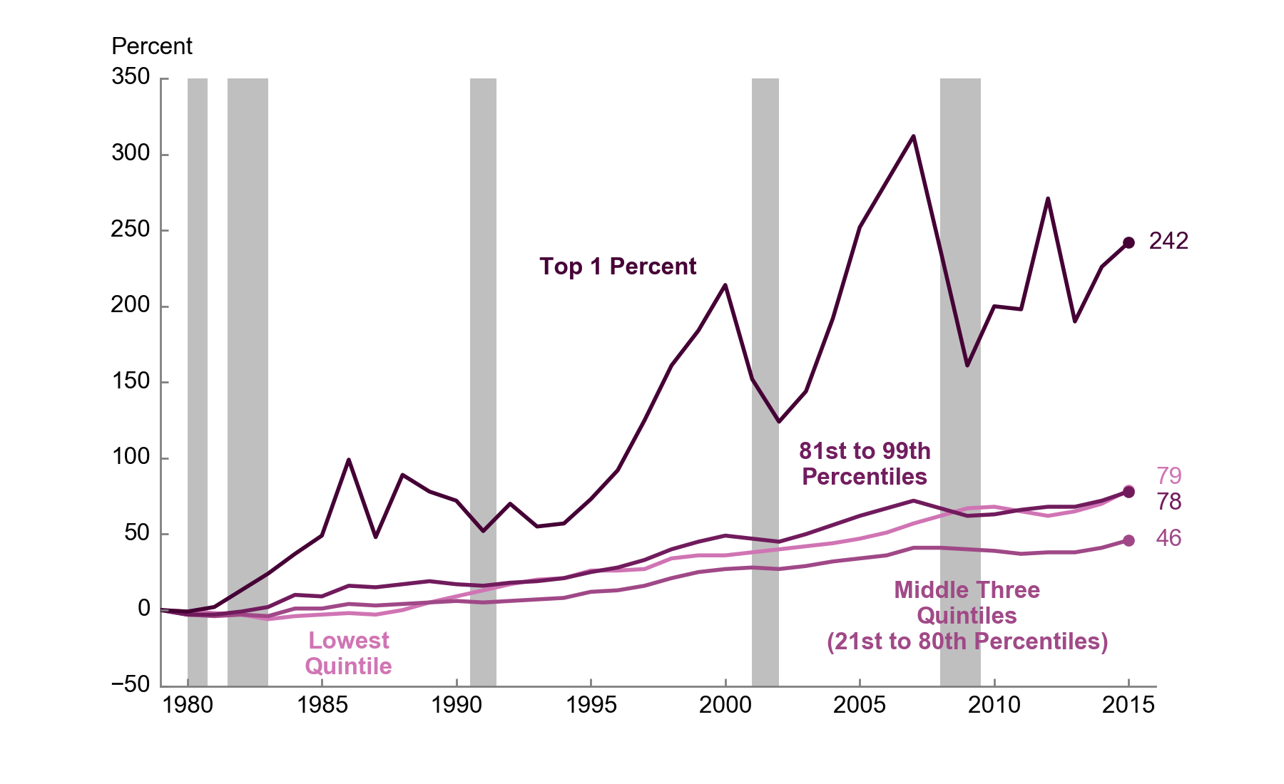
 | Lowest Quintile | Middle Three Quintiles (21st to 80th Percentiles) | 81st to 99th Percentiles | Top 1 Percent
1979 | 0 | 0 | 0 | 0
1980 | -1 | -3 | -3 | -1
1981 | -2 | -4 | -3 | 2
1982 | -3 | -3 | -1 | 13
1983 | -6 | -4 | 2 | 24
1984 | -4 | 1 | 10 | 37
1985 | -3 | 1 | 9 | 49
1986 | -2 | 4 | 16 | 99
1987 | -3 | 3 | 15 | 48
1988 | 0 | 4 | 17 | 89
1989 | 5 | 5 | 19 | 78
1990 | 9 | 6 | 17 | 72
1991 | 13 | 5 | 16 | 52
1992 | 17 | 6 | 18 | 70
1993 | 20 | 7 | 19 | 55
1994 | 21 | 8 | 21 | 57
1995 | 26 | 12 | 25 | 73
1996 | 26 | 13 | 28 | 92
1997 | 27 | 16 | 33 | 125
1998 | 34 | 21 | 40 | 161
1999 | 36 | 25 | 45 | 184
2000 | 36 | 27 | 49 | 214
2001 | 38 | 28 | 47 | 152
2002 | 40 | 27 | 45 | 124
2003 | 42 | 29 | 50 | 144
2004 | 44 | 32 | 56 | 192
2005 | 47 | 34 | 62 | 252
2006 | 51 | 36 | 67 | 282
2007 | 57 | 41 | 72 | 312
2008 | 62 | 41 | 67 | 237
2009 | 67 | 40 | 62 | 161
2010 | 68 | 39 | 63 | 200
2011 | 65 | 37 | 66 | 198
2012 | 62 | 38 | 68 | 271
2013 | 65 | 38 | 68 | 190
2014 | 70 | 41 | 72 | 226
2015 | 79 | 46 | 78 | 242

Source: Congressional Budget Office.

Income after transfers and taxes is income before transfers and taxes plus means-tested transfers minus federal taxes.

Income before transfers and taxes is market income plus social insurance benefits. Market income consists of labor income; business income; capital income (including capital gains); income received in retirement for past services; and other nongovernmental income sources. Social insurance benefits consist of benefits provided through Social Security (Old-Age, Survivors, and Disability Insurance); Medicare (measured as the average cost to the government of providing those benefits); unemployment insurance; and workers’ compensation.

Means-tested transfers are cash payments and in-kind transfers from federal, state, and local governments. The largest means-tested transfers consist of transfers provided through Medicaid and the Children’s Health Insurance Program (measured as the average cost to the government of providing those benefits); the Supplemental Nutrition Assistance Program (formerly known as the Food Stamp program); and Supplemental Security Income.

Federal taxes consist of individual income taxes, payroll taxes, corporate income taxes, and excise taxes.

Income groups are created by ranking households by income before transfers and taxes, adjusted for household size. Quintiles (fifths) contain an equal number of people; percentiles (hundredths) contain an equal number of people as well. The lowest quintile does not include households with negative income.

Figure 16
This file presents the data underlying the figures in CBO's November 2018 slide deck The Distribution of Household Income, 2015.
www.cbo.gov/publication/54646

Figure 16.
Gini Coefficients, 1979 to 2015
Gini Coefficient
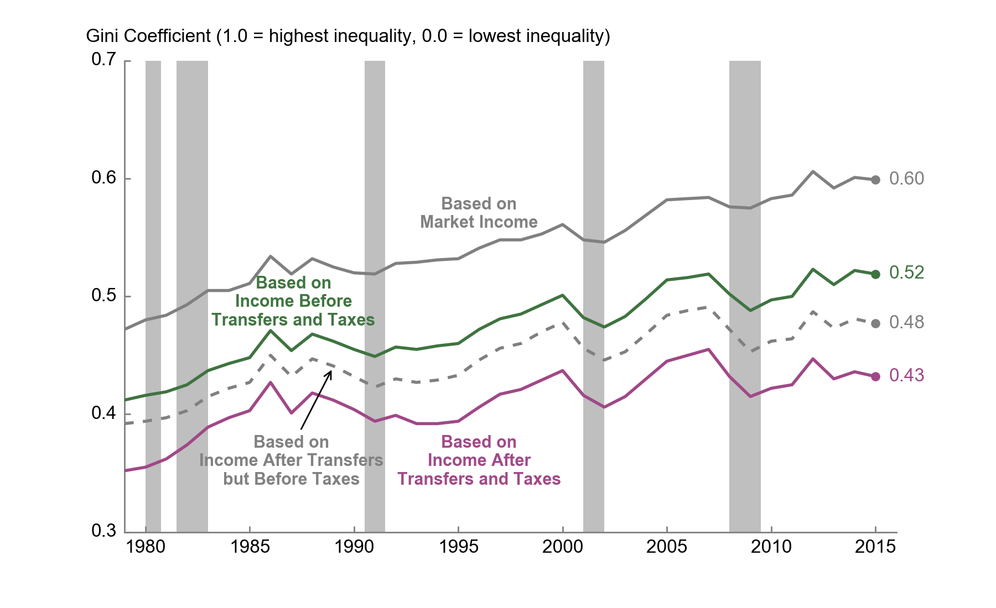
 | Based on Market Income | Based on Income Before Transfers and Taxes | Based on Income After Transfers but Before Taxes | Based on Income After Transfers and Taxes
1979 | 0.472 | 0.412 | 0.392 | 0.352
1980 | 0.480 | 0.416 | 0.394 | 0.355
1981 | 0.484 | 0.419 | 0.397 | 0.362
1982 | 0.493 | 0.425 | 0.403 | 0.374
1983 | 0.505 | 0.437 | 0.415 | 0.389
1984 | 0.505 | 0.443 | 0.422 | 0.397
1985 | 0.511 | 0.448 | 0.427 | 0.403
1986 | 0.534 | 0.471 | 0.450 | 0.427
1987 | 0.519 | 0.454 | 0.432 | 0.401
1988 | 0.532 | 0.468 | 0.447 | 0.418
1989 | 0.525 | 0.462 | 0.441 | 0.412
1990 | 0.520 | 0.455 | 0.432 | 0.404
1991 | 0.519 | 0.449 | 0.423 | 0.394
1992 | 0.528 | 0.457 | 0.430 | 0.399
1993 | 0.529 | 0.455 | 0.427 | 0.392
1994 | 0.531 | 0.458 | 0.429 | 0.392
1995 | 0.532 | 0.460 | 0.433 | 0.394
1996 | 0.541 | 0.472 | 0.446 | 0.406
1997 | 0.548 | 0.481 | 0.456 | 0.417
1998 | 0.548 | 0.485 | 0.460 | 0.421
1999 | 0.553 | 0.493 | 0.470 | 0.429
2000 | 0.561 | 0.501 | 0.478 | 0.437
2001 | 0.548 | 0.482 | 0.456 | 0.416
2002 | 0.546 | 0.474 | 0.446 | 0.406
2003 | 0.556 | 0.483 | 0.453 | 0.415
2004 | 0.569 | 0.498 | 0.468 | 0.430
2005 | 0.582 | 0.514 | 0.484 | 0.445
2006 | 0.583 | 0.516 | 0.488 | 0.450
2007 | 0.584 | 0.519 | 0.491 | 0.455
2008 | 0.576 | 0.502 | 0.472 | 0.432
2009 | 0.575 | 0.488 | 0.453 | 0.415
2010 | 0.583 | 0.497 | 0.462 | 0.422
2011 | 0.586 | 0.500 | 0.464 | 0.425
2012 | 0.606 | 0.523 | 0.487 | 0.447
2013 | 0.592 | 0.510 | 0.473 | 0.430
2014 | 0.601 | 0.522 | 0.481 | 0.436
2015 | 0.599 | 0.519 | 0.477 | 0.432

Source: Congressional Budget Office.

The Gini coefficient is a measure of income inequality that ranges from zero (the most equal distribution) to one (the least equal distribution).

Market income consists of labor income; business income; capital income (including capital gains); and other income sources.

Income before transfers and taxes is market income plus social insurance benefits. Market income consists of labor income; business income; capital income (including capital gains); income received in retirement for past services; and other nongovernmental income sources. Social insurance benefits consist of benefits provided through Social Security (Old-Age, Survivors, and Disability Insurance); Medicare (measured as the average cost to the government of providing those benefits); unemployment insurance; and workers’ compensation.

Income after transfers and taxes is income before transfers and taxes plus means-tested transfers minus federal taxes.

Means-tested transfers are cash payments and in-kind transfers from federal, state, and local governments. The largest means-tested transfers consist of transfers provided through Medicaid and the Children’s Health Insurance Program (measured as the average cost to the government of providing those benefits); the Supplemental Nutrition Assistance Program (formerly known as the Food Stamp program); and Supplemental Security Income.

Federal taxes consist of individual income taxes, payroll taxes, corporate income taxes, and excise taxes.

