02_SWS_Detailed
SWS_ID from AUTOSAR Specification | Description
Constraints and assumptions
SWS_Pwm_00001 | The Pwm SWS does not cover PWM emulation on general purpose I/O.
Requirements for Dependencies to other modules
File structure
SWS_Pwm_00065 | The Pwm SWS shall not define the code file structure.
SWS_Pwm_50075 | Pwm.c shall include Pwm.h, Det.h.
SWS_Pwm_70075 | Pwm_Irq.c shall include Pwm.h.
Requirements for Functional specification
General behavior
SWS_Pwm_00088 | All functions from the PWM module except Pwm_Init, Pwm_DeInit and Pwm_GetVersionInfo shall be re-entrant for different PWM channel numbers. In order to keep a simple module implementation, no check of [SWS_Pwm_00088] must be performed by the module.
SWS_Pwm_00089 | The Pwm module's user shall ensure the integrity if several function calls are made during run time in different tasks or ISRs for the same PWM channel.
Time Unit Ticks
SWS_Pwm_00070 | All time units used within the API services of the PWM module shall be of the unit ticks.
Support and management of HW low power states
SWS_Pwm_00154 | The PwmDriver shall support power state changes and its APIs when the corresponding configuration parameter PwmLowPowerStatesSupport is set to TRUE.
SWS_Pwm_00155 | If the parameter PwmLowPowerStatesSupport is enabled then the APIs Pwm_PreparePowerState, Pwm_SetPowerState, Pwm_GetCurrentPowerState, Pwm_GetTargetPowerState shall be generated and shall be used to manage and get information on power state transitions.
SWS_Pwm_00156 | The APIs Pwm_GetTargetPowerState and Pwm_GetCurrentPowerState shall be respectively used to gather information on the requested and the target Pwm power states.
SWS_Pwm_00157 | The API Pwm_PreparePowerState shall be used to start a power state transition.
SWS_Pwm_00158 | - After preparation for a power state is achieved by ([SWS_Pwm_00157]) then the API Pwm_SetPowerState shall be used to achieve the requested power state of the Pwm module. - In order to avoid incoherent power state conditions, some APIs (Pwm_SetPowerState, Pwm_PreparePowerState) have to be called in a given sequence, otherwise an error (if DET tracing is enabled) is stored and the action is interrupted. The Pwm Driver keeps track of the call sequence.
SWS_Pwm_00159 | The Pwm Driver shall keep track of the call order of the APIs Pwm_SetPowerState and Pwm_PreparePowerState. In case the first one is called before the second one is called, a DET entry shall be stored and the action shall not be executed.
SWS_Pwm_00160 | The Pwm Module shall keep track of the current and of the target power state if the parameter PwmLowPowerStatesSupport is set to TRUE.
SWS_Pwm_00161 | After the Initialization the power state of the module shall be always FULL POWER if the PwmLowPowerStatesSupport is set to TRUE.
SWS_Pwm_00162 | The Pwm Driver shall support synchronous and asynchronous power state transitions, depending on the value of the configuration parameter PwmPowerStateAsynchTransitionMode.
SWS_Pwm_00163 | In case the configuration parameter PwmPowerStateAsynchTransitionMode is set to FALSE, the preparation process and the setting process shall be considered concluded as soon as the respective APIs return.
SWS_Pwm_00164 | In case the configuration parameter PwmPowerStateAsynchTransitionMode is set to TRUE, the preparation process shall continue in background after the relative API returns and its completion shall be notified by means of the configured callback.
Duty Cycle Resolution and scaling
SWS_Pwm_00058 | The width of the duty cycle parameter is 16 Bits.
SWS_Pwm_00059 | 1. The Pwm module shall comply with the following scaling scheme for the duty cycle: - 0x0000 means 0% - 0x8000 means 100%. 2. 0x8000 gives the highest resolution while allowing 100% duty cycle to be represented with a 16 bit value. As an implementation guide, the following source code example is given: AbsoluteDutyCycle = ((uint32)AbsolutePeriodTime * RelativeDutyCycle) >> 15;
Error Classification
SWS_Pwm_00201 | 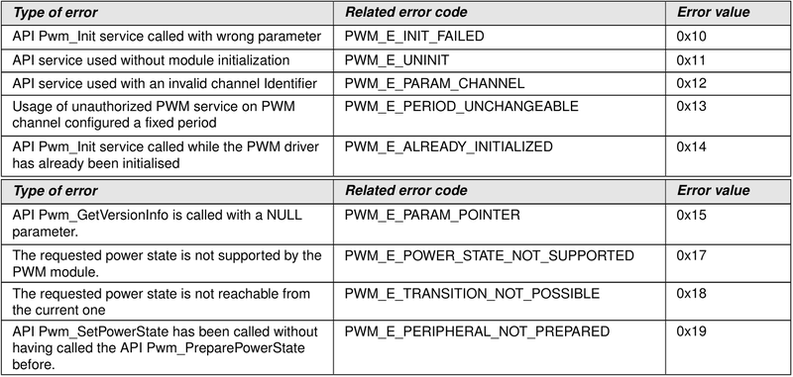
SWS_Pwm_20002 | The PWM Driver module shall report the development error PWM_E_UNINIT, when API service is used without module initialization.
SWS_Pwm_30002 | The PWM Driver module shall report the development error PWM_E_PARAM_CHANNEL, when API service is used with an invalid channel Identifier.
SWS_Pwm_40002 | The PWM Driver module shall report the development error PWM_E_PERIOD_UNCHANGEABLE, on usage of unauthorized PWM service on PWM channel configured a fixed period.
SWS_Pwm_50002 | The PWM Driver module shall report the development error PWM_E_ALREADY_INITIALIZED, when API Pwm_Init service is called while the PWM driver has already been initialized.
SWS_Pwm_00174 | The API shall report the development error PWM_E_POWER_STATE_NOT_SUPPORTED in case this API is called with an unsupported power state or the peripheral does not support low power states at all.
SWS_Pwm_00175 | The API shall report the development error PWM_E_TRANSITION_NOT_POSSIBLE in case the requested power state cannot be directly reached from the current power state.
SWS_Pwm_00176 | The API shall report the development error PWM_E_PERIPHERAL_NOT_PREPARED in case the HW unit has not been previously prepared for the target power state by use of the API Pwm_PreparePowerState.
Runtime Errors
SWS_Pwm_00202
SWS_Pwm_00200 | The API shall report the runtime error PWM_E_NOT_DISENGAGED in case this API is called when one or more HW channels (where applicable) are in a state different than IDLE (or similar non-operational states) and/or there are still notification registered for the HW module channels.
Requirements for API specification
Imported types
SWS_Pwm_00094
Type definitions
SWS_Pwm_00106
SWS_Pwm_00107
SWS_Pwm_00108
SWS_Pwm_00109
SWS_Pwm_00110
SWS_Pwm_00111
SWS_Pwm_00165 | 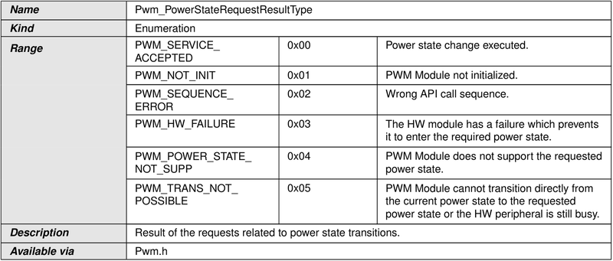
SWS_Pwm_00197
Function definitions
Requirement specification for Pwm_Init
SWS_Pwm_00095 | 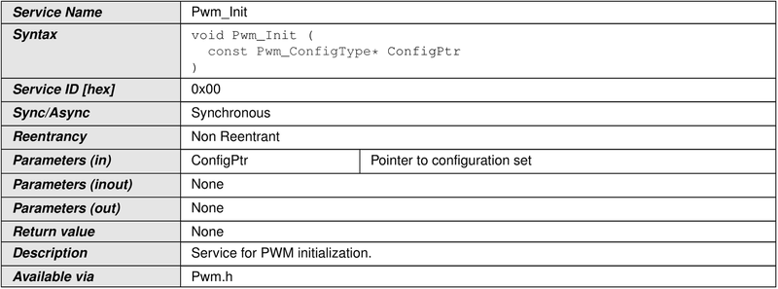
SWS_Pwm_00007 | The function Pwm_Init shall initialize all internals variables and the used PWM structure of the microcontroller according to the parameters specified in ConfigPtr.
SWS_Pwm_00062 | The function Pwm_Init shall only initialize the configured resources and shall not touch resources that are not configured in the configuration file.
SWS_Pwm_10009 | The function Pwm_Init shall start all PWM channels with the configured default values.
SWS_Pwm_20009 | 0% or 100% : Then the PWM output signal shall be in the state according to the configured polarity parameter
SWS_Pwm_30009 | >0% and <100%: Then the PWM output signal shall be modulated according to parameters period, duty cycle and configured polarity.
SWS_Pwm_00052 | The function Pwm_Init shall disable all notifications.
SWS_Pwm_00093 | The users of the Pwm module shall not call the function Pwm_Init during a running operation.
SWS_Pwm_00116 | The Pwm module’s environment shall not call any function of the Pwm module before having called Pwm_Init.
SWS_Pwm_00118 | If development error detection is enabled, calling the routine Pwm_Init while the PWM driver and hardware are already initialized will cause a development error PWM_E_ALREADY_INITIALIZED. The desired functionality shall be left without any action.
SWS_Pwm_00121 | A re-initialization of the Pwm driver by executing the Pwm_Init function requires a de-initialization before by executing a Pwm_DeInit.
Requirement specification for Pwm_DeInit
SWS_Pwm_00096 | 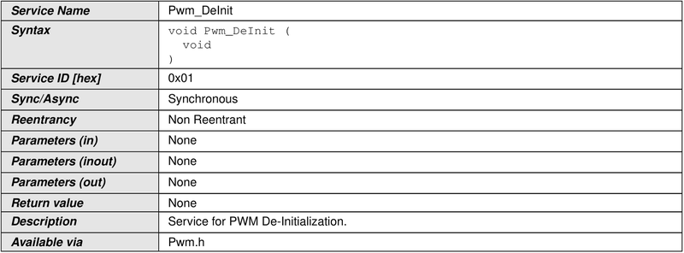
SWS_Pwm_00010 | The function Pwm_DeInit shall de-initialize the PWM module.
SWS_Pwm_00011 | The function Pwm_DeInit shall set the state of the PWM output signals to the idle state.
SWS_Pwm_00012 | The function Pwm_DeInit shall disable PWM interrupts and PWM signal edge notifications.
SWS_Pwm_10080 | The function Pwm_DeInit shall be pre compile time configurable On/Off by the configuration parameter: PwmDeInitApi.
SWS_Pwm_20080 | The function Pwm_DeInit shall be configurable On/Off by the configuration parameter PwmDeInitApi {PWM_DE_INIT_API}. Regarding error detection, the requirements [SWS_Pwm_00117], [SWS_Pwm_10051], and [SWS_Pwm_20051] are applicable to the function Pwm_DeInit.
Requirement specification for Pwm_SetDutyCycle
SWS_Pwm_91000 | 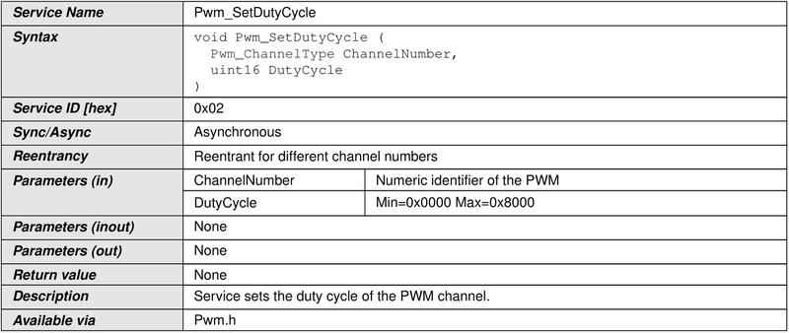
SWS_Pwm_00013 | The function Pwm_SetDutyCycle shall set the duty cycle of the PWM channel.
SWS_Pwm_00014 | When the requested duty cycle is either 0% or 100%, the function Pwm_SetDutyCycle shall set the PWM output state to either PWM_HIGH or PWM_LOW, with regard to both the configured polarity parameter and the requested duty cycle. Thus for 0% requested Duty Cycle the output will be the inverse of the configured polarity parameter, and for 100% Duty Cycle the output will be equal to the configured polarity parameter.
SWS_Pwm_00016 | The function Pwm_SetDutyCycle shall modulate the PWM output signal according to parameters period, duty cycle and configured polarity, when the duty cycle > 0 % and < 100%.
SWS_Pwm_00017 | The function Pwm_SetDutyCycle shall update the duty cycle always at the end of the period if supported by the implementation and configured with PwmDutycycleUpdatedEndperiod.
SWS_Pwm_00018 | The driver shall forbid the spike on the PWM output signal.
SWS_Pwm_10082 | The function Pwm_SetDutyCycle shall be pre compile time configurable On/Off by the configuration parameter: PwmSetDutyCycle.
SWS_Pwm_20082 | The function Pwm_SetDutyCycle shall be configurable On/Off by the configuration parameter: PwmSetDutyCycle {PWM_SET_DUTY_CYCLE_API}.
Requirement specification for Pwm_SetPeriodAndDuty
SWS_Pwm_91001 | 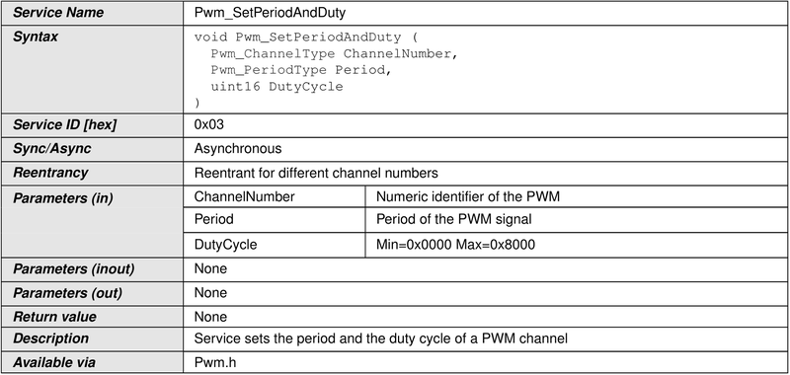
SWS_Pwm_00019 | The function Pwm_SetPeriodAndDuty shall set the period and the duty cycle of a PWM channel.
SWS_Pwm_00076 | The function Pwm_SetPeriodAndDuty shall update the period always at the end of the current period if supported by the implementation and configured with PwmPeriodUpdatedEndperiod.
SWS_Pwm_00020 | When updating the PWM period and duty, the driver shall repress any spikes on the PWM output signal.
SWS_Pwm_00041 | The function Pwm_SetPeriodAndDuty shall allow changing the period only for the PWM channel declared as variable Period type.
SWS_Pwm_10083 | The function Pwm_SetPeriodAndDuty shall be pre compile time configurable On/Off by the configuration parameter: PwmSetPeriodAndDuty.
SWS_Pwm_20083 | The function Pwm_SetPeriodAndDuty shall be configurable On/Off by the configuration parameter: PwmSetPeriodAndDuty {PWM_SET_PERIOD_AND_DUTY_API}.
SWS_Pwm_00150 | If the period is set to zero the setting of the duty-cycle is not relevant. In this case the output shall be zero (zero percent duty-cycle).
Requirement specification for Pwm_SetOutputToIdle
SWS_Pwm_91002 | 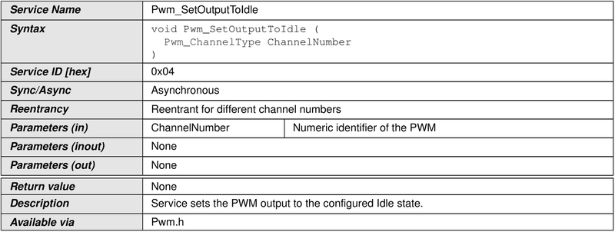
SWS_Pwm_00021 | The function Pwm_SetOutputToIdle shall set immediately the PWM output to the configured Idle state.
SWS_Pwm_10084 | The function Pwm_SetOutputToIdle shall be pre compile time configurable On/Off by the configuration parameter: PwmSetOutputToIdle.
SWS_Pwm_20084 | The function Pwm_SetOutputToIdle shall be configurable On/Off by the configuration parameter: PwmSetOutputToIdle {PWM_SET_OUTPUT_TO_IDLE_API}.
SWS_Pwm_10086 | After the call of the function Pwm_SetOutputToIdle, variable period type channels shall be reactivated using the Api Pwm_SetPeriodAndDuty to activate the PWM channel with the new passed period.
SWS_Pwm_20086 | After the call of the function Pwm_SetOutputToIdle, channels shall be reactivated using the Api Pwm_SetDutyCycle to activate the PWM channel with the old period.
SWS_Pwm_00119 | After the call of the function Pwm_SetOutputToIdle, fixed period type channels shall be reactivated using only the API Pwm_SetDutyCycle to activate the PWM channel with the old period.
Requirement specification for Pwm_GetOutputState
SWS_Pwm_00100 | 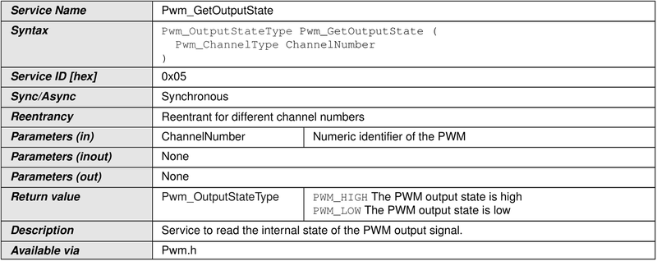
SWS_Pwm_00022 | 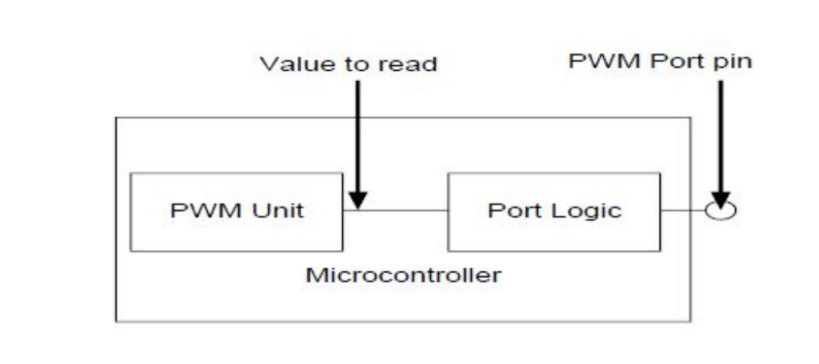 The function Pwm_GetOutputState shall read the internal state of the PWM output signal and return it as defined in the diagram below. Regarding error detection, the requirements [SWS_Pwm_00117], [SWS_Pwm_00047], [SWS_Pwm_10051] and [SWS_Pwm_20051] are applicable to the function Pwm_GetOutputState.
SWS_Pwm_10085 | The function Pwm_GetOutputState shall be pre compile time configurable On/Off using the configuration parameter: PwmGetOutputState.
SWS_Pwm_20085 | The function Pwm_GetOutputState shall be configurable On/Off by the configuration parameter: PwmGetOutputState {PWM_GET_OUTPUT_STATE_API}. Due to real time constraint and setting of the PWM channel (project dependent), the output state can be modified just after the call of the service Pwm_GetOutputState.
SWS_Pwm_30051 | If Pwm_GetOutputState is called before module initialization, or with an invalid channel, it shall return PWM_LOW.
Requirement specification for Pwm_DisableNotification
SWS_Pwm_91003 | 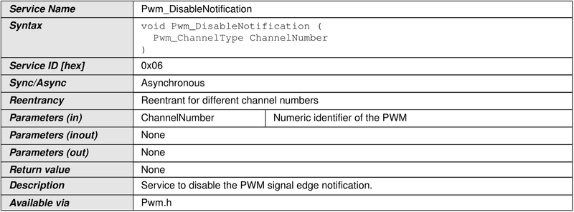
SWS_Pwm_00023 | The function Pwm_DisableNotification shall disable the PWM signal edge notification.
SWS_Pwm_10112 | The function Pwm_DisableNotification shall be pre compile time configurable On/Off using the configuration parameter: PwmNotificationSupported.
SWS_Pwm_20112 | The function Pwm_DisableNotification shall be configurable On/Off by the configuration parameter: PwmNotificationSupported {PWM_NOTIFICATION_SUPPORTED}. Regarding error detection, the requirements [SWS_Pwm_00117], [SWS_Pwm_00047], [SWS_Pwm_10051] and [SWS_Pwm_20051] are applicable to the function Pwm_DisableNotification.
Requirement specification for Pwm_EnableNotification
SWS_Pwm_91004 | 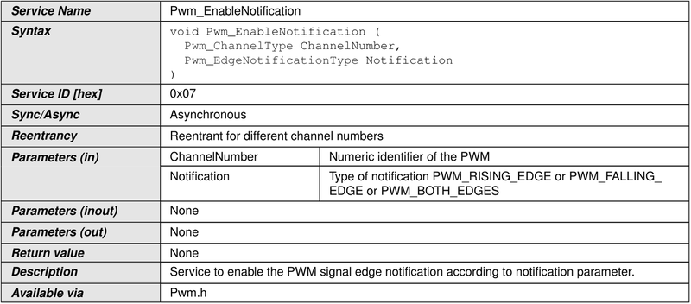
SWS_Pwm_00024 | The function Pwm_EnableNotification shall enable the PWM signal edge notification according to notification parameter.
SWS_Pwm_00081 | The function Pwm_EnableNotification shall cancel pending interrupts.
SWS_Pwm_10113 | The function Pwm_EnableNotification shall be pre compile time configurable On/Off using the configuration parameter: PwmNotificationSupported.
SWS_Pwm_20113 | The function Pwm_EnableNotification shall be configurable On/Off by the configuration parameter: PwmNotificationSupported {PWM_NOTIFICATION_SUPPORTED}. Regarding error detection, the requirements [SWS_Pwm_00117], [SWS_Pwm_00047], [SWS_Pwm_10051] and [SWS_Pwm_20051] are applicable to the function Pwm_EnableNotification.
Requirement specification for Pwm_SetPowerState
SWS_Pwm_00166 | 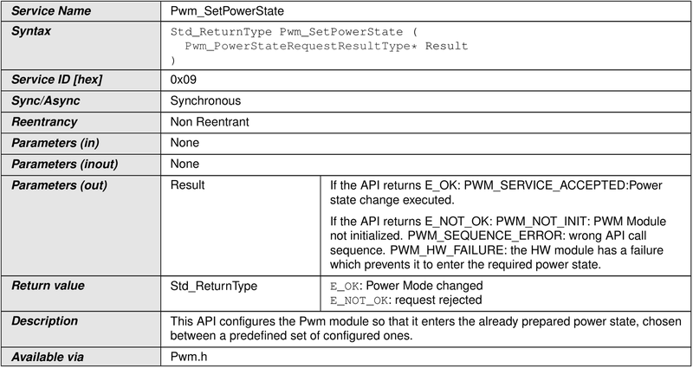
SWS_Pwm_00167 | The API configures the HW in order to enter the given Power State. All preliminary actions to enable this transition (e.g. setting all channels in IDLE status, de-registering of all notifications and so on) must already have been taken by the responsible SWCs (e.g. IoHwAbs). The API shall not execute preliminary, implicit power state changes (i.e. if a requested power state is not reachable starting from the current one, no intermediate power state change shall be executed and the request shall be rejected).
SWS_Pwm_00168 | In case the target power state is the same as the current one, no action is executed and the API returns immediately with an E_OK result.
SWS_Pwm_00169 | In case the normal Power State is requested, the API shall refer to the necessary parameters contained in the same containers used by Pwm_Init. No separate container or hard coded data shall be used for the normal (i.e. full) power mode, in order to avoid misalignments between initialization parameters used during the init phase and during a power state change.
SWS_Pwm_00170 | For the other power states, only power state transition specific reconfigurations shall be executed in the context of this API (i.e. the API cannot be used to apply a completely new configuration to the Pwm module). Any other reconfiguration not strictly related to the power state transition shall not take place.
SWS_Pwm_00171 | The API shall refer to the configuration container related to the required Power State in order to derive some specific features of the state (e.g support of Power States).
SWS_Pwm_00172 | The API shall report the development error PWM_E_UNINIT in case this API is called before having initialized the HW unit.
SWS_Pwm_00173 | The API shall report the runtime error PWM_E_NOT_DISENGAGED in case this API is called when one or more HW channels (where applicable) are in a state different than IDLE (or similar non-operational states) and/or there are still notification registered for the HW module channels.
SWS_Pwm_00194 | The API shall report the development error PWM_E_POWER_STATE_NOT_SUPPORTED in case this API is called with an unsupported power state or the peripheral does not support low power states at all.
SWS_Pwm_00195 | The API shall report the development error PWM_E_TRANSITION_NOT_POSSIBLE in case the requested power state cannot be directly reached from the current power state.
SWS_Pwm_00196 | The API shall report the development error PWM_E_PERIPHERAL_NOT_PREPARED in case the HW unit has not been previously prepared for the target power state by use of the API Pwm_PreparePowerState.
Requirement specification for Pwm_GetCurrentPowerState
SWS_Pwm_00177 | 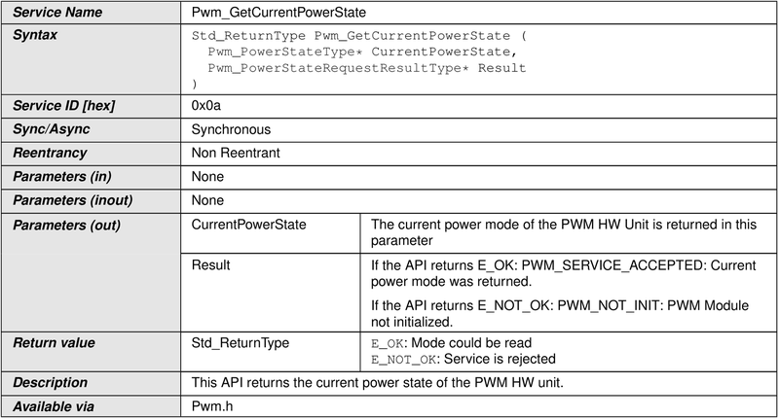
SWS_Pwm_00178 | The API returns the power state of the HW unit.
SWS_Pwm_00179 | The API shall report the development error PWM_E_UNINIT in case this API is called before having initialized the HW unit.
Requirement specification for Pwm_GetTargetPowerState
SWS_Pwm_00180 | 
SWS_Pwm_00181 | The API returns the requested power state of the HW unit. This shall coincide with the current power state if no transition is ongoing. The API is considered to always succeed except in case of HW failures.
SWS_Pwm_00182 | The API shall report the development error PWM_E_UNINIT in case this API is called before having initialized the HW unit.
Requirement specification for Pwm_PreparePowerState
SWS_Pwm_00183 | 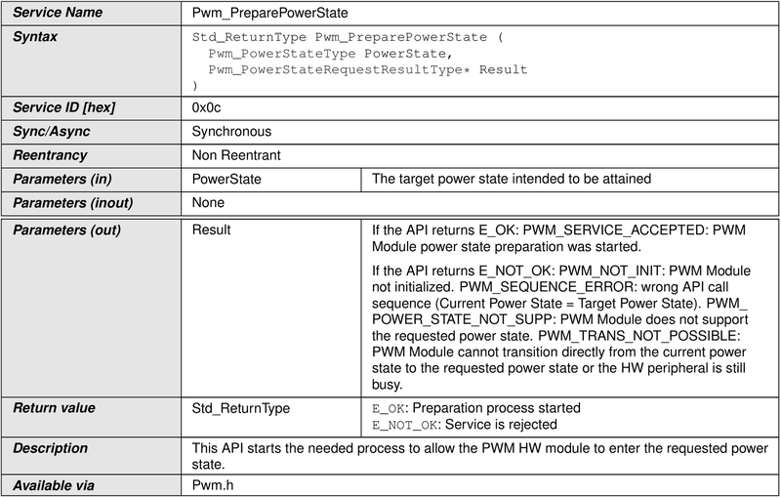
SWS_Pwm_00184 | This API initiates all actions needed to enable a HW module to enter the target power state. The possibility to operate the periphery depends on the power state and the HW features. These properties should be known to the integrator and the decision whether to use the periphery or not is in his responsibility.
SWS_Pwm_00185 | In case the target power state is the same as the current one, no action is executed and the API returns immediately with an E_OK result. The responsibility of the preconditions is left to the environment.
SWS_Pwm_00186 | The API shall report the development error PWM_E_UNINIT in case this API is called before having initialized the HW unit.
SWS_Pwm_00187 | The API shall report the development error PWM_E_POWER_STATE_NOT_SUPPORTED in case this API is called with an unsupported power state is requested or the peripheral does not support low power states at all.
SWS_Pwm_00188 | The API shall report the development error PWM_E_TRANSITION_NOT_POSSIBLE in case the requested power state cannot be directly reached from the current power state. All asynchronous operation needed to reach the target power state can be executed in background in the context of Pwm_Main_PowerTransitionManager.
Requirement specification for Pwm_GetVersionInfo
SWS_Pwm_00103 | 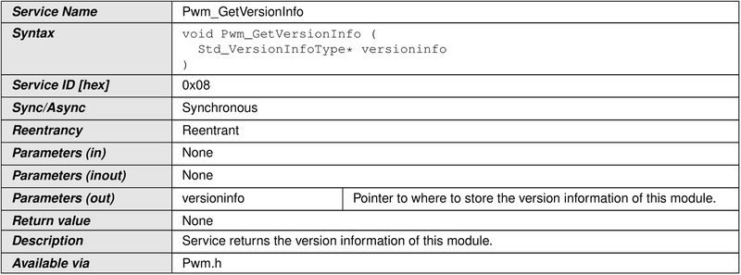
Call-back Notifications
Scheduled functions
Requirement specification for Pwm_Main_PowerTransitionManager
SWS_Pwm_00189
SWS_Pwm_00190 | This API executes any non-immediate action needed to finalize a power state transition requested by Pwm_PreparePowerState.
SWS_Pwm_00191 | The rate of scheduling shall be defined by Pwm MainSchedulePeriod and shall be variable, as the function only needs to be called if a transition has been requested.
SWS_Pwm_00192 | This API shall also issue callback notifications to the eventually registered users (IoHwAbs) as configured, only in case the asynch mode is chosen.
SWS_Pwm_00193 | In case the PWM module is not initialized, this function shall simply return without any further elaboration. This is needed to avoid to elaborate uninitialized variables. No development error shall be entered, because this condition can easily be verified during the startup phase (tasks started before the initialization is complete). Rationale: during the startup phase it can happen that the OS already schedules tasks, which call main functions, while some modules are not initialized yet. This is no real error condition, although need handling, i.e. returning without execution. Although the transition state monitoring functionality is mandatory, the implementation of this API is optional, meaning that if the HW allows for other ways to deliver notification and watch the transition state the implementation of this function can be skipped.
Expected Interfaces
Mandatory Interfaces
SWS_Pwm_91006
Optional Interfaces
SWS_Pwm_00104
Configurable interfaces
SWS_Pwm_00105 | 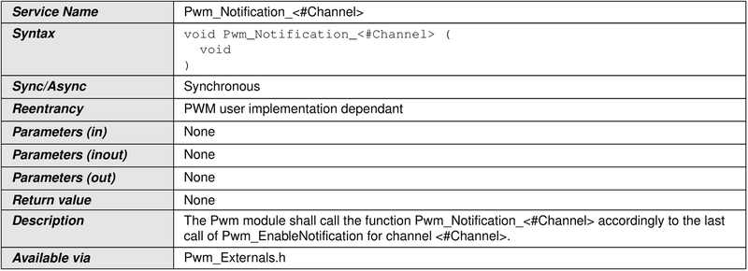
SWS_Pwm_00025 | The Pwm module shall call the function Pwm_Notification_<#Channel> accordingly to the last call of Pwm_EnableNotification and Pwm_DisableNotification for channel <#Channel>.
SWS_Pwm_00026 | The Pwm module shall reset the interrupt flag associated to the notification Pwm_Notification_<#Channel>
SWS_Pwm_10115 | The Pwm module shall provide the functionality of Pwm_EnableNotification only when the configuration parameter PwmNotificationSupported is ON.
SWS_Pwm_20115 | The Pwm module shall provide the functionality of Pwm_DisableNotification only when the configuration parameter PwmNotificationSupported is ON.
SWS_Pwm_30115 | The Pwm module shall reset the interrupt flag associated to the notification only when the configuration parameter PwmNotificationSupported is ON.
SWS_Pwm_91005 | 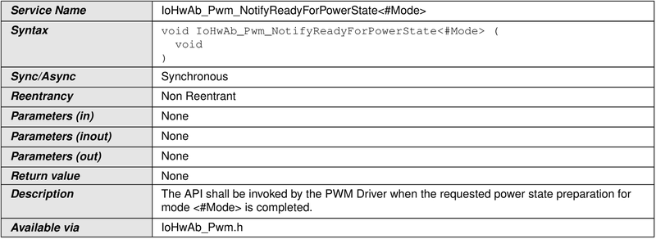
SWS_Pwm_00199 | In case the PWM Driver is configured to support power state management with asynchronous transitions, this API shall be called to signal completion of the power transition preparation phase to the IoHwAbs module. This is a callback, this API is to be implemented in the IoHwAbs component.
API parameter checking
SWS_Pwm_10051 | If development error detection for the Pwm module is enabled, and a development error occurs, then the corresponding PWM function shall report the error to the Default Error Tracer.
SWS_Pwm_20051 | If development error detection for the Pwm module is enabled, and a development error occurs, then the corresponding PWM function shall skip the desired functionality in order to avoid any corruptions of data or hardware registers leaving the function without any actions.
SWS_Pwm_00117 | If development error detection for the Pwm module is enabled: if any function (except Pwm_Init) is called before Pwm_Init has been called, the called function shall raise development error PWM_E_UNINIT.
SWS_Pwm_00045 | If development error detection for the Pwm module is enabled: The API Pwm_SetPeriodAndDuty shall check if the given PWM channel is of the channel class type PWM_VARIABLE_PERIOD. If this is not the case the development error PWM_E_PERIOD_UNCHANGEABLE shall be called.
SWS_Pwm_00047 | If development error detection for the Pwm module is enabled: the PWM functions shall check the parameter ChannelNumber and raise development error PWM_E_PARAM_CHANNEL if the parameter ChannelNumber is invalid.
Requirements for Configuration specification
Configuration and configuration parameters
SWS_Pwm_00203 | The PWM module shall reject configurations with partition mappings which are not supported by the implementation.
SWS_Pwm_CONSTR_00001 | The ECUC partitions referenced by PwmKernelEcucPartitionRef shall be a subset of the ECUC partitions referenced by PwmEcucPartitionRef.
SWS_Pwm_CONSTR_00002 | If PwmEcucPartitionRef references one or more ECUC partitions, PwmKernelEcucPartitionRef shall have a multiplicity of one and reference one of these ECUC partitions as well.
SWS_Pwm_CONSTR_00003 | If PwmEcucPartitionRef references one or more ECUC partitions, PwmChannelEcucPartitionRef shall have a multiplicity of greater than zero and reference one or several of these ECUC partitions as well.
SWS_Pwm_NA_00153 | SRS_BSW_00159, SRS_BSW_00167, SRS_BSW_00170, SRS_BSW_00419, SRS_BSW_00383, SRS_BSW_00375, SRS_BSW_00416, SRS_BSW_00168, SRS_BSW_00423, SRS_BSW_00424, SRS_BSW_00425, SRS_BSW_00426, SRS_BSW_00427, SRS_BSW_00428, SRS_BSW_00429, SRS_BSW_00432, SRS_BSW_00433, SRS_BSW_00417, SRS_BSW_00161, SRS_BSW_00162, SRS_BSW_00005, SRS_BSW_00415, SRS_BSW_00164, SRS_BSW_00325, SRS_BSW_00342, SRS_BSW_00160, SRS_BSW_00007, SRS_BSW_00300, SRS_BSW_00413, SRS_BSW_00347, SRS_BSW_00305, SRS_BSW_00307, SRS_BSW_00310, SRS_BSW_00373, SRS_BSW_00327, SRS_BSW_00335, SRS_BSW_00350, SRS_BSW_00408, SRS_BSW_00410, SRS_BSW_00348, SRS_BSW_00353, SRS_BSW_00301, SRS_BSW_00302, SRS_BSW_00328, SRS_BSW_00312, SRS_BSW_00006, SRS_BSW_00357, SRS_BSW_00377, SRS_BSW_00304, SRS_BSW_00378, SRS_BSW_00306, SRS_BSW_00308, SRS_BSW_00309, SRS_BSW_00358, SRS_BSW_00414, SRS_BSW_00359, SRS_BSW_00360, SRS_BSW_00330, SRS_BSW_00331, SRS_BSW_00009, SRS_BSW_00401, SRS_BSW_00172, SRS_BSW_00010, SRS_BSW_00333, SRS_BSW_00003, SRS_BSW_00341, SRS_SPAL_12267, SRS_SPAL_12461, SRS_SPAL_12462, SRS_SPAL_12463, SRS_SPAL_12068, SRS_SPAL_12069, SRS_SPAL_12169, SRS_SPAL_12075, SRS_SPAL_12064, SRS_SPAL_12067, SRS_SPAL_12077, SRS_SPAL_12078, SRS_SPAL_12092, SRS_SPAL_12265, SRS_Pwm_12379 These requirements are not applicable to this specification.
ECUC_Pwm_00148
ECUC_Pwm_00004 | 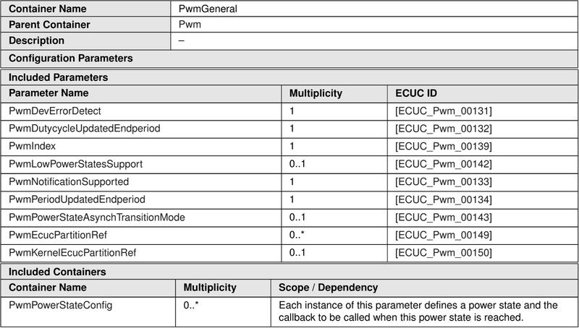
ECUC_Pwm_00131 | 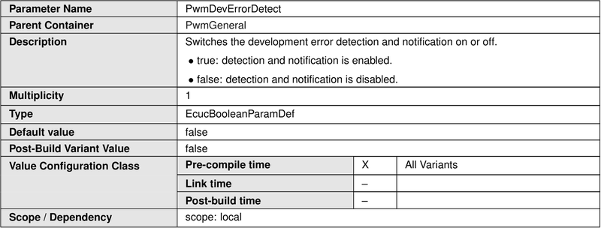
ECUC_Pwm_00132 | 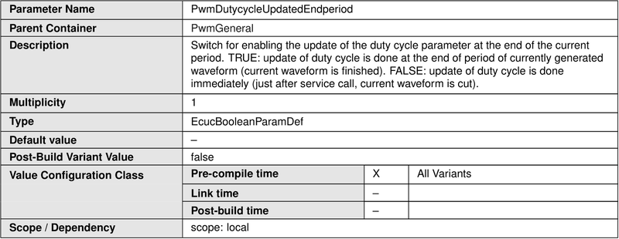
ECUC_Pwm_00139 | 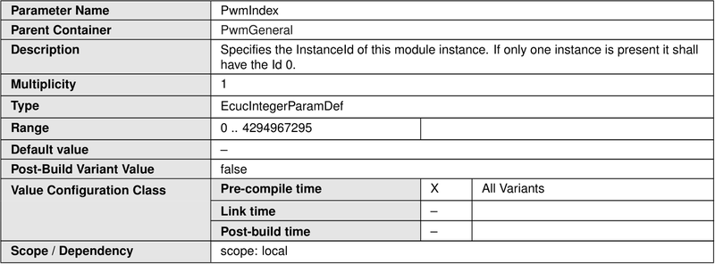
ECUC_Pwm_00142 | 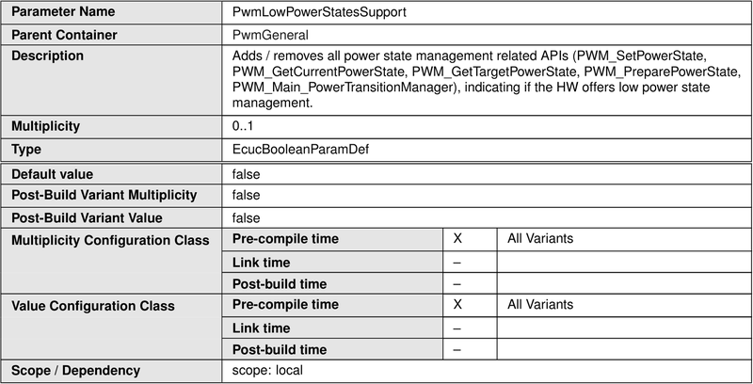
ECUC_Pwm_00133
ECUC_Pwm_00134 | 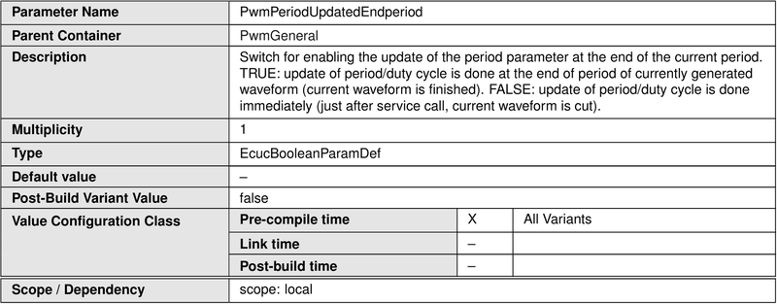
ECUC_Pwm_00143 | 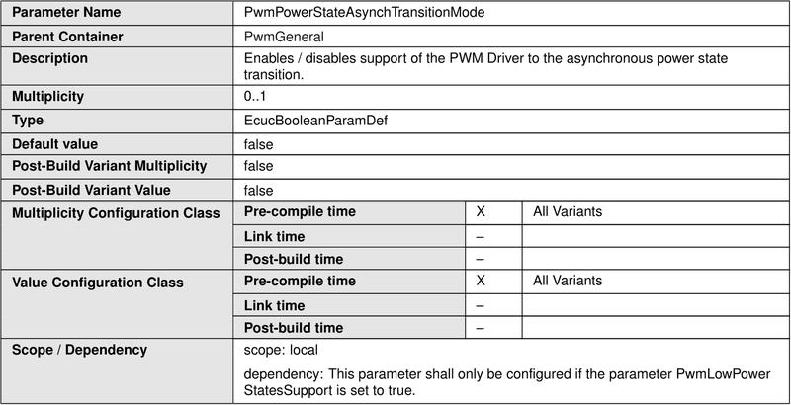
ECUC_Pwm_00149 | 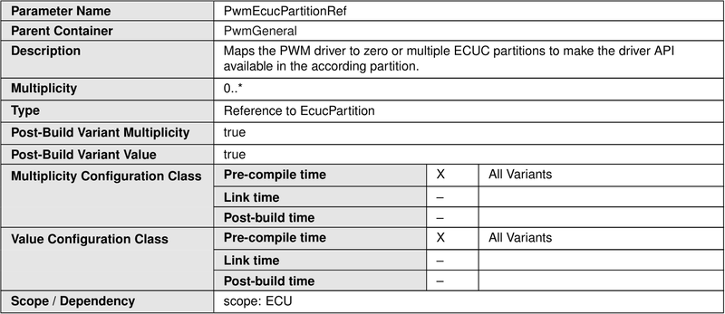
ECUC_Pwm_00150 | 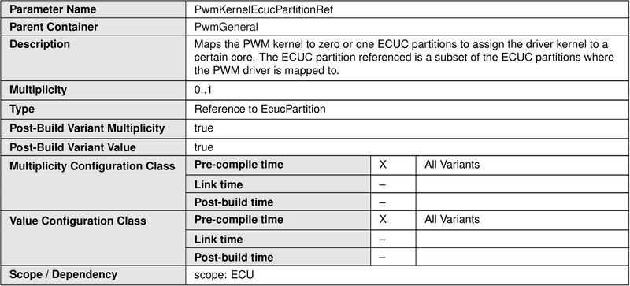
ECUC_Pwm_00144
ECUC_Pwm_00146 | 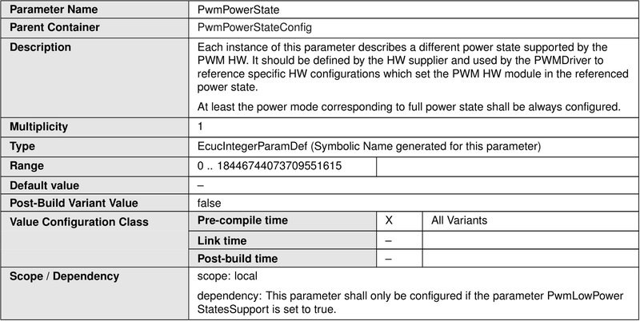
ECUC_Pwm_00145 | 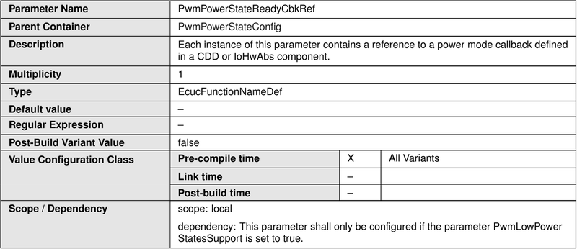
ECUC_Pwm_00027 | 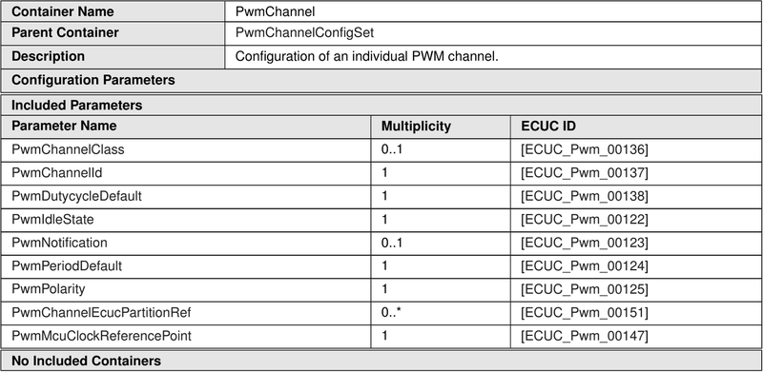
ECUC_Pwm_00136 | 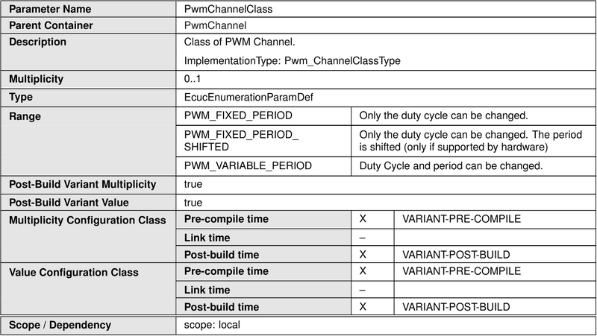
ECUC_Pwm_00137 | 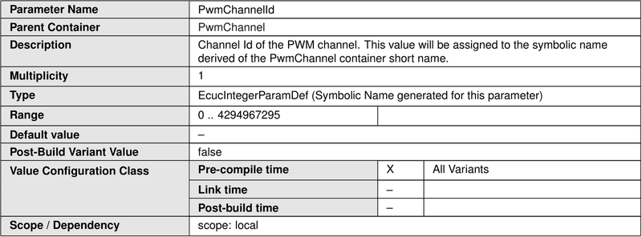
ECUC_Pwm_00138 | 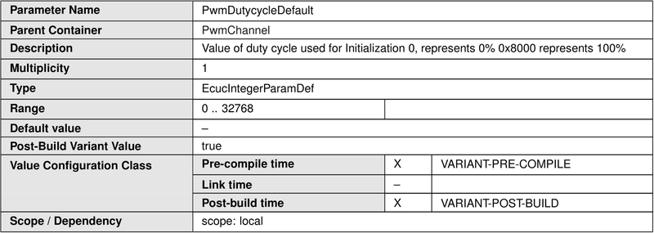
ECUC_Pwm_00122 | 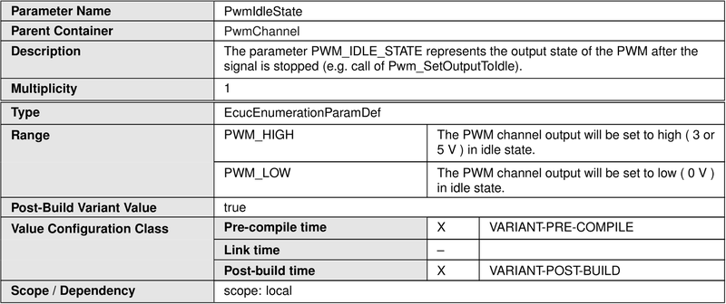
ECUC_Pwm_00123 | 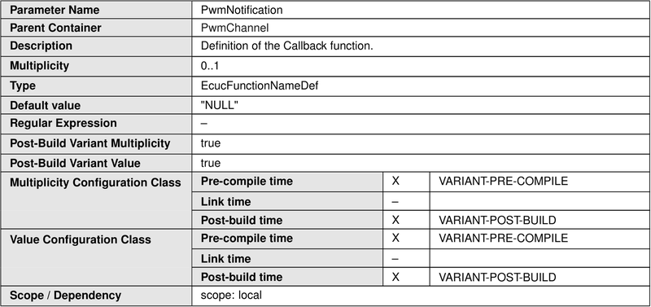
ECUC_Pwm_00124 | 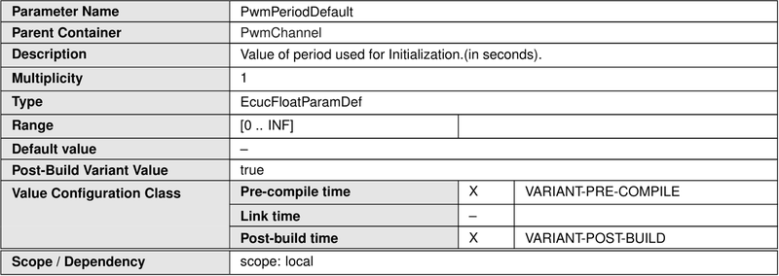
ECUC_Pwm_00125 | 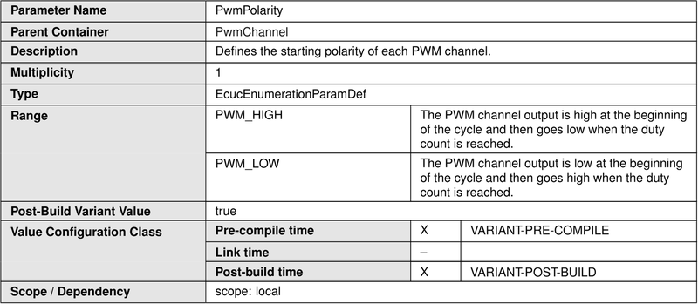
ECUC_Pwm_00151 | 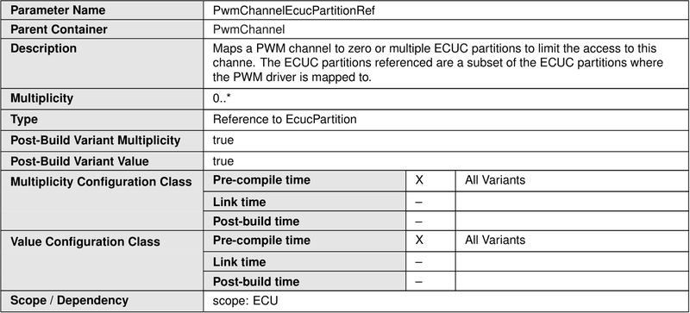
ECUC_Pwm_00147
ECUC_Pwm_00140
ECUC_Pwm_00126 | 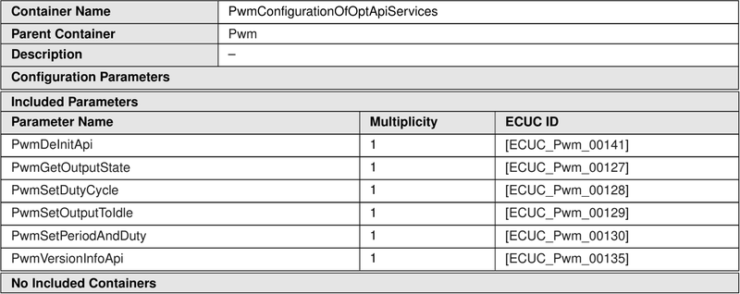
ECUC_Pwm_00141
ECUC_Pwm_00127
ECUC_Pwm_00128
ECUC_Pwm_00129
ECUC_Pwm_00130
ECUC_Pwm_00135
Requirements for Vendor specification

