phone_feature_table
manner | phone | plotOrder | voi | pla | mann |  | This table can be used for deciding "match sets"
aff | ch | 40 | jh | zh | t |  | That is, for a target phone like ch, we would evaluate ch-ch similarity relative to
aff | j | 41 | ch | sh | d |  | similarity with {jh, zh, t}.
aff | jh | 42 | ch | sh | d
cont | l | 28 | r | w | d
cont | m | 24 | n | nx | b
cont | n | 25 | m | ng | d
cont | ng | 26 | nx | m | k
cont | nx | 27 | ng | n | dx
cont | r | 29 | l | y | v
cont | w | 30 | y | l | b
cont | y | 31 | w | r | k
err | vn | 99 | NA | NA | NA
fric | dh | 33 | th | v | t
fric | f | 36 | v | th | s
fric | hh | 43 | tq | z | k
fric | s | 38 | z | jh | dx
fric | sh | 39 | zh | s | hh
fric | th | 37 | dh | f | t
fric | v | 32 | f | dh | r
fric | z | 34 | s | hh | v
fric | zh | 35 | sh | ch | z
stop | b | 16 | p | d | m
stop | d | 17 | t | b | n
stop | dx | 23 | d | g | s
stop | g | 18 | k | dx | ng
stop | k | 21 | g | tq | hh
stop | p | 19 | b | t | f
stop | t | 20 | d | p | ch
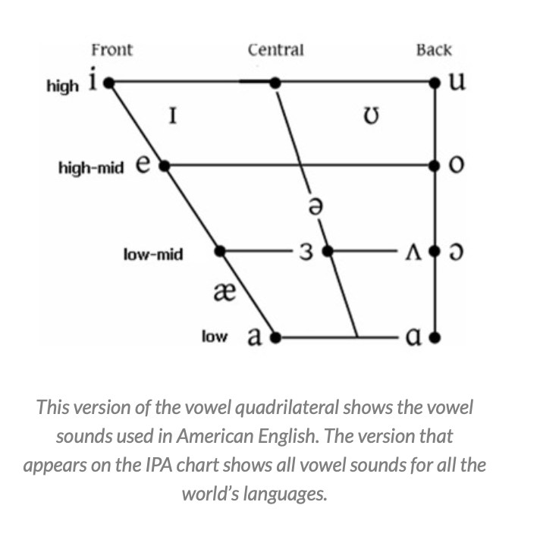
stop | tq | 22 | hh | k | t
v | aa | 1 | ao | ae | ah | 1 aa | cot
v | ae | 2 | eh | aa | er | 2 ae | bat
v | ah | 3 | er | ao | aa | 3 ay | bite
v | ao | 4 | aa | ah | ow | 4 aw | now
v | aw | 5 | ow | uw | aa | 5 ao | bought
v | ay | 6 | ey | er | ah | 6oy | boy
v | eh | 7 | ae | ih | ey | 7 ow | boat
v | er | 8 | ah | ay | eh | 8 eh | bet
v | ey | 9 | ay | iy | ih | 9 ey | bait
v | ih | 10 | iy | eh | uh | 10 er | bird, dinner
v | iy | 11 | ih | ey | ay | 11 ah | butt
v | ow | 12 | aw | uh | uw | uw | boot
v | oy | 13 | ey | ow | iy | uh | book
v | uh | 14 | uw | ow | ih | ih | bit
v | uw | 15 | uh | aw | ah | iy | beat
vc | el | 44
vc | em | 45
vc | en | 46

