Feuil1
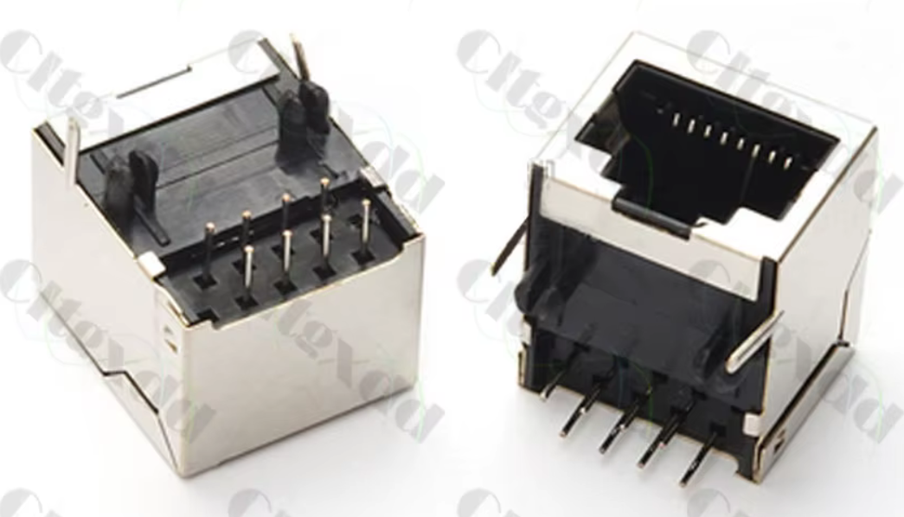
Board
Type | Quantity | cost | total | link
Raspberry pi pico | 1 | 4.0 € | 4 € | https://fr.aliexpress.com/item/1005008244091735.html?spm=a2g0o.productlist.main.33.62feCDvDCDvDRi&algo_pvid=e6216b53-38a4-4b0d-8471-063a85627114&algo_exp_id=e6216b53-38a4-4b0d-8471-063a85627114-16&pdp_ext_f=%7B%22order%22%3A%22122%22%2C%22eval%22%3A%221%22%7D&pdp_npi=4%40dis%21EUR%211.64%211.64%21%21%2112.90%2112.89%21%40210385a817439228228155974e6f71%2112000044353611082%21sea%21FR%212048486615%21X&curPageLogUid=fpn5O6BkZJKw&utparam-url=scene%3Asearch%7Cquery_from%3A
TC4428 | 5 | 0.4 € | 2 € | https://fr.aliexpress.com/item/1005006912580387.html?spm=a2g0o.productlist.main.3.1b23743dpGKcxF&algo_pvid=8761dc94-d9c4-4340-a457-0a5efe09893d&algo_exp_id=8761dc94-d9c4-4340-a457-0a5efe09893d-c-url=scene%3Asearch%7Cquery_from%3A
IRF135B203 (or similar) | 10 | 0.5 € | 5 € | https://fr.aliexpress.com/item/1005010049039273.html?spm=a2g0o.order_detail.order_detail_item.3.735a7d56Krcmog&gatewayAdapt=glo2fra
4.7uF polymer capacitor 250V475J | 10 | 0.3 € | 3 € | https://fr.aliexpress.com/item/1005005691512866.html?spm=a2g0o.order_list.order_list_main.170.27225e5bYiWmzu&gatewayAdapt=glo2fra
Kit smd capacitors 0805 | 1 | 3.0 € | 3 € | https://fr.aliexpress.com/item/1005010314674256.html?spm=a2g0o.order_detail.order_detail_item.3.358f7d56yRKYHU&gatewayAdapt=glo2fra
kit smd resistors 0805 | 1 | 2.0 € | 2 € | https://fr.aliexpress.com/item/1005009735103526.html?spm=a2g0o.order_detail.order_detail_item.3.20b27d56oCuHcp&gatewayAdapt=glo2fra
RJ45 connector | 10 | 0.2 € | 2 € | https://fr.aliexpress.com/item/1005004004680555.html?spm=a2g0o.productlist.main.31.83f7uNwZuNwZHI&algo_pvid=16497f17-0f11-45e7-b1e9-35b3e094262c&algo_exp_id=16497f17-0f11-45e7-b1e9-35b3e094262c-28&pdp_ext_f=%7B%22order%22%3A%22315%22%2C%22eval%22%3A%221%22%2C%22fromPage%22%3A%22search%22%7D&pdp_npi=6%40dis%21EUR%211.47%211.47%21%21%211.67%211.67%21%402141115b17799138189018061ebcbb%2112000027712581914%21sea%21FR%212048486615%21X%211%210%21n_tag%3A-29919%3Bd%3A4872a8d0%3Bm03_new_user%3A-29895&curPageLogUid=za5Vf5sJza7y&utparam-url=scene%3Asearch%7Cquery_from%3A%7Cx_object_id%3A1005004004680555%7C_p_origin_prod%3A
Freewheel diode MUR820 | 10 | 0.4 € | 4 € | https://fr.aliexpress.com/item/1005008518514945.html?spm=a2g0o.order_detail.order_detail_item.3.1a137d56TdSdjX&gatewayAdapt=glo2fra
Headers | 1 | 2.0 € | 2 € | https://fr.aliexpress.com/item/1005007414089348.html?spm=a2g0o.order_detail.order_detail_item.3.1e107d567LRoIU&gatewayAdapt=glo2fra
Buck converter 24->12V | 1 | 3.0 € | 3 € | https://fr.aliexpress.com/item/1005010728500684.html?spm=a2g0o.order_detail.order_detail_item.3.6f537d56EkcWbK&gatewayAdapt=glo2fra
JST connectors kit | 1 | 4.0 € | 4 € | https://fr.aliexpress.com/item/1005009532866035.html?spm=a2g0o.productlist.main.8.209d4b4azUmU3S&aem_p4p_detail=20260527134842861746058654580000491009&algo_pvid=5e0bdb77-9e7e-40dd-b2b7-dacb29e02e38&algo_exp_id=5e0bdb77-9e7e-40dd-b2b7-dacb29e02e38-7&pdp_ext_f=%7B%22order%22%3A%22299%22%2C%22eval%22%3A%221%22%2C%22fromPage%22%3A%22search%22%7D&pdp_npi=6%40dis%21EUR%213.32%213.29%21%21%213.77%213.74%21%40212e520f17799149218534289ee0ae%2112000049387033174%21sea%21FR%212048486615%21X%211%210%21n_tag%3A-29919%3Bd%3A4872a8d0%3Bm03_new_user%3A-29895&curPageLogUid=rzWAHQcZNLAA&utparam-url=scene%3Asearch%7Cquery_from%3A%7Cx_object_id%3A1005009532866035%7C_p_origin_prod%3A&search_p4p_id=20260527134842861746058654580000491009_2
Aviation connector M12 4P | 1 | 6.0 € | 6 € | https://fr.aliexpress.com/item/1005006373729951.html?spm=a2g0o.order_list.order_list_main.180.27225e5bYiWmzu&gatewayAdapt=glo2fra
2mm banan connectors m+f | 6 | 0.2 € | 1 € | https://fr.aliexpress.com/item/1005006400659486.html?spm=a2g0o.order_list.order_list_main.230.27225e5bYiWmzu&gatewayAdapt=glo2fra
2mm banan connectors f wall | 10 | 0.4 € | 4 € | https://fr.aliexpress.com/item/1005009568396783.html?spm=a2g0o.productlist.main.19.607fN91LN91LeJ&algo_pvid=226e923c-2198-4b75-be98-2fc3cf2ff520&algo_exp_id=226e923c-2198-4b75-be98-2fc3cf2ff520-16&pdp_ext_f=%7B%22order%22%3A%22214%22%2C%22spu_best_type%22%3A%22price%22%2C%22eval%22%3A%221%22%2C%22fromPage%22%3A%22search%22%7D&pdp_npi=6%40dis%21EUR%213.79%213.79%21%21%2129.20%2129.20%21%4021010c9a17799154975297907e8ac4%2112000049487184785%21sea%21FR%212048486615%21X%211%210%21n_tag%3A-29919%3Bd%3A4872a8d0%3Bm03_new_user%3A-29895&curPageLogUid=LpgjQQSx0yEq&utparam-url=scene%3Asearch%7Cquery_from%3A%7Cx_object_id%3A1005009568396783%7C_p_origin_prod%3A
Oled screen | 1 | 2.5 € | 3 € | https://fr.aliexpress.com/item/1005004355547926.html?spm=a2g0o.productlist.main.5.574d3350KsQB1s&algo_pvid=8d4f0b7f-c8a7-416c-a471-03f5f50cf673&algo_exp_id=8d4f0b7f-c8a7-416c-a471-03f5f50cf673-2&pdp_ext_f=%7B%22order%22%3A%224293%22%2C%22eval%22%3A%221%22%7D&pdp_npi=4%40dis%21EUR%212.06%212.06%21%21%212.23%212.23%21%402103890117439244281643281e8c62%2112000029444147546%21sea%21FR%212048486615%21X&curPageLogUid=KhuREFzaK5t7&utparam-url=scene%3Asearch%7Cquery_from%3A
potentiometer 10K 10turns | 10 | 0.1 € | 1 € | https://fr.aliexpress.com/item/1005005916886477.html?spm=a2g0o.productlist.main.15.3d4268b2OFWwkY&algo_pvid=c4a1572d-162d-49fb-b797-5541d954b748&algo_exp_id=c4a1572d-162d-49fb-b797-5541d954b748-14&pdp_ext_f=%7B%22order%22%3A%223160%22%2C%22spu_best_type%22%3A%22price%22%2C%22eval%22%3A%221%22%2C%22fromPage%22%3A%22search%22%7D&pdp_npi=6%40dis%21EUR%211.02%211.02%21%21%217.86%217.86%21%402140c1e917799165992737229e1f08%2112000034839512987%21sea%21FR%212048486615%21X%211%210%21n_tag%3A-29919%3Bd%3A4872a8d0%3Bm03_new_user%3A-29895&curPageLogUid=35UUVdYZaxof&utparam-url=scene%3Asearch%7Cquery_from%3A%7Cx_object_id%3A1005005916886477%7C_p_origin_prod%3A
Aluminum box | 1 | 13.0 € | 13 € | https://fr.aliexpress.com/item/1005007982863933.html?spm=a2g0o.order_detail.order_detail_item.3.793b7d56b3fd4R&gatewayAdapt=glo2fra
0-80V power supply 600W | 1 | 42.0 € | 42 € | https://fr.aliexpress.com/item/1005008735760315.html?spm=a2g0o.productlist.main.8.50792RbT2RbT1K&aem_p4p_detail=202605271408126906455879550300000430917&algo_pvid=37179bd9-a7e5-4f4a-b03e-bf3ad7767597&algo_exp_id=37179bd9-a7e5-4f4a-b03e-bf3ad7767597-7&pdp_ext_f=%7B%22order%22%3A%2215%22%2C%22eval%22%3A%221%22%2C%22fromPage%22%3A%22search%22%7D&pdp_npi=6%40dis%21EUR%2115.89%2115.89%21%21%21122.45%21122.45%21%402103864c17799160924543349e7c95%2112000056678145373%21sea%21FR%212048486615%21X%211%210%21n_tag%3A-29919%3Bd%3A4872a8d0%3Bm03_new_user%3A-29895&curPageLogUid=so0ryaD20kcC&utparam-url=scene%3Asearch%7Cquery_from%3A%7Cx_object_id%3A1005008735760315%7C_p_origin_prod%3A&search_p4p_id=202605271408126906455879550300000430917_4

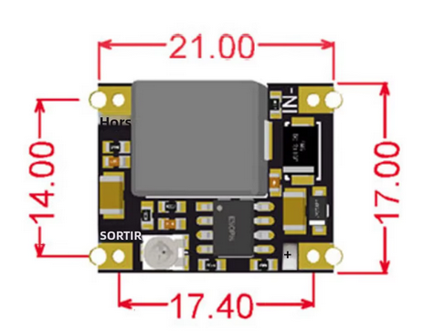
 |  |  | 104 €

