Sheet1
Test Case - SauceDemo
Test Case ID | Module | Test Scenario ID | Test Case Title | Preconditions | Step No | Test Step | Test Data | Expected Result | Actual Result | Status | Priority | Tester | Comment | Bug ID | Bug Image
TC-SD-001 | Login | TS-SD-001 | Verify SauceDemo login page loads successfully | Chrome browser installed, Internet connection available | 1 | Open Chrome browser | N/A | Chrome browser should open | Chrome browser opened | Pass | High | Alok Kumar
 |  |  |  |  | 2 | Enter SauceDemo URL | https://www.saucedemo.com | SauceDemo login page should load | SauceDemo login pag loaded | Pass | High | Alok Kumar
 |  |  |  |  | 3 | Verify Username field | N/A | Username field should be visible | Username field is visible | Pass | High | Alok Kumar
 |  |  |  |  | 4 | Verify Password field | N/A | Password field should be visible | Password field is visible | Pass | High | Alok Kumar
 |  |  |  |  | 5 | Verify Login button | N/A | Login button should be visible and enabled | Login button is visible and enabled | Pass | High | Alok Kumar
 |  |  |  |  |  |  |  |  |  |  |  | Alok Kumar
TC-SD-002 | Login | TS-SD-002 | Verify login with valid credentials | User is on SauceDemo login page | 1 | Enter valid username | standard_user | Username should be accepted | Username accepted | Pass | High | Alok Kumar
 |  |  |  |  | 2 | Enter valid password | secret_sauce | Password should be accepted | Password accepted | Pass | High | Alok Kumar
 |  |  |  |  | 3 | Click Login button | N/A | User should be redirected to Products page | User redirected to Products page | Pass | High | Alok Kumar
 |  |  |  |  |  |  |  |  |  |  |  | Alok Kumar
TC-SD-003 | Login | TS-SD-003 | Verify login fails with invalid username | User is on SauceDemo login page | 1 | Enter invalid username | wrong_user | Username should be entered | Username entered | Pass | High | Alok Kumar
 |  |  |  |  | 2 | Enter valid password | secret_sauce | Password should be entered | Password entered | Pass | High | Alok Kumar
 |  |  |  |  | 3 | Click Login button | N/A | Error message should be displayed | Error message displayed | Pass | High | Alok Kumar
 |  |  |  |  | 4 | Verify page navigation | N/A | User should remain on Login page | User remain on Login page | Pass | High | Alok Kumar
 |  |  |  |  |  |  |  |  |  |  |  | Alok Kumar
TC-SD-004 | Login | TS-SD-004 | Verify login fails with invalid password | User is on SauceDemo login page | 1 | Enter valid username | standard_user | Username should be entered | Username entered | Pass | High | Alok Kumar
 |  |  |  |  | 2 | Enter invalid password | wrong_pass | Password should be entered | Password entered | Pass | High | Alok Kumar
 |  |  |  |  | 3 | Click Login button | N/A | Error message should be displayed | Error message displayed | Pass | High | Alok Kumar
 |  |  |  |  |  |  |  |  |  |  |  | Alok Kumar
TC-SD-005 | Login | TS-SD-005 | Verify validation message when username is empty | User is on SauceDemo login page | 1 | Leave username field empty | Blank | Username field should be empty | Username field empty | Pass | High | Alok Kumar
 |  |  |  |  | 2 | Enter password | secret_sauce | Password should be entered | Password entered | Pass | High | Alok Kumar
 |  |  |  |  | 3 | Click Login button | N/A | Error message for missing username should be shown | Error message for missing username is shown | Pass | High | Alok Kumar
 |  |  |  |  |  |  |  |  |  |  |  | Alok Kumar
TC-SD-006 | Login | TS-SD-006 | Verify validation message when password is empty | User is on SauceDemo login page | 1 | Enter username | standard_user | Username should be entered | Username entered | Pass | High | Alok Kumar
 |  |  |  |  | 2 | Leave password field empty | Blank | Password field should be empty | Password field is empty | Pass | High | Alok Kumar
 |  |  |  |  | 3 | Click Login button | N/A | Error message for missing password should be shown | Error message for missing password is shown | Pass | High | Alok Kumar
 |  |  |  |  |  |  |  |  |  |  |  | Alok Kumar
TC-SD-007 | Login | TS-SD-006 | Verify validation when username and password are empty | User is on SauceDemo login page | 1 | Leave username field empty | Blank | Username should be empty | Username field empty | Pass | High | Alok Kumar
 |  |  |  |  | 2 | Leave password field empty | Blank | Password should be empty | Password field is empty | Pass | High | Alok Kumar
 |  |  |  |  | 3 | Click Login button | N/A | Error message should be displayed | Error message displayed | Pass | High | Alok Kumar
 |  |  |  |  |  |  |  |  |  |  |  | Alok Kumar
TC-SD-008 | Login | TS-SD-002 | Verify login button is clickable | User is on SauceDemo login page | 1 | Enter valid username | standard_user | Username accepted | Username accepted | Pass | Medium | Alok Kumar
 |  |  |  |  | 2 | Enter valid password | secret_sauce | Password accepted | Password accepted | Pass | Medium | Alok Kumar
 |  |  |  |  | 3 | Click Login button | N/A | Button should be clickable and login successful | Button is clickable and login successful | Pass | Medium | Alok Kumar
 |  |  |  |  |  |  |  |  |  |  |  | Alok Kumar
TC-SD-009 | Login | TS-SD-003 | Verify error message UI is displayed properly | User is on SauceDemo login page | 1 | Enter invalid credentials | abc / xyz | Credentials entered | Credentials entered | Pass | Medium | Alok Kumar
 |  |  |  |  | 2 | Click Login button | N/A | Error message should appear | Error message appeared | Pass | Medium | Alok Kumar
 |  |  |  |  | 3 | Verify error UI | N/A | Error text should be readable and visible | Error text readable and visible but not properly aligned | Fail | Medium | Alok Kumar | Alignment Issue | BUG-LOGIN-001 | 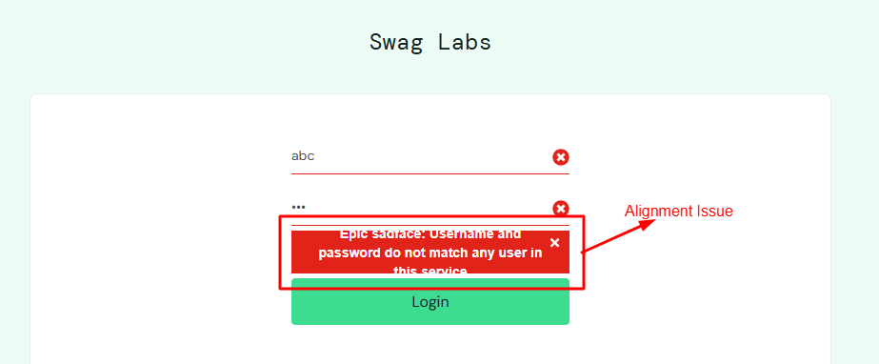
 |  |  |  |  |  |  |  |  |  |  |  | Alok Kumar
TC-SD-010 | Login | TS-SD-002 | Verify user cannot access Products page without login | User not logged in | 1 | Open SauceDemo inventory URL directly | /inventory.html | Access should be restricted | Access restricted | Pass | Medium | Alok Kumar
 |  |  |  |  | 2 | Verify Error Message | N/A | User should be shown error message and stay in login page | User is shown error message and stay in login page | Pass | Medium | Alok Kumar
 |  |  |  |  |  |  |  |  |  |  |  | Alok Kumar
TC-SD-011 | Products | TS-SD-007 | Verify Products page loads after login | User has valid login credentials | 1 | Open Chrome browser | N/A | Browser should open successfully | Browser opened successfully | Pass | High | Alok Kumar
 |  |  |  |  | 2 | Navigate to SauceDemo login page | https://www.saucedemo.com | Login page should load | Login page loaded | Pass | High | Alok Kumar
 |  |  |  |  | 3 | Enter valid username | standard_user | Username accepted | Username accepted | Pass | High | Alok Kumar
 |  |  |  |  | 4 | Enter valid password | secret_sauce | Password accepted | Password accepted | Pass | High | Alok Kumar
 |  |  |  |  | 5 | Click Login button | N/A | User should be redirected to Products page | User redirected to Products page | Pass | High | Alok Kumar
 |  |  |  |  | 6 | Verify Products page header | “Products” | Products page should be displayed | Products page displayed | Pass | High | Alok Kumar
 |  |  |  |  |  |  |  |  |  |  |  | Alok Kumar
TC-SD-012 | Products | TS-SD-008 | Verify product list shows product name and description | User logged into Products page | 1 | Observe the Products page | N/A | Products page should be visible | Products page is visible | Pass | High | Alok Kumar
 |  |  |  |  | 2 | Check each product card name | N/A | Each product should display a product name | Each product display a product name but there is a error in a product name | Fail | High | Alok Kumar | One Product name is given wrong | BUG-PRODUCTS-002 | 0
 |  |  |  |  | 3 | Check each product card description | N/A | Each product should display a product description | Each product display a product description but there is a error in a product description | Fail | High | Alok Kumar | One Product Description is given wrong | BUG-PRODUCTS-003 | 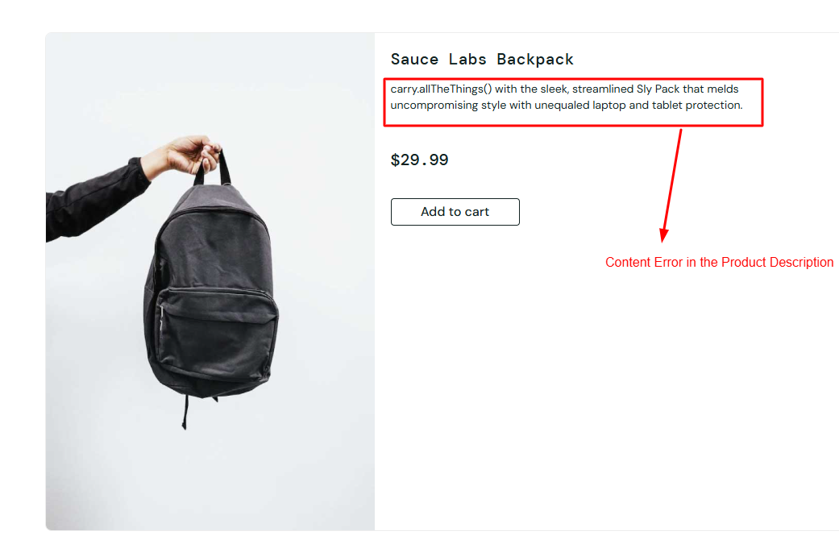
 |  |  |  |  |  |  |  |  |  |  |  | Alok Kumar
TC-SD-013 | Products | TS-SD-008 | Verify product list shows product price | User logged into Products page | 1 | Observe product listings | N/A | Product prices should be visible | Product prices is visible | Pass | High | Alok Kumar
 |  |  |  |  | 2 | Verify price format | Currency format | Prices should be displayed correctly | Prices displayed correctly | Pass | High | Alok Kumar
 |  |  |  |  |  |  |  |  |  |  |  | Alok Kumar
TC-SD-014 | Products | TS-SD-008 | Verify product list shows product image | User logged into Products page | 1 | Observe product images | N/A | Each product should display an image | Each product displays an image | Pass | Medium | Alok Kumar
 |  |  |  |  | 2 | Verify image visibility | N/A | Images should load properly without distortion | Images loads properly without distortion | Pass | Medium | Alok Kumar
 |  |  |  |  |  |  |  |  |  |  |  | Alok Kumar
TC-SD-015 | Products | TS-SD-008 | Verify Add to Cart button is available for products | User logged into Products page | 1 | Observe product list | N/A | Products should be visible | Products is visible | Pass | High | Alok Kumar
 |  |  |  |  | 2 | Check Add to Cart button | N/A | Add to Cart button should be present for each product | Add to Cart button is present for each product | Pass | High | Alok Kumar
 |  |  |  |  |  |  |  |  |  |  |  | Alok Kumar
TC-SD-016 | Products | TS-SD-009 | Verify sorting dropdown is visible | User logged into Products page | 1 | Locate sort dropdown | N/A | Sort dropdown should be visible | Sort dropdown is visible | Pass | Medium | Alok Kumar
 |  |  |  |  | 2 | Click sort dropdown | N/A | Dropdown options should be displayed | Dropdown options displayed | Pass | Medium | Alok Kumar
 |  |  |  |  |  |  |  |  |  |  |  | Alok Kumar
TC-SD-017 | Products | TS-SD-009 | Verify sort by Name (A to Z) works | User logged into Products page | 1 | Click sort dropdown | N/A | Dropdown should open | Dropdown opened | Pass | Medium | Alok Kumar
 |  |  |  |  | 2 | Select Name (A to Z) | Name (A to Z) | Products should sort alphabetically A–Z | Products sort alphabetically A–Z | Pass | Medium | Alok Kumar
 |  |  |  |  |  |  |  |  |  |  |  | Alok Kumar
TC-SD-018 | Products | TS-SD-009 | Verify sort by Name (Z to A) works | User logged into Products page | 1 | Open sort dropdown | N/A | Dropdown should open | Dropdown opened | Pass | Medium | Alok Kumar
 |  |  |  |  | 2 | Select Name (Z to A) | Name (Z to A) | Products should sort alphabetically Z–A | Products sort alphabetically Z–A | Pass | Medium | Alok Kumar
 |  |  |  |  |  |  |  |  |  |  |  | Alok Kumar
TC-SD-019 | Products | TS-SD-009 | Verify sort by Price (Low to High) works | User logged into Products page | 1 | Open sort dropdown | N/A | Dropdown should open | Dropdown opened | Pass | Medium | Alok Kumar
 |  |  |  |  | 2 | Select Price (Low to High) | Low to High | Products should be sorted by increasing price | Products sorted by increasing price | Pass | Medium | Alok Kumar
 |  |  |  |  |  |  |  |  |  |  |  | Alok Kumar
TC-SD-020 | Products | TS-SD-009 | Verify sort by Price (High to Low) works | User logged into Products page | 1 | Open sort dropdown | N/A | Dropdown should open | Dropdown opened | Pass | Medium | Alok Kumar
 |  |  |  |  | 2 | Select Price (High to Low) | High to Low | Products should be sorted by decreasing price | Products sorted by decreasing price | Pass | Medium | Alok Kumar
 |  |  |  |  |  |  |  |  |  |  |  | Alok Kumar
TC-SD-021 | Products | TS-SD-010 | Verify user can add one product to cart | User logged into Products page | 1 | Click Add to Cart for a product | Sauce Labs Backpack | Product should be added to cart | Product added to cart | Pass | High | Alok Kumar
 |  |  |  |  | 2 | Verify cart badge | 1 | Cart badge should display 1 | Cart badge display 1 | Pass | High | Alok Kumar
 |  |  |  |  | 3 | Verify button label | Remove | Button should change to Remove | Button changed to Remove | Pass | High | Alok Kumar
 |  |  |  |  |  |  |  |  |  |  |  | Alok Kumar
TC-SD-022 | Products | TS-SD-010 | Verify user can add multiple products to cart | User logged into Products page | 1 | Add first product to cart | Product 1 | Cart badge should show 1 | Cart badge show 1 | Pass | High | Alok Kumar
 |  |  |  |  | 2 | Add second product to cart | Product 2 | Cart badge should show 2 | Cart badge show 2 | Pass | High | Alok Kumar
 |  |  |  |  |  |  |  |  |  |  |  | Alok Kumar
TC-SD-023 | Products | TS-SD-011 | Verify Remove button appears after adding product | Product added to cart | 1 | Add a product to cart | Any product | Product should be added | Product added to cart | Pass | High | Alok Kumar
 |  |  |  |  | 2 | Verify button label | Remove | Add to Cart should change to Remove | Add to Cart changed to Remove | Pass | High | Alok Kumar
 |  |  |  |  |  |  |  |  |  |  |  | Alok Kumar
TC-SD-024 | Products | TS-SD-011 | Verify user can remove product from Products page | Product added to cart | 1 | Click Remove button | N/A | Product should be removed from cart | Product removed from cart | Pass | High | Alok Kumar
 |  |  |  |  | 2 | Verify cart badge | 0 | Cart badge should decrease | Cart badge decreases | Pass | High | Alok Kumar
 |  |  |  |  |  |  |  |  |  |  |  | Alok Kumar
TC-SD-025 | Cart | TS-SD-012 | Verify cart badge updates correctly when adding items | User logged in and on Products page | 1 | Ensure user is on Products page | N/A | Products page should be displayed | Products page displayed | Pass | High | Alok Kumar
 |  |  |  |  | 2 | Click Add to Cart for a product | Any product | Product should be added to cart | Product added to cart | Pass | High | Alok Kumar
 |  |  |  |  | 3 | Observe cart icon badge | 1 | Cart badge should display count as 1 | Cart badge displays count as 1 | Pass | High | Alok Kumar
 |  |  |  |  |  |  |  |  |  |  |  | Alok Kumar
TC-SD-026 | Cart | TS-SD-012 | Verify cart badge updates correctly when removing items | At least one item added to cart | 1 | Verify cart badge count | ≥1 | Cart badge should show item count | Cart badge shows item count | Pass | High | Alok Kumar
 |  |  |  |  | 2 | Click Remove for the added product | Any product | Product should be removed | Product removed | Pass | High | Alok Kumar
 |  |  |  |  | 3 | Observe cart badge | Updated count | Cart badge should decrease correctly | Cart badge decrease correctly | Pass | High | Alok Kumar
 |  |  |  |  |  |  |  |  |  |  |  | Alok Kumar
TC-SD-027 | Cart | TS-SD-013 | Verify navigation to Cart page | User logged in | 1 | Locate cart icon | N/A | Cart icon should be visible | Cart icon is visible | Pass | High | Alok Kumar
 |  |  |  |  | 2 | Click cart icon | N/A | User should navigate to Cart page | User navigate to Cart page | Pass | High | Alok Kumar
 |  |  |  |  | 3 | Verify Cart page title | “Your Cart” | Cart page should be displayed | Cart page displayed | Pass | High | Alok Kumar
 |  |  |  |  |  |  |  |  |  |  |  | Alok Kumar
TC-SD-028 | Cart | TS-SD-014 | Verify Cart page displays product name | Item added to cart | 1 | Navigate to Cart page | N/A | Cart page should open | Cart page opened | Pass | High | Alok Kumar
 |  |  |  |  | 2 | Observe product listing | N/A | Product name should be visible | Product name visible | Pass | High | Alok Kumar
 |  |  |  |  |  |  |  |  |  |  |  | Alok Kumar
TC-SD-029 | Cart | TS-SD-014 | Verify Cart page displays product price | Item added to cart | 1 | Navigate to Cart page | N/A | Cart page should be displayed | Cart page displayed | Pass | High | Alok Kumar
 |  |  |  |  | 2 | Observe product price | Currency format | Product price should be visible | Product price visible | Pass | High | Alok Kumar
 |  |  |  |  |  |  |  |  |  |  |  | Alok Kumar
TC-SD-030 | Cart | TS-SD-014 | Verify Cart page displays quantity | Item added to cart | 1 | Open Cart page | N/A | Cart page should be displayed | Cart page displayed | Pass | Medium | Alok Kumar
 |  |  |  |  | 2 | Check quantity column | Numeric value | Quantity should be displayed correctly | Quantity displayed correctly | Pass | Medium | Alok Kumar
 |  |  |  |  |  |  |  |  |  |  |  | Alok Kumar
TC-SD-031 | Cart | TS-SD-015 | Verify user can remove item from Cart page | Item present in cart | 1 | Open Cart page | N/A | Cart page should load | Cart page loaded | Pass | High | Alok Kumar
 |  |  |  |  | 2 | Click Remove button | N/A | Item should be removed from cart | Item removed from cart | Pass | High | Alok Kumar
 |  |  |  |  | 3 | Verify cart contents | N/A | Removed item should not be displayed | Removed item not displayed | Pass | High | Alok Kumar
 |  |  |  |  |  |  |  |  |  |  |  | Alok Kumar
TC-SD-032 | Cart | TS-SD-015 | Verify cart becomes empty after removing all items | Multiple items added to cart | 1 | Open Cart page | N/A | Cart page should open | Cart page opened | Pass | Medium | Alok Kumar
 |  |  |  |  | 2 | Remove all items | N/A | All items should be removed | All items removed | Pass | Medium | Alok Kumar
 |  |  |  |  | 3 | Verify empty cart | N/A | Cart should display no items | Cart display no items | Pass | Medium | Alok Kumar
 |  |  |  |  |  |  |  |  |  |  |  | Alok Kumar
TC-SD-033 | Checkout | TS-SD-016 | Verify user can proceed to checkout | User logged in and at least one item added to cart | 1 | Navigate to Cart page | N/A | Cart page should open | Cart page opened | Pass | High | Alok Kumar
 |  |  |  |  | 2 | Click Checkout button | N/A | Checkout Information page should be displayed | Checkout Information page displayed | Pass | High | Alok Kumar
 |  |  |  |  |  |  |  |  |  |  |  | Alok Kumar
TC-SD-034 | Checkout | TS-SD-017 | Verify checkout continues with valid user info | User on Checkout Information page | 1 | Enter First Name | Deepak | First Name accepted | First Name accepted | Pass | High | Alok Kumar
 |  |  |  |  | 2 | Enter Last Name | Sekar | Last Name accepted | Last Name accepted | Pass | High | Alok Kumar
 |  |  |  |  | 3 | Enter Zip Code | 600085 | Zip Code accepted | Zip Code accepted | Pass | High | Alok Kumar
 |  |  |  |  | 4 | Click Continue | N/A | User navigates to Checkout Overview page | User navigates to Checkout Overview page | Pass | High | Alok Kumar
 |  |  |  |  |  |  |  |  |  |  |  | Alok Kumar
TC-SD-035 | Checkout | TS-SD-018 | Verify error when First Name is empty | User on Checkout Information page | 1 | Leave First Name field empty | Blank | First Name should be empty | First Name empty | Pass | High | Alok Kumar
 |  |  |  |  | 2 | Enter Last Name | Sekar | Last Name accepted | Last Name accepted | Pass | High | Alok Kumar
 |  |  |  |  | 3 | Enter Zip Code | 600085 | Zip Code accepted | Zip Code accepted | Pass | High | Alok Kumar
 |  |  |  |  | 4 | Click Continue | N/A | Error message should be displayed for First Name | Error message displayed for First Name | Pass | High | Alok Kumar
 |  |  |  |  |  |  |  |  |  |  |  | Alok Kumar
TC-SD-036 | Checkout | TS-SD-018 | Verify error when Last Name is empty | User on Checkout Information page | 1 | Enter First Name | Deepak | First Name accepted | First Name accepted | Pass | High | Alok Kumar
 |  |  |  |  | 2 | Leave Last Name empty | Blank | Last Name should be empty | Last Name empty | Pass | High | Alok Kumar
 |  |  |  |  | 3 | Enter Zip Code | 600085 | Zip Code accepted | Zip Code accepted | Pass | High | Alok Kumar
 |  |  |  |  | 4 | Click Continue | N/A | Error message should be displayed for Last Name | Error message displayed for Last Name | Pass | High | Alok Kumar
 |  |  |  |  |  |  |  |  |  |  |  | Alok Kumar
TC-SD-037 | Checkout | TS-SD-018 | Verify error when Zip Code is empty | User on Checkout Information page | 1 | Enter First Name | Deepak | First Name accepted | First Name accepted | Pass | High | Alok Kumar
 |  |  |  |  | 2 | Enter Last Name | Sekar | Last Name accepted | Last Name accepted | Pass | High | Alok Kumar
 |  |  |  |  | 3 | Leave Zip Code empty | Blank | Zip Code should be empty | Zip Code empty | Pass | High | Alok Kumar
 |  |  |  |  | 4 | Click Continue | N/A | Error message should be displayed for Zip Code | Error message displayed for Zip Code | Pass | High | Alok Kumar
 |  |  |  |  |  |  |  |  |  |  |  | Alok Kumar
TC-SD-038 | Checkout | TS-SD-017 | Verify Checkout Overview page shows item details | User on Checkout Overview page | 1 | Observe item details | N/A | Product name should be displayed | Product name displayed | Pass | High | Alok Kumar
 |  |  |  |  | 2 | Verify product price | Currency format | Product price should be displayed | Product price displayed | Pass | High | Alok Kumar
 |  |  |  |  | 3 | Verify quantity | Numeric | Correct quantity should be displayed | Correct quantity displayed | Pass | High | Alok Kumar
 |  |  |  |  |  |  |  |  |  |  |  | Alok Kumar
TC-SD-039 | Checkout | TS-SD-017 | Verify total price calculation is displayed | User on Checkout Overview page | 1 | Observe Item Total | N/A | Item total should be displayed | Total Item displayed | Pass | Medium | Alok Kumar
 |  |  |  |  | 2 | Observe Tax amount | N/A | Tax amount should be displayed | Tax amount displayed | Pass | Medium | Alok Kumar
 |  |  |  |  | 3 | Verify Total amount | Calculated total | Total price should be correct | Total price correct | Pass | Medium | Alok Kumar
 |  |  |  |  |  |  |  |  |  |  |  | Alok Kumar
TC-SD-040 | Checkout | TS-SD-019 | Verify user can finish the order successfully | User on Checkout Overview page | 1 | Click Finish button | N/A | Order should be completed | Order completed | Pass | High | Alok Kumar
 |  |  |  |  | 2 | Verify success page | N/A | Order confirmation page should load | Order confirmation page loaded | Pass | High | Alok Kumar
 |  |  |  |  |  |  |  |  |  |  |  | Alok Kumar
TC-SD-041 | Checkout | TS-SD-019 | Verify confirmation page shows order completion message | Order successfully completed | 1 | Observe confirmation message | N/A | “Thank you for your order” message should be displayed | “Thank you for your order” message displayed | Pass | High | Alok Kumar
 |  |  |  |  | 2 | Verify order completion screen | N/A | Order completion UI should be visible | Order completion UI visible | Pass | High | Alok Kumar
 |  |  |  |  |  |  |  |  |  |  |  | Alok Kumar
TC-SD-042 | Logout | TS-SD-020 | Verify user can logout successfully | User is logged into the SauceDemo application | 1 | Verify user is on Products page | N/A | Products page should be displayed | Products page displayed | Pass | High | Alok Kumar
 |  |  |  |  | 2 | Click the Menu (☰) button | N/A | Sidebar menu should open | Sidebar menu opened | Pass | High | Alok Kumar
 |  |  |  |  | 3 | Click Logout option | N/A | User should be logged out | User logged out | Pass | High | Alok Kumar
 |  |  |  |  | 4 | Verify redirected page | Login page | User should be redirected to login page | User redirected to login page | Pass | High | Alok Kumar
 |  |  |  |  |  |  |  |  |  |  |  | Alok Kumar
TC-SD-043 | Logout | TS-SD-020 | Verify user cannot access Products page after logout | User has logged out successfully | 1 | Verify user is on login page | N/A | Login page should be displayed | Login page displayed | Pass | Medium | Alok Kumar
 |  |  |  |  | 2 | Press browser Back button | N/A | Navigation attempt initiated | Navigation initiated | Pass | Medium | Alok Kumar
 |  |  |  |  | 3 | Observe application behavior | N/A | User should remain on login page | User remain on login page | Pass | Medium | Alok Kumar
 |  |  |  |  | 4 | Verify Products page access | inventory page | Products page should NOT be accessible | Products page is NOT accessible | Pass | Medium | Alok Kumar
 |  |  |  |  |  |  |  |  |  |  |  | Alok Kumar
TC-SD-044 | Login | TS-SD-002 | Verify username field accepts input | User is on SauceDemo login page | 1 | Launch Chrome browser | N/A | Chrome browser should open | Chrome browser opened | Pass | Low | Alok Kumar
 |  |  |  |  | 2 | Navigate to SauceDemo URL | https://www.saucedemo.com | Login page should load | Login page loaded | Pass | Low | Alok Kumar
 |  |  |  |  | 3 | Click on Username input field | N/A | Cursor should appear in Username field | Cursor appears in Username field | Pass | Low | Alok Kumar
 |  |  |  |  | 4 | Enter valid username | standard_user | Username should be entered successfully | Username entered successfully | Pass | Low | Alok Kumar
 |  |  |  |  |  |  |  |  |  |  |  | Alok Kumar
TC-SD-045 | Login | TS-SD-002 | Verify password field masks input | User is on SauceDemo login page | 1 | Navigate to SauceDemo login page | https://www.saucedemo.com | Login page should be displayed | Login page displayed | Pass | Medium | Alok Kumar
 |  |  |  |  | 2 | Click on Password input field | N/A | Cursor should appear in Password field | Cursor appeared in Password field | Pass | Medium | Alok Kumar
 |  |  |  |  | 3 | Enter valid password | secret_sauce | Characters should be masked (●●●●●) | Characters are masked (●●●●●) | Pass | Medium | Alok Kumar
 |  |  |  |  |  |  |  |  |  |  |  | Alok Kumar
TC-SD-046 | Login | TS-SD-003 | Verify error message appears for invalid credentials | User is on SauceDemo login page | 1 | Enter invalid username | test | Username should be entered | Username entered | Pass | High | Alok Kumar
 |  |  |  |  | 2 | Enter invalid password | test | Password should be entered | Password entered | Pass | High | Alok Kumar
 |  |  |  |  | 3 | Click Login button | N/A | Login attempt should be made | Login attempt made | Pass | High | Alok Kumar
 |  |  |  |  | 4 | Observe error message | N/A | Proper error message should be displayed | Proper error message displayed | Pass | High | Alok Kumar
 |  |  |  |  | 5 | Verify page navigation | N/A | User should remain on login page | User remained on login page | Pass | High | Alok Kumar
 |  |  |  |  |  |  |  |  |  |  |  | Alok Kumar
TC-SD-047 | Login | TS-SD-003 | Verify error message disappears after successful login | Error message is already displayed on login page | 1 | Clear Username field | N/A | Username field should be cleared | Username field cleared | Pass | Medium | Alok Kumar
 |  |  |  |  | 2 | Clear Password field | N/A | Password field should be cleared | Password field cleared | Pass | Medium | Alok Kumar
 |  |  |  |  | 3 | Enter valid username | standard_user | Username should be entered | Username entered | Pass | Medium | Alok Kumar
 |  |  |  |  | 4 | Enter valid password | secret_sauce | Password should be entered | Password entered | Pass | Medium | Alok Kumar
 |  |  |  |  | 5 | Click Login button | N/A | User should login successfully | User login successful | Pass | Medium | Alok Kumar
 |  |  |  |  | 6 | Verify Products page | N/A | Products page should be displayed | Products page displayed | Pass | Medium | Alok Kumar
 |  |  |  |  | 7 | Verify error message visibility | N/A | Error message should NOT appear | Error message NOT appear | Pass | Medium | Alok Kumar
 |  |  |  |  |  |  |  |  |  |  |  | Alok Kumar
TC-SD-048 | Login | TS-SD-002 | Verify user remains logged in after page refresh | User is logged in and on Products page | 1 | Verify user is on Products page | N/A | Products page should be displayed | Products page displayed | Pass | Medium | Alok Kumar
 |  |  |  |  | 2 | Refresh the browser page | Ctrl + R | Page should reload | Page reload | Pass | Medium | Alok Kumar
 |  |  |  |  | 3 | Observe current page | N/A | User should remain logged in | User remained logged in | Pass | Medium | Alok Kumar
 |  |  |  |  | 4 | Verify Products page after refresh | N/A | Products page should still be visible | Products page is still visible | Pass | Medium | Alok Kumar
 |  |  |  |  |  |  |  |  |  |  |  | Alok Kumar
TC-SD-049 | Products | TS-SD-008 | Verify each product has an Add to Cart button | User is logged into the SauceDemo application | 1 | Login with valid credentials | standard_user / secret_sauce | User should be logged in | User logged in | Pass | Medium | Alok Kumar
 |  |  |  |  | 2 | Verify Products page is displayed | N/A | Products page should load | Products page loaded | Pass | Medium | Alok Kumar
 |  |  |  |  | 3 | Observe each product listed | N/A | All products should be visible | All products are visible | Pass | Medium | Alok Kumar
 |  |  |  |  | 4 | Verify Add to Cart button for each product | N/A | Each product should have an Add to Cart button | Each product have an Add to Cart button | Pass | Medium | Alok Kumar
 |  |  |  |  |  |  |  |  |  |  |  | Alok Kumar
TC-SD-050 | Products | TS-SD-010 | Verify cart badge increases correctly when adding 3 items | User is logged in and cart is empty | 1 | Login to SauceDemo | standard_user / secret_sauce | User should be logged in | User logged in | Pass | High | Alok Kumar
 |  |  |  |  | 2 | Add first product to cart | Any product | Cart badge should show 1 | Cart badge show 1 | Pass | High | Alok Kumar
 |  |  |  |  | 3 | Add second product to cart | Any product | Cart badge should show 2 | Cart badge show 2 | Pass | High | Alok Kumar
 |  |  |  |  | 4 | Add third product to cart | Any product | Cart badge should show 3 | Cart badge show 3 | Pass | High | Alok Kumar
 |  |  |  |  |  |  |  |  |  |  |  | Alok Kumar
TC-SD-051 | Products | TS-SD-011 | Verify cart badge decreases correctly when removing 1 item from 3 | User has 3 items added to cart | 1 | Verify cart badge count | 3 items | Cart badge should display 3 | Cart badge display 3 | Pass | High | Alok Kumar
 |  |  |  |  | 2 | Click Remove button for any one product | Any product | Selected product should be removed | Selected product removed | Pass | High | Alok Kumar
 |  |  |  |  | 3 | Observe cart badge count | N/A | Cart badge should update to 2 | Cart badge updated to 2 | Pass | High | Alok Kumar
 |  |  |  |  |  |  |  |  |  |  |  | Alok Kumar
TC-SD-052 | Cart | TS-SD-013 | Verify user can continue shopping from Cart page | User is on Cart page | 1 | Navigate to Cart page | N/A | Cart page should be displayed | Cart page displayed | Pass | Medium | Alok Kumar
 |  |  |  |  | 2 | Click Continue Shopping button | N/A | Navigation action should trigger | Navigation action triggered | Pass | Medium | Alok Kumar
 |  |  |  |  | 3 | Verify navigation | N/A | User should be redirected to Products page | User redirected to Products page | Pass | Medium | Alok Kumar
 |  |  |  |  |  |  |  |  |  |  |  | Alok Kumar
TC-SD-053 | Cart | TS-SD-014 | Verify cart retains items after navigating back to Products page | User has items added to cart | 1 | Open Cart page | N/A | Cart page should display added items | Cart page displays added items | Pass | High | Alok Kumar
 |  |  |  |  | 2 | Click Continue Shopping | N/A | User should navigate to Products page | User navigate to Products page | Pass | High | Alok Kumar
 |  |  |  |  | 3 | Click Cart icon again | N/A | Cart page should open | Cart page opened | Pass | High | Alok Kumar
 |  |  |  |  | 4 | Verify cart contents | N/A | Previously added items should still be present | Previously added items are still present | Pass | High | Alok Kumar
 |  |  |  |  |  |  |  |  |  |  |  | Alok Kumar
TC-SD-054 | Checkout | TS-SD-016 | Verify Checkout button is visible on Cart page | User is logged in and at least one item is added to cart | 1 | Login to SauceDemo | standard_user / secret_sauce | User should login successfully | User login successfully | Pass | High | Alok Kumar
 |  |  |  |  | 2 | Add any product to cart | Any product | Product should be added to cart | Product added to cart | Pass | High | Alok Kumar
 |  |  |  |  | 3 | Click Cart icon | N/A | Cart page should open | Cart page open | Pass | High | Alok Kumar
 |  |  |  |  | 4 | Observe Checkout button | N/A | Checkout button should be visible and enabled | Checkout button are visible and enabled | Pass | High | Alok Kumar
 |  |  |  |  |  |  |  |  |  |  |  | Alok Kumar
TC-SD-055 | Checkout | TS-SD-018 | Verify error message for all fields empty in checkout info | User is on Checkout Information page | 1 | Navigate to Checkout Information page | N/A | Checkout Info page should load | Checkout Info page loaded | Pass | High | Alok Kumar
 |  |  |  |  | 2 | Leave First Name empty | Blank | Field remains empty | Field empty | Pass | High | Alok Kumar
 |  |  |  |  | 3 | Leave Last Name empty | Blank | Field remains empty | Field empty | Pass | High | Alok Kumar
 |  |  |  |  | 4 | Leave Zip Code empty | Blank | Field remains empty | Field empty | Pass | High | Alok Kumar
 |  |  |  |  | 5 | Click Continue button | N/A | Error message should be displayed | Error message displayed | Pass | High | Alok Kumar
 |  |  |  |  |  |  |  |  |  |  |  | Alok Kumar
TC-SD-056 | Checkout | TS-SD-017 | Verify user can cancel checkout and return to Cart page | User is on Checkout Information page | 1 | Navigate to Checkout Information page | N/A | Checkout Info page should open | Checkout Info page opened | Pass | Medium | Alok Kumar
 |  |  |  |  | 2 | Click Cancel button | N/A | Navigation should trigger | Navigation triggered | Pass | Medium | Alok Kumar
 |  |  |  |  | 3 | Verify navigation | N/A | User should return to Cart page | User returned to Cart page | Pass | Medium | Alok Kumar
 |  |  |  |  |  |  |  |  |  |  |  | Alok Kumar
TC-SD-057 | Checkout | TS-SD-017 | Verify user can cancel checkout from Overview page | User is on Checkout Overview page | 1 | Navigate to Checkout Overview page | N/A | Overview page should be displayed | Overview page displayed | Pass | Medium | Alok Kumar
 |  |  |  |  | 2 | Click Cancel button | N/A | Cancel action should trigger | Cancel action triggered | Pass | Medium | Alok Kumar
 |  |  |  |  | 3 | Verify navigation | N/A | User should be redirected to Products page | User redirected to Products page | Pass | Medium | Alok Kumar
 |  |  |  |  |  |  |  |  |  |  |  | Alok Kumar
TC-SD-058 | Checkout | TS-SD-017 | Verify Finish button is visible on Overview page | User is on Checkout Overview page | 1 | Navigate to Checkout Overview page | N/A | Overview page should open | Overview page opened | Pass | High | Alok Kumar
 |  |  |  |  | 2 | Observe Finish button | N/A | Finish button should be visible | Finish button is visible | Pass | High | Alok Kumar
 |  |  |  |  | 3 | Verify Finish button state | N/A | Finish button should be enabled | Finish button is enabled | Pass | High | Alok Kumar
 |  |  |  |  |  |  |  |  |  |  |  | Alok Kumar
TC-SD-059 | Checkout | TS-SD-019 | Verify user can go back after order completion (Back Home) | Order has been completed successfully | 1 | Complete checkout process | N/A | Order should be placed successfully | Order placed successfully | Pass | Medium | Alok Kumar
 |  |  |  |  | 2 | Verify confirmation page | N/A | Order confirmation page should display | Order confirmation page displayed | Pass | Medium | Alok Kumar
 |  |  |  |  | 3 | Click Back Home button | N/A | Navigation should trigger | Navigation trigger | Pass | Medium | Alok Kumar
 |  |  |  |  | 4 | Verify navigation | N/A | User should be redirected to Products page | User redirected to Products page | Pass | Medium | Alok Kumar
 |  |  |  |  |  |  |  |  |  |  |  | Alok Kumar
TC-SD-060 | Navigation | TS-SD-007 | Verify Menu button opens sidebar options | User is logged in and on Products page | 1 | Login to SauceDemo application | standard_user / secret_sauce | User should login successfully | User login successful | Pass | Medium | Alok Kumar
 |  |  |  |  | 2 | Verify Products page is displayed | N/A | Products page should be visible | Products page is visible | Pass | Medium | Alok Kumar
 |  |  |  |  | 3 | Click Menu (☰) button | N/A | Sidebar menu should open | Sidebar menu opened | Pass | Medium | Alok Kumar
 |  |  |  |  | 4 | Observe sidebar options | N/A | Sidebar should display menu options (All Items, About, Logout, Reset App State) | Sidebar displays menu options (All Items, About, Logout, Reset App State) | Pass | Medium | Alok Kumar
 |  |  |  |  |  |  |  |  |  |  |  | Alok Kumar
TC-SD-061 | Navigation | TS-SD-007 | Verify user can navigate to About page from menu | User is logged in and sidebar menu is accessible | 1 | Login to SauceDemo | standard_user / secret_sauce | User should login successfully | User login successful | Pass | Low | Alok Kumar
 |  |  |  |  | 2 | Click Menu (☰) button | N/A | Sidebar menu should open | Sidebar menu opened | Pass | Low | Alok Kumar
 |  |  |  |  | 3 | Click About option | N/A | Navigation should trigger | Navigation triggered | Pass | Low | Alok Kumar
 |  |  |  |  | 4 | Verify navigation | N/A | User should be redirected to Sauce Labs About page | User redirected to Sauce Labs About page | Pass | Low | Alok Kumar
 |  |  |  |  |  |  |  |  |  |  |  | Alok Kumar
TC-SD-062 | Navigation | TS-SD-007 | Verify user can reset app state from menu | User is logged in and items are added to cart | 1 | Login to SauceDemo | standard_user / secret_sauce | User should login successfully | User login successful | Pass | High | Alok Kumar
 |  |  |  |  | 2 | Add one or more items to cart | Any product(s) | Cart badge should show item count | Cart badge shows item count | Pass | High | Alok Kumar
 |  |  |  |  | 3 | Click Menu (☰) button | N/A | Sidebar menu should open | Sidebar menu opened | Pass | High | Alok Kumar
 |  |  |  |  | 4 | Click Reset App State | N/A | App state reset action should trigger | App state reset action triggered | Pass | High | Alok Kumar
 |  |  |  |  | 5 | Verify cart badge | N/A | Cart badge should clear / reset to zero | Cart badge clear / reset to zero | Pass | High | Alok Kumar
 |  |  |  |  | 6 | Verify Remove Button | N/A | Remove Button Should change to Add to Cart | Remove Button not changed to Add to Cart | Fail | High | Alok Kumar | After Triggering Reset App "Remove" button not changed to "Add to cart" | BUG-NAVIGATION-004 | 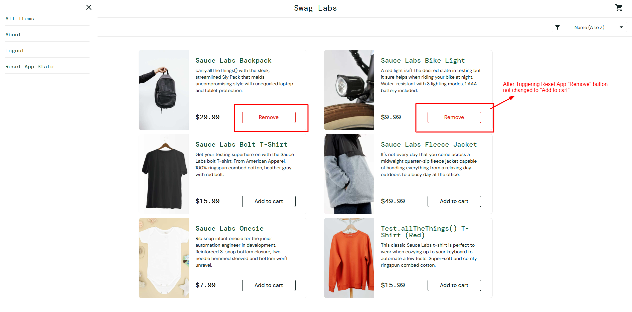
 |  |  |  |  |  |  |  |  |  |  |  | Alok Kumar
TC-SD-063 | Navigation | TS-SD-007 | Verify user can close sidebar menu | Sidebar menu is open | 1 | Login to SauceDemo | standard_user / secret_sauce | User should login successfully | User login successfully | Pass | Low | Alok Kumar
 |  |  |  |  | 2 | Click Menu (☰) button | N/A | Sidebar menu should open | Sidebar menu opened | Pass | Low | Alok Kumar
 |  |  |  |  | 3 | Click Close (X) button | N/A | Sidebar should close | Sidebar closed | Pass | Low | Alok Kumar
 |  |  |  |  | 4 | Verify Products page visibility | N/A | User should remain on Products page | User remained on Products page | Pass | Low | Alok Kumar

