Camera Case
Camera Scores
 |  | Bins | Frequency | Canon Score | Nikon Score
 |  | 0 to 49 | 0 | 66 | 59
 |  | 40 to 44 | 1 | 66 | 57
 |  | 45 to 49 | 3 | 65 | 56
1.06 |  | 50 to 54 | 6 | 62 | 56
 |  | 55 to 59 | 9 | 62 | 55
 |  | 60 to 64 | 11 | 61 | 53
Cofficient of variation | 11.1% | 65 to 69 | 6 | 60 | 53
 |  |  |  | 60 | 52
 |  |  |  | 59 | 50
 |  |  |  | 55 | 46
 |  |  |  | 52 | 45
 |  |  |  | 51 | 42
 |  |  |  | 46 | 61
 |  |  |  | 65 | 56
 |  |  |  | 63 | 60
 |  |  |  | 61 | 61
 |  |  |  |  | 59
 |  |  |  |  | 66
 |  |  |  |  | 65
 |  |  |  |  | 61
...
 |  | Bins | Frequency | Canon Score | Nikon Score
Cofficient of variation | 45.2%
...

Alok Notes
2 types of Inferences:
 | 1-Estimation
 | What is the connection between xbar (mean of Sample) and mu(mean of Population) . Between SD of sample(S) and SD of population(sigma)
 |  |  | Sample | Population
 |  | Mean | xbar | mu (μ)
 |  | SD | s | Sigma (σ)
 | 2-Hypothysis testing (not covered in class yet)
Cofficient of variation
 | SD/Mean. It gives the % SD is in context of Mean. SD is average distance from mean.
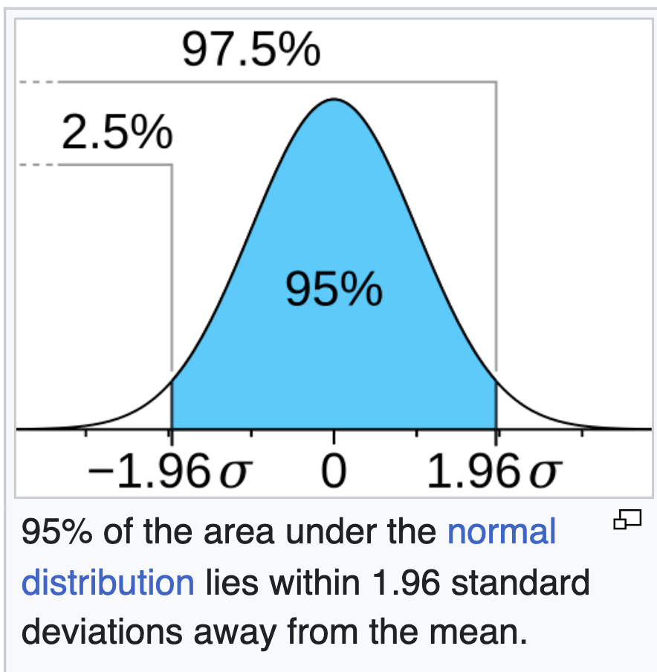
 | A value 11% means average distance from center is 11%
 | Usually around 33% cofficient of variation s considered high.

Center Limit Theoram(CT) | As per CLT, We'll always get a normal curve if we take multiple samples and plot their means. It's mean will be mu (μ)(mean of the population)
Standard Error. [Sigma (σ)/SQRT(n)] | SD of normal curve is Sigma (σ)/SQRT(n). This is called standard error. Here Sigma (σ) is SD of population that we want to calculate and n is Sample Size.

 | e.g. As per Center limit theoram,57.42 mean score(xbar) of cameras comes from a normal distribution whose center is population mean(mu).
 | As n increases the standard error will decrease. So bigger sample less standard error

Confidence interval | Quntifying the risk. Point Estimate +- Z score * Standard Error
 | To calculate the confidence interval , we need Standard errors and Z scores.
 | There are 2 cases , 1- We know the population SD Sigma (σ) 2-We don't know population SD Sigma (σ) |  |  |  | Probablilty | 0.0050 |  | 1%
Case 1 - Sigma (σ) known | Use z scores of Standard Normal Curve to calculate Confidence Interval. |  |  |  |  |  |  | 0.50% | 0.005
Case 2 - Sigma (σ) unknown | Use T scores of Student's T-Distribution to calculate Confidence Interval.

Z Score or standard score | Z score tells us How many SDs the value is from mean. (value-mean)/SD
 | e.g. Z-score of 1.96 means we go 1.96 SD away from Mean. This is a important point in standard normal and gives 95% confidence interval. |  |  |  |  | -2.5758293035 | 2.5758293035
 | P (-1.96<X<1.96) =95

Standard Normal Curve | For a Standard Normal curve , mean =0 and SD=1 so we need probability values.
 | e.g. Z score for 95% confidence level for a normal curve is, 97.5 percentile because we'll leave 2.5% on both sides to get middle 95% | 1.96 | https://en.wikipedia.org/wiki/97.5th_percentile_point |  |  | 2.50% | 0.025
 | In excel we have 2 formula for standard normal curve. 1-Norm.s.inv(probability)--> input probability and get Z score. 2-NORM.S.DIST(z, cumilative)--->input z score and get probability | (1.96)
 | Check-Calculate 90% z score in excel? | 0.97500210485

T- Distribution | T-Distribution is used when Sigma (σ) is unknown. One property of T-Distribution is Degree of Freedom which is n-1 where n is sample size.
 | T-Distribution is like Normal distribution for high values of n (n>30 onwards)
 | In excel we have formula for T-Distribution. 1-T.inv(probability,DOF)--> input probability and DOF and get T score.

 | T score for 95% confidence for a T curve is- (assuming number of samples=5 then degree of freedom will be n-1=4) | -2.7764451052 | 2.7764451052
...

Normal Distribution
 | Normal Tables
...
 | z | x | f(x) | F(x)
For any value -> |  | 7.00 | 0.000 | 1.000
 | -3.00 | -3.00 | 0.004 | 0.001
 | -2.90 | -2.90 | 0.006 | 0.002
 | -2.80 | -2.80 | 0.008 | 0.003
 | -2.70 | -2.70 | 0.010 | 0.003
Probability Density Function of Normal
 | f(x)
-3.00 | 0.004
-2.90 | 0.006
-2.80 | 0.008
-2.70 | 0.010
-2.60 | 0.014
-2.50 | 0.018
-2.40 | 0.022
-2.30 | 0.028
-2.20 | 0.035
-2.10 | 0.044
-2.00 | 0.054
-1.90 | 0.066
-1.80 | 0.079
-1.70 | 0.094
-1.60 | 0.111
-1.50 | 0.130
-1.40 | 0.150
-1.30 | 0.171
-1.20 | 0.194
-1.10 | 0.218
-1.00 | 0.242
-0.90 | 0.266
-0.80 | 0.290
-0.70 | 0.312
-0.60 | 0.333
-0.50 | 0.352
-0.40 | 0.368
-0.30 | 0.381
-0.20 | 0.391
-0.10 | 0.397
0.00 | 0.399
0.10 | 0.397
0.20 | 0.391
0.30 | 0.381
0.40 | 0.368
0.50 | 0.352
0.60 | 0.333
0.70 | 0.312
0.80 | 0.290
0.90 | 0.266
1.00 | 0.242
1.10 | 0.218
1.20 | 0.194
1.30 | 0.171
1.40 | 0.150
1.50 | 0.130
1.60 | 0.111
1.70 | 0.094
1.80 | 0.079
1.90 | 0.066
...
 | -2.60 | -2.60 | 0.014 | 0.005
 | -2.50 | -2.50 | 0.018 | 0.006
 | -2.40 | -2.40 | 0.022 | 0.008
 | -2.30 | -2.30 | 0.028 | 0.011
 | -2.20 | -2.20 | 0.035 | 0.014
 | -2.10 | -2.10 | 0.044 | 0.018
 | -2.00 | -2.00 | 0.054 | 0.023
 | -1.90 | -1.90 | 0.066 | 0.029
 | -1.80 | -1.80 | 0.079 | 0.036
 | -1.70 | -1.70 | 0.094 | 0.045
 | -1.60 | -1.60 | 0.111 | 0.055
 | -1.50 | -1.50 | 0.130 | 0.067
 | -1.40 | -1.40 | 0.150 | 0.081
 | -1.30 | -1.30 | 0.171 | 0.097
 | -1.20 | -1.20 | 0.194 | 0.115
 | -1.10 | -1.10 | 0.218 | 0.136
 | -1.00 | -1.00 | 0.242 | 0.159
 | -0.90 | -0.90 | 0.266 | 0.184
 | -0.80 | -0.80 | 0.290 | 0.212
 | -0.70 | -0.70 | 0.312 | 0.242
 | -0.60 | -0.60 | 0.333 | 0.274
 | -0.50 | -0.50 | 0.352 | 0.309
 | -0.40 | -0.40 | 0.368 | 0.345
 | -0.30 | -0.30 | 0.381 | 0.382
 | -0.20 | -0.20 | 0.391 | 0.421
 | -0.10 | -0.10 | 0.397 | 0.460
 | 0.00 | 0.00 | 0.399 | 0.500
 | 0.10 | 0.10 | 0.397 | 0.540
 | 0.20 | 0.20 | 0.391 | 0.579
 | 0.30 | 0.30 | 0.381 | 0.618
 | 0.40 | 0.40 | 0.368 | 0.655
 | 0.50 | 0.50 | 0.352 | 0.691
 | 0.60 | 0.60 | 0.333 | 0.726
...

t Distribution
 | t Distribution Tables
...
 | t | f(t) | F(t)
For any value -> | 2.22 | 0.053 | 0.943
 | -3.00 | 0.023 | 0.029
 | -2.90 | 0.025 | 0.031
 | -2.80 | 0.028 | 0.034
 | -2.70 | 0.031 | 0.037
Probability Density Function of t Distribution
 | f(t)
-3.00 | 0.023
-2.90 | 0.025
-2.80 | 0.028
-2.70 | 0.031
-2.60 | 0.035
-2.50 | 0.039
-2.40 | 0.043
-2.30 | 0.048
-2.20 | 0.054
-2.10 | 0.060
-2.00 | 0.068
-1.90 | 0.076
-1.80 | 0.085
-1.70 | 0.095
-1.60 | 0.107
-1.50 | 0.120
-1.40 | 0.134
-1.30 | 0.150
-1.20 | 0.168
-1.10 | 0.187
-1.00 | 0.207
-0.90 | 0.228
-0.80 | 0.250
-0.70 | 0.272
-0.60 | 0.293
-0.50 | 0.313
-0.40 | 0.331
-0.30 | 0.346
-0.20 | 0.358
-0.10 | 0.365
0.00 | 0.368
0.10 | 0.365
0.20 | 0.358
0.30 | 0.346
0.40 | 0.331
0.50 | 0.313
0.60 | 0.293
0.70 | 0.272
0.80 | 0.250
0.90 | 0.228
1.00 | 0.207
1.10 | 0.187
1.20 | 0.168
1.30 | 0.150
1.40 | 0.134
1.50 | 0.120
1.60 | 0.107
1.70 | 0.095
1.80 | 0.085
1.90 | 0.076
...
 | -2.60 | 0.035 | 0.040
 | -2.50 | 0.039 | 0.044
 | -2.40 | 0.043 | 0.048
 | -2.30 | 0.048 | 0.052
 | -2.20 | 0.054 | 0.058
 | -2.10 | 0.060 | 0.063
 | -2.00 | 0.068 | 0.070
 | -1.90 | 0.076 | 0.077
 | -1.80 | 0.085 | 0.085
 | -1.70 | 0.095 | 0.094
 | -1.60 | 0.107 | 0.104
 | -1.50 | 0.120 | 0.115
 | -1.40 | 0.134 | 0.128
 | -1.30 | 0.150 | 0.142
 | -1.20 | 0.168 | 0.158
 | -1.10 | 0.187 | 0.176
 | -1.00 | 0.207 | 0.196
 | -0.90 | 0.228 | 0.217
 | -0.80 | 0.250 | 0.241
 | -0.70 | 0.272 | 0.267
 | -0.60 | 0.293 | 0.295
 | -0.50 | 0.313 | 0.326
 | -0.40 | 0.331 | 0.358
 | -0.30 | 0.346 | 0.392
 | -0.20 | 0.358 | 0.427
 | -0.10 | 0.365 | 0.463
 | 0.00 | 0.368 | 0.500
 | 0.10 | 0.365 | 0.537
 | 0.20 | 0.358 | 0.573
 | 0.30 | 0.346 | 0.608
 | 0.40 | 0.331 | 0.642
 | 0.50 | 0.313 | 0.674
 | 0.60 | 0.293 | 0.705
...

Normal and TDistribution
 |  | DOF
 |  | 3
Z or t | Z_pdf | t_pdf
Standard Normal Distribution t-Distribution
 | Standard Normal | t-Distribution
-4 | 0.0001 | 0.0092
-3.9 | 0.0002 | 0.0100
-3.8 | 0.0003 | 0.0109
-3.7 | 0.0004 | 0.0119
-3.6 | 0.0006 | 0.0130
-3.5 | 0.0009 | 0.0142
-3.4 | 0.0012 | 0.0156
-3.3 | 0.0017 | 0.0171
-3.2 | 0.0024 | 0.0189
-3.1 | 0.0033 | 0.0208
-3 | 0.0044 | 0.0230
-2.9 | 0.0060 | 0.0254
-2.8 | 0.0079 | 0.0282
-2.7 | 0.0104 | 0.0312
-2.6 | 0.0136 | 0.0347
-2.5 | 0.0175 | 0.0387
-2.4 | 0.0224 | 0.0431
-2.3 | 0.0283 | 0.0481
-2.2 | 0.0355 | 0.0538
-2.1 | 0.0440 | 0.0602
-2 | 0.0540 | 0.0675
-1.9 | 0.0656 | 0.0757
-1.8 | 0.0790 | 0.0850
-1.7 | 0.0940 | 0.0954
-1.6 | 0.1109 | 0.1070
-1.5 | 0.1295 | 0.1200
-1.4 | 0.1497 | 0.1345
-1.3 | 0.1714 | 0.1504
-1.2 | 0.1942 | 0.1678
-1.1 | 0.2179 | 0.1866
-1 | 0.2420 | 0.2067
-0.9 | 0.2661 | 0.2279
-0.8 | 0.2897 | 0.2497
-0.7 | 0.3123 | 0.2716
-0.6 | 0.3332 | 0.2930
-0.5 | 0.3521 | 0.3132
-0.4 | 0.3683 | 0.3313
-0.3 | 0.3814 | 0.3465
-0.2 | 0.3910 | 0.3579
-0.1 | 0.3970 | 0.3651
0 | 0.3989 | 0.3676
0.1 | 0.3970 | 0.3651
0.2 | 0.3910 | 0.3579
0.3 | 0.3814 | 0.3465
0.4 | 0.3683 | 0.3313
0.5 | 0.3521 | 0.3132
0.6 | 0.3332 | 0.2930
0.7 | 0.3123 | 0.2716
0.8 | 0.2897 | 0.2497
0.9 | 0.2661 | 0.2279
...
-4 | 0.0001 | 0.0092
-3.9 | 0.0002 | 0.0100
-3.8 | 0.0003 | 0.0109
-3.7 | 0.0004 | 0.0119
-3.6 | 0.0006 | 0.0130
-3.5 | 0.0009 | 0.0142
-3.4 | 0.0012 | 0.0156
-3.3 | 0.0017 | 0.0171
-3.2 | 0.0024 | 0.0189
-3.1 | 0.0033 | 0.0208
-3 | 0.0044 | 0.0230
-2.9 | 0.0060 | 0.0254
-2.8 | 0.0079 | 0.0282
-2.7 | 0.0104 | 0.0312
-2.6 | 0.0136 | 0.0347
-2.5 | 0.0175 | 0.0387
-2.4 | 0.0224 | 0.0431
-2.3 | 0.0283 | 0.0481
-2.2 | 0.0355 | 0.0538
-2.1 | 0.0440 | 0.0602
-2 | 0.0540 | 0.0675
-1.9 | 0.0656 | 0.0757
-1.8 | 0.0790 | 0.0850
-1.7 | 0.0940 | 0.0954
-1.6 | 0.1109 | 0.1070
-1.5 | 0.1295 | 0.1200
-1.4 | 0.1497 | 0.1345
-1.3 | 0.1714 | 0.1504
-1.2 | 0.1942 | 0.1678 | 1.25 | 0.8944
-1.1 | 0.2179 | 0.1866 | 1.25
-1 | 0.2420 | 0.2067
...
 |  | DOF
 | 0.3970 | 0.3651
 | 0.3910 | 0.3579
 | 0.3814 | 0.3465
 | 0.3683 | 0.3313
 | 0.3521 | 0.3132
 | 0.3332 | 0.2930
 | 0.3123 | 0.2716
 | 0.2897 | 0.2497
 | 0.2661 | 0.2279
 | 0.2420 | 0.2067
-4 | 0.0001
-3.9 | 0.0002
-3.8 | 0.0003
-3.7 | 0.0004
-3.6 | 0.0006
-3.5 | 0.0009
-3.4 | 0.0012
-3.3 | 0.0017
-3.2 | 0.0024
-3.1 | 0.0033
-3 | 0.0044
-2.9 | 0.0060
-2.8 | 0.0079
-2.7 | 0.0104
-2.6 | 0.0136
-2.5 | 0.0175
-2.4 | 0.0224
-2.3 | 0.0283
-2.2 | 0.0355
-2.1 | 0.0440
-2 | 0.0540
-1.9 | 0.0656
-1.8 | 0.0790
-1.7 | 0.0940
-1.6 | 0.1109
-1.5 | 0.1295
-1.4 | 0.1497
-1.3 | 0.1714
-1.2 | 0.1942
-1.1 | 0.2179
-1 | 0.2420
-0.9 | 0.2661
-0.8 | 0.2897
-0.7 | 0.3123
-0.6 | 0.3332
-0.5 | 0.3521
-0.4 | 0.3683
-0.3 | 0.3814
-0.2 | 0.3910
-0.1 | 0.3970
0 | 0.3989
0.1 | 0.3970
0.2 | 0.3910
0.3 | 0.3814
0.4 | 0.3683
0.5 | 0.3521
0.6 | 0.3332
0.7 | 0.3123
0.8 | 0.2897
0.9 | 0.2661
...
 | 0.2179 | 0.1866
 | 0.1942 | 0.1678
 | 0.1714 | 0.1504
 | 0.1497 | 0.1345
 | 0.1295 | 0.1200
 | 0.1109 | 0.1070
 | 0.0940 | 0.0954
 | 0.0790 | 0.0850
 | 0.0656 | 0.0757
 | 0.0540 | 0.0675
 | 0.0440 | 0.0602
 | 0.0355 | 0.0538
 | 0.0283 | 0.0481
 | 0.0224 | 0.0431
 | 0.0175 | 0.0387
 | 0.0136 | 0.0347
 | 0.0104 | 0.0312
 | 0.0079 | 0.0282
 | 0.0060 | 0.0254
 | 0.0044 | 0.0230
 | 0.0033 | 0.0208
 | 0.0024 | 0.0189
 | 0.0017 | 0.0171
 | 0.0012 | 0.0156
 | 0.0009 | 0.0142
...

