Notes
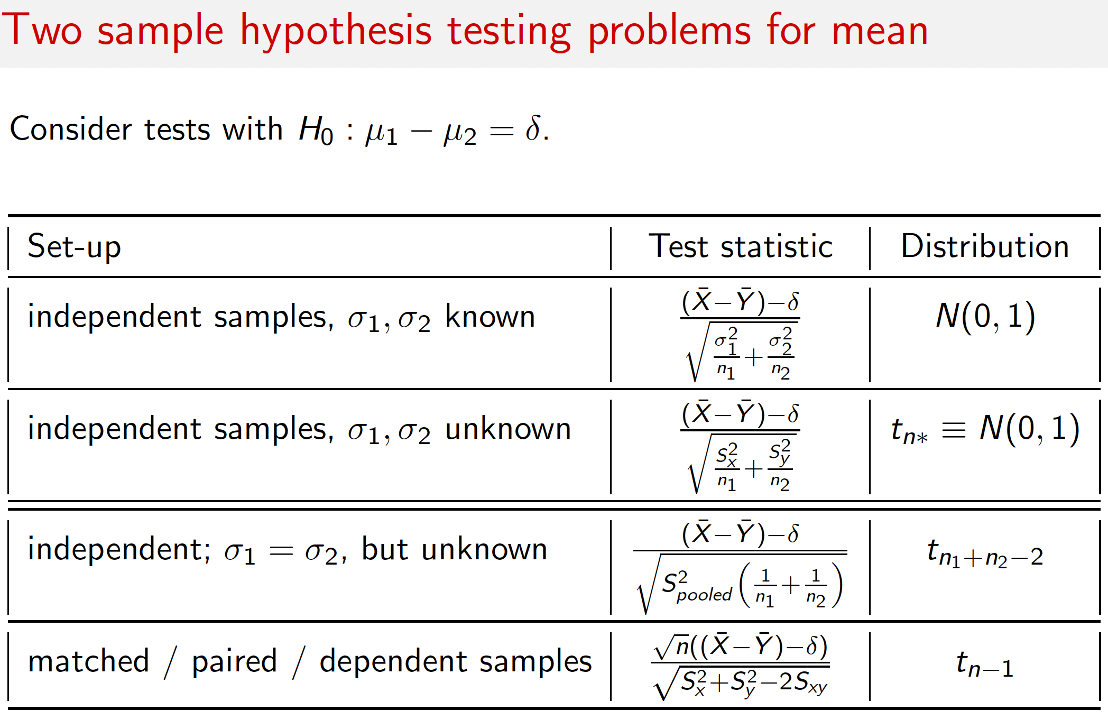
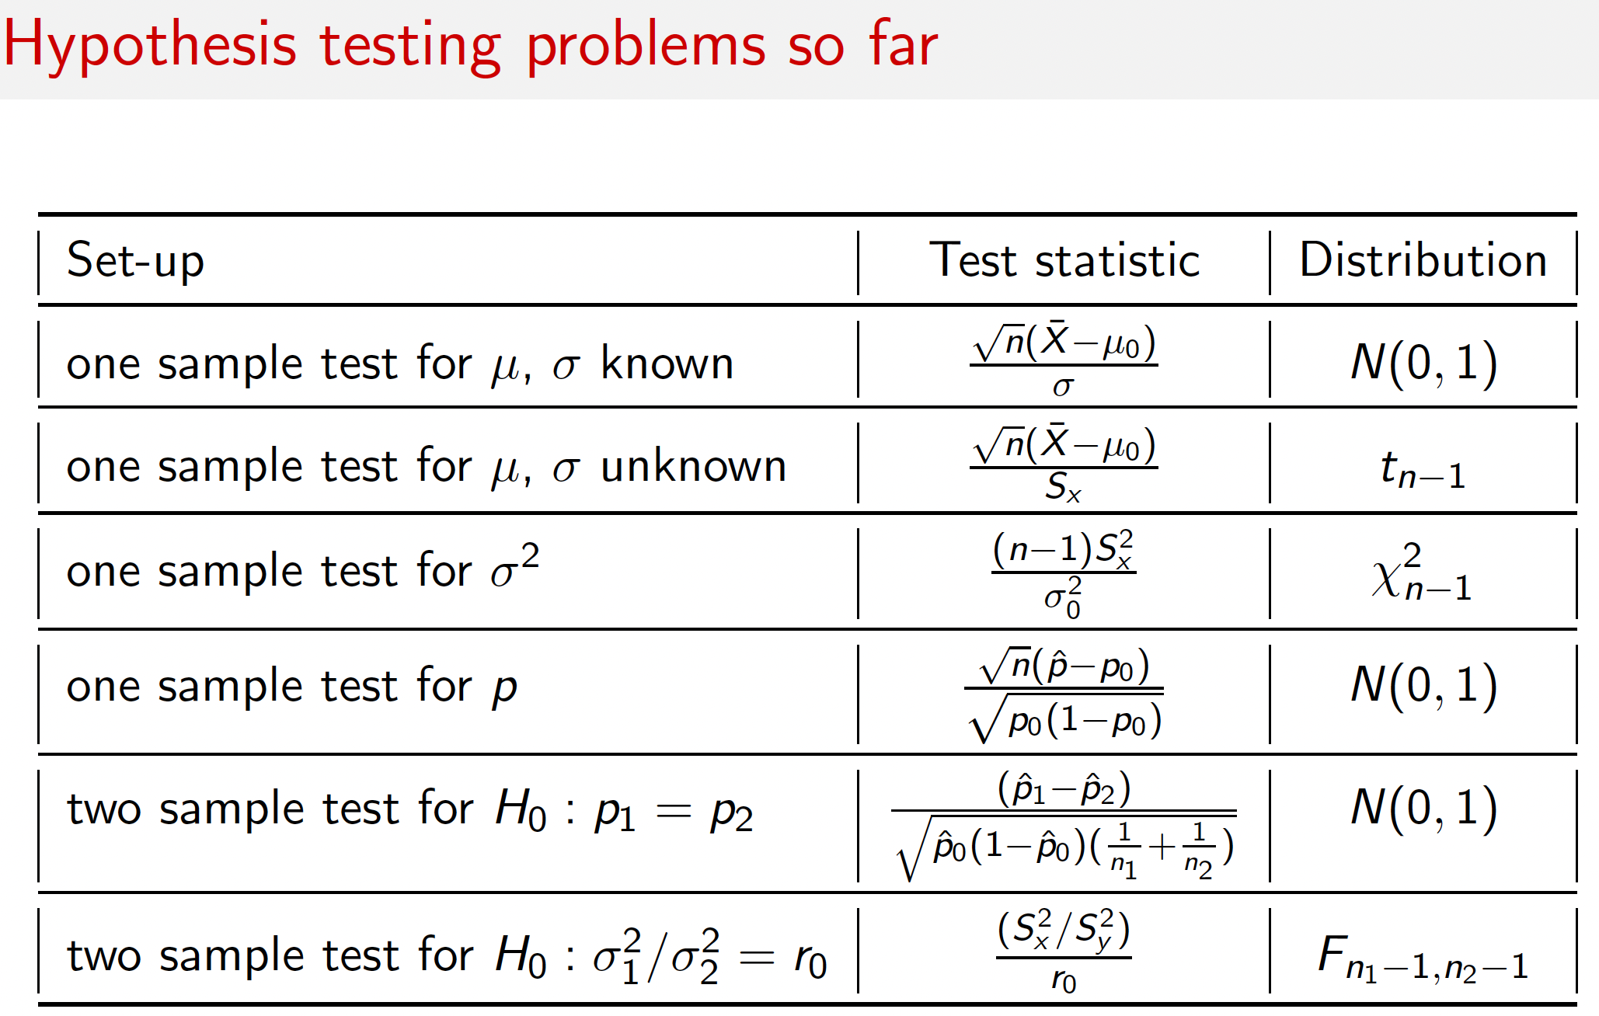
Hypothesis Tetsting
 | NULL Hypothesis Ho -> represents the current thinking or status quo. Theory that needs to be disproved.
 | Alternate Hypothesis Ha->Hypothesis which needs to be proved. |  |  |  |  |  |  |  | Questions | In python which library is generally used for Estimation? Is it scipy.stats

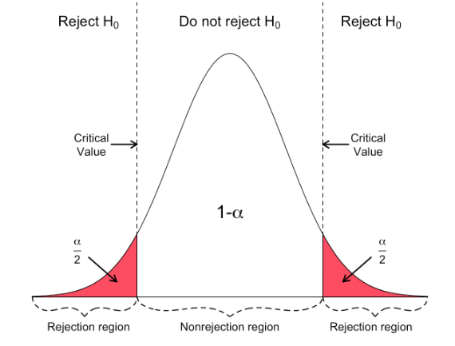
TERMINOLOGIES
 | One tailed and two Tailed tests-> supported by evidences only in single direction and supported by evidences in both directions. < or > is one tailed test. != is two tailed test.

 | Type 1 error or Type 2 error--> Null hypothesis is true and rejected. (type1) Null hypothesis is false and acccpted. (type 2)
 | Type 1 error (alpha or level of significance) -Switching to new style when it is no better than old style
 | Type 2 Error | Staying with old style when new style is better
 | Type 1 errors have high cost as existing setup needs to be changed .

 | how strong the evidence in favor of the alternative hypothesis must be to reject the null hypothesis? There are 2 ways to solve it-
 | Significance Level | Type 1 error you're okay to make. Typically 5%. Once we've defined the significance level , we'll check if our sample lies in rejection region (apprach1) or we'll check the probability of finding the sample that we've found among all possible samples assuing Ho is true. If this is low means we've found a rare sample and Ho is not true.

 | 1-Rejection Region | Region in graph for a given alpha

 | 2-P-value -The p-value is the probability of seeing the observed sample, given that the null hypothesis is true.
 | Less P-value means obseved sample when Ho is true is rare so Ha is true.

 | Power of test | probability that analysis can proof Ha thus avoid the Type 2 error. Power=1- P(type2 error)

Approach of HT for Means
 | Based on the sample mean and population mean, find Z score =(xbar-u)/Satndard Error |  |  |  |  |  | Here, we take difference because we're dealing with means.
 | Again, for SE, SD of pupulation may be known or not known. We'll use T curve if population SD is not known.

 | 1st way Rejection Region->See if Zscore in rejection region or not.
 | 2nd way(p value)-Calculating P value for a given score, depends upon curve, curve can be normal or T distribution or any other such as chi.
 |  | =NORM.S.DIST(z,cumilative)
 |  | =T.DIST.2T(tscore,dof) |  | two tails
 |  | =T.DIST.RT(tscore, dof) |  | one tail

Proportions Properties | A proportion is the percent, fraction, or ratio of a sample or population that have a characteristic of interest. The population proportion is denoted by p and the sample proportion is denoted by p^
 | Proportion=x(# items with interest/n(total items in sample) -->e.g. let's say out of 100 people sampled 30 have brown eyes then proportion of brown eyes will be p^=30/100
 | As per CLT, distribution of proportions wll be Normal. |  |  |  |  |  |  |  |  |  |  |  | https://www.youtube.com/watch?v=Br067hrasc8
 | Mean or expected value of sample disribution =p (proportion of population) and SD of distributon(called Standard Error) =sqrt(p*(1-p)/n )
 | Binomial Distribution should also be read to get a clear understanding, no notes here.
 | Zscore will be = (p^-p)/ SE= p^-p/sqrt(p*(1-p)/n)
 | https://ecampusontario.pressbooks.pub/introstats/chapter/6-3-sampling-distribution-of-the-sample-proportion/
 |  |  |  |  |  |  |  |  |  |  | Symbol | Description
Approach of HT for Proportions |  |  |  |  |  |  |  |  |  |  | Ho (H not) | Null hypothyis
 | Find Z score by (p^-p)/SE or p^-p/sqrt(p*(1-p)/n) |  |  |  |  |  |  |  |  |  | Ha (h Alternate) | Alternate Hypothysis
 | Find P value using '=NORM.S.DIST(z,cumilative) |  |  |  |  |  |  |  |  |  | α (Alpha) | Level of Significance/Type1 error
 | Define level of significance. |  |  |  |  |  |  |  |  |  | p^ (p hat) | Proportion of Sample
 | Decide weather to reject Ho or not, if p value is less than alpha, reject Ho else accept. |  |  |  |  |  |  |  |  |  | p | Proportion of Population
 |  |  |  |  |  |  |  |  |  |  | S2(S Squared) | Sample Variance
 | Skipped Differece between 2 population mean. |  |  |  |  |  |  |  |  |  | σ2 (Sigma squared) | Population Variance

Approach of HT for Variance
 | Sample Variance distribution doesn't follow Normal Curve but Chi squared curve. |  |  |  |  |  | recording timestamp -40.45 mins
 | Degrees of freedom of chi square curve is als the mean of chisq curve.
 | (n-1)*S2/sigma2 | This is distribution of S2, which is achi square curve. Solving this for a given s2 and sigma2 will give me probability using formula '=CHISQ.DIST.RT(x,dof)
 |  | =CHISQ.DIST.RT(x,dof) |  | Here, we take ratio because we're dealing with Variances.
 | Variance distribution follows the chi square curve but SD doesn't, so always do calculation for variance

-------------------------------- | -------------------------------- | -------------------------------- | -------------------------------- |  | -------------------------------- | --------------------------------
 |  |  |  |  |  |  | recording timestamp -1hour, 17 mins
Two Sample Tests
 | When we deal with means we take difference and when we deal with variance we take ratios.
 | Variabilities always gets added.
 | Mean Differences-u1-u2
 | procedure for 1 sample is xbar-u/SE gives z score, where SE is sqrt(sigma^2/n)
 | For 2 samples, we're interested in figuring out if u1=u2 e.g. Avg sales from 2 campains are same or not. So Ho=u1-u2=0 and Ha =u1!=u2

 | test procedure z score will be (x1bar-x2bar)-(u1-u2)/SE
 | u1-u2 =0 for Ho
 | SE = sqrt(sigma1^2/n1+sigma2^2/n2)
 | so, Z score will be-(x1bar-x2bar)-0/sqrt(sigma1^2/n1+sigma2^2/n2) |  |  |  |  | If sigma is unknown then T curve will be uised.

 | Variance ratios S1^2/S2^2
 | Ho=Sigma1^2/Sigma2^2=1, this is generally theform of nul hypothysis
 | Sampling distribution of first is S1^2/Sigma1^2*(n1-1) , a chi square curve
 | Sampling distribution of second is S2^2/Sigma2^2*(n2-1), another chi square curve

 | Combining means S1^2/S2^2, which is ratio of 2 chi square distribution. It's called a F-Distribution. It has 2 degrees of freedom.

 | Ratio Tests for 2 samples …called AB Testing. This is actually a two-sample problem for proportion comparison.
 | Ratio testing for 2 samples is also called as AB testing. Procedure is just like testing for mean. Very popular in healthcare.
 | Create 2 population. 1- Control group 2- Treatment Group
 | Control Group - receives current state e.g. existing medicine. Treatment Group- Receives new drug
 | Objective is to check if there is significant diference in conversion rate of 2 populations.
 | Conversion rate can be- prportion of people recoring from drug or number of clicks in a marketing campain for 2 different populations
 | Typically, Ho will be p1-p2=0 (Both groups have same conversion rate) and Ha will be P1-P2>0 (some group has better conversion rate)

 | SE can be calculated as - p1(1-P1)/n1 and p2(1-P2)/n2 and z score can be found
 | A morepowerful test can be-
 | calculate a common p from p1 and p2 using formula- (n1p1+n2p2)/(n1+n2). which is weighted average of p1 and p2 because our null hypothysis says p1=p2
 | Then SE | sqrt( p(1-p)(1/n1+1/n2) )
 | p1-p2-0 /SE will give z score

 |  |  |  |  |  |  |  | We have inbuilt excel functions for this in Data analytics pack
 |  |  |  |  |  |  |  | Test Variable | Test Name
 |  |  |  |  |  |  |  | Mean for 2 Samples | Z test- when variance of both samples is known. Paired Samples is done when , samples are not independent. 2 sample assuming Unequal Variance- when variance is unknown and unequal. 2 sample assuming equal Variance- when variance is known and equal. | 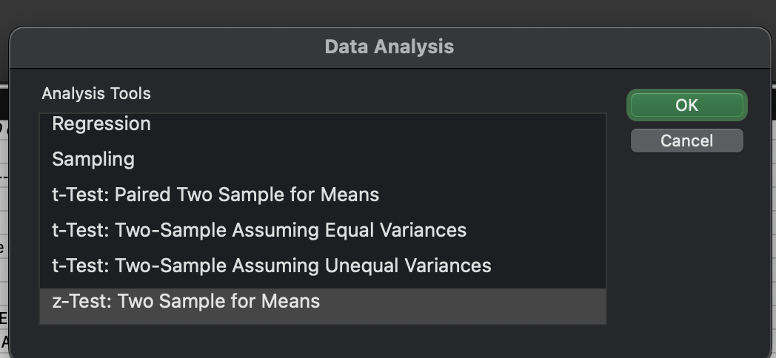
 |  |  |  |  |  |  |  | Variance for 2 Samples | F test for 2 Sample Variance
 |  |  |  |  |  |  |  | Ratio of 2 samples | A B testing

 | End Time Stamp of 1st half-2.22.41

