Notes
Hypothesis Tetsting
 | NULL Hypothesis Ho -> represents the current thinking or status quo. Theory that needs to be disproved.
 | Alternate Hypothesis Ha->Hypothesis which needs to be proved. |  |  | Questions | In python which library is generally used for Estimation? Is it scipy.stats

TERMINOLOGIES
 | One tailed and two Tailed tests-> supported by evidences only in single direction and supported by evidences in both directions. < or > is one tailed test. != is two tailed test.
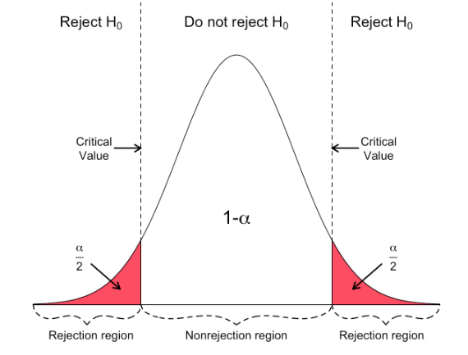
 | Type 1 error or Type 2 error--> Null hypothesis is true and rejected. (type1) Null hypothesis is false and acccpted. (type 2)
 | Type 1 error (alpha or level of significance) -Switching to new style when it is no better than old style
 | Type 2 Error | Staying with old style when new style is better
 | Type 1 errors have high cost as existing setup needs to be changed .

 | how strong the evidence in favor of the alternative hypothesis must be to reject the null hypothesis? There are 2 ways to solve it-
 | Significance Level | Type 1 error you're okay to make. Typically 5%. Once we've defined the significance level , we'll check if our sample lies in rejection region (apprach1) or we'll check the probability of finding the sample that we've found among all possible samples assuing Ho is true. If this is low means we've found a rare sample and Ho is not true.

 | 1-Rejection Region | Region in graph for a given alpha

 | 2-P-value -The p-value is the probability of seeing the observed sample, given that the null hypothesis is true.
 | Less P-value means obseved sample when Ho is true is rare so Ha is true.

 | Power of test | probability that analysis can proof Ha thus avoid the Type 2 error. Power=1- P(type2 error)

Approach of HT for Means
 | Based on the sample mean and population mean, find Z score =(xbar-u)/Satndard Error
 | Again, for SE, SD of pupulation may be known or not known. We'll use T curve if population SD is not known.

 | 1st way Rejection Region->See if Zscore in rejection region or not.
 | 2nd way(p value)-Calculating P value for a given score, depends upon curve, curve can be normal or T distribution or any other such as chi.
 |  | =NORM.S.DIST(z,cumilative)
 |  | =T.DIST.2T(tscore,dof) | two tails
 |  | =T.DIST.RT(tscore, dof) | one tail

