Coefficient
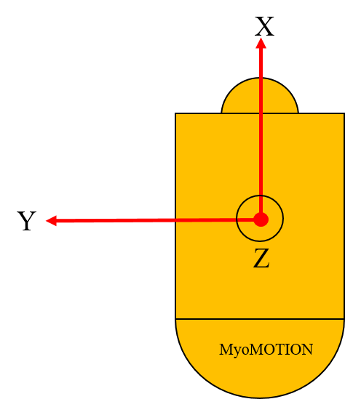
Noraxon data random forest model |  |  |  | IoT data random forest model
Left foot coefficient |  | Right foot coefficient |  | Left foot coefficient |  | Right foot coefficient
RMACx | 0.25554796527 | LLACx | 0.25939072054 | LMGYz | 0.40692032011 | RLGYz | 0.26682262522
RLACz | 0.082405772026 | LLGYz | 0.13062284027 | RankleWid | 0.12693959309 | height | 0.17367401914
RLGYy | 0.065550015265 | RankleWid | 0.10705531994 | RLGYz | 0.081321617604 | LMGYz | 0.074287490626
LMGYz | 0.050860476788 | LMACy | 0.045657781754 | Rleglen | 0.044342965904 | RLGYx | 0.052949181408
LLGYz | 0.044063083066 | RLGYz | 0.040679502413 | RLACy | 0.034744269015 | RLACy | 0.033113016476
height | 0.036252036211 | LkneeWid | 0.035811990542 | LMACx | 0.023479981713 | RankleWid | 0.029580384749
RankleWid | 0.035756767655 | LLACz | 0.030048173505 | RLACx | 0.022667241146 | LMACx | 0.025711988155
Rleglen | 0.033764641649 | RMGYz | 0.030034020052 | LMGYx | 0.022079203374 | RLACx | 0.024431668174
RMGYy | 0.033176858288 | LLACy | 0.026862380885 | RMGYz | 0.020528792629 | LMGYx | 0.024057239895
RMGYz | 0.027344953106 | RMACx | 0.025738809685 | LLACx | 0.019396940938 | RMGYz | 0.022724228926
LkneeWid | 0.026317366384 | LMACx | 0.023383702253 | LMGYy | 0.016991568291 | LMGYy | 0.020634348395
mass | 0.025835033126 | LMGYz | 0.022933907971 | LLGYy | 0.013967926913 | age | 0.020573491302
LLACx | 0.019961798086 | RMACy | 0.022298460963 | RMGYx | 0.013803845486 | RLGYy | 0.018977556112
RMACy | 0.019324101498 | Rleglen | 0.020995593464 | LLGYx | 0.011816016796 | LLGYz | 0.017733446516
RMACz | 0.018666603699 | RLACy | 0.016216696141 | LLGYz | 0.010801570676 | mass | 0.015855104151
LMACy | 0.017366026247 | LLGYx | 0.014027786266 | RLGYy | 0.010354389816 | LLACy | 0.015017541119
RLGYz | 0.017327318758 | LLGYy | 0.013886242625 | LLACz | 0.010004724916 | LMACy | 0.013929671596
LLGYy | 0.017229959545 | RLACx | 0.013400998875 | RLGYx | 0.0099264162349 | RMACx | 0.012974505175
RLACy | 0.016625835978 | RLGYy | 0.012803188536 | LMACy | 0.009496004634 | LLGYy | 0.012935435487
RMGYx | 0.016591533641 | RLACz | 0.012652028264 | RLACz | 0.0093266299023 | LLACx | 0.012710073314
RkneeWid | 0.015422377032 | LMGYy | 0.011704273498 | RMACz | 0.0092266490796 | Lleglen | 0.011484822069
RLGYx | 0.014820901155 | RLGYx | 0.011134064091 | RMACy | 0.0089326608918 | RMGYx | 0.011217656648
LMACx | 0.014531776754 | RkneeWid | 0.010207450198 | RMGYy | 0.0087471398987 | LankleWid | 0.011109534112
Lleglen | 0.013940119555 | LankleWid | 0.0087485785934 | LLACy | 0.0076895477508 | LLACz | 0.01081673961
LLGYx | 0.011508102016 | RMGYy | 0.0085079789906 | RMACx | 0.0070549896258 | RMGYy | 0.0099819174644
LLACy | 0.010624565654 | LMACz | 0.0078721328362 | LMACz | 0.0069021809081 | LLGYx | 0.0095354049068
LMGYy | 0.010213767343 | LMGYx | 0.0078622856188 | RkneeWid | 0.0057940661612 | LMACz | 0.0086848233722
RLACx | 0.0093798036486 | RMGYx | 0.0071832026325 | age | 0.0050820085759 | RLACz | 0.0086110840566
LLACz | 0.0088064275838 | RMACz | 0.0054825948519 | LankleWid | 0.0049449359059 | RMACy | 0.0078231882277
LMACz | 0.0078035319231 | age | 0.0053308012312 | mass | 0.004619518784 | Rleglen | 0.0075063564708
age | 0.0076564548649 | mass | 0.0050009839359 | Lleglen | 0.0038857371191 | RMACz | 0.0073060684903
LMGYx | 0.0072106224561 | height | 0.0030313942754 | height | 0.0036680771412 | LkneeWid | 0.0041389386722
LankleWid | 0.0051297641458 | Lleglen | 0.002921450852 | LkneeWid | 0.0020880496912 | RkneeWid | 0.0025315324186
gender_F | 0.002142198363 | gender_M | 0.00031283001936 | gender_F | 0.0019573236529 | gender_F | 0.00033260916576
gender_M | 0.0008414412183 | gender_F | 0.00019983343435 | gender_M | 0.00049709562775 | gender_M | 0.00022630837587

