Coefficient
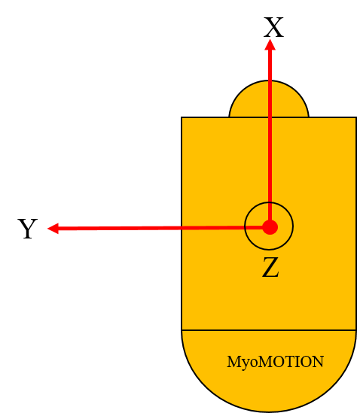
Noraxon Right foot
Noraxon data random forest model |  |  |  | IoT data random forest model
Right foot coefficient |  | Left foot coefficient |  | Right foot coefficient |  | Left foot coefficient
LLACx | 0.25939072054 | RMACx | 0.25554796527 | RLGYz | 0.26682262522 | LMGYz | 0.40692032011
LLGYz | 0.13062284027 | RLACz | 0.082405772026 | height | 0.17367401914 | RankleWid | 0.12693959309
RankleWid | 0.10705531994 | RLGYy | 0.065550015265 | LMGYz | 0.074287490626 | RLGYz | 0.081321617604
LMACy | 0.045657781754 | LMGYz | 0.050860476788 | RLGYx | 0.052949181408 | Rleglen | 0.044342965904
RLGYz | 0.040679502413 | LLGYz | 0.044063083066 | RLACy | 0.033113016476 | RLACy | 0.034744269015
LkneeWid | 0.035811990542 | height | 0.036252036211 | RankleWid | 0.029580384749 | LMACx | 0.023479981713
Noraxon Left foot
LLACz | 0.030048173505 | RankleWid | 0.035756767655 | LMACx | 0.025711988155 | RLACx | 0.022667241146
RMGYz | 0.030034020052 | Rleglen | 0.033764641649 | RLACx | 0.024431668174 | LMGYx | 0.022079203374
LLACy | 0.026862380885 | RMGYy | 0.033176858288 | LMGYx | 0.024057239895 | RMGYz | 0.020528792629
RMACx | 0.025738809685 | RMGYz | 0.027344953106 | RMGYz | 0.022724228926 | LLACx | 0.019396940938
LMACx | 0.023383702253 | LkneeWid | 0.026317366384 | LMGYy | 0.020634348395 | LMGYy | 0.016991568291
LMGYz | 0.022933907971 | mass | 0.025835033126 | age | 0.020573491302 | LLGYy | 0.013967926913
RMACy | 0.022298460963 | LLACx | 0.019961798086 | RLGYy | 0.018977556112 | RMGYx | 0.013803845486
Rleglen | 0.020995593464 | RMACy | 0.019324101498 | LLGYz | 0.017733446516 | LLGYx | 0.011816016796
RLACy | 0.016216696141 | RMACz | 0.018666603699 | mass | 0.015855104151 | LLGYz | 0.010801570676
LLGYx | 0.014027786266 | LMACy | 0.017366026247 | LLACy | 0.015017541119 | RLGYy | 0.010354389816
IoT Right foot
LLGYy | 0.013886242625 | RLGYz | 0.017327318758 | LMACy | 0.013929671596 | LLACz | 0.010004724916
RLACx | 0.013400998875 | LLGYy | 0.017229959545 | RMACx | 0.012974505175 | RLGYx | 0.0099264162349
RLGYy | 0.012803188536 | RLACy | 0.016625835978 | LLGYy | 0.012935435487 | LMACy | 0.009496004634
RLACz | 0.012652028264 | RMGYx | 0.016591533641 | LLACx | 0.012710073314 | RLACz | 0.0093266299023
LMGYy | 0.011704273498 | RkneeWid | 0.015422377032 | Lleglen | 0.011484822069 | RMACz | 0.0092266490796
RLGYx | 0.011134064091 | RLGYx | 0.014820901155 | RMGYx | 0.011217656648 | RMACy | 0.0089326608918
RkneeWid | 0.010207450198 | LMACx | 0.014531776754 | LankleWid | 0.011109534112 | RMGYy | 0.0087471398987
LankleWid | 0.0087485785934 | Lleglen | 0.013940119555 | LLACz | 0.01081673961 | LLACy | 0.0076895477508
RMGYy | 0.0085079789906 | LLGYx | 0.011508102016 | RMGYy | 0.0099819174644 | RMACx | 0.0070549896258
IoT Left foot
LMACz | 0.0078721328362 | LLACy | 0.010624565654 | LLGYx | 0.0095354049068 | LMACz | 0.0069021809081
LMGYx | 0.0078622856188 | LMGYy | 0.010213767343 | LMACz | 0.0086848233722 | RkneeWid | 0.0057940661612
RMGYx | 0.0071832026325 | RLACx | 0.0093798036486 | RLACz | 0.0086110840566 | age | 0.0050820085759
RMACz | 0.0054825948519 | LLACz | 0.0088064275838 | RMACy | 0.0078231882277 | LankleWid | 0.0049449359059
age | 0.0053308012312 | LMACz | 0.0078035319231 | Rleglen | 0.0075063564708 | mass | 0.004619518784
mass | 0.0050009839359 | age | 0.0076564548649 | RMACz | 0.0073060684903 | Lleglen | 0.0038857371191
height | 0.0030313942754 | LMGYx | 0.0072106224561 | LkneeWid | 0.0041389386722 | height | 0.0036680771412
Lleglen | 0.002921450852 | LankleWid | 0.0051297641458 | RkneeWid | 0.0025315324186 | LkneeWid | 0.0020880496912
gender_M | 0.00031283001936 | gender_F | 0.002142198363 | gender_F | 0.00033260916576 | gender_F | 0.0019573236529
gender_F | 0.00019983343435 | gender_M | 0.0008414412183 | gender_M | 0.00022630837587 | gender_M | 0.00049709562775

