00_Visual_Flow
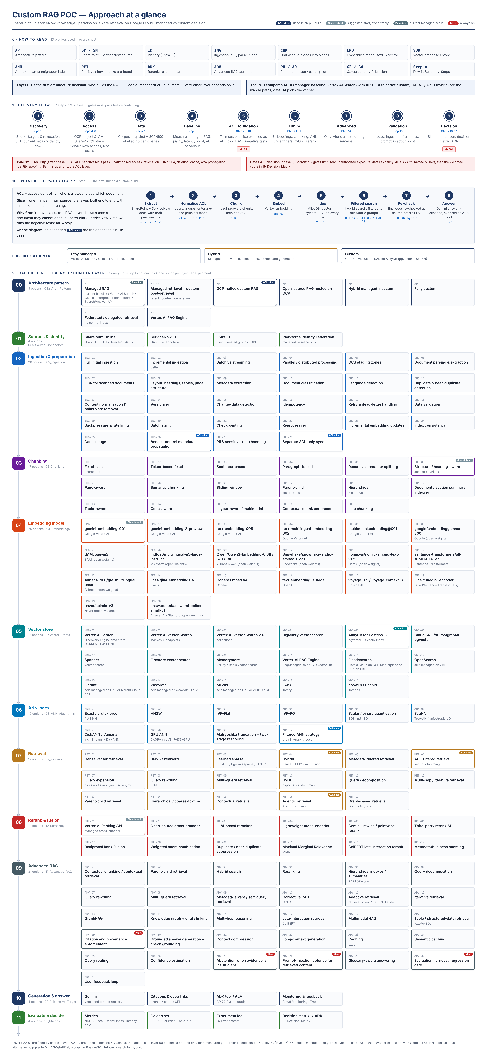

Open a layer's detail sheet
00 Architecture pattern | 03a_Arch_Patterns ↗
01 Sources & identity | 05a_Source_Connectors ↗
02 Ingestion & preparation | 05_Ingestion ↗
03 Chunking | 06_Chunking ↗
04 Embedding model | 04_Embeddings ↗
05 Vector store | 07_Vector_Stores ↗
06 ANN index | 08_ANN_Algorithms ↗
07 Retrieval | 09_Retrieval ↗
08 Rerank & fusion | 10_Reranking ↗
09 Advanced RAG | 11_Advanced_RAG ↗
10 Generation & answer | 02_Existing_vs_Target ↗
11 Evaluate & decide | 15_Metrics ↗

