Clinical_analysis
DERMAI | CLINICAL & RISK FACTOR ANALYSIS
Better insight. Earlier detection. healthier tomorrow

Cjm
1,088
346
742
31.8%
Total Records
Non Cancerous Lesions
Cancerous Rate
Cancerous Lesions
0
Cancer Rate by Risk Factor Exposure
 | yes exposure | No Exposure
smoking | 75.8% | -29.14%
Drinking | 71.0% | -26.11%
pesticide | 70.0% | -21.97%
Top 10 Regions by Cancerous Rate
 | Total
NOSE | 69.1%
LIP | 57.1%
NECK | 54.1%
EAR | 53.1%
CHEST | 41.9%
FACE | 36.7%
BACK | 36.2%
THIGH | 25.7%
ARM | 25.0%
HAND | 12.7%

Average Lesion Diameter by Diagnosis
 | Total
Melanoma | 14.1
Squamous cell carcinoma | 10.5
Basal cell carcinoma | 10.0
Actinic keratosis | 2.6
Seborreic keratosis | 0.8
Melanocytic nevus | 0.7
Cancer Rate by Skin Cancer History
No History | 21.9%
History | 70.1%

Executive_overview
DERMAI | SKIN CANCER CLINICAL ANALYTICS
Better insight. Earlier detection. healthier tomorrow

1,088
346
742
31.8%
Total Records
Non Cancerous Lesions
Cancerous Rate
Cancerous Lesions
0
Diagnosis Distribution
 | Total
Actinic keratosis | 461
Basal cell carcinoma | 273
Melanocytic nevus | 144
Seborreic keratosis | 137
Squamous cell carcinoma | 56
Melanoma | 17
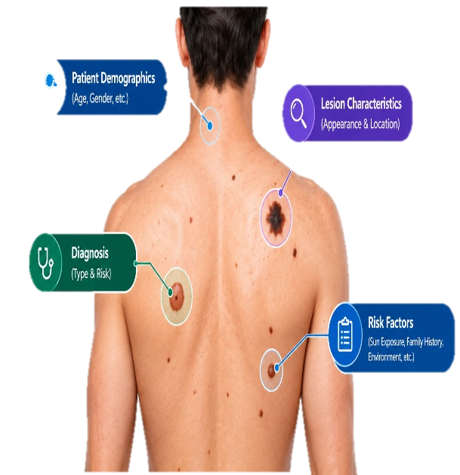
Click Risk Factor to explore clinical analysis factors.
Lesion Distribution
 | Total
Cancerous | 346
Non-cancerous | 742

Demographics
Diagnosis

Risk Factors
Cancer Rate By Age Group
 | Total
Elderly | 36.6%
Older Adult | 33.7%
Middle Age | 20.3%
Young Adult | 3.5%
Cancer Rate by Gender
 | Total
FEMALE | 43.4%
MALE | 26.0%
Lesion Characteristics

Sheet5
Row Labels | Average of cancerous_flag | risk factor | no exposure | yes exposure | no exposure(left) | Row Labels | Average of cancerous_flag
f | 29.1% | smoking | 29.1% | 75.8% | -29.14% | f | 21.9% | No History | 21.9%
t | 75.8% | Drinking | 26.1% | 71.0% | -26.11% | t | 70.1% | History | 70.1% | Row Labels | Average of cancerous_flag
Grand Total | 31.8% | pesticide | 22.0% | 70.0% | -21.97% | Grand Total | 31.8% |  |  | NOSE | 69.1%
 |  |  |  |  |  |  |  |  |  | LIP | 57.1%
 |  |  |  |  |  |  |  |  |  | NECK | 54.1%
Cancer Rate by Skin Cancer History
 |  |  |  |  |  |  |  | Row Labels | Average of mean_diameter | EAR | 53.1%
Row Labels | Average of cancerous_flag |  |  |  |  |  |  | Melanoma | 14.1 | CHEST | 41.9%
f | 26.1% |  |  |  |  |  |  | Squamous cell carcinoma | 10.5 | FACE | 36.7%
t | 71.0% |  |  |  |  |  |  | Basal cell carcinoma | 10.0 | BACK | 36.2%
Grand Total | 31.8% |  |  |  |  |  |  | Actinic keratosis | 2.6 | THIGH | 25.7%
 |  |  |  |  |  |  |  | Seborreic keratosis | 0.8 | ARM | 25.0%
 |  |  |  |  |  |  |  | Melanocytic nevus | 0.7 | HAND | 12.7%
Row Labels | Average of cancerous_flag |  |  |  |  |  |  | Grand Total | 4.6 | Grand Total | 38.3%
f | 22.0%
t | 70.0%
Grand Total | 31.8%

