xyza
 | x
6560.29 | 2462.12
1652.66 | 14230.71
3801.06 | 8847.76
9442.32 | 8829.03
7903.16 | 12576.52
11617.75 | 14663.98
12830.08 | 10115.18
11221.94 | 12225.89
3471.93 | 12988.33
13933.42 | 13228.44
12022.64 | 9082.89
10468.54 | 2373.16
2725.48 | 5288.75
15360 | 15360
1033.66 | 12326.65
5987.66 | 3245.5
5302.5 | 2894.67
5675 | 2583
5500 | 5500
4000.5 | 3600.78
0 | 0
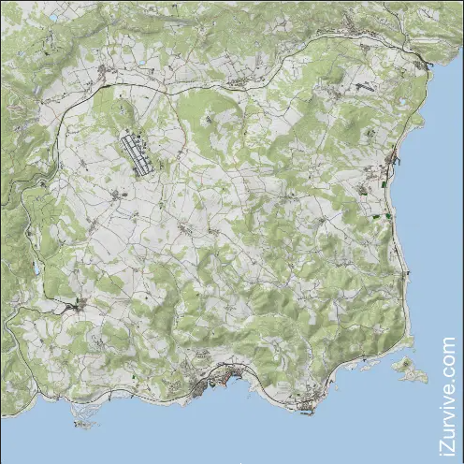
DayZ XZ Mapper |  |  | ACCEPTS XML, JSON, C, MAP STYLE COORDINATES |  | for CHERNARUS
 |  |  | x="11.11" y="2.2" z="33.33" (whole line ok) or 111, 22, 333 (coords only) or 111 22 333 (coords only)
xyza | Intentionally Blank for Copy Overflow | C | Style Detected | X | Y | Z | A/R
<pos x="6560.29" z="2462.12" a="0.0" /> |  |  | XML | 6560.29 | 0 | 2462.12 | 0
<pos x="1652.66" z="14230.71" a="0.0" /> |  |  | XML | 1652.66 | 0 | 14230.71 | 0
<pos x="3801.06" z="8847.76" a="0.0" /> |  |  | XML | 3801.06 | 0 | 8847.76 | 0
<pos x="9442.32" z="8829.03" a="0.0" /> |  |  | XML | 9442.32 | 0 | 8829.03 | 0
<pos x="7903.16" z="12576.52" a="0.0" /> |  |  | XML | 7903.16 | 0 | 12576.52 | 0
<pos x="11617.75" z="14663.98" a="0.0" /> |  |  | XML | 11617.75 | 0 | 14663.98 | 0
<pos x="12830.08" z="10115.18" a="0.0" /> |  |  | XML | 12830.08 | 0 | 10115.18 | 0
<pos x="11221.94" z="12225.89" a="0.0" /> |  |  | XML | 11221.94 | 0 | 12225.89 | 0
<pos x="3471.93" z="12988.33" a="0.0" /> |  |  | XML | 3471.93 | 0 | 12988.33 | 0
<pos x="13933.42" z="13228.44" a="0.0" /> |  |  | XML | 13933.42 | 0 | 13228.44 | 0
<pos x="12022.64" z="9082.89" a="0.0" /> |  |  | XML | 12022.64 | 0 | 9082.89 | 0
<pos x="10468.54" z="2373.16" a="0.0" /> |  |  | XML | 10468.54 | 0 | 2373.16 | 0
<pos x="2725.48" z="5288.75" a="0.0" /> |  |  | XML | 2725.48 | 0 | 5288.75 | 0
15360, 0, 15360 |  |  | JSON | 15360 | 0 | 15360 | 0
1033.66, 7.789, 12326.65 |  |  | JSON | 1033.66 | 7.789 | 12326.65 | 0
<zone name="Rest" smin="0" smax="0" dmin="0" dmax="0" x="5987.66" z="3245.5" r="82.5"/> |  |  | XML | 5987.66 | 0 | 3245.5 | 82.5
<zone name="Rest" smin="0" smax="0" dmin="0" dmax="0" x="5302.5" z="2894.67" r="150"/> |  |  | XML | 5302.5 | 0 | 2894.67 | 150
<zone name="Graze" smin="0" smax="0" dmin="0" dmax="0" x="5675" z="2583" r="120"/> |  |  | XML | 5675 | 0 | 2583 | 120
5500 25.36 5500 |  | ++ | C/MAP | 5500 | 25.3655 | 5500 | 0
4000.5 11 3600.78 |  | ++ | C/MAP | 4000.5 | 113600.78 | 3600.78 | 0
Zero Zero |  |  | other | 0 | 0 | 0 | 0

