xyza
 | x
7500 | 6156
7347 | 6410
7791 | 6038
7884 | 5912
7651 | 5934
7798 | 5803
4343 | 10467
4064 | 10224
3787 | 10334
9994.689 | 11443.961
7468.93 | 11504.266
10905.792 | 9461.094
4250.055 | 8563.764
12800 | 12800
0 | 0
6453.33 | 5908.53
5939.34 | 5561.3
5304.74 | 5783.71
2536 | 7064.63
7166.36 | 8000.6
0 | 0
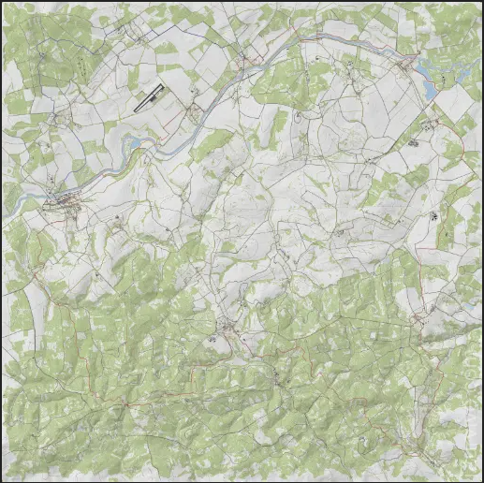
dAyZ XY mapper |  |  | ACCEPTS XML, JSON, C, MAP STYLE COORDINATES |  | for LIVONIA
 |  |  | x="11.11" y="2.2" z="33.33" (whole line ok) or 111, 22, 333 (coords only) or 111 22 333 (coords only)
xyza | Intentionally Blank for Copy Overflow | C | Style Detected | X | Y | Z | A/R
7500, 0, 6156 |  |  | JSON | 7500 | 0 | 6156 | 0
7347, 0, 6410 |  |  | JSON | 7347 | 0 | 6410 | 0
7791, 0, 6038 |  |  | JSON | 7791 | 0 | 6038 | 0
7884, 0, 5912 |  |  | JSON | 7884 | 0 | 5912 | 0
7651, 0, 5934 |  |  | JSON | 7651 | 0 | 5934 | 0
7798, 0, 5803 |  |  | JSON | 7798 | 0 | 5803 | 0
4343, 0, 10467 |  |  | JSON | 4343 | 0 | 10467 | 0
4064, 0, 10224 |  |  | JSON | 4064 | 0 | 10224 | 0
3787, 0, 10334 |  |  | JSON | 3787 | 0 | 10334 | 0
<pos x="9994.689" z="11443.961" a="0" y="174.6216" group="Train_Abandoned_Grabin"/> |  |  | XML | 9994.689 | 174.6216 | 11443.961 | 0
<pos x="7468.930" z="11504.266" a="0" y="174.667" group="Train_Abandoned_Kolembrody"/> |  |  | XML | 7468.93 | 174.667 | 11504.266 | 0
<pos x="10905.792" z="9461.094" a="0" y="183.6" group="Train_Abandoned_Sitnik"/> |  |  | XML | 10905.792 | 183.6 | 9461.094 | 0
<pos x="4250.055" z="8563.764" a="0" y="182.052" group="Train_Abandoned_Radacz"/> |  |  | XML | 4250.055 | 182.052 | 8563.764 | 0
12800, 1, 12800 |  |  | JSON | 12800 | 1 | 12800 | 0
0, 1, 0 |  |  | JSON | 0 | 1 | 0 | 0
<zone name="Graze" smin="0" smax="0" dmin="0" dmax="0" x="6453.33" z="5908.53" r="250"/> |  |  | XML | 6453.33 | 0 | 5908.53 | 250
<zone name="Graze" smin="0" smax="0" dmin="0" dmax="0" x="5939.34" z="5561.3" r="200"/> |  |  | XML | 5939.34 | 0 | 5561.3 | 200
<zone name="Rest" smin="0" smax="0" dmin="0" dmax="0" x="5304.74" z="5783.71" r="150"/> |  |  | XML | 5304.74 | 0 | 5783.71 | 150
2536 9.66 7064.63 |  | ++ | C/MAP | 2536 | 0 | 7064.63 | 0
7166.36 25.3 8000.6 |  | ++ | C/MAP | 7166.36 | 0 | 8000.6 | 0
Zero Zero |  |  | other | 0 | 0 | 0 | 0

