TTS description
Parameters for ONAN/ONAFx transformers

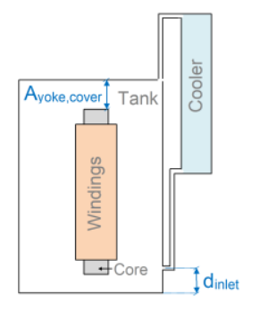
Component | Name | Symbol | Unit | Values |  |  |  | Remark to parameter
Systems | Name of electrical system | snam | - | HV | LV | - | -
 | Nominal voltage (at nominal tap position) | Unom | kV | 225 | 26.4 | - | - | phase-to-phase
 | Nominal power (at AFmax) | Snom | MVA | 66 | 66 | - | -
 | Connection | conn | - | star | delta | - | - | use "star" or "delta"
 | Type of regulation | reg_typ | - | Boost/Buck | none | - | - | use "none", "tapped", "Boost wind.", "Boost/Buck wind." or "Fine/Coarse wind."
 | Voltage at minus position | min-tap | kV | 202.5 | - | - | - | for TTSa: only nominal tap is modeled, Tap Position is missing in time series
 | Voltage at nominal position | nom-tap | kV | 225 | - | - | -
 | Voltage at plus position | plus-tap | kV | 247.5 | - | - | -
 | Percentage per regulation step | reg-step | % | 1.25 | - | - | -

Tank | Length of tank | LK | mm | 4520
 | Width of tank | WK | mm | 2560
 | Height of tank | HK | mm | 3369
 | Oil volume (20 °C) in tank | Voil,tank | m³ | 32.5864 |  |  |  | for TTSa: estimated with 80 % of total oil. Total oil according to nameplate is 8960 imperial gallon. So it's 40.7 m3, 80% are 32.59 m3.
 | Position of oil inlet from radiator | dinlet | mm | 800 |  |  |  | distance from tank bottom
 | Insulation fluid | fluid | - | mineral |  |  |  | use "mineral", "nat. ester" or "synt. ester"
 | Distance between upper yoke and tank | Ayoke,cover | mm | 410
 | Eddy Losses outside the winding (nominal tap) | Ps | kW | 59.9

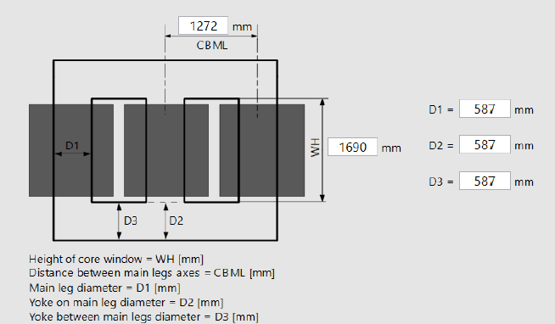
Core | Core diameter | Ds | mm | 587
 | Heigth of core limb | HF | mm | 1690 |  |  |  | Is this the heigth of the window? 1699 mm is the size of the window (see picture)
 | Main yoke height | Bj | mm | 587
 | Limb center distance | Ecenter | mm | 1272
 | Total core mass | GFE | kg | 22500 |  |  |  | The mass of the core and coils is 33203 kg (nameplate). OK. Total of core and winding mass shown with lines 27 and 42.
 | Number of wounded limbs | Nlimb | - | 3
 | Core losses at nominal voltage | Pc | kW | 50.3
 | Temperature gradient to core surface | gsur | K |  |  |  |  | optional input
 | Temperature gradient to inner package | gpac | K |  |  |  |  | optional input
 | Longitudinal oil temperature rise in oil ducts | Dc | K |  |  |  |  | optional input
 |  |  | P_C
Windings | Name of winding | wnam | - | LV | HV | - | -
 | Inner diameter | Di | mm | 650 | 960 | - | -
 | Outer diameter | Do | mm | 752 | 1122 | - | -
 | Height | Hw | mm | 1499 | 1499 | - | -
 | Summarized heigth of spacers | Hspac | mm | 326 | 392 | - | - | Winding_heigth - (number of disc * heigth of disc with paper insulation)
 | Summarized width of all axial ducts | Wduct | mm | 14.82 | 19 | - | - | Inner axial duct + outer axial duct (dimensions in the cells)
 | Upper yoke clearance | Ao | mm | 113 | 113 | - | -
 | Lower yoke clearance | Au | mm | 78 | 78 | - | -
 | Solid winding mass (all wounded limbs) | msolid | kg | 3187 | 7516 | - | -
 | Paper insulation mass (all wounded limbs) | mpaper | kg |  |  | - | - | optional input
 | Conductor Material | wmat | - | Cu | Cu | - | - | use "Cu" or "Al"
 | Ohmic resistance per phase (75 °C) | Rohm | Ω | 0.06262 | 2.33433 | - | -
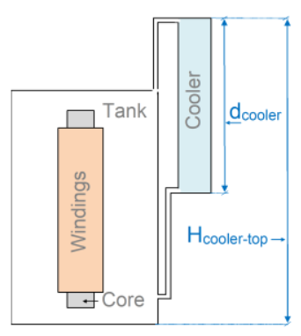
 | Eddy Losses (75 °C) in plus tap position (all wounded limbs) | Peddy,plus,tap | kW |  |  | - | -
 | Eddy Losses (75 °C) in nominal tap position (all wounded limbs) | Peddy,nom,tap | kW | 23.0 | 10.16 | - | -
 | Eddy losses (75 °C) in minus tap position (all wounded limbs) | Peddy,minus,tab | kW |  |  | - | -
 | Average temperature gradient (nominal power, nominal tap) | gw,av | K | 27.75 | 13.0 | - | - | based on inner winding oil temperature, for TTSa: estimated from heat run data
 | Hotspot temperature gradient (nominal power, nominal tap) | gw,hs | K |  |  | - | - | based on inner winding oil temperature, for TTSa: data about hotspot rise not available
 | Longitudinal oil temperature rise in oil ducts (nominal power, nominal tap) | Dw | K |  |  | - | -
 | Average winding temperatue rise (nominal power, nominal tap) | Δθaw | K | 61.6 | 46.9 | - | - | parameter ideally from heat run test
 | Hotspot winding temperature rise (nominal power, nominal tap) | Δθhs | K |  |  | - | - | parameter ideally from heat run test, for TTSa: data about hotspot rise not available
 | Exponent over losses for average winding gradient | xp,av | - |  |  | - | - | optional input
 | Exponent over losses for hotspot winding gradient | xp,hs | - |  |  | - | - | optional input
 |  |  |  |  |  |  | -
Cooler | AN loading factor | KAN | - | 0.606 |  |  |  | AN/AFmax loading
 | Name of cooling stages | stage | - | AN | AF1 | AF2 | -
 | Number of active fans (or groups) | nfan | - | 0 | 3 | 6 | - | There are 2 cooling units (block of radiators) with 6 fans each.
 | Average oil temperature rise at radiator | Δθom | K | 40.7 |  | 33.85 | - | parameter from heat run test
 | Top liquid temperature rise at radiator | Δθo | K | 53.3 |  | 51.2 | - | parameter from heat run test
 | Distance from tank bottom to cooler top | Hcool,top | mm | 3086
 | Radiator height | dcooler | mm | 2286
 | Oil volume (20 °C) in radiator | Voil,cooler | m³ | 8.1466 |  |  |  | for TTSa: estimated with 20 % of total oil

HR test | 66 MVA, 225/26.4 kV, ONAN/ONAF)
 | RI2 losses at 1 pu, tap 9 (neutral) and 75°C = 331406 W
 | Stray losses at 1 pu, tap 9 (neutral) and 75°C = 93070 W (Eddy+Stray actually)
 | Core losses = 50300 W
 | R=8.44
 | Weight of core and coil = 73200 lbs = 33203 kg
 | Weight of tanks and fittings = 54200 lbs = 24585 kg
 | Oil type = mineral oil
 | Volume of oil = 8960 gallons imperial = 40733 litres
 | Weight of oil = 76600 lbs = 34745 kg
 | The heat-run test results indicate a winding temperature rise of 61.6°C. The ambient temperature, top oil temperature and bottom oil temperature at the end of the heat run test were respectively 30.2°C, 81.4°C and 46.7°C.
 | WTI and cooling thermostat settings
 | HGr(HV) = 10.7 °C
 | HGr(LV) = 25.4 °C
 | ONAF2 turn on: 75°C
 | turn off: 65 °C
 | ONAF1 turn on: 65 °C
 | turn off: 55 °C
 | The "hot-spot" is the temperaturemeasured using a FO probe in a spacer between disks 75 and 76 of phaseB. The ambient temperature is measured using a temperature sensor near the transformer. The top-oil is measured using a RTD located in athermo-well under the tank cover. The bottom oil is measured using a FOprobe near the oil entrance at the bottom of the winding. The HV and LVcurrents are in Ampere. Rated HV and LV currents are 169 A and 1443 A.

Liquid | Temperature (deg C) | Temperature (deg K) | Density (kg/m^3) | Specific heat capacity (J/kg*K) | Thermal conductivity (W/m*K) | Kinematic viscosity (m^2/s) | Kinematic viscosity (m^2/s) |  | Dynamic viscosity (Pa*s)
 | -20 | 253.15 | 890.4 | 1600.000 | 0.1302 | 0.00010523 | 105.230 |  | 0.00000000
 | -10 | 263.15 | 883.7 | 1600.000 | 0.1273 | 0.00004718 | 47.177 |  | 0.00000000
 | 0 | 273.15 | 876.95 | 1610.000 | 0.1244 | 0.00002438 | 24.385 |  | 0.00000000
 | 10 | 283.15 | 870.2 | 1630.000 | 0.1224 | 0.00001419 | 14.191 |  | 0.00000000
 | 20 | 293.15 | 863.3 | 1640.000 | 0.1202 | 0.00000912 | 9.118 |  | 0.00000000
 | 30 | 303.15 | 856.6 | 1660.000 | 0.1185 | 0.00000628 | 6.282 |  | 0.00000000
 | 40 | 313.15 | 849.95 | 1685.000 | 0.1169 | 0.00000460 | 4.601 |  | 0.00000000
 | 50 | 323.15 | 843.35 | 1710.000 | 0.1153 | 0.00000354 | 3.540 |  | 0.00000000
 | 60 | 333.15 | 836.7 | 1740.000 | 0.1140 | 0.00000284 | 2.835 |  | 0.00000000
 | 70 | 343.15 | 830.15 | 1765.000 | 0.1127 | 0.00000235 | 2.346 |  | 0.00000000
 | 80 | 353.15 | 823.55 | 1800.000 | 0.1115 | 0.00000199 | 1.994 |  | 0.00000000
 | 90 | 363.15 | 817 | 1830.000 | 0.1104 | 0.00000173 | 1.732 |  | 0.00000000
 | 100 | 373.15 | 810.2 | 1865.000 | 0.1100 | 0.00000153 | 1.532 |  | 0.00000000

