cochran_test
Step 1
p | 1 |  | Define parameters
f | 0

k | 3 |  | # categories
Pass | 1
N | 63

Step 2

 | C_j | (Cj-N/k)^2
pre | 11 | 215.11111111
post | 28 | 5.4444444444
nine_mopost | 38 | 152.11111111
N | 77

Step 3
Get R_j or # of successes

Step 4
Get success * failures

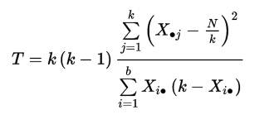
Step 5
Get Q from formula to right

31.942857143

Step 6
Get DF
2

Step 7
Get significance
1.1579683875E-07 | p
0.9999998842 | 1.1579683878E-07

